IIS
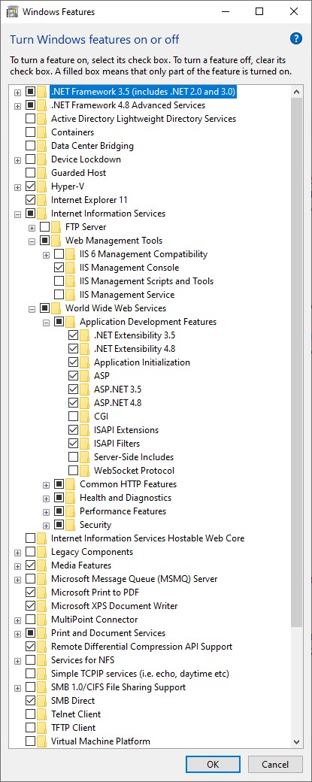
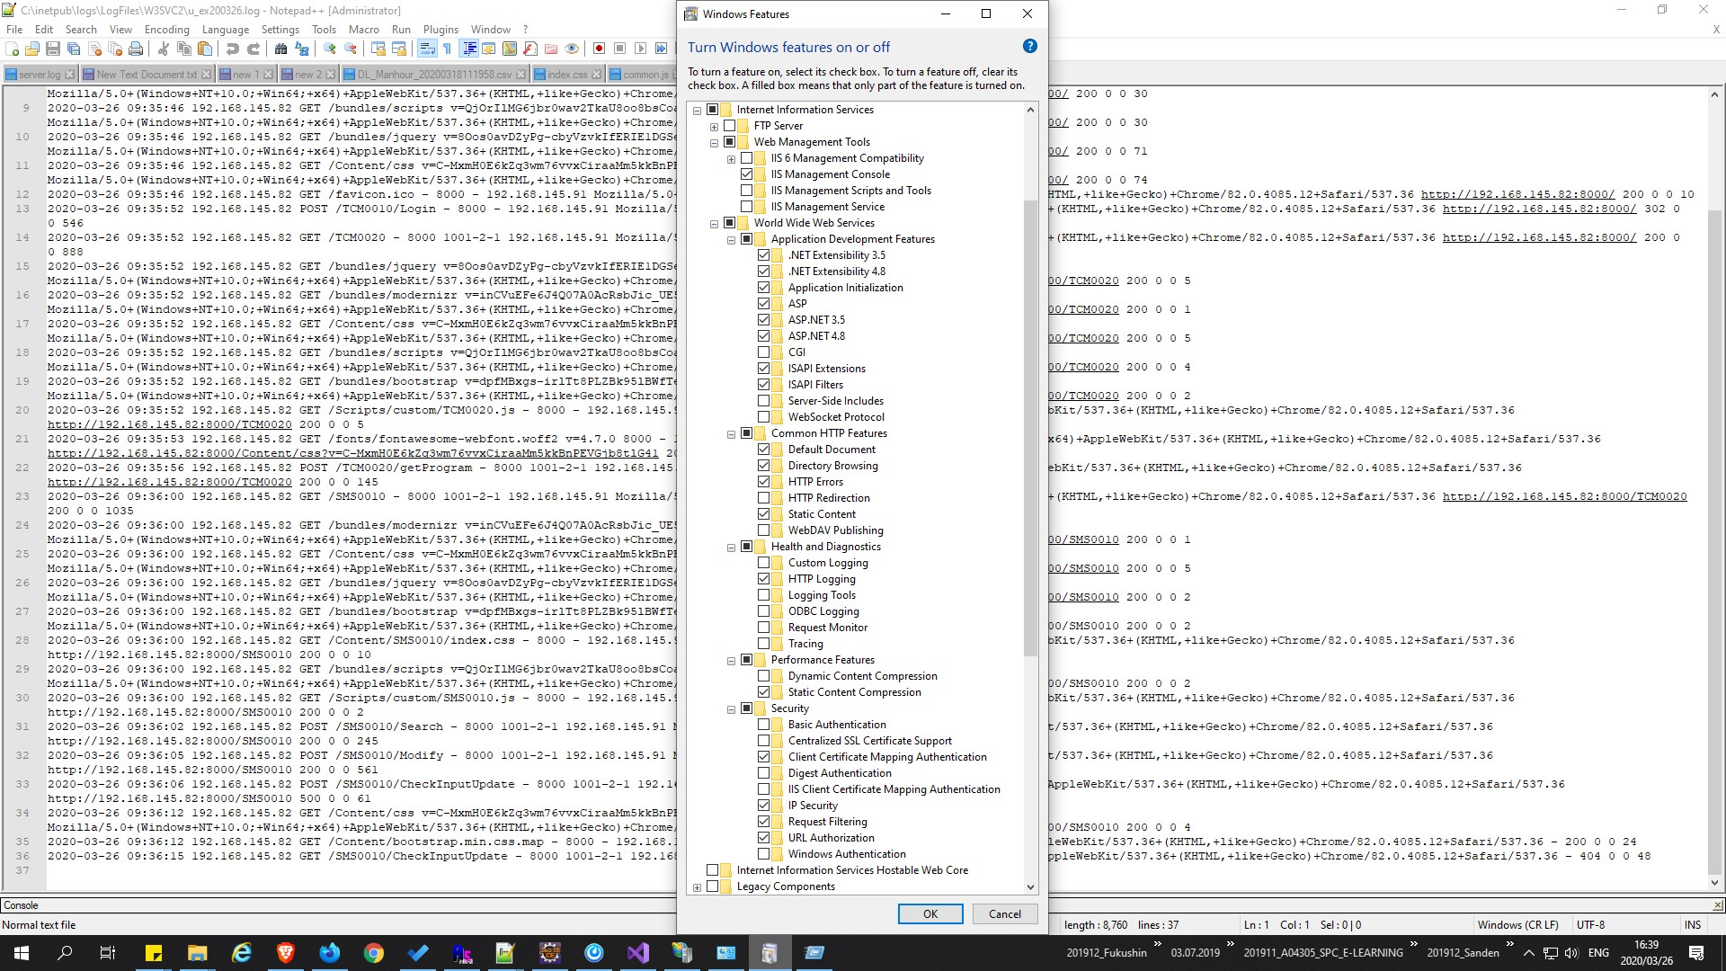

Sublimetext
1. Thêm command line
 | + Cài đặt package control: Terminal
 | + Preferences => Package Settings => Terminal => Settings - Default

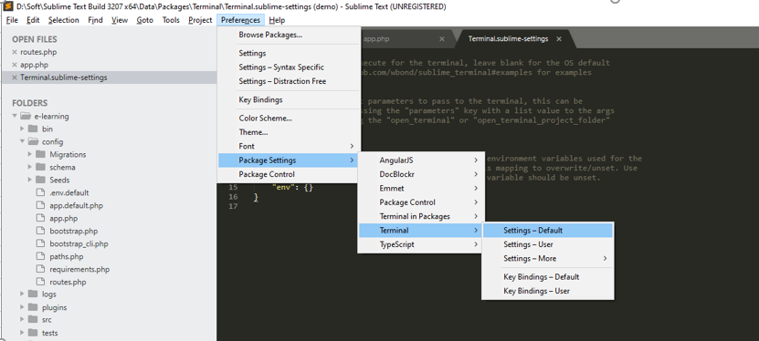

 | Chỉnh sửa:
 |  | "terminal": "C:\\Windows\\system32\\cmd.exe", // On my Windows 10 machine
 |  | "parameters": ["/START", "%CWD%"]

2. AdvancedNewFile
 | + ctrl + alt + n để tạo new file

3. AutoFileName

