langugage stats
Submissions per language
Language | #accepted submissions | #not accepted submissions | # submissions
C++ | 4353049 | 3655478 | 8008527
Python | 1796563 | 1489751 | 3286314
Java | 354982 | 357171 | 712153
C | 313360 | 440698 | 754058
Ruby | 138937 | 111466 | 250403
C# | 125580 | 109527 | 235107
Rust | 80262 | 46948 | 127210
Go | 58404 | 40721 | 99125
Haskell | 34226 | 22066 | 56292
Kotlin | 26733 | 20297 | 47030
JavaScript | 25539 | 32856 | 58395
PHP | 20359 | 21573 | 41932
D | 19449 | 13989 | 33438
Scala | 15363 | 11920 | 27283
Nim | 12724 | 8128 | 20852
OCaml | 9410 | 3469 | 12879
Perl | 8282 | 6199 | 14481
Fortran | 8018 | 7041 | 15059
Lisp | 6421 | 4102 | 10523
Julia | 5669 | 5110 | 10779
Awk | 5049 | 4546 | 9595
Pascal | 4820 | 3907 | 8727
TypeScript | 3848 | 3799 | 7647
Bash | 3812 | 13445 | 17257
Lua | 3425 | 2093 | 5518
Swift | 3108 | 3454 | 6562
F# | 2969 | 1599 | 4568
Crystal | 2958 | 2068 | 5026
Bf | 2848 | 1118 | 3966
Scheme | 2461 | 1085 | 3546
dc | 2064 | 1425 | 3489
Sed | 1605 | 731 | 2336
Cython | 1324 | 1191 | 2515
Octave | 1159 | 1229 | 2388
Visual Basic | 1087 | 1029 | 2116
Objective-C | 898 | 481 | 1379
COBOL | 727 | 550 | 1277
Vim | 573 | 488 | 1061
Clojure | 430 | 417 | 847
Standard ML | 372 | 96 | 468
Prolog | 231 | 58 | 289
MoonScript | 218 | 80 | 298
Unlambda | 209 | 69 | 278
Elixir | 205 | 253 | 458
Dart | 195 | 344 | 539
bc | 193 | 60 | 253
Ada | 118 | 17 | 135
Text | 109 | 1615 | 1724
Dash | 55 | 26 | 81
Haxe | 46 | 61 | 107
Racket | 45 | 15 | 60
Erlang | 41 | 28 | 69
Zsh | 32 | 9 | 41
Forth | 15 | 10 | 25
Ceylon | 9 | 374 | 383

total | 7460588 | 6456280 | 13916868

status stats
Status
Status | #submissions
Accepted | 7460588
Wrong Answer | 4140436
Runtime Error | 895154
Time Limit Exceeded | 767196
Compile Error | 556259
WA: Presentation Error | 73336
Memory Limit Exceeded | 22420
Output Limit Exceeded | 1067
Judge Not Available | 144
Internal error | 113
Query Limit Exceeded | 105
Judge System Error | 50

Status

problems stats
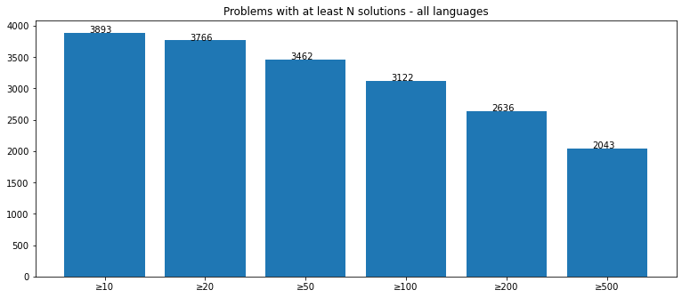
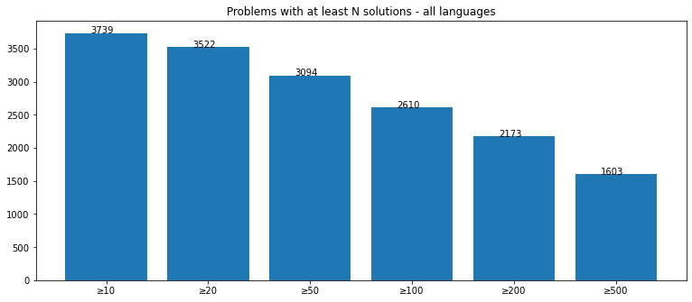
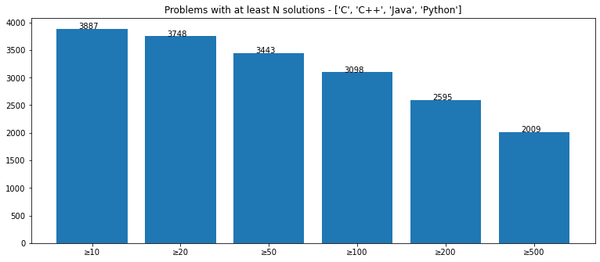
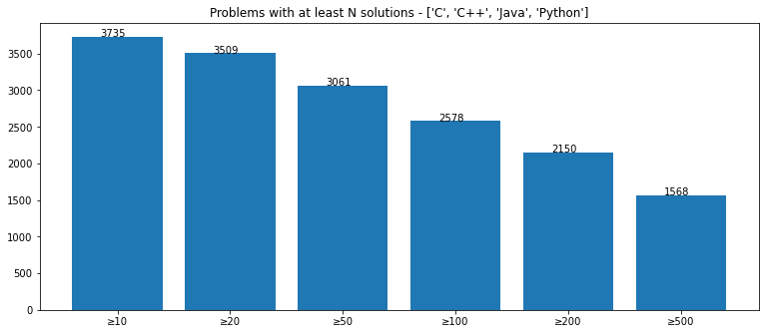
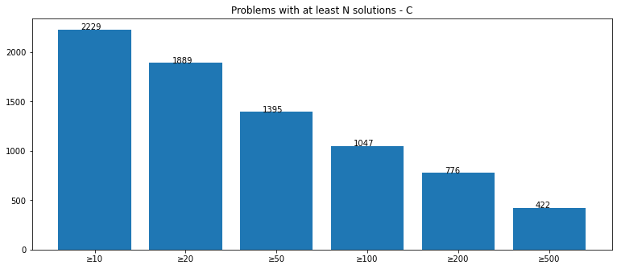
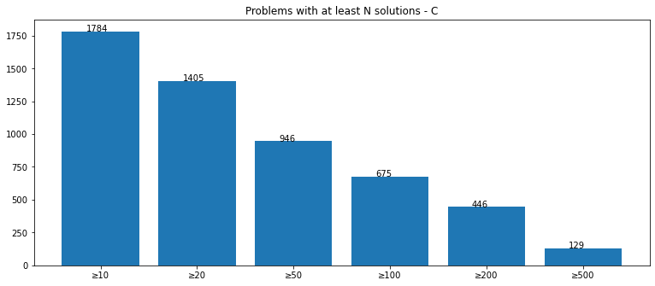
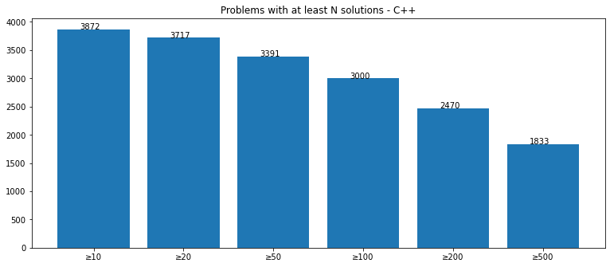
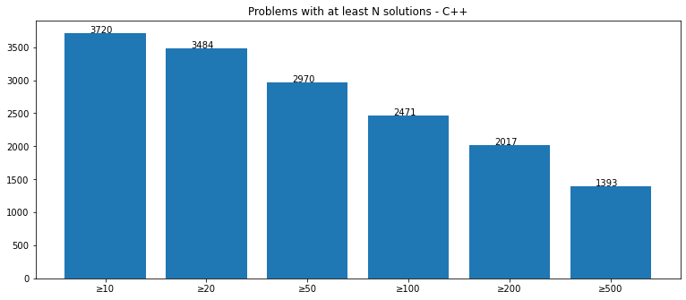
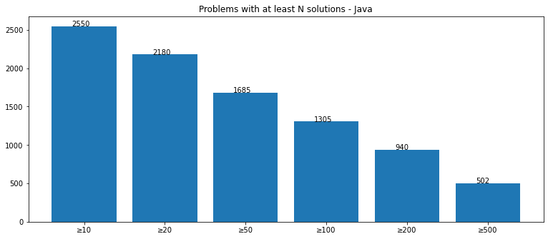
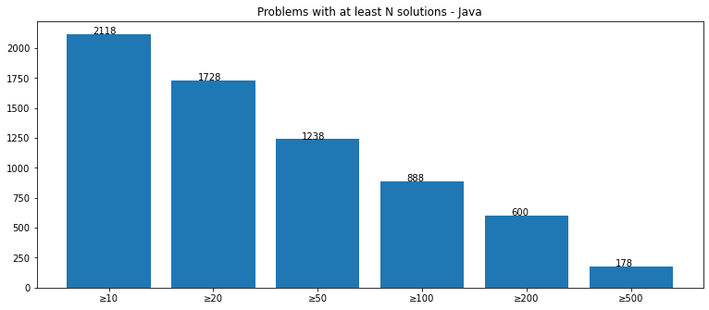
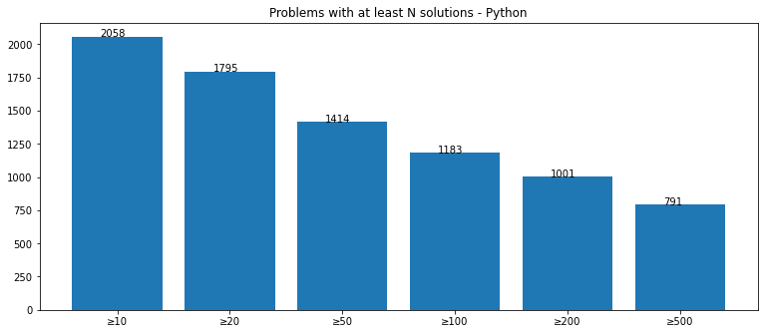
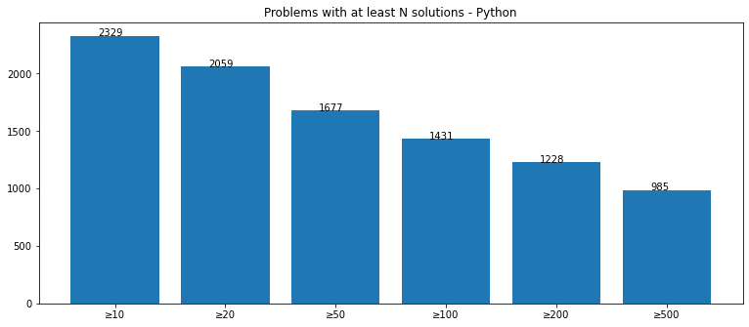
All status | Accepted submissions

