USDM-CPT Mapping Sheet
CPT ToC | CPT Section | CPT Variable Display Name | CPT Variable Name (compacted) | CPT Var Type | Mapping Type | USDM Field | USDM Field Type | Logic | Default Value
Chapter# 01 | Synopsis | Enrollment Target | CPT:EnrollmentTarget | RichText | ManyToOne | populationDesc (studyDesignPopulation) | Text | Retrieve all populationDescription as comma seperated (e.g Desc1, Desc2 and Desc3) | populationDescription is mandatory. StudyPopulations is non mandatory. null is returned if there are no studyPopulations.
Chapter# 01 | Synopsis | Intervention Model | CPT:InterventionModel | Choice | vs.CodeList<> | interventionModel | Code | Consider CT Decode value and create mapping to match with CPT values. The API response should have CPT choice values. | interventionModel is mandatory. If the CT mapping for code provided is not available, corresponding decode value will be returned.
Chapter# 01 | Synopsis | Number of Arms | CPT:NumberofArms | Text | Proxy | StudyArmId | Text | Count of distinct StudyArmIds for the specific study design. | If there are no studyArms, then value "0" will be returned.
Chapter# 01 | Synopsis | Number of Participants | CPT:NumberofParticipants | Text | ManyToOne | plannedNumberOfParticipants | Integer | If multiple populations available in studyDesign, add all the numeric values. | plannedNumberOfParticipants is mandatory. StudyPopulations is non mandatory. null is returned if there are no studyPopulations.
Chapter# 01 | Synopsis | Primary Purpose | CPT:PrimaryPurpose | Choice | vs.CodeList<> | trialIntentTypes | Code[] | Retrieve all Decode values as comma seperated (e.g Type1, Type2 and Type3) - No mapping is required, send the values as is even if not found in master list. | trialIntentTypes is non-mandatory. 1. If there are no trialIntentTypes, then null is returned. 2. If the CT mapping for code provided is not available, corresponding decode value will be returned.
Chapter# 02 | Study Rationale | Study Rationale | CPT:StudyRationale | Rich Text | OneToOne | studyRationale | Text | Retrieve studyRationale value | studyRationale is mandatory.
Chapter# 03 | Objectives and Endpoints | Objectives Endpoints and Estimands | CPT:ObjectivesEndpointsAndEstimands | RichText | OneToMany | objectiveDesc, endpointDesc | Text | See below fields.
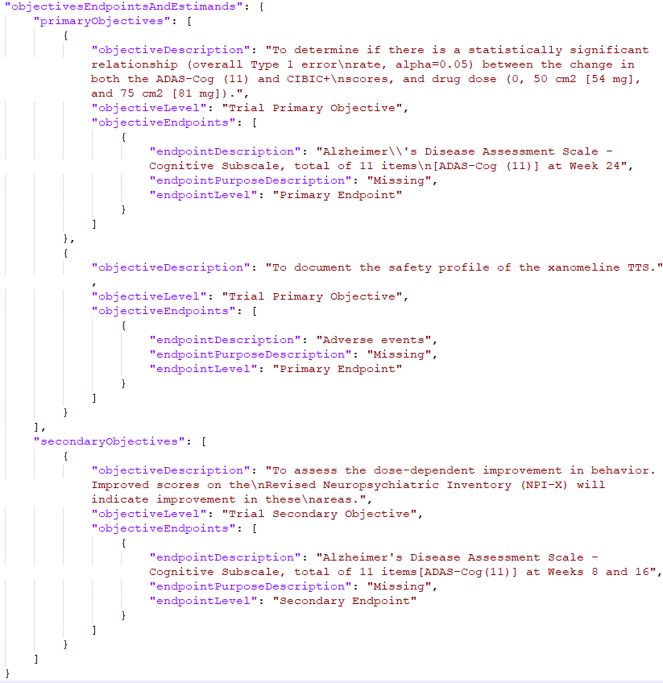
Chapter# 03 | Objectives and Endpoints | Primary Endpoints | CPT:EndpointsPrimary | RichText | OneToMany | endpointDesc | endpointPurposeDesc | Text | Take respective ObjectiveEndpoints from primary objectives | objectiveEndpoints is non-mandatory. 1. If the value is null or studyObjective is not available in the study, then null is returned. 2. If there is no objective with code value matching the primary objective in the mappping sheet, null is returned
Chapter# 03 | Objectives and Endpoints | Primary Objectives | CPT:ObjectivesPrimary | RichText | OneToMany | objectiveLevel | Code | Take the objective whch has 'Study Primary Objective' in the objectiveLevel as in screenshot below. Refer CDISC codes mentioned in Data Mapping spreadsheet. If there are multiple primary objectives, take first primary objective from the list. | objectiveLevel is non-mandatory. 1. If the value is null or studyObjective is not available in the study, then null is returned. 2. If there is no objective with code value matching the primary objective in the mappping sheet, null is returned
Chapter# 03 | Objectives and Endpoints | Secondary Endpoints | CPT:EndpointsSecondary | RichText | OneToMany | endpointDesc | endpointPurposeDesc | Text | Take respective ObjectiveEndpoints from secondary objectives | objectiveEndpoints is non-mandatory. 1. If the value is null or studyObjective is not available in the study, then null is returned. 2. If there is no objective with code value matching the secondary objective in the mappping sheet, null is returned
Chapter# 03 | Objectives and Endpoints | Secondary Objectives | CPT:ObjectivesSecondary | RichText | OneToMany | objectiveLevel | Code | Take all the objective whch has 'Study Secondary Objective' in the objectiveLevel as in screenshot below. Refer CDISC codes mentioned in Data Mapping spreadsheet. | objectiveLevel is non-mandatory. 1. If the value is null or studyObjective is not available in the study, then null is returned. 2. If there is no objective with code value matching the secondary objective in the mappping sheet, null is returned
Chapter# 04 | Scientific Rationale for Study Design | Scientific Rationale for Study Design | CPT:ScientificRationaleforStudyDesign | RichText | OneToOne | studyDesignRationale | Text | Retrieve studyDesignRationale value | studyDesignRationale is mandatory.
Chapter# 05 | Inclusion Criteria | Planned Maximum Age of Subjects | CPT:PlannedMaximumAgeofSubjects | Text | ManyToOne | plannedMaximumAgeOfParticipants | Text | 1. If all values are integers, then pick Maximum value from the list. 2. If multiple values available, atleast one non-integer value is present, then display blank in the output. 3. If only one value available, irrespective of Integer/Non-Integer, display the value as is in the output. | plannedMaximumAgeOfParticipants is mandatory. StudyPopulations is non mandatory. null is returned if there is no studyPopulations.
Chapter# 05 | Inclusion Criteria | Planned Minimum Age of Subjects | CPT:PlannedMinimumAgeofSubjects | Text | ManyToOne | plannedMinimumAgeOfParticipants | Text | 1. If all values are integers, then pick Minimum value from the list. 2. If multiple values available, atleast one non-integer value is present, then display blank in the output. 3. If only one value available, irrespective of Integer/Non-Integer, display the value as is in the output. | plannedMinimumAgeOfParticipants is mandatory. StudyPopulations is non mandatory. null is returned if there is no studyPopulations.
Chapter# 05 | Inclusion Criteria | Sex of participants | CPT:Sexofparticipants | Choice | vs.CodeList<> | plannedSexOfParticipants | Code[] | 1. Refer to CDISC code list for Sex and corresponding eCPT mapping values in Data mapping sheet 2. If multiple values available, consider distinct values from the valid codes and display Male/Female/Male or Female in the output 3. If only value isvailable and not a valid C-DISC code, display decode value as is in the CPT output. 4. If multiple and all of the codes are invalid, then display blank. | 1. plannedSexOfParticipants is non-mandatory. null is returned if there is no plannedSexOfParticipants. 2. StudyPopulations is non mandatory. null is returned if there is no studyPopulations. 3. If the CT mapping for code provided is not available, corresponding decode value will be returned
Chapter# 06 | Study Interventions Administered | Arm Description | CPT:ArmDescription | RichText | OneToOne ManyToOne | studyArmDesc | Text | studyArmDescription, ArmName and Decode Value of ArmType to be sent as an arrayList in response. | studyArmDesc is non-mandatory. If there are no studyArms, studyArm section under studyInterventionsAndConcomitantTherapy will be null.
Chapter# 06 | Study Interventions Administered | Arm Name | CPT:ArmName | RichText | OneToOne | studyArmName | Text | studyArmDescription, ArmName and Decode Value of ArmType to be sent as an arrayList in response. | studyArmName is non-mandatory. If there are no studyArms, studyArm section under studyInterventionsAndConcomitantTherapy will be null.
Chapter# 06 | Study Interventions Administered | Arm Type | CPT:ArmType | RichText | OneToOne | studyArmType | Code | studyArmDescription, ArmName and Decode Value of ArmType to be sent as an arrayList in response. | studyArmType is non-mandatory. If there are no studyArms, studyArm section under studyInterventionsAndConcomitantTherapy will be null.
Chapter# 06 | Study Interventions Administered | Intervention Description | CPT:InterventionDescription | RichText | OneToOne | interventionDesc | Code[] | Create model as mentioned in screenshot and just populate interventionDescription for now. There are other fields like intervention name, type, dosage etc.. Which are not available in USDM. | interventionDesc is mandatory. If there are no investigtionalInterventions in the study, studyInterventionsAdministered section under studyInterventionsAndConcomitantTherapy will be null.
Chapter# 09 | Populations for Analyses | Populations for Analyses | CPT:PopulationsForAnalyses | RichText | ManyToOne | populationDesc (analysisPopulation) | Text | Retrieve all analysisPopulationDescription as comma seperated (e.g Desc1, Desc2 and Desc3) | populationDescription and analysisPopulation are mandatory. StudyEstimands is non mandatory. null is returned if there are no studyEstimands
Outside ToC | Page Header | Version Number | CPT:VersionNumber | Text | OneToMany | protocolVersion | Text, text | protocolVersion sort by EffectiveDate and Version | protocolVersion is mandatory. StudyProtocolVersions is non-mandatory null is returned, if there are no StudyProtocolVersions.
Outside ToC | Protocol and Brief Title | Condition or Disease | CPT:ConditionDisease | Text | Proxy | indicationDesc | Text | Retrieve all indicationDescriptions as comma seperated (e.g Desc1, Desc2 and Desc3) | indicationDesc is mandatory. StudyIndications is non-mandatory null is returned, if there are no studyIndications.
Outside ToC | Title Page | Acronym | CPT:Acronym | Text | OneToOne | studyAcronym | Text | Retireve studyAcronym value | studyAcronym is mandatory
Outside ToC | Title Page | Amendment Number | CPT:AmendmentNumber | Text | Proxy | protocolAmendment | Text | protocolAmendment sort by EffectiveDate and Version | protocolAmendment is mandatory. StudyProtocolVersions is non-mandatory null is returned, if there are no StudyProtocolVersions.
Outside ToC | Title Page | Approval Date | CPT:ApprovalDate | Date | Proxy | protocolEffectiveDate | Text | protocolEffectiveDate sort by EffectiveDate and Version (Date format: system will try to parse the date formats which the user have created studies in demo environment as of now.) | protocolEffectiveDate is mandatory. StudyProtocolVersions is non-mandatory null is returned, if there are no StudyProtocolVersions.
Outside ToC | Title Page | Protocol Number | CPT:ProtocolID | Text | OneToOne | studyIdentifier | Text | Retrieve studyIdentifier value where organisationType=Clinical Study Sponsor. If there are multiple value then pick 1st value. | studyIdentifier is mandatory. If the organisationType code matching value is not available in the study, then null is returned.
Outside ToC | Title Page | Protocol Short Title | CPT:ProtocolShortTitle | RichText | OneToOne | briefTitle | Text | briefTitle sort by EffectiveDate and Version | briefTitle is mandatory. StudyProtocolVersions is non-mandatory null is returned, if there are no StudyProtocolVersions.
Outside ToC | Title Page | Protocol Title | CPT:ProtocolTitle | RichText | OneToMany | studyTitle (else scientificTitle) | Text | studyTitle if available else pick from scientificTitle | studyTitle is mandatory
Outside ToC | Title Page | RegulatoryAgencyIdentifierNumbers | CPT:RegulatoryAgencyIdentifierNumbers | RichText | OneToMany | organisationIdentifierScheme | studyIdentifier | Text | See below fields.
Outside ToC | Title Page | Regulatory Agency ID | CPT:RegulatoryAgencyID | Choice | vs.CodeList<> | organisationIdentifierScheme | Code | Retrieve all organisationIdentifierScheme where Type = 'Regulatory Agency' or Type = "Clinical Study Registry" | organisationIdentifierScheme is mandatory. If the organisationType code matching value is not available in the study, then null is returned.
Outside ToC | Title Page | Regulatory Agency Number | CPT:RegulatoryAgencyNumber | Text | OneToMany | studyIdentifier | Text, text | Retrieve all studyIdentifier where Type = 'Regulatory Agency' or Type = "Clinical Study Registry" | studyIdentifier is mandatory. If the organisationType code matching value is not available in the study, then null is returned.
Outside ToC | Title Page | Sponsor Legal Address | CPT:SponsorLegalAddress | Text | OneToOne | organizationLegalAddress | Text | To be retrieved from Organization class (attribute name of organizationLegalAddress, where Organization Type=Clinical Study Sponsor) and concatenate all Address properties Take First value if there are more than one. | organizationLegalAddress is non-mandatory. 1. If organizationLegalAddress is not available, then null is returned. 2. If the organisationType matching value is not available in the study, then null is returned.
Outside ToC | Title Page | Sponsor Name | CPT:SponsorName | Text | OneToOne | organizationName | Text | To be retrieved from Organization class (attribute name of OrganizationName, where Organization Type=Clinical Study Sponsor) | organizationName is mandatory. If the organisationType code matching value is not available in the study, then null is returned.
Outside ToC | Title Page | Study Phase | CPT:StudyPhase | Choice | vs.CodeList<> | studyPhase | aliasCode | Retrive decode Value from standardCode element. Transform into CPT master code value | studyPhase is mandatory. If the CT mapping for code provided is not available, corresponding decode value will be returned

