USDM-CPT Mapping Sheet
CPT ToC | CPT Section | CPT Variable Display Name | CPT Variable Name (compacted) | CPT Var Type | Mapping Type | USDM Field | USDM Field Type | Logic | Default Value
Chapter# 01 | Synopsis | Enrollment Target | CPT:EnrollmentTarget | RichText | ManyToOne | description (studyDesignPopulation) | Text | Retrieve Description in population under studyDesign | description is not mandatory. population is non mandatory. null is returned if there is no population data.
Chapter# 01 | Synopsis | Intervention Model | CPT:InterventionModel | Choice | vs.CodeList<> | interventionModel | Code | Consider CT Decode value and create mapping to match with CPT values. The API response should have CPT choice values. | interventionModel is mandatory. If the CT mapping for code provided is not available, corresponding decode value will be returned.
Chapter# 01 | Synopsis | Number of Arms | CPT:NumberofArms | Text | Proxy | id | Text | Count of distinct ids under studyArms for the specific study design. | If there are no studyArms, then value "0" will be returned.
Chapter# 01 | Synopsis | Number of Participants | CPT:NumberofParticipants | Text | ManyToOne | plannedEnrollmentNumber | Integer | 1 -> If both a minValue and a maxvalue available for number of participants and they are equal then display the single value in output. Otherwise, display as range minValue to MaxValue. So- - MinValue = 10 and MaxValue = 20 should be shows as “10 to 20” - MinValue = 10 and Maxvalue = 10 should only be shown as “10” | plannedEnrollmentNumber is not mandatory. population is non mandatory. null is returned if there are no population & no plannedEnrollmentNumber in both population and cohorts.
Chapter# 01 | Synopsis | Primary Purpose | CPT:PrimaryPurpose | Choice | vs.CodeList<> | trialIntentTypes | Code[] | Retrieve all Decode values as comma seperated (e.g Type1, Type2 and Type3) - No mapping is required, send the values as is even if not found in master list. | trialIntentTypes is non-mandatory. 1. If there are no trialIntentTypes, then null is returned. 2. If the CT mapping for code provided is not available, corresponding decode value will be returned.
Chapter# 02 | Study Rationale | Study Rationale | CPT:StudyRationale | Rich Text | OneToOne | rationale | Text | Retrieve rationale value | rationale is mandatory.
Chapter# 03 | Objectives and Endpoints | Objectives Endpoints and Estimands | CPT:ObjectivesEndpointsAndEstimands | RichText | OneToMany | description(objectives) | description(endpoints) | Text | See below fields.
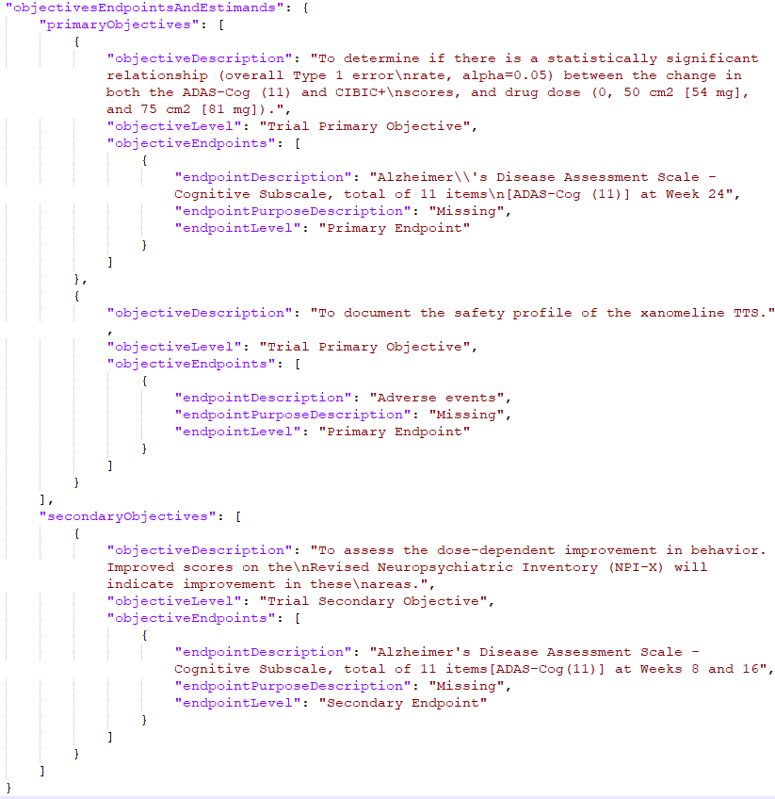
Chapter# 03 | Objectives and Endpoints | Primary Endpoints | CPT:EndpointsPrimary | RichText | OneToMany | description(endpoints) | purpose | Text | Take respective Endpoints from primary objectives | endpoints is non-mandatory. 1. If the value is null or objective is not available in the study, then null is returned. 2. If there is no objective with code value matching the primary objective in the mappping sheet, null is returned
Chapter# 03 | Objectives and Endpoints | Primary Objectives | CPT:ObjectivesPrimary | RichText | OneToMany | level | Code | Take the objective whch has 'Study Primary Objective' in the level as in screenshot below. Refer CDISC codes mentioned in Data Mapping spreadsheet. If there are multiple primary objectives, take first primary objective from the list. | level is non-mandatory. 1. If the value is null or objective is not available in the study, then null is returned. 2. If there is no objective with code value matching the primary objective in the mappping sheet, null is returned
Chapter# 03 | Objectives and Endpoints | Secondary Endpoints | CPT:EndpointsSecondary | RichText | OneToMany | description(endpoints) | purpose | Text | Take respective Endpoints from secondary objectives | endpoints is non-mandatory. 1. If the value is null or objective is not available in the study, then null is returned. 2. If there is no objective with code value matching the secondary objective in the mappping sheet, null is returned
Chapter# 03 | Objectives and Endpoints | Secondary Objectives | CPT:ObjectivesSecondary | RichText | OneToMany | level | Code | Take all the objective whch has 'Study Secondary Objective' in the level as in screenshot below. Refer CDISC codes mentioned in Data Mapping spreadsheet. | level is non-mandatory. 1. If the value is null or objective is not available in the study, then null is returned. 2. If there is no objective with code value matching the secondary objective in the mappping sheet, null is returned
Chapter# 04 | Scientific Rationale for Study Design | Scientific Rationale for Study Design | CPT:ScientificRationaleforStudyDesign | RichText | OneToOne | rationale (studyDesign) | Text | Retrieve rationale value | studyDesignRationale is mandatory.
Chapter# 05 | Inclusion Criteria | Planned Maximum Age of Subjects | CPT:PlannedMaximumAgeofSubjects | Text | ManyToOne | plannedAge | Text | Use maximum of maximum age values of all populations included (studyDesignPopulations and Cohorts) | plannedAge is non mandatory. population is non mandatory. null is returned if there is no population and no plannedAge in cohorts.
Chapter# 05 | Inclusion Criteria | Planned Minimum Age of Subjects | CPT:PlannedMinimumAgeofSubjects | Text | ManyToOne | Age | Text | Use minimum of minimum age values of all populations included (studyDesignPopulations and Cohorts) | plannedAge is non mandatory. population is non mandatory. null is returned if there is no population and no plannedAge in cohorts.
Chapter# 05 | Inclusion Criteria | Sex of participants | CPT:Sexofparticipants | Choice | vs.CodeList<> | plannedSex | Code[] | 1. Refer to CDISC code list for Sex and corresponding eCPT mapping values in Data mapping sheet 2. If multiple values available, consider distinct values from the valid codes and display Male/Female/Male or Female in the output 3. If only value isvailable and not a valid C-DISC code, display decode value as is in the CPT output. 4. If multiple and all of the codes are invalid, then display blank. | 1. plannedSex is non-mandatory. null is returned if there is no plannedSex 2. populations is non mandatory. null is returned if there is no population. 3. If the CT mapping for code provided is not available, corresponding decode value will be returned
Chapter# 06 | Study Interventions Administered | Arm Description | CPT:ArmDescription | RichText | OneToOne ManyToOne | description (studyArm) | Text | studyArmDescription, ArmName and Decode Value of ArmType to be sent as an arrayList in response. | description is non-mandatory. If there are no studyArms, studyArm section under studyInterventionsAndConcomitantTherapy will be null.
Chapter# 06 | Study Interventions Administered | Arm Name | CPT:ArmName | RichText | OneToOne | name (studyArm) | Text | studyArmDescription, ArmName and Decode Value of ArmType to be sent as an arrayList in response. | name is non-mandatory. If there are no studyArms, studyArm section under studyInterventionsAndConcomitantTherapy will be null.
Chapter# 06 | Study Interventions Administered | Arm Type | CPT:ArmType | RichText | OneToOne | type (studyArm) | Code | studyArmDescription, ArmName and Decode Value of ArmType to be sent as an arrayList in response. | type is non-mandatory. If there are no studyArms, studyArm section under studyInterventionsAndConcomitantTherapy will be null.
Chapter# 06 | Study Interventions Administered | Intervention Description | CPT:InterventionDescription | RichText | OneToOne | description (studyIntervention) | Code[] | Create model as mentioned in screenshot and just populate description for now. There are other fields like intervention name, type, dosage etc.. Which are not available in USDM. | description is non-mandatory. If there are no studyI in the study, studyInterventionsAdministered section under studyInterventionsAndConcomitantTherapy will be null.ntervention
Chapter# 09 | Populations for Analyses | Populations for Analyses | CPT:PopulationsForAnalyses | RichText | ManyToOne | description (analysisPopulation) | Text | Retrieve all analysisPopulationDescription as comma seperated (e.g Desc1, Desc2 and Desc3). You can use one or both of the AnalysisPopulation attributes name or description for a use case. For this CPT mapping use case I would use only name and indeed comma separate them from each. You might want to align with TransCelerate SMEs on this. | name and analysisPopulation are mandatory. estimands is non mandatory. null is returned if there are no studyEstimands
Outside ToC | Page Header | Version Number | CPT:VersionNumber | Text | OneToMany | protocolVersion | Text, text | Consider the versionNumber that is presented under StudyProtocolDocumentVersion. There will be only 1 StudyProtocolDocumentVersion referenced from a studyVersion class. | protocolVersion is mandatory. StudyProtocolDocumentVersions is non-mandatory null is returned, if there are no StudyProtocolDocumentVersions.
Outside ToC | Protocol and Brief Title | Condition or Disease | CPT:ConditionDisease | Text | Proxy | description (indication) | Text | Retrieve all indicationDescriptions as comma seperated (e.g Desc1, Desc2 and Desc3) | description is mandatory. StudyIndications is non-mandatory null is returned, if there are no studyIndications.
Outside ToC | Title Page | Acronym | CPT:Acronym | Text | OneToOne | text (titles) | Text | Under titles, pick the text attribute where the type (code) decode value = "Study Acronym" | If there is no decode value with "Study Acronym", null is returned.
Outside ToC | Title Page | Amendment Number | CPT:AmendmentNumber | Text | Proxy | number (amendments) | Text | If there are multiple amendments, consider the latest amendment that doesn't have a previous amendment number mapped. | amendments is non-mandatory. null is returned, if there are no amendments.
Outside ToC | Title Page | Approval Date | CPT:ApprovalDate | Date | Proxy | protocolEffectiveDate | Text | Under studyProtocolDocumentVersion class, take dateValues -> dateValue which has type (code) with decode value "Protocol Effective Date". (Date format: system will try to parse the date formats which the user have created studies in demo environment as of now.) | dateValues is -non-mandatory in StudyProtocolDocumentVersions. StudyProtocolDocumentVersions is non-mandatory null is returned, if there are no StudyProtocolDocumentVersions or no dateValues or the decode value of dateValue type doesn't have "Protocol Effective Date".
Outside ToC | Title Page | Protocol Number | CPT:ProtocolID | Text | OneToOne | studyIdentifier | Text | Retrieve studyIdentifier value where organisationType=Clinical Study Sponsor. If there are multiple value then pick 1st value. | studyIdentifier is mandatory. If the type code matching value is not available in the study, then null is returned.
Outside ToC | Title Page | Protocol Short Title | CPT:ProtocolShortTitle | RichText | OneToOne | text (titles) | Text | Under titles, pick the text attribute where the type (code) decode value = "Brief Study Title" | If there is no decode value with "Brief Study Title", null is returned.
Outside ToC | Title Page | Protocol Title | CPT:ProtocolTitle | RichText | OneToMany | text (titles) | Text | studyTitle if available else pick from scientificTitle Under titles, pick the text attribute where the type (code) decode value = "Official Study Title" | If there is no decode value with "Official Study Title", null is returned.
Outside ToC | Title Page | RegulatoryAgencyIdentifierNumbers | CPT:RegulatoryAgencyIdentifierNumbers | RichText | OneToMany | identifierScheme | studyIdentifier | Text | See below fields.
Outside ToC | Title Page | Regulatory Agency ID | CPT:RegulatoryAgencyID | Choice | vs.CodeList<> | identifierScheme | Code | Retrieve all identifierScheme where Type = 'Regulatory Agency' or Type = "Clinical Study Registry" | identifierScheme is mandatory. If the organizationType code matching value is not available in the study, then null is returned.
Outside ToC | Title Page | Regulatory Agency Number | CPT:RegulatoryAgencyNumber | Text | OneToMany | studyIdentifier | Text, text | Retrieve all studyIdentifier where Type = 'Regulatory Agency' or Type = "Clinical Study Registry" | studyIdentifier is mandatory. If the organisationType code matching value is not available in the study, then null is returned.
Outside ToC | Title Page | Sponsor Legal Address | CPT:SponsorLegalAddress | Text | OneToOne | legalAddress | Text | To be retrieved from Organization class (attribute name of legalAddress, where Type=Clinical Study Sponsor) and concatenate all Address properties Take First value if there are more than one. | legalAddress is non-mandatory. 1. If legalAddress is not available, then null is returned. 2. If the organisationType matching value is not available in the study, then null is returned.
Outside ToC | Title Page | Sponsor Name | CPT:SponsorName | Text | OneToOne | name (organization) | Text | To be retrieved from Organization class (attribute : name, where Type=Clinical Study Sponsor) | name is mandatory. If the organisationType code matching value is not available in the study, then null is returned.
Outside ToC | Title Page | Study Phase | CPT:StudyPhase | Choice | vs.CodeList<> | studyPhase | aliasCode | Retrive decode Value from standardCode element. Transform into CPT master code value | studyPhase is mandatory. If the CT mapping for code provided is not available, corresponding decode value will be returned

