USDM-CPT Mapping Sheet
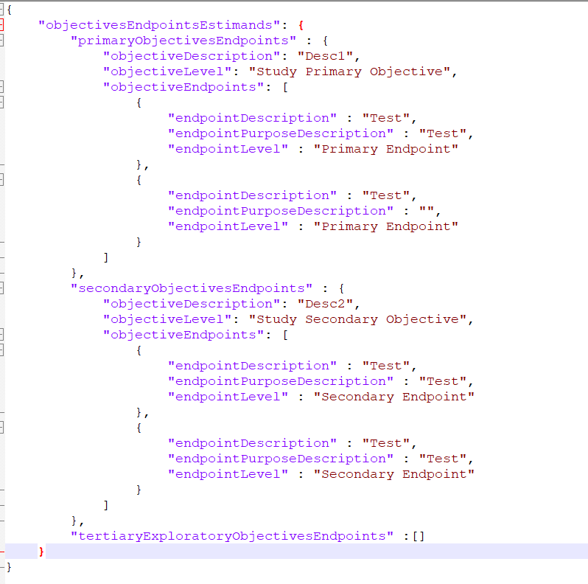
CPT ToC | CPT Section | CPT Variable Display Name | CPT Variable Name (compacted) | CPT Var Type | Mapping Type | USDM Field | USDM Field Type | Logic
Chapter# 01 | Synopsis | Enrollment Target | CPT:EnrollmentTarget | RichText | ManyToOne | populationDesc (studyDesignPopulation) | Text | Retrieve all populationDescription as comma seperated (e.g Desc1, Desc2 and Desc3)
Chapter# 01 | Synopsis | Intervention Model | CPT:InterventionModel | Choice | vs.CodeList<> | interventionModel | Code | Consider CT Decode value and create mapping to match with CPT values. The API response should have CPT choice values.
Chapter# 01 | Synopsis | Number of Arms | CPT:NumberofArms | Text | Proxy | StudyArmId | Text | Count of distinct StudyArmIds for the specific study design.
Chapter# 01 | Synopsis | Number of Participants | CPT:NumberofParticipants | Text | ManyToOne | plannedNumberOfParticipants | Integer | If multiple populations available in studyDesign, add all the numeric values.
Chapter# 01 | Synopsis | Primary Purpose | CPT:PrimaryPurpose | Choice | vs.CodeList<> | trialIntentType | Code[] | Retrieve all Decode values as comma seperated (e.g Type1, Type2 and Type3) - No mapping is required, send the values as is even if not found in master list.
Chapter# 02 | Study Rationale | Study Rationale | CPT:StudyRationale | Rich Text | OneToOne | studyRationale | Text | Retrieve studyRationale value
Chapter# 03 | Objectives and Endpoints | Objectives Endpoints and Estimands | CPT:ObjectivesEndpointsAndEstimands | RichText | OneToMany | objectiveDesc, endpointDesc | Text | See below fields.
Chapter# 03 | Objectives and Endpoints | Primary Endpoints | CPT:EndpointsPrimary | RichText | OneToMany | endpointDesc | endpointPurposeDesc | Text | Take respective ObjectiveEndpoints from primary objective
Chapter# 03 | Objectives and Endpoints | Primary Objectives | CPT:ObjectivesPrimary | RichText | OneToMany | objectiveLevel | Code | Take the objective whch has 'Study Primary Objective' in the objectiveLevel as in screenshot below. Refer CDISC codes mentioned in Data Mapping spreadsheet.
Chapter# 03 | Objectives and Endpoints | Secondary Endpoints | CPT:EndpointsSecondary | RichText | OneToMany | endpointDesc | endpointPurposeDesc | Text | Take respective ObjectiveEndpoints from secondary objective
Chapter# 03 | Objectives and Endpoints | Secondary Objectives | CPT:ObjectivesSecondary | RichText | OneToMany | objectiveLevel | Code | Take the objective whch has 'Study Secondary Objective' in the objectiveLevel as in screenshot below. Refer CDISC codes mentioned in Data Mapping spreadsheet.
Chapter# 04 | Scientific Rationale for Study Design | Scientific Rationale for Study Design | CPT:ScientificRationaleforStudyDesign | RichText | OneToOne | studyDesignRationale | Text | Retrieve studyDesignRationale value
Chapter# 05 | Inclusion Criteria | Planned Maximum Age of Subjects | CPT:PlannedMaximumAgeofSubjects | Text | ManyToOne | plannedMaximumAgeOfParticipants | Text | 1. If all values are integers, then pick Maximum value from the list. 2. If multiple values available, atleast one non-integer value is present, then display blank in the output. 3. If only one value available, irrespective of Integer/Non-Integer, display the value as is in the output.
Chapter# 05 | Inclusion Criteria | Planned Minimum Age of Subjects | CPT:PlannedMinimumAgeofSubjects | Text | ManyToOne | plannedMinimumAgeOfParticipants | Text | 1. If all values are integers, then pick Minimum value from the list. 2. If multiple values available, atleast one non-integer value is present, then display blank in the output. 3. If only one value available, irrespective of Integer/Non-Integer, display the value as is in the output.
Chapter# 05 | Inclusion Criteria | Sex of participants | CPT:Sexofparticipants | Choice | vs.CodeList<> | plannedSexOfParticipants | Code[] | 1. Refer to CDISC code list for Sex and corresponding eCPT mapping values in Data mapping sheet 2. If multiple values available, consider distinct values from the valid codes and display Male/Female/Male or Female in the output 3. If only value is available and not a valid C-DISC code, display decode value as is in the CPT output. 4. If multiple and all of the codes are invalid, then display blank.
Chapter# 06 | Study Interventions Administered | Arm Description | CPT:ArmDescription | RichText | OneToOne ManyToOne | studyArmDesc | Text | studyArmDescription, ArmName and Decode Value of ArmType to be sent as an arrayList in response.
Chapter# 06 | Study Interventions Administered | Arm Name | CPT:ArmName | RichText | OneToOne | studyArmName | Text | studyArmDescription, ArmName and Decode Value of ArmType to be sent as an arrayList in response.
Chapter# 06 | Study Interventions Administered | Arm Type | CPT:ArmType | RichText | OneToOne | studyArmType | Code | studyArmDescription, ArmName and Decode Value of ArmType to be sent as an arrayList in response.
Chapter# 06 | Study Interventions Administered | Intervention Description | CPT:InterventionDescription | RichText | OneToOne | interventionDesc | Code[] | Create model as mentioned in screenshot and just populate interventionDescription for now. There are other fields like intervention name, type, dosage etc.. Which are not available in USDM.
Chapter# 09 | Populations for Analyses | Populations for Analyses | CPT:PopulationsForAnalyses | RichText | ManyToOne | populationDesc (analysisPopulation) | Text | Retrieve all analysisPopulationDescription as comma seperated (e.g Desc1, Desc2 and Desc3)
Outside ToC | Page Header | Version Number | CPT:VersionNumber | Text | OneToMany | protocolVersion | Text, text | protocolVersion sort by EffectiveDate and Version
Outside ToC | Protocol and Brief Title | Condition or Disease | CPT:ConditionDisease | Text | Proxy | indicationDesc | Text | Retrieve all indicationDescriptions as comma seperated (e.g Desc1, Desc2 and Desc3)
Outside ToC | Title Page | Acronym | CPT:Acronym | Text | OneToOne | studyAcronym | Text | Retireve studyAcronym value
Outside ToC | Title Page | Amendment Number | CPT:AmendmentNumber | Text | Proxy | protocolAmendment | Text | protocolAmendment sort by EffectiveDate and Version
Outside ToC | Title Page | Approval Date | CPT:ApprovalDate | Date | Proxy | protocolEffectiveDate | Text | protocolEffectiveDate sort by EffectiveDate and Version (Date format: system will try to parse the date formats which the user have created studies in demo environment as of now.)
Outside ToC | Title Page | Protocol Number | CPT:ProtocolID | Text | OneToOne | studyIdentifier | Text | Retrieve studyIdentifier value where organisationType=Clinical Study Sponsor. If there are multiple value then pick 1st value.
Outside ToC | Title Page | Protocol Short Title | CPT:ProtocolShortTitle | RichText | OneToOne | briefTitle | Text | briefTitle sort by EffectiveDate and Version
Outside ToC | Title Page | Protocol Title | CPT:ProtocolTitle | RichText | OneToMany | studyTitle (else scientificTitle) | Text | studyTitle if available else pick from scientificTitle
Outside ToC | Title Page | Regulatory Agency ID | CPT:RegulatoryAgencyID | Choice | vs.CodeList<> | organisationIdentifierScheme | Code | Retrieve organisationIdentifierScheme where Type = 'Regulatory Agency' (First element to be considered if multiple array elements)
Outside ToC | Title Page | Regulatory Agency Number | CPT:RegulatoryAgencyNumber | Text | OneToMany | studyIdentifier | Text, text | Retrieve studyIdentifier where Type = 'Regulatory Agency' (First element to be considered if multiple array elements)
Outside ToC | Title Page | Sponsor Legal Address | CPT:SponsorLegalAddress | Text | OneToOne | organizationLegalAddress | Text | To be retrieved from Organization class (attribute name of organizationLegalAddress, where Organization Type=Clinical Study Sponsor) and concatenate all Address properties Take First value if there are more than one.
Outside ToC | Title Page | Sponsor Name | CPT:SponsorName | Text | OneToOne | organizationName | Text | To be retrieved from Organization class (attribute name of OrganizationName, where Organization Type=Clinical Study Sponsor)
Outside ToC | Title Page | Study Phase | CPT:StudyPhase | Choice | vs.CodeList<> | studyPhase | aliasCode | Retrive decode Value from standardCode element. Transform into CPT master code value

