Sheet1
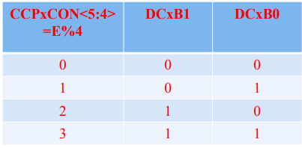
f_pwm (kHz) | T_PWM(s) | Pre | PR2 | D% | PW | 𝑪𝑪𝑷𝑹𝒙𝑳: 𝑪𝑪𝑷𝒙𝑪𝑶𝑵 < 𝟓: 𝟒 > | CCPR2L | CCP2CON<5:4>
2 | 500 | 4 | 124 | 80 | 400 | 400 | 100 | 0

