Balloon
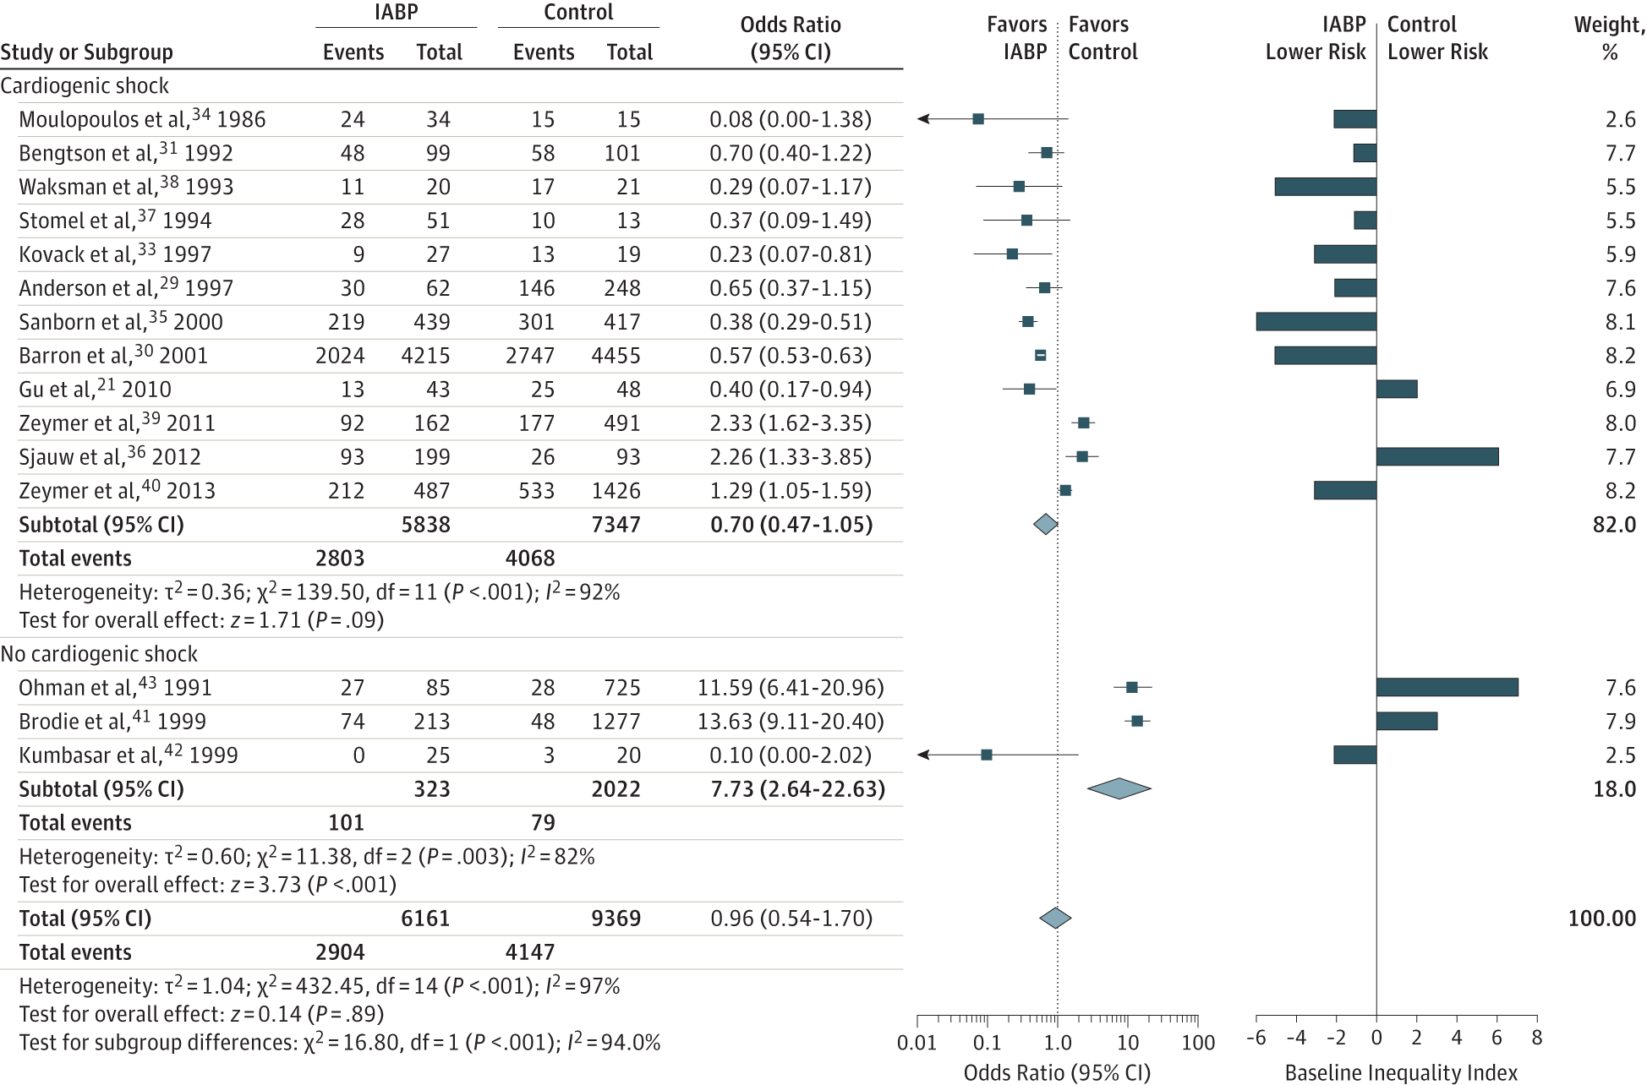

From:
Intra-aortic Balloon Pump Therapy for Acute Myocardial InfarctionA Meta-analysis
Yousif Ahmad, MRCP1; Sayan Sen, PhD1; Matthew J. Shun-Shin, MRCP1; et al
JAMA Intern Med. 2015;175(6):931-939. doi:10.1001/jamainternmed.2015.0569

Hemmorrhage
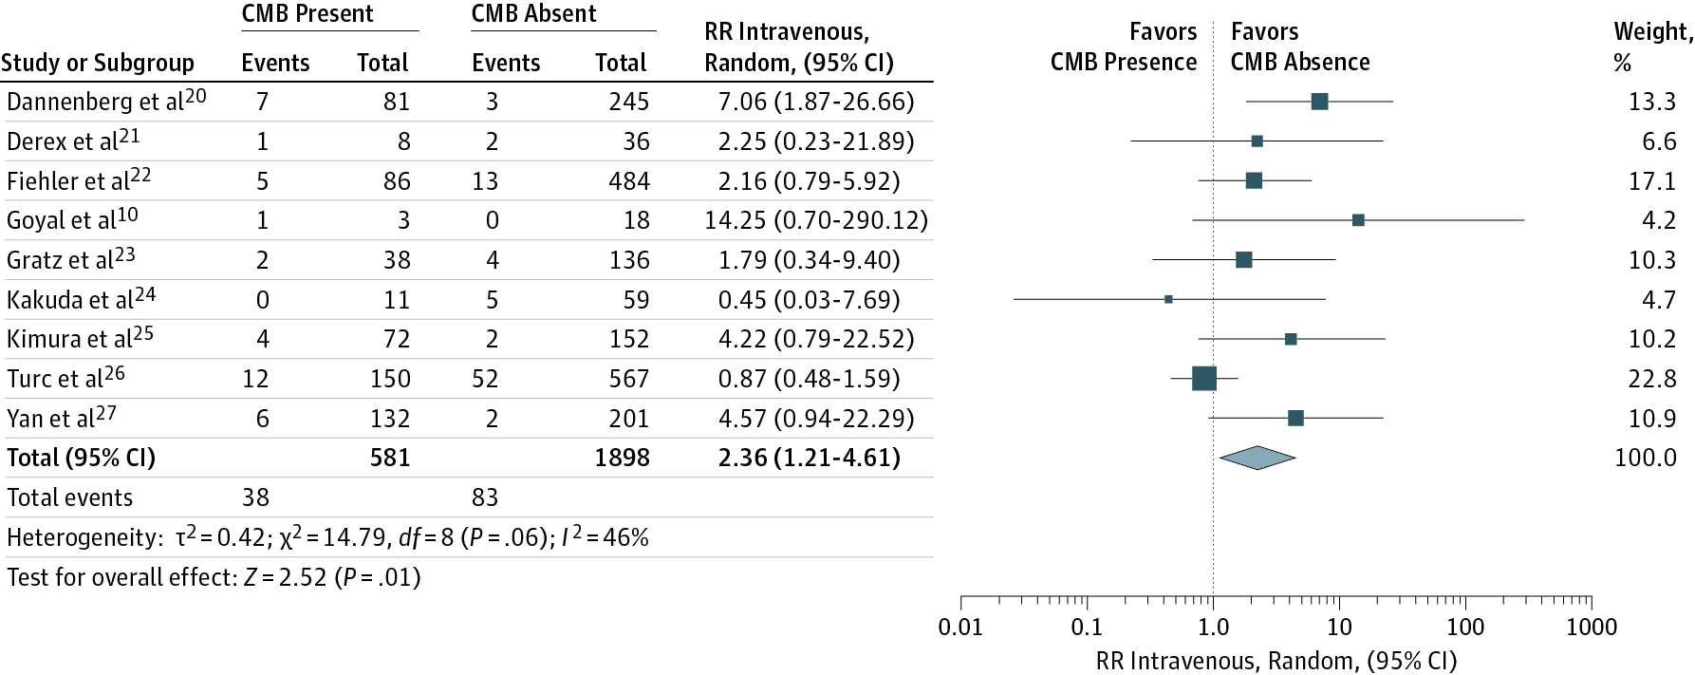

From:
Risk of Symptomatic Intracerebral Hemorrhage After Intravenous Thrombolysis in Patients With Acute Ischemic Stroke and High Cerebral Microbleed BurdenA Meta-analysis
Georgios Tsivgoulis, MD1,2,3; Ramin Zand, MD1; Aristeidis H. Katsanos, MD2,4; et al
JAMA Neurol. 2016;73(6):675-683. doi:10.1001/jamaneurol.2016.0292

