Sheet1
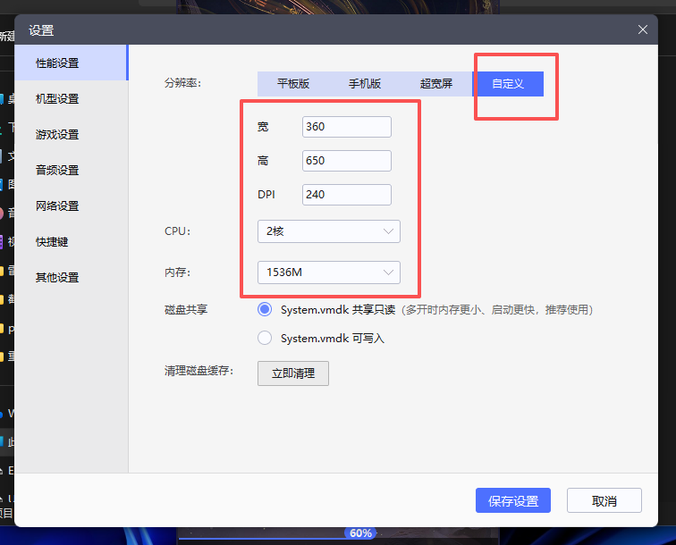
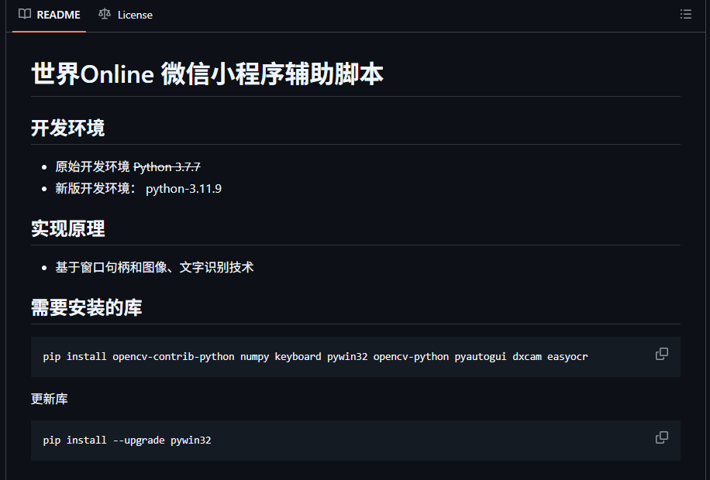

 |  |  | pip install opencv-contrib-python numpy keyboard pywin32 opencv-python pyautogui dxcam easyocr

 |  |  | pip install --upgrade pywin32

雷电窗口 | 356 | 632

