Nonagram puzzle
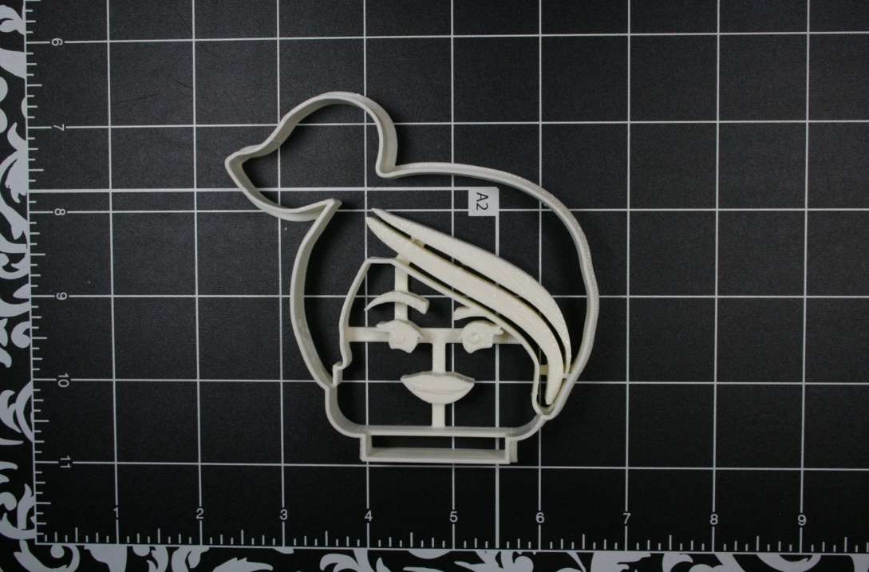
 |  |  |  |  |  |  |  |  |  |  |  |  |  | ANSWER LAST NAME NEXT HOUSEMASTERS
 |  |  |  |  |  |  |  |  |  |  |  |  |  | 30
 |  |  |  |  |  |  |  |  |  |  |  | q

 |  | T | H |  |  | E
 |  |  |  | A |  |  | N
 |  |  |  | S | W
 |  |  |  |  |  | E |  | R
 |  | I | S
 | L |  |  |  |  |  | A |  |  | S
T |  | N |  | A | M |  |  | E
O
 |  | F |  | N |  | E |  |  | X |  | `
T |  | H |  |  |  |  | O |  |  | U
 | S |  | E |  |  | M |  | A
S |  |  |  |  |  | T | E
 |  |  |  |  |  |  |  |  |  |  |  |  | IDK MAYBE HAVE SOME SPACES NOT HAVE LETTERS?
 |  |  |  | R |  |  | S

