CALENDAR YEAR 2023
CALENDAR YEAR 2023
EVENT DATE by CALENDAR WEEK | COUNTY |  |  |  |  |  |  |  |  |  |  |  |  |  |  |  |  | Maricopa |  | Pima | Pinal | AZ
 | APACHE | COCHISE | COCONINO | GILA | GRAHAM | GREENLEE | LA PAZ | MARICOPA | MOHAVE | NAVAJO | PIMA | PINAL | SANTA CRUZ | YAVAPAI | YUMA | Total
1 | 0 | 1 | 2 | 1 | 0 | 0 | 0 | 98 | 1 | 1 | 30 | 13 | 0 | 0 | 2 | 149
2 | 0 | 0 | 1 | 2 | 1 | 0 | 0 | 111 | 3 | 3 | 18 | 15 | 1 | 0 | 0 | 155 |  |  | 3652
3 | 1 | 1 | 3 | 1 | 1 | 0 | 1 | 115 | 0 | 2 | 23 | 12 | 1 | 2 | 2 | 165 | JAN. | 501.42857143 | 3683 | 103.42857143 | 56.571428571 | 704.42857143
4 | 2 | 0 | 2 | 0 | 0 | 0 | 0 | 129 | 1 | 0 | 20 | 14 | 0 | 1 | 0 | 169 | FEB. | 433.28571429 | 3711 | 87.571428571 | 49 | 615.28571429
5 | 0 | 2 | 1 | 1 | 0 | 0 | 1 | 113 | 1 | 0 | 29 | 6 | 0 | 0 | 1 | 155 | MAR. | 548.85714286 | 3742 | 89 | 62.571428571 | 773.57142857
6 | 1 | 1 | 0 | 0 | 0 | 0 | 1 | 117 | 1 | 3 | 21 | 16 | 1 | 3 | 0 | 165 | APR. | 511.42857143 | 3772 | 87.285714286 | 49.714285714 | 702.42857143
7 | 1 | 1 | 3 | 0 | 0 | 0 | 0 | 89 | 4 | 2 | 23 | 7 | 2 | 1 | 1 | 134 | MAY | 542 | 3803 | 100.57142857 | 57.571428571 | 750.71428571
8 | 0 | 0 | 1 | 1 | 1 | 0 | 0 | 116 | 1 | 2 | 21 | 14 | 0 | 2 | 1 | 160 | JUN. | 491.14285714 | 3833 | 104 | 59.571428571 | 706
9 | 2 | 1 | 1 | 2 | 2 | 0 | 1 | 109 | 2 | 1 | 14 | 20 | 1 | 1 | 1 | 158 | JULY | 609.71428571 | 3864 | 109.42857143 | 100.57142857 | 869.28571429
10 | 2 | 1 | 3 | 3 | 0 | 0 | 1 | 135 | 3 | 0 | 19 | 15 | 2 | 3 | 1 | 188 | AUG. | 704 | 3895 | 115.28571429 | 93.857142857 | 974.42857143
11 | 2 | 2 | 2 | 2 | 1 | 2 | 1 | 128 | 0 | 0 | 26 | 21 | 1 | 8 | 0 | 196 | SEP. | 689.14285714 | 3925 | 93.428571429 | 77.571428571 | 929.85714286
12 | 0 | 1 | 2 | 2 | 1 | 0 | 1 | 113 | 3 | 0 | 18 | 10 | 0 | 3 | 3 | 157 | OCT. | 842.42857143 | 3956 | 113.42857143 | 106.42857143 | 1126
13 | 1 | 1 | 0 | 0 | 0 | 1 | 0 | 129 | 5 | 0 | 21 | 6 | 0 | 1 | 1 | 166 | NOV. | 989.14285714 | 3986 | 132 | 131.42857143 | 1335
14 | 0 | 4 | 0 | 0 | 0 | 0 | 1 | 117 | 2 | 0 | 13 | 10 | 0 | 2 | 0 | 149 | DEC. | 1072.4285714 | 4017 | 134.57142857 | 141.14285714 | 1417
15 | 1 | 2 | 1 | 0 | 0 | 0 | 0 | 121 | 2 | 0 | 19 | 10 | 1 | 0 | 2 | 159 | toal | 7935 |  | 1270 | 986 | 10904
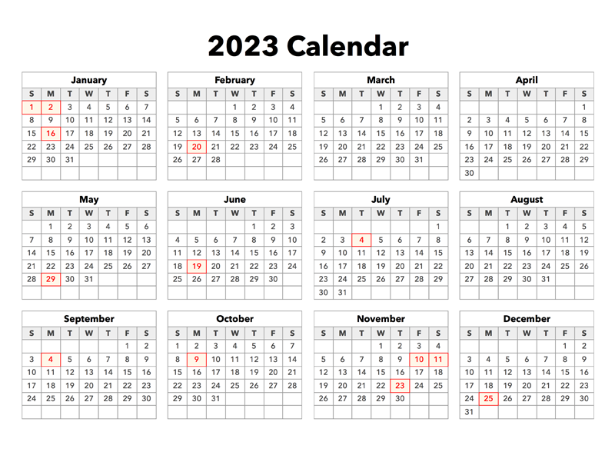
16 | 2 | 1 | 1 | 1 | 0 | 0 | 0 | 116 | 2 | 1 | 28 | 10 | 1 | 3 | 2 | 168
17 | 1 | 3 | 1 | 1 | 0 | 0 | 0 | 121 | 5 | 2 | 21 | 17 | 1 | 2 | 2 | 177
18 | 0 | 1 | 3 | 0 | 0 | 0 | 0 | 126 | 3 | 2 | 23 | 13 | 0 | 7 | 2 | 180
19 | 1 | 0 | 1 | 1 | 0 | 0 | 0 | 121 | 1 | 1 | 13 | 13 | 0 | 3 | 1 | 156
20 | 1 | 1 | 1 | 1 | 0 | 0 | 0 | 133 | 2 | 2 | 24 | 10 | 1 | 3 | 0 | 179
21 | 1 | 0 | 2 | 5 | 0 | 1 | 0 | 116 | 0 | 0 | 29 | 20 | 0 | 0 | 0 | 174
22 | 1 | 2 | 1 | 1 | 0 | 0 | 0 | 112 | 0 | 1 | 26 | 6 | 0 | 3 | 0 | 153
23 | 1 | 2 | 2 | 1 | 1 | 0 | 1 | 118 | 3 | 0 | 30 | 19 | 0 | 3 | 0 | 181
24 | 0 | 1 | 1 | 2 | 1 | 1 | 0 | 111 | 2 | 2 | 20 | 8 | 0 | 1 | 2 | 152
25 | 0 | 0 | 1 | 1 | 1 | 0 | 0 | 101 | 1 | 3 | 24 | 18 | 0 | 3 | 1 | 154
26 | 0 | 4 | 2 | 2 | 0 | 0 | 0 | 132 | 0 | 2 | 22 | 14 | 0 | 0 | 1 | 179
27 | 0 | 0 | 1 | 1 | 0 | 0 | 0 | 108 | 2 | 1 | 21 | 20 | 0 | 1 | 1 | 156
28 | 2 | 1 | 2 | 1 | 0 | 0 | 0 | 120 | 2 | 2 | 31 | 18 | 0 | 2 | 1 | 182
29 | 0 | 3 | 0 | 0 | 0 | 0 | 0 | 177 | 3 | 1 | 32 | 24 | 2 | 6 | 0 | 248
30 | 0 | 0 | 0 | 1 | 0 | 0 | 1 | 143 | 3 | 0 | 16 | 30 | 1 | 0 | 3 | 198
31 | 0 | 1 | 0 | 1 | 1 | 1 | 0 | 150 | 2 | 2 | 22 | 23 | 0 | 5 | 1 | 209
32 | 3 | 3 | 1 | 0 | 0 | 0 | 0 | 136 | 4 | 0 | 24 | 19 | 0 | 1 | 1 | 192
33 | 3 | 0 | 2 | 1 | 0 | 0 | 1 | 158 | 3 | 2 | 37 | 15 | 1 | 1 | 2 | 226
34 | 0 | 1 | 1 | 0 | 1 | 0 | 0 | 180 | 3 | 0 | 20 | 22 | 0 | 4 | 3 | 235
35 | 0 | 1 | 1 | 1 | 0 | 0 | 1 | 172 | 2 | 4 | 26 | 30 | 0 | 3 | 0 | 241
36 | 2 | 0 | 1 | 1 | 0 | 0 | 0 | 147 | 5 | 0 | 21 | 15 | 2 | 1 | 0 | 195
37 | 3 | 1 | 3 | 0 | 0 | 0 | 1 | 149 | 6 | 0 | 21 | 24 | 0 | 3 | 1 | 212
38 | 1 | 0 | 1 | 2 | 0 | 0 | 0 | 179 | 6 | 3 | 18 | 17 | 0 | 3 | 2 | 232
39 | 0 | 2 | 2 | 0 | 1 | 0 | 1 | 165 | 5 | 2 | 26 | 13 | 0 | 4 | 1 | 222
40 | 1 | 0 | 0 | 1 | 1 | 1 | 0 | 175 | 1 | 4 | 18 | 14 | 0 | 2 | 1 | 219
41 | 2 | 1 | 2 | 1 | 0 | 0 | 1 | 179 | 4 | 0 | 28 | 22 | 0 | 6 | 2 | 248
42 | 0 | 1 | 1 | 2 | 0 | 0 | 1 | 216 | 2 | 2 | 19 | 33 | 0 | 2 | 0 | 279
43 | 0 | 1 | 4 | 2 | 2 | 0 | 0 | 194 | 1 | 1 | 36 | 25 | 0 | 2 | 1 | 269
44 | 0 | 2 | 0 | 2 | 0 | 0 | 1 | 183 | 6 | 3 | 29 | 29 | 0 | 2 | 2 | 259
45 | 1 | 0 | 1 | 2 | 1 | 0 | 0 | 211 | 3 | 4 | 29 | 26 | 0 | 5 | 1 | 284
46 | 1 | 1 | 5 | 0 | 2 | 0 | 2 | 265 | 3 | 2 | 29 | 27 | 1 | 7 | 0 | 345
47 | 1 | 1 | 1 | 2 | 0 | 0 | 0 | 200 | 1 | 3 | 36 | 29 | 0 | 3 | 1 | 278
48 | 2 | 2 | 4 | 1 | 1 | 0 | 2 | 292 | 2 | 0 | 30 | 46 | 2 | 4 | 4 | 392
49 | 0 | 2 | 0 | 2 | 0 | 0 | 0 | 302 | 4 | 0 | 41 | 30 | 1 | 5 | 2 | 389
50 | 1 | 1 | 4 | 1 | 0 | 0 | 1 | 285 | 1 | 3 | 37 | 35 | 0 | 1 | 1 | 371
51 | 1 | 2 | 3 | 1 | 1 | 0 | 1 | 266 | 5 | 2 | 36 | 42 | 1 | 6 | 0 | 367
52 | 1 | 1 | 3 | 0 | 0 | 0 | 0 | 136 | 1 | 1 | 12 | 21 | 0 | 1 | 1 | 178
Total | 46 | 61 | 81 | 57 | 21 | 7 | 23 | 7935 | 128 | 72 | 1270 | 986 | 24 | 135 | 58 | 10904

CALENDAR YEAR 2022
CALENDAR YEAR 2022
EVENT DATE by CALENDAR WEEK | COUNTY |  |  |  |  |  |  |  |  |  |  |  |  |  |  |  |  | Maricopa |  | Pima | Pinal | AZ
 | APACHE | COCHISE | COCONINO | GILA | GRAHAM | GREENLEE | LA PAZ | MARICOPA | MOHAVE | NAVAJO | PIMA | PINAL | SANTA CRUZ | YAVAPAI | YUMA | Total
0 | 0 | 0 | 0 | 0 | 0 | 0 | 0 | 5 | 0 | 0 | 1 | 1 | 0 | 0 | 1 | 8
1 | 0 | 0 | 0 | 0 | 1 | 0 | 2 | 187 | 3 | 4 | 32 | 25 | 0 | 0 | 1 | 255 |  |  | 3287
2 | 1 | 4 | 0 | 2 | 2 | 0 | 2 | 194 | 2 | 0 | 27 | 27 | 1 | 1 | 3 | 266 | JAN. | 708.85714286 | 3318 | 95.428571429 | 99.857142857 | 952.85714286
3 | 0 | 1 | 0 | 1 | 0 | 0 | 1 | 158 | 2 | 0 | 11 | 19 | 0 | 3 | 0 | 196 | FEB. | 514.28571429 | 3346 | 57.142857143 | 66.428571429 | 673.57142857
4 | 0 | 0 | 1 | 0 | 0 | 0 | 0 | 128 | 2 | 1 | 19 | 23 | 0 | 2 | 3 | 179 | MAR. | 501.71428571 | 3377 | 83.857142857 | 74 | 704.57142857
5 | 0 | 1 | 0 | 1 | 0 | 0 | 2 | 129 | 0 | 0 | 19 | 17 | 0 | 1 | 1 | 171 | APR. | 593.14285714 | 3407 | 83.571428571 | 69.714285714 | 787
6 | 1 | 2 | 0 | 0 | 1 | 0 | 0 | 130 | 1 | 0 | 9 | 17 | 0 | 1 | 0 | 162 | MAY | 692.57142857 | 3438 | 112.28571429 | 79.285714286 | 948.14285714
7 | 0 | 1 | 2 | 1 | 1 | 0 | 0 | 137 | 2 | 1 | 11 | 16 | 1 | 2 | 0 | 175 | JUN. | 669.71428571 | 3468 | 113.85714286 | 73.857142857 | 911.28571429
8 | 0 | 2 | 1 | 0 | 0 | 0 | 2 | 120 | 3 | 0 | 17 | 15 | 0 | 0 | 1 | 161 | JULY | 773.71428571 | 3499 | 139.71428571 | 95.285714286 | 1072.5714286
9 | 2 | 0 | 1 | 2 | 3 | 1 | 1 | 123 | 5 | 0 | 23 | 22 | 0 | 2 | 2 | 187 | AUG. | 525.57142857 | 3530 | 100.57142857 | 49.285714286 | 715.71428571
10 | 0 | 0 | 0 | 4 | 2 | 0 | 1 | 104 | 1 | 0 | 17 | 18 | 1 | 0 | 0 | 148 | SEP. | 442.71428571 | 3560 | 81.714285714 | 50.857142857 | 625.85714286
11 | 0 | 1 | 1 | 0 | 0 | 0 | 0 | 108 | 2 | 2 | 21 | 14 | 1 | 2 | 1 | 153 | OCT. | 430.42857143 | 3591 | 89.142857143 | 50.714285714 | 617.14285714
12 | 1 | 0 | 1 | 0 | 0 | 0 | 1 | 104 | 2 | 0 | 18 | 12 | 0 | 1 | 0 | 140 | NOV. | 514.14285714 | 3621 | 79 | 61.142857143 | 691.28571429
13 | 0 | 1 | 1 | 0 | 0 | 0 | 0 | 137 | 1 | 0 | 16 | 20 | 0 | 4 | 2 | 182 | DEC. | 558.14285714 | 3652 | 93.714285714 | 70.571428571 | 759
14 | 1 | 0 | 1 | 1 | 0 | 0 | 1 | 131 | 1 | 0 | 13 | 19 | 1 | 0 | 2 | 171 | toal | 6925 |  | 1130 | 841 | 9459
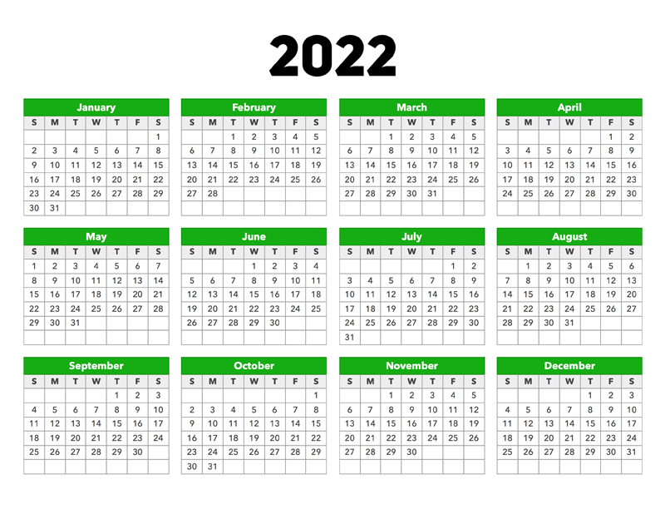
15 | 0 | 2 | 1 | 2 | 0 | 0 | 0 | 132 | 5 | 0 | 21 | 13 | 0 | 1 | 1 | 178
16 | 0 | 0 | 0 | 0 | 0 | 0 | 0 | 144 | 6 | 1 | 21 | 9 | 0 | 1 | 1 | 183
17 | 2 | 2 | 0 | 0 | 1 | 0 | 0 | 147 | 2 | 0 | 24 | 23 | 0 | 1 | 1 | 203
18 | 2 | 3 | 1 | 0 | 0 | 0 | 0 | 165 | 8 | 1 | 27 | 16 | 1 | 2 | 1 | 227
19 | 2 | 4 | 1 | 2 | 1 | 1 | 0 | 150 | 0 | 4 | 24 | 20 | 0 | 2 | 0 | 211
20 | 0 | 1 | 0 | 0 | 0 | 0 | 0 | 177 | 4 | 0 | 34 | 16 | 2 | 3 | 0 | 237
21 | 0 | 1 | 2 | 0 | 0 | 0 | 1 | 144 | 5 | 1 | 17 | 20 | 0 | 1 | 1 | 193
22 | 0 | 1 | 1 | 2 | 0 | 0 | 1 | 132 | 4 | 1 | 24 | 17 | 0 | 3 | 1 | 187
23 | 1 | 1 | 0 | 1 | 0 | 0 | 0 | 158 | 3 | 2 | 26 | 19 | 2 | 2 | 2 | 217
24 | 0 | 1 | 0 | 1 | 0 | 0 | 1 | 163 | 4 | 0 | 25 | 20 | 1 | 2 | 1 | 219
25 | 0 | 2 | 1 | 1 | 1 | 0 | 0 | 154 | 1 | 0 | 32 | 13 | 0 | 2 | 0 | 207
26 | 0 | 1 | 2 | 1 | 0 | 0 | 1 | 167 | 4 | 0 | 24 | 17 | 1 | 6 | 2 | 226
27 | 3 | 2 | 3 | 0 | 0 | 0 | 0 | 194 | 1 | 1 | 42 | 23 | 0 | 4 | 0 | 273
28 | 1 | 2 | 2 | 2 | 1 | 0 | 2 | 234 | 5 | 0 | 41 | 24 | 0 | 3 | 1 | 318
29 | 1 | 1 | 1 | 1 | 1 | 0 | 1 | 141 | 1 | 1 | 22 | 20 | 1 | 4 | 3 | 199
30 | 0 | 0 | 0 | 0 | 1 | 0 | 0 | 141 | 2 | 1 | 25 | 22 | 0 | 1 | 4 | 197
31 | 0 | 0 | 0 | 0 | 0 | 0 | 1 | 112 | 2 | 1 | 20 | 10 | 1 | 0 | 0 | 147
32 | 1 | 2 | 0 | 0 | 0 | 0 | 0 | 132 | 2 | 1 | 21 | 7 | 0 | 3 | 1 | 170
33 | 0 | 1 | 0 | 1 | 2 | 0 | 1 | 125 | 2 | 0 | 28 | 17 | 0 | 3 | 1 | 181
34 | 0 | 1 | 0 | 1 | 4 | 0 | 1 | 108 | 0 | 0 | 23 | 11 | 1 | 2 | 1 | 153
35 | 0 | 1 | 0 | 1 | 0 | 0 | 0 | 113 | 2 | 0 | 20 | 10 | 0 | 2 | 1 | 150
36 | 0 | 1 | 0 | 1 | 2 | 0 | 1 | 90 | 6 | 1 | 23 | 17 | 0 | 1 | 1 | 144
37 | 2 | 2 | 1 | 1 | 0 | 0 | 0 | 108 | 1 | 0 | 16 | 12 | 0 | 0 | 1 | 144
38 | 1 | 1 | 0 | 3 | 2 | 0 | 1 | 102 | 3 | 4 | 17 | 9 | 1 | 0 | 1 | 145
39 | 1 | 3 | 1 | 0 | 0 | 1 | 0 | 110 | 1 | 1 | 20 | 10 | 0 | 2 | 0 | 150
40 | 1 | 3 | 1 | 0 | 0 | 0 | 0 | 76 | 0 | 2 | 18 | 10 | 0 | 1 | 1 | 113
41 | 1 | 1 | 2 | 1 | 2 | 0 | 0 | 94 | 1 | 0 | 26 | 13 | 0 | 2 | 0 | 143
42 | 1 | 1 | 2 | 2 | 1 | 0 | 0 | 90 | 0 | 1 | 20 | 12 | 1 | 3 | 3 | 137
43 | 0 | 2 | 0 | 1 | 0 | 0 | 0 | 119 | 6 | 0 | 18 | 12 | 0 | 0 | 1 | 159
44 | 0 | 0 | 1 | 1 | 0 | 0 | 0 | 125 | 1 | 1 | 15 | 8 | 0 | 0 | 1 | 153
45 | 0 | 2 | 0 | 1 | 0 | 0 | 0 | 96 | 2 | 0 | 19 | 10 | 0 | 3 | 0 | 133
46 | 0 | 3 | 3 | 1 | 1 | 0 | 0 | 147 | 0 | 0 | 18 | 22 | 0 | 3 | 0 | 198
47 | 0 | 2 | 1 | 0 | 0 | 0 | 0 | 103 | 1 | 0 | 17 | 16 | 0 | 2 | 1 | 143
48 | 2 | 0 | 1 | 1 | 0 | 0 | 0 | 138 | 4 | 0 | 25 | 13 | 2 | 2 | 1 | 189
49 | 1 | 0 | 0 | 1 | 0 | 0 | 1 | 144 | 2 | 3 | 23 | 12 | 0 | 2 | 0 | 189
50 | 1 | 1 | 1 | 0 | 0 | 0 | 0 | 142 | 3 | 0 | 22 | 17 | 0 | 1 | 2 | 190
51 | 0 | 1 | 0 | 0 | 0 | 0 | 1 | 123 | 3 | 0 | 20 | 22 | 0 | 1 | 0 | 171
52 | 0 | 0 | 1 | 2 | 0 | 0 | 0 | 90 | 1 | 0 | 18 | 14 | 0 | 2 | 0 | 128
Total | 30 | 65 | 39 | 44 | 30 | 3 | 27 | 6925 | 125 | 36 | 1130 | 841 | 19 | 92 | 53 | 9459

CALENDAR YEAR 2021
CALENDAR YEAR 2021
EVENT DATE by CALENDAR WEEK | COUNTY |  |  |  |  |  |  |  |  |  |  |  |  |  |  |  |  | Maricopa |  | Pima | Pinal | AZ
 | APACHE | COCHISE | COCONINO | GILA | GRAHAM | GREENLEE | LA PAZ | MARICOPA | MOHAVE | NAVAJO | PIMA | PINAL | SANTA CRUZ | YAVAPAI | YUMA | Total
0 | 0 | 0 | 1 | 2 | 1 | 0 | 0 | 22 | 0 | 2 | 4 | 5 | 0 | 0 | 0 | 37
1 | 0 | 2 | 2 | 1 | 0 | 0 | 0 | 234 | 1 | 2 | 30 | 24 | 3 | 2 | 0 | 301 |  |  | 2922
2 | 0 | 1 | 3 | 1 | 0 | 0 | 4 | 251 | 1 | 2 | 37 | 35 | 0 | 1 | 0 | 336 | JAN. | 994.28571429 | 2953 | 138.57142857 | 117.14285714 | 1323.2857143
3 | 3 | 1 | 1 | 0 | 0 | 0 | 1 | 251 | 6 | 2 | 27 | 32 | 0 | 3 | 3 | 330 | FEB. | 804.71428571 | 2981 | 138.28571429 | 99 | 1113.4285714
4 | 2 | 3 | 0 | 3 | 0 | 0 | 2 | 206 | 4 | 2 | 35 | 17 | 1 | 2 | 0 | 277 | MAR. | 829.42857143 | 3012 | 140.71428571 | 105.85714286 | 1147.2857143
5 | 0 | 2 | 1 | 2 | 2 | 0 | 0 | 212 | 2 | 3 | 39 | 29 | 0 | 3 | 1 | 296 | APR. | 637.57142857 | 3042 | 88.142857143 | 76.571428571 | 863.14285714
6 | 2 | 1 | 1 | 2 | 0 | 0 | 4 | 199 | 2 | 4 | 35 | 23 | 1 | 3 | 1 | 278 | MAY | 620.85714286 | 3073 | 110 | 62.571428571 | 854.42857143
7 | 0 | 1 | 0 | 2 | 0 | 0 | 1 | 185 | 7 | 3 | 32 | 19 | 1 | 2 | 0 | 253 | JUN. | 605.71428571 | 3103 | 104.57142857 | 58.142857143 | 809
8 | 2 | 1 | 3 | 3 | 0 | 1 | 0 | 209 | 2 | 0 | 33 | 29 | 2 | 1 | 2 | 288 | JULY | 571.42857143 | 3134 | 117.71428571 | 73.714285714 | 814.42857143
9 | 1 | 4 | 3 | 1 | 0 | 0 | 0 | 210 | 6 | 0 | 34 | 22 | 1 | 2 | 1 | 285 | AUG. | 613.85714286 | 3165 | 84.285714286 | 62.428571429 | 810.71428571
10 | 0 | 2 | 1 | 3 | 2 | 1 | 1 | 202 | 3 | 2 | 31 | 23 | 0 | 2 | 3 | 276 | SEP. | 529.42857143 | 3195 | 80.142857143 | 61.285714286 | 736.71428571
11 | 0 | 0 | 0 | 0 | 0 | 0 | 1 | 175 | 3 | 0 | 35 | 24 | 0 | 3 | 2 | 243 | OCT. | 646.14285714 | 3226 | 92.142857143 | 65.857142857 | 842
12 | 1 | 1 | 3 | 1 | 0 | 0 | 0 | 185 | 3 | 2 | 33 | 28 | 1 | 2 | 0 | 260 | NOV. | 773.28571429 | 3256 | 98.857142857 | 78.571428571 | 1009.8571429
13 | 0 | 1 | 1 | 1 | 0 | 0 | 0 | 153 | 4 | 2 | 22 | 21 | 2 | 8 | 2 | 217 | DEC. | 919.28571429 | 3287 | 123.57142857 | 133.85714286 | 1223.7142857
14 | 0 | 3 | 2 | 1 | 1 | 0 | 2 | 165 | 5 | 0 | 24 | 27 | 0 | 6 | 1 | 237 | toal | 8546 |  | 1317 | 995 | 11548
15 | 0 | 2 | 0 | 1 | 0 | 0 | 0 | 118 | 1 | 0 | 21 | 14 | 2 | 3 | 1 | 163
16 | 0 | 0 | 0 | 0 | 1 | 0 | 0 | 169 | 3 | 4 | 20 | 12 | 0 | 3 | 3 | 215

17 | 1 | 0 | 1 | 0 | 1 | 0 | 0 | 140 | 1 | 1 | 16 | 17 | 0 | 2 | 1 | 181
18 | 1 | 3 | 1 | 1 | 0 | 0 | 0 | 133 | 1 | 0 | 25 | 19 | 0 | 5 | 2 | 191
19 | 0 | 2 | 1 | 0 | 0 | 0 | 0 | 150 | 6 | 0 | 28 | 17 | 1 | 2 | 2 | 209
20 | 0 | 3 | 1 | 0 | 1 | 0 | 1 | 151 | 2 | 2 | 29 | 8 | 3 | 3 | 1 | 205
21 | 0 | 1 | 1 | 2 | 1 | 0 | 1 | 130 | 1 | 2 | 20 | 13 | 1 | 0 | 2 | 175
22 | 0 | 0 | 0 | 1 | 0 | 0 | 0 | 129 | 1 | 2 | 20 | 11 | 0 | 5 | 1 | 170
23 | 1 | 2 | 0 | 0 | 0 | 0 | 0 | 147 | 3 | 0 | 23 | 16 | 0 | 2 | 0 | 194
24 | 0 | 0 | 2 | 0 | 1 | 0 | 0 | 162 | 3 | 0 | 27 | 10 | 0 | 2 | 0 | 207
25 | 0 | 2 | 0 | 3 | 0 | 0 | 0 | 124 | 3 | 0 | 26 | 14 | 0 | 1 | 1 | 174
26 | 2 | 2 | 1 | 0 | 0 | 0 | 0 | 141 | 3 | 1 | 25 | 18 | 1 | 1 | 2 | 197
27 | 0 | 0 | 1 | 0 | 0 | 0 | 0 | 117 | 3 | 2 | 23 | 22 | 0 | 3 | 1 | 172
28 | 0 | 0 | 2 | 0 | 0 | 0 | 0 | 147 | 3 | 1 | 28 | 17 | 0 | 2 | 2 | 202
29 | 2 | 2 | 2 | 0 | 0 | 0 | 0 | 136 | 5 | 3 | 27 | 17 | 0 | 2 | 2 | 198
30 | 0 | 0 | 2 | 0 | 0 | 0 | 0 | 111 | 2 | 2 | 29 | 10 | 1 | 1 | 0 | 158
31 | 1 | 1 | 0 | 0 | 0 | 0 | 1 | 146 | 3 | 1 | 23 | 11 | 0 | 2 | 4 | 193
32 | 1 | 1 | 1 | 3 | 0 | 0 | 1 | 135 | 3 | 1 | 18 | 17 | 0 | 2 | 1 | 184
33 | 0 | 0 | 0 | 0 | 0 | 0 | 0 | 151 | 2 | 1 | 18 | 15 | 0 | 2 | 2 | 191
34 | 0 | 3 | 2 | 0 | 0 | 0 | 0 | 127 | 4 | 1 | 18 | 13 | 0 | 1 | 0 | 169
35 | 0 | 2 | 0 | 1 | 1 | 0 | 0 | 128 | 1 | 3 | 17 | 15 | 0 | 3 | 1 | 172
36 | 1 | 0 | 0 | 1 | 0 | 0 | 2 | 113 | 3 | 1 | 16 | 9 | 0 | 4 | 1 | 151
37 | 1 | 1 | 1 | 3 | 1 | 0 | 2 | 110 | 3 | 2 | 19 | 13 | 0 | 2 | 2 | 160
38 | 0 | 1 | 0 | 3 | 0 | 0 | 2 | 134 | 4 | 1 | 19 | 20 | 0 | 5 | 2 | 191
39 | 0 | 2 | 1 | 1 | 1 | 0 | 0 | 139 | 2 | 3 | 23 | 15 | 0 | 3 | 1 | 191
40 | 2 | 2 | 1 | 0 | 0 | 0 | 0 | 145 | 1 | 1 | 23 | 8 | 0 | 1 | 1 | 185
41 | 0 | 1 | 1 | 0 | 0 | 0 | 0 | 142 | 3 | 0 | 20 | 13 | 0 | 0 | 0 | 180
42 | 0 | 1 | 1 | 0 | 0 | 0 | 1 | 137 | 5 | 2 | 16 | 18 | 0 | 1 | 0 | 182
43 | 0 | 0 | 0 | 1 | 0 | 0 | 0 | 160 | 3 | 0 | 24 | 20 | 0 | 2 | 0 | 210
44 | 1 | 1 | 2 | 5 | 0 | 0 | 0 | 157 | 7 | 2 | 18 | 18 | 0 | 1 | 1 | 213
45 | 0 | 2 | 0 | 1 | 0 | 0 | 1 | 176 | 1 | 0 | 24 | 17 | 1 | 7 | 1 | 231
46 | 0 | 1 | 1 | 0 | 1 | 0 | 1 | 216 | 2 | 2 | 19 | 19 | 1 | 2 | 0 | 265
47 | 0 | 0 | 0 | 1 | 1 | 0 | 2 | 146 | 0 | 1 | 25 | 13 | 0 | 3 | 0 | 192
48 | 0 | 1 | 3 | 3 | 2 | 0 | 0 | 235 | 8 | 0 | 36 | 33 | 0 | 3 | 1 | 325
49 | 1 | 2 | 0 | 2 | 1 | 0 | 0 | 232 | 1 | 1 | 37 | 37 | 0 | 0 | 2 | 316
50 | 0 | 2 | 0 | 1 | 0 | 0 | 2 | 232 | 2 | 2 | 29 | 30 | 0 | 5 | 0 | 305
51 | 1 | 0 | 1 | 0 | 0 | 0 | 0 | 158 | 2 | 0 | 23 | 25 | 1 | 1 | 0 | 212
52 | 0 | 0 | 1 | 0 | 0 | 0 | 2 | 163 | 0 | 1 | 14 | 23 | 1 | 0 | 0 | 205
Total | 27 | 66 | 53 | 57 | 19 | 2 | 35 | 8546 | 150 | 72 | 1317 | 995 | 25 | 127 | 57 | 11548

CALENDAR YEAR 2020
CALENDAR YEAR 2020
EVENT DATE by CALENDAR WEEK | COUNTY |  |  |  |  |  |  |  |  |  |  |  |  |  |  |  |  | Maricopa |  | Pima | Pinal | AZ
 | APACHE | COCHISE | COCONINO | GILA | GRAHAM | GREENLEE | LA PAZ | MARICOPA | MOHAVE | NAVAJO | PIMA | PINAL | SANTA CRUZ | YAVAPAI | YUMA | Total
0 | 0 | 0 | 2 | 0 | 0 | 0 | 0 | 70 | 0 | 0 | 9 | 16 | 0 | 2 | 0 | 99
1 | 0 | 3 | 1 | 0 | 0 | 0 | 0 | 174 | 4 | 1 | 22 | 13 | 1 | 1 | 3 | 223 |  |  | 2556
2 | 1 | 1 | 1 | 0 | 0 | 0 | 0 | 174 | 3 | 1 | 28 | 18 | 1 | 5 | 2 | 235 | JAN. | 677 | 2587 | 101 | 83.285714286 | 930
3 | 2 | 4 | 1 | 0 | 1 | 0 | 1 | 139 | 10 | 2 | 24 | 20 | 2 | 5 | 0 | 211 | FEB. | 597 | 2616 | 110 | 71.714285714 | 830
4 | 0 | 0 | 1 | 0 | 0 | 0 | 0 | 140 | 4 | 2 | 21 | 19 | 0 | 1 | 1 | 189 | MAR. | 463.42857143 | 2647 | 92.571428571 | 36.285714286 | 635.28571429
5 | 0 | 1 | 1 | 1 | 1 | 0 | 0 | 158 | 4 | 2 | 24 | 19 | 1 | 0 | 0 | 212 | APR. | 305.57142857 | 2677 | 82.571428571 | 45.857142857 | 475.71428571
6 | 0 | 1 | 0 | 1 | 1 | 0 | 1 | 136 | 1 | 1 | 23 | 21 | 1 | 0 | 3 | 190 | MAY | 415.42857143 | 2708 | 102.85714286 | 71.428571429 | 630.57142857
7 | 0 | 0 | 0 | 0 | 0 | 0 | 0 | 136 | 7 | 2 | 31 | 14 | 0 | 2 | 3 | 195 | JUN. | 500.71428571 | 2738 | 122.28571429 | 77.571428571 | 747.14285714
8 | 0 | 0 | 0 | 5 | 0 | 0 | 1 | 147 | 3 | 0 | 29 | 15 | 3 | 2 | 1 | 206 | JULY | 535.42857143 | 2769 | 125.28571429 | 87.857142857 | 800.28571429
9 | 1 | 2 | 0 | 2 | 0 | 0 | 2 | 139 | 1 | 1 | 23 | 15 | 0 | 4 | 1 | 191 | AUG. | 735 | 2800 | 164.57142857 | 99.857142857 | 1067.1428571
10 | 1 | 1 | 0 | 0 | 0 | 0 | 1 | 125 | 3 | 0 | 34 | 8 | 0 | 2 | 0 | 175 | SEP. | 860 | 2830 | 143.14285714 | 118 | 1188.2857143
11 | 0 | 1 | 1 | 1 | 1 | 1 | 0 | 104 | 3 | 0 | 17 | 8 | 1 | 1 | 2 | 141 | OCT. | 882.42857143 | 2861 | 127.71428571 | 112.14285714 | 1175.5714286
12 | 0 | 1 | 0 | 0 | 1 | 0 | 0 | 71 | 2 | 0 | 10 | 4 | 0 | 1 | 1 | 91 | NOV. | 1035.5714286 | 2891 | 162.42857143 | 121.71428571 | 1382.8571429
13 | 0 | 0 | 2 | 0 | 0 | 0 | 1 | 57 | 1 | 0 | 20 | 3 | 2 | 0 | 1 | 87 | DEC. | 1150.4285714 | 2922 | 165.57142857 | 162.28571429 | 1560.1428571
14 | 1 | 0 | 2 | 1 | 0 | 0 | 0 | 70 | 1 | 0 | 16 | 10 | 1 | 1 | 0 | 103 | toal | 8158 |  | 1500 | 1088 | 11423
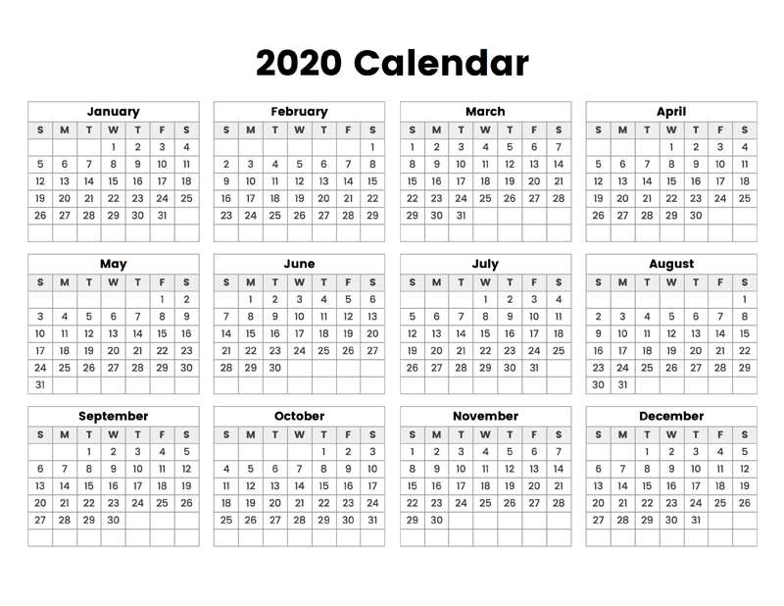
15 | 0 | 0 | 2 | 2 | 0 | 0 | 0 | 73 | 4 | 4 | 21 | 16 | 1 | 0 | 0 | 123
16 | 1 | 0 | 3 | 2 | 0 | 0 | 1 | 70 | 1 | 0 | 17 | 11 | 1 | 3 | 0 | 110
17 | 1 | 2 | 1 | 1 | 0 | 0 | 0 | 84 | 2 | 0 | 24 | 10 | 0 | 1 | 0 | 126
18 | 0 | 1 | 0 | 1 | 0 | 0 | 1 | 86 | 4 | 0 | 20 | 21 | 0 | 1 | 0 | 135
19 | 0 | 2 | 0 | 2 | 0 | 0 | 0 | 92 | 5 | 0 | 20 | 16 | 1 | 1 | 0 | 139
20 | 1 | 0 | 1 | 2 | 0 | 0 | 0 | 111 | 0 | 2 | 25 | 17 | 1 | 4 | 0 | 164
21 | 0 | 0 | 1 | 0 | 0 | 0 | 0 | 86 | 3 | 0 | 27 | 12 | 0 | 1 | 2 | 132
22 | 0 | 0 | 0 | 0 | 0 | 1 | 0 | 115 | 7 | 1 | 28 | 18 | 0 | 2 | 0 | 172
23 | 0 | 1 | 2 | 2 | 0 | 0 | 0 | 119 | 1 | 0 | 33 | 11 | 0 | 2 | 3 | 174
24 | 1 | 1 | 2 | 0 | 0 | 0 | 0 | 128 | 2 | 1 | 25 | 20 | 1 | 0 | 1 | 182
25 | 0 | 2 | 1 | 0 | 1 | 0 | 0 | 117 | 7 | 0 | 30 | 26 | 1 | 3 | 0 | 188
26 | 1 | 1 | 0 | 0 | 0 | 0 | 0 | 89 | 2 | 1 | 24 | 12 | 0 | 0 | 0 | 130
27 | 0 | 1 | 1 | 1 | 0 | 0 | 0 | 119 | 4 | 1 | 31 | 28 | 3 | 0 | 2 | 191
28 | 1 | 1 | 1 | 4 | 3 | 0 | 0 | 112 | 3 | 1 | 33 | 16 | 0 | 2 | 3 | 180
29 | 0 | 1 | 0 | 0 | 0 | 0 | 0 | 125 | 5 | 1 | 21 | 19 | 1 | 2 | 0 | 175
30 | 1 | 0 | 1 | 1 | 0 | 0 | 0 | 150 | 2 | 1 | 31 | 21 | 0 | 1 | 1 | 210
31 | 0 | 3 | 1 | 1 | 1 | 0 | 0 | 143 | 3 | 1 | 41 | 23 | 1 | 2 | 0 | 220
32 | 1 | 0 | 0 | 1 | 2 | 0 | 0 | 149 | 6 | 2 | 32 | 18 | 1 | 1 | 1 | 214
33 | 2 | 1 | 1 | 3 | 0 | 0 | 0 | 127 | 4 | 0 | 30 | 23 | 1 | 3 | 1 | 196
34 | 0 | 1 | 1 | 2 | 1 | 0 | 2 | 216 | 4 | 4 | 44 | 24 | 1 | 2 | 0 | 302
35 | 3 | 2 | 0 | 2 | 0 | 0 | 0 | 275 | 3 | 2 | 46 | 31 | 1 | 3 | 0 | 368
36 | 0 | 0 | 1 | 2 | 0 | 0 | 1 | 182 | 3 | 2 | 30 | 27 | 1 | 2 | 4 | 255
37 | 1 | 1 | 2 | 0 | 1 | 0 | 0 | 156 | 7 | 2 | 32 | 25 | 1 | 3 | 0 | 231
38 | 1 | 3 | 2 | 0 | 0 | 0 | 0 | 209 | 5 | 0 | 26 | 25 | 0 | 1 | 0 | 272
39 | 0 | 1 | 2 | 2 | 2 | 0 | 0 | 204 | 5 | 1 | 39 | 33 | 1 | 2 | 1 | 293
40 | 1 | 2 | 0 | 0 | 0 | 0 | 2 | 179 | 5 | 2 | 27 | 23 | 0 | 1 | 0 | 242
41 | 0 | 0 | 0 | 1 | 1 | 0 | 0 | 181 | 2 | 0 | 23 | 33 | 0 | 3 | 0 | 244
42 | 1 | 2 | 2 | 1 | 1 | 1 | 0 | 206 | 2 | 0 | 33 | 22 | 2 | 1 | 1 | 275
43 | 0 | 0 | 0 | 1 | 1 | 0 | 0 | 229 | 2 | 2 | 28 | 20 | 1 | 2 | 3 | 289
44 | 0 | 0 | 0 | 0 | 1 | 0 | 1 | 231 | 7 | 2 | 33 | 37 | 0 | 2 | 0 | 314
45 | 0 | 2 | 1 | 2 | 1 | 0 | 0 | 259 | 4 | 0 | 33 | 31 | 0 | 6 | 1 | 340
46 | 0 | 2 | 2 | 3 | 0 | 0 | 0 | 267 | 3 | 2 | 48 | 21 | 0 | 3 | 1 | 352
47 | 0 | 0 | 0 | 0 | 0 | 0 | 0 | 200 | 5 | 3 | 31 | 23 | 0 | 2 | 2 | 266
48 | 3 | 0 | 1 | 1 | 1 | 0 | 0 | 275 | 3 | 4 | 61 | 34 | 0 | 3 | 2 | 388
49 | 0 | 0 | 1 | 1 | 1 | 0 | 0 | 265 | 6 | 1 | 38 | 44 | 1 | 2 | 2 | 362
50 | 2 | 3 | 1 | 3 | 1 | 0 | 0 | 295 | 5 | 4 | 37 | 40 | 1 | 3 | 0 | 395
51 | 1 | 1 | 2 | 1 | 1 | 0 | 0 | 198 | 5 | 1 | 25 | 24 | 0 | 2 | 1 | 262
52 | 1 | 3 | 2 | 3 | 1 | 0 | 1 | 196 | 2 | 1 | 22 | 30 | 1 | 1 | 0 | 264
Total | 30 | 55 | 50 | 59 | 26 | 3 | 16 | 8158 | 190 | 61 | 1500 | 1088 | 37 | 100 | 50 | 11423

CALENDAR YEAR 2019
CALENDAR YEAR 2019
EVENT DATE by CALENDAR WEEK | COUNTY |  |  |  |  |  |  |  |  |  |  |  |  |  |  |  |  | Maricopa |  | Pima | Pinal | AZ
 | APACHE | COCHISE | COCONINO | GILA | GRAHAM | GREENLEE | LA PAZ | MARICOPA | MOHAVE | NAVAJO | PIMA | PINAL | SANTA CRUZ | YAVAPAI | YUMA | Total
0 | 0 | 1 | 2 | 0 | 0 | 0 | 0 | 96 | 0 | 1 | 9 | 7 | 0 | 1 | 1 | 118
1 | 0 | 0 | 2 | 2 | 0 | 0 | 0 | 118 | 1 | 2 | 23 | 17 | 0 | 4 | 0 | 169 |  |  | 2191
2 | 0 | 2 | 0 | 2 | 1 | 0 | 0 | 133 | 3 | 0 | 23 | 9 | 0 | 5 | 4 | 182 | JAN. | 555 | 2222 | 85.714285714 | 52.142857143 | 745.57142857
3 | 1 | 0 | 2 | 1 | 0 | 0 | 0 | 123 | 0 | 0 | 15 | 12 | 2 | 2 | 0 | 158 | FEB. | 440.42857143 | 2250 | 111.85714286 | 57.571428571 | 658
4 | 1 | 2 | 1 | 3 | 0 | 0 | 0 | 119 | 2 | 1 | 22 | 10 | 0 | 3 | 2 | 166 | MAR. | 567.57142857 | 2281 | 127.57142857 | 66.571428571 | 811.42857143
5 | 1 | 1 | 3 | 0 | 0 | 0 | 1 | 103 | 2 | 1 | 21 | 15 | 0 | 2 | 0 | 150 | APR. | 514 | 2311 | 115.71428571 | 56.714285714 | 749.71428571
6 | 2 | 2 | 1 | 3 | 0 | 0 | 0 | 111 | 1 | 2 | 36 | 16 | 1 | 4 | 2 | 181 | MAY | 545.28571429 | 2342 | 115.57142857 | 75.714285714 | 797.71428571
7 | 0 | 1 | 0 | 1 | 0 | 0 | 1 | 91 | 2 | 1 | 25 | 13 | 0 | 0 | 1 | 136 | JUN. | 556.14285714 | 2372 | 122 | 77.714285714 | 818.28571429
8 | 0 | 2 | 1 | 1 | 0 | 0 | 1 | 142 | 1 | 3 | 33 | 15 | 0 | 0 | 2 | 201 | JULY | 657.85714286 | 2403 | 146.57142857 | 81.571428571 | 943.28571429
9 | 1 | 2 | 2 | 2 | 0 | 0 | 0 | 113 | 3 | 2 | 29 | 11 | 1 | 1 | 1 | 168 | AUG. | 666.71428571 | 2434 | 143 | 80 | 971
10 | 0 | 0 | 1 | 3 | 0 | 0 | 0 | 142 | 1 | 2 | 24 | 24 | 0 | 2 | 2 | 201 | SEP. | 575 | 2464 | 100.14285714 | 65.285714286 | 798.28571429
11 | 0 | 1 | 2 | 0 | 0 | 0 | 1 | 127 | 0 | 2 | 27 | 17 | 0 | 2 | 0 | 179 | OCT. | 631.71428571 | 2495 | 118.42857143 | 91.857142857 | 902.42857143
12 | 0 | 2 | 2 | 1 | 1 | 0 | 0 | 127 | 0 | 1 | 35 | 8 | 0 | 4 | 0 | 181 | NOV. | 806.28571429 | 2525 | 123.42857143 | 121.85714286 | 1115.2857143
13 | 0 | 0 | 1 | 3 | 0 | 0 | 0 | 126 | 1 | 1 | 22 | 16 | 1 | 3 | 1 | 175 | DEC. | 754 | 2556 | 131 | 118 | 1059
14 | 1 | 3 | 0 | 0 | 0 | 0 | 1 | 114 | 3 | 4 | 38 | 12 | 0 | 1 | 2 | 179 | toal | 7270 |  | 1441 | 945 | 10370
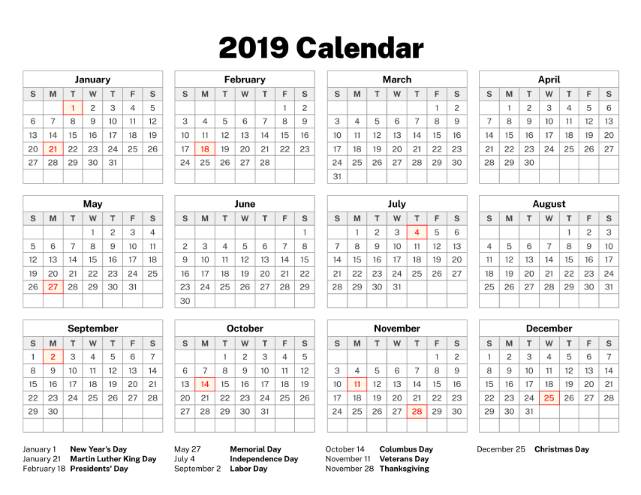
15 | 1 | 1 | 2 | 4 | 0 | 0 | 0 | 123 | 2 | 3 | 15 | 10 | 0 | 3 | 2 | 166
16 | 2 | 0 | 0 | 1 | 0 | 0 | 0 | 109 | 3 | 2 | 31 | 12 | 0 | 1 | 2 | 163
17 | 1 | 1 | 1 | 1 | 2 | 0 | 0 | 140 | 4 | 4 | 30 | 21 | 0 | 6 | 3 | 214
18 | 1 | 0 | 1 | 0 | 1 | 0 | 2 | 147 | 5 | 0 | 37 | 23 | 1 | 2 | 0 | 220
19 | 0 | 1 | 0 | 1 | 0 | 0 | 0 | 133 | 3 | 1 | 29 | 21 | 0 | 4 | 1 | 194
20 | 0 | 1 | 1 | 1 | 0 | 0 | 0 | 115 | 1 | 1 | 17 | 12 | 0 | 1 | 0 | 150
21 | 1 | 5 | 2 | 1 | 1 | 0 | 1 | 82 | 2 | 2 | 18 | 9 | 1 | 1 | 4 | 130
22 | 0 | 2 | 0 | 1 | 0 | 0 | 2 | 126 | 2 | 2 | 30 | 17 | 1 | 1 | 1 | 185
23 | 0 | 0 | 0 | 0 | 0 | 0 | 0 | 113 | 1 | 1 | 26 | 16 | 3 | 3 | 1 | 164
24 | 0 | 2 | 1 | 2 | 0 | 0 | 0 | 144 | 6 | 3 | 30 | 17 | 3 | 1 | 1 | 210
25 | 0 | 2 | 1 | 3 | 1 | 1 | 0 | 145 | 0 | 2 | 30 | 24 | 1 | 4 | 3 | 217
26 | 1 | 4 | 0 | 0 | 1 | 0 | 0 | 115 | 2 | 1 | 24 | 17 | 0 | 1 | 0 | 166
27 | 2 | 2 | 0 | 2 | 1 | 0 | 0 | 151 | 1 | 1 | 34 | 18 | 0 | 0 | 1 | 213
28 | 2 | 4 | 1 | 2 | 0 | 0 | 1 | 157 | 1 | 2 | 33 | 23 | 0 | 2 | 1 | 229
29 | 2 | 2 | 2 | 0 | 0 | 0 | 0 | 169 | 2 | 1 | 39 | 18 | 0 | 4 | 0 | 239
30 | 1 | 2 | 0 | 5 | 1 | 0 | 1 | 144 | 3 | 0 | 35 | 14 | 1 | 3 | 0 | 210
31 | 1 | 3 | 4 | 2 | 0 | 0 | 2 | 142 | 4 | 2 | 32 | 17 | 0 | 2 | 0 | 211
32 | 0 | 3 | 1 | 1 | 1 | 0 | 0 | 148 | 3 | 2 | 40 | 15 | 1 | 5 | 0 | 220
33 | 4 | 4 | 0 | 2 | 0 | 0 | 1 | 163 | 5 | 2 | 32 | 24 | 0 | 2 | 1 | 240
34 | 1 | 4 | 0 | 2 | 1 | 0 | 0 | 152 | 3 | 0 | 24 | 18 | 2 | 3 | 0 | 210
35 | 3 | 1 | 0 | 1 | 0 | 0 | 1 | 116 | 6 | 0 | 24 | 13 | 0 | 2 | 1 | 168
36 | 0 | 3 | 1 | 0 | 0 | 0 | 0 | 143 | 3 | 0 | 23 | 11 | 0 | 2 | 2 | 188
37 | 1 | 0 | 0 | 2 | 0 | 0 | 0 | 129 | 3 | 0 | 21 | 16 | 0 | 3 | 1 | 176
38 | 0 | 1 | 0 | 2 | 1 | 0 | 0 | 151 | 8 | 1 | 23 | 19 | 1 | 2 | 3 | 212
39 | 0 | 0 | 0 | 0 | 2 | 0 | 0 | 126 | 4 | 0 | 32 | 22 | 0 | 3 | 1 | 190
40 | 3 | 1 | 1 | 2 | 0 | 0 | 0 | 142 | 2 | 1 | 25 | 17 | 0 | 2 | 2 | 198
41 | 0 | 1 | 1 | 0 | 1 | 0 | 0 | 146 | 4 | 1 | 22 | 19 | 0 | 2 | 2 | 199
42 | 1 | 3 | 0 | 2 | 0 | 0 | 1 | 153 | 5 | 1 | 30 | 28 | 1 | 1 | 3 | 229
43 | 0 | 2 | 0 | 1 | 0 | 0 | 1 | 141 | 5 | 1 | 26 | 17 | 1 | 2 | 0 | 197
44 | 2 | 1 | 0 | 1 | 0 | 0 | 0 | 166 | 5 | 0 | 27 | 32 | 1 | 2 | 2 | 239
45 | 0 | 2 | 2 | 2 | 0 | 0 | 0 | 197 | 6 | 2 | 29 | 22 | 1 | 4 | 1 | 268
46 | 2 | 1 | 1 | 1 | 0 | 0 | 1 | 227 | 5 | 1 | 36 | 37 | 0 | 3 | 1 | 316
47 | 0 | 0 | 0 | 1 | 1 | 0 | 0 | 176 | 2 | 0 | 24 | 26 | 0 | 2 | 4 | 236
48 | 1 | 0 | 2 | 2 | 0 | 0 | 0 | 207 | 3 | 3 | 35 | 31 | 0 | 3 | 2 | 289
49 | 2 | 2 | 1 | 2 | 0 | 0 | 0 | 191 | 3 | 2 | 43 | 34 | 0 | 1 | 1 | 282
50 | 0 | 0 | 4 | 1 | 0 | 0 | 2 | 191 | 3 | 0 | 28 | 25 | 0 | 3 | 1 | 258
51 | 1 | 0 | 2 | 0 | 0 | 0 | 1 | 111 | 3 | 1 | 20 | 16 | 0 | 1 | 1 | 157
52 | 0 | 1 | 0 | 0 | 0 | 0 | 0 | 54 | 0 | 0 | 5 | 12 | 0 | 1 | 0 | 73
Total | 43 | 81 | 52 | 73 | 17 | 1 | 22 | 7270 | 143 | 69 | 1441 | 945 | 24 | 122 | 67 | 10370

CALENDAR YEAR 2018
CALENDAR YEAR 2018
EVENT DATE by CALENDAR WEEK | COUNTY |  |  |  |  |  |  |  |  |  |  |  |  |  |  |  |  | Maricopa |  | Pima | Pinal | AZ
 | APACHE | COCHISE | COCONINO | GILA | GRAHAM | GREENLEE | LA PAZ | MARICOPA | MOHAVE | NAVAJO | PIMA | PINAL | SANTA CRUZ | YAVAPAI | YUMA | Total
0 | 1 | 1 | 1 | 1 | 0 | 0 | 0 | 152 | 2 | 1 | 22 | 17 | 0 | 1 | 0 | 199
1 | 0 | 0 | 0 | 1 | 0 | 0 | 0 | 178 | 4 | 2 | 27 | 15 | 0 | 0 | 1 | 228 |  |  | 1826
2 | 0 | 0 | 2 | 2 | 0 | 0 | 1 | 146 | 4 | 1 | 12 | 15 | 0 | 0 | 0 | 183 | JAN. | 702.71428571 | 1857 | 90.428571429 | 65.571428571 | 898.28571429
3 | 1 | 0 | 1 | 0 | 0 | 0 | 0 | 153 | 2 | 1 | 22 | 14 | 0 | 3 | 1 | 198 | FEB. | 437.57142857 | 1885 | 83.857142857 | 34.857142857 | 584.42857143
4 | 0 | 1 | 0 | 0 | 0 | 0 | 0 | 129 | 0 | 2 | 13 | 8 | 1 | 3 | 1 | 158 | MAR. | 428.71428571 | 1916 | 71.714285714 | 36.571428571 | 564.28571429
5 | 0 | 0 | 1 | 1 | 0 | 0 | 1 | 115 | 1 | 0 | 17 | 10 | 0 | 2 | 0 | 148 | APR. | 421 | 1946 | 59.428571429 | 47.428571429 | 552
6 | 0 | 0 | 0 | 2 | 0 | 0 | 0 | 93 | 2 | 0 | 21 | 9 | 1 | 2 | 0 | 130 | MAY | 481 | 1977 | 83.285714286 | 56.571428571 | 663
7 | 0 | 0 | 1 | 2 | 1 | 0 | 1 | 108 | 0 | 2 | 22 | 5 | 0 | 3 | 0 | 145 | JUN. | 430 | 2007 | 97.285714286 | 43 | 611
8 | 1 | 0 | 2 | 0 | 0 | 0 | 0 | 116 | 0 | 0 | 32 | 13 | 0 | 0 | 0 | 164 | JULY | 494.57142857 | 2038 | 103.28571429 | 52.857142857 | 689.57142857
9 | 0 | 2 | 1 | 0 | 0 | 0 | 1 | 114 | 2 | 0 | 23 | 10 | 1 | 0 | 1 | 155 | AUG. | 448 | 2069 | 87.714285714 | 37.571428571 | 609.85714286
10 | 0 | 0 | 0 | 1 | 1 | 0 | 0 | 102 | 1 | 1 | 14 | 7 | 0 | 0 | 0 | 127 | SEP. | 389.85714286 | 2099 | 76.285714286 | 32 | 538
11 | 0 | 0 | 0 | 2 | 0 | 0 | 0 | 90 | 2 | 1 | 10 | 8 | 0 | 2 | 2 | 117 | OCT. | 461.71428571 | 2130 | 76 | 51.857142857 | 622.71428571
12 | 0 | 0 | 2 | 0 | 0 | 0 | 0 | 73 | 0 | 0 | 11 | 6 | 0 | 0 | 3 | 95 | NOV. | 362.42857143 | 2160 | 75 | 42.142857143 | 523.42857143
13 | 2 | 0 | 1 | 2 | 0 | 0 | 1 | 98 | 1 | 0 | 9 | 17 | 0 | 1 | 0 | 132 | DEC. | 464.42857143 | 2191 | 62.714285714 | 63.571428571 | 630.42857143
14 | 0 | 0 | 1 | 0 | 1 | 0 | 1 | 87 | 0 | 0 | 18 | 10 | 0 | 0 | 1 | 119 | toal | 5522 |  | 967 | 564 | 7487
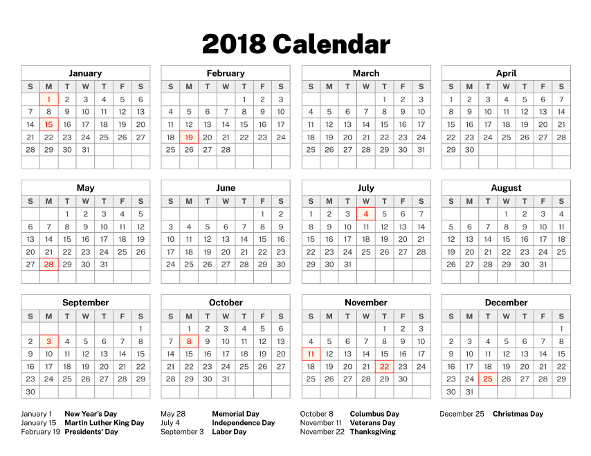
15 | 2 | 0 | 1 | 0 | 0 | 0 | 0 | 115 | 0 | 0 | 15 | 10 | 0 | 1 | 0 | 144
16 | 1 | 1 | 0 | 0 | 0 | 0 | 1 | 97 | 1 | 0 | 12 | 9 | 0 | 2 | 1 | 125
17 | 0 | 1 | 0 | 0 | 0 | 0 | 0 | 84 | 1 | 1 | 19 | 5 | 0 | 1 | 0 | 112
18 | 0 | 2 | 1 | 1 | 0 | 0 | 1 | 111 | 3 | 1 | 15 | 8 | 0 | 2 | 0 | 145
19 | 0 | 2 | 0 | 1 | 0 | 0 | 1 | 109 | 1 | 0 | 21 | 13 | 1 | 1 | 0 | 150
20 | 0 | 1 | 2 | 1 | 0 | 1 | 0 | 136 | 4 | 0 | 18 | 22 | 0 | 2 | 1 | 188
21 | 1 | 2 | 3 | 0 | 1 | 0 | 0 | 91 | 2 | 2 | 22 | 14 | 0 | 2 | 0 | 140
22 | 0 | 1 | 0 | 0 | 1 | 0 | 0 | 106 | 0 | 4 | 25 | 6 | 1 | 0 | 1 | 145
23 | 0 | 2 | 0 | 1 | 0 | 0 | 0 | 85 | 4 | 0 | 23 | 9 | 0 | 1 | 1 | 126
24 | 0 | 2 | 1 | 2 | 0 | 0 | 0 | 109 | 2 | 1 | 20 | 7 | 0 | 0 | 0 | 144
25 | 0 | 2 | 2 | 2 | 0 | 0 | 1 | 104 | 2 | 1 | 23 | 17 | 0 | 2 | 0 | 156
26 | 0 | 0 | 0 | 0 | 1 | 0 | 0 | 99 | 1 | 0 | 24 | 8 | 1 | 2 | 0 | 136
27 | 0 | 0 | 0 | 2 | 1 | 0 | 0 | 112 | 0 | 1 | 21 | 12 | 2 | 2 | 0 | 153
28 | 0 | 0 | 1 | 0 | 1 | 0 | 0 | 120 | 2 | 0 | 18 | 17 | 0 | 3 | 0 | 162
29 | 2 | 2 | 3 | 1 | 0 | 0 | 0 | 110 | 1 | 3 | 30 | 12 | 1 | 1 | 1 | 167
30 | 1 | 0 | 0 | 0 | 0 | 0 | 0 | 125 | 2 | 1 | 24 | 9 | 0 | 3 | 2 | 167
31 | 0 | 0 | 2 | 0 | 0 | 0 | 0 | 107 | 0 | 1 | 21 | 6 | 0 | 0 | 0 | 137
32 | 0 | 0 | 0 | 2 | 1 | 0 | 0 | 100 | 2 | 1 | 19 | 11 | 3 | 3 | 1 | 143
33 | 0 | 0 | 0 | 1 | 0 | 0 | 0 | 89 | 1 | 3 | 16 | 6 | 0 | 1 | 0 | 117
34 | 0 | 1 | 0 | 0 | 1 | 0 | 0 | 94 | 3 | 0 | 21 | 11 | 1 | 4 | 1 | 137
35 | 2 | 0 | 1 | 1 | 1 | 0 | 0 | 91 | 4 | 1 | 21 | 5 | 0 | 0 | 1 | 128
36 | 0 | 2 | 0 | 1 | 1 | 0 | 0 | 91 | 1 | 1 | 15 | 11 | 0 | 3 | 1 | 127
37 | 0 | 1 | 1 | 0 | 0 | 0 | 0 | 82 | 4 | 0 | 20 | 8 | 1 | 0 | 1 | 118
38 | 2 | 1 | 0 | 3 | 0 | 0 | 0 | 100 | 0 | 1 | 15 | 5 | 0 | 0 | 1 | 128
39 | 1 | 0 | 1 | 1 | 1 | 0 | 0 | 87 | 2 | 0 | 16 | 10 | 0 | 3 | 0 | 122
40 | 0 | 1 | 0 | 2 | 1 | 0 | 1 | 109 | 1 | 1 | 12 | 13 | 0 | 2 | 0 | 143
41 | 0 | 3 | 0 | 2 | 0 | 0 | 0 | 107 | 0 | 0 | 15 | 13 | 0 | 1 | 0 | 141
42 | 0 | 1 | 0 | 0 | 0 | 0 | 0 | 118 | 0 | 0 | 25 | 11 | 0 | 2 | 0 | 157
43 | 1 | 3 | 4 | 0 | 0 | 0 | 0 | 93 | 2 | 0 | 18 | 11 | 1 | 2 | 0 | 135
44 | 1 | 2 | 2 | 0 | 0 | 0 | 0 | 95 | 2 | 1 | 22 | 10 | 1 | 0 | 1 | 137
45 | 3 | 0 | 2 | 2 | 0 | 0 | 1 | 86 | 2 | 0 | 14 | 7 | 1 | 0 | 1 | 119
46 | 0 | 1 | 0 | 1 | 1 | 0 | 0 | 61 | 0 | 0 | 15 | 11 | 0 | 3 | 0 | 93
47 | 0 | 3 | 2 | 0 | 0 | 0 | 1 | 94 | 1 | 2 | 19 | 11 | 2 | 1 | 0 | 136
48 | 0 | 0 | 0 | 2 | 1 | 0 | 0 | 111 | 3 | 1 | 24 | 16 | 0 | 2 | 0 | 160
49 | 0 | 3 | 0 | 1 | 1 | 0 | 0 | 119 | 5 | 1 | 13 | 16 | 1 | 1 | 1 | 162
50 | 0 | 1 | 1 | 0 | 0 | 0 | 1 | 120 | 0 | 1 | 9 | 13 | 0 | 1 | 0 | 147
51 | 1 | 0 | 3 | 1 | 0 | 0 | 0 | 93 | 0 | 0 | 10 | 14 | 0 | 1 | 1 | 124
52 | 1 | 0 | 0 | 0 | 0 | 0 | 0 | 8 | 0 | 0 | 4 | 3 | 1 | 1 | 0 | 18
Total | 24 | 45 | 46 | 45 | 17 | 1 | 14 | 5522 | 80 | 41 | 967 | 564 | 21 | 73 | 27 | 7487

CALENDAR YEAR 2017
CALENDAR YEAR 2017
EVENT DATE by CALENDAR WEEK | COUNTY |  |  |  |  |  |  |  |  |  |  |  |  |  |  |  |  | Maricopa |  | Pima | Pinal | AZ
 | APACHE | COCHISE | COCONINO | GILA | GRAHAM | GREENLEE | LA PAZ | MARICOPA | MOHAVE | NAVAJO | PIMA | PINAL | SANTA CRUZ | YAVAPAI | YUMA | Total
1 | 0 | 2 | 0 | 0 | 0 | 1 | 0 | 79 | 1 | 0 | 21 | 5 | 0 | 1 | 0 | 110
2 | 3 | 1 | 0 | 2 | 0 | 0 | 1 | 88 | 2 | 1 | 18 | 10 | 0 | 1 | 0 | 127 |  |  | 1461
3 | 0 | 0 | 0 | 1 | 0 | 0 | 0 | 90 | 0 | 0 | 22 | 17 | 0 | 2 | 0 | 132 | JAN. | 370.42857143 | 1492 | 83.857142857 | 47.428571429 | 532.14285714
4 | 0 | 2 | 1 | 0 | 0 | 0 | 0 | 80 | 1 | 2 | 13 | 12 | 0 | 0 | 2 | 113 | FEB. | 290 | 1520 | 64.142857143 | 24.571428571 | 416
5 | 1 | 0 | 1 | 0 | 1 | 0 | 0 | 78 | 0 | 3 | 23 | 8 | 0 | 2 | 0 | 117 | MAR. | 264 | 1551 | 74.285714286 | 42 | 408.71428571
6 | 1 | 1 | 0 | 1 | 0 | 0 | 2 | 67 | 1 | 1 | 15 | 5 | 0 | 1 | 2 | 97 | APR. | 305.71428571 | 1581 | 87.428571429 | 36.571428571 | 457.14285714
7 | 1 | 0 | 0 | 3 | 0 | 0 | 2 | 81 | 1 | 2 | 17 | 7 | 3 | 0 | 1 | 118 | MAY | 310.71428571 | 1612 | 67 | 39.285714286 | 442.71428571
8 | 1 | 0 | 0 | 1 | 0 | 0 | 0 | 70 | 0 | 0 | 13 | 5 | 0 | 2 | 1 | 93 | JUN. | 290.85714286 | 1642 | 63.857142857 | 33.571428571 | 417.28571429
9 | 1 | 1 | 0 | 3 | 0 | 0 | 1 | 64 | 0 | 2 | 14 | 7 | 1 | 2 | 0 | 96 | JULY | 345.57142857 | 1673 | 105.42857143 | 33.857142857 | 522.85714286
10 | 1 | 1 | 1 | 1 | 0 | 0 | 0 | 74 | 2 | 1 | 18 | 12 | 0 | 1 | 0 | 112 | AUG. | 364.14285714 | 1704 | 75.857142857 | 46.714285714 | 522.28571429
11 | 1 | 1 | 0 | 0 | 0 | 0 | 1 | 47 | 0 | 1 | 15 | 9 | 0 | 0 | 0 | 75 | SEP. | 323.57142857 | 1734 | 58.142857143 | 26 | 444.85714286
12 | 1 | 0 | 0 | 0 | 1 | 0 | 0 | 55 | 2 | 1 | 17 | 11 | 0 | 0 | 0 | 88 | OCT. | 477.85714286 | 1765 | 82.428571429 | 46.857142857 | 643.42857143
13 | 0 | 2 | 2 | 1 | 0 | 0 | 0 | 60 | 0 | 1 | 19 | 7 | 0 | 0 | 0 | 92 | NOV. | 721.14285714 | 1795 | 128.57142857 | 64.714285714 | 953.85714286
14 | 0 | 1 | 1 | 2 | 0 | 0 | 2 | 59 | 0 | 0 | 17 | 8 | 0 | 1 | 0 | 91 | DEC. | 905 | 1826 | 146 | 85.428571429 | 1184.7142857
15 | 1 | 1 | 1 | 1 | 1 | 0 | 0 | 64 | 0 | 2 | 20 | 6 | 0 | 1 | 0 | 98 | toal | 4969 |  | 1037 | 527 | 6946
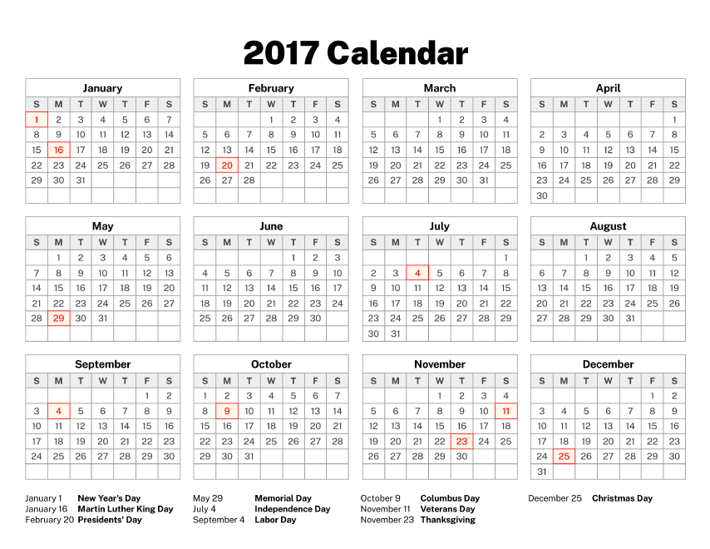
16 | 0 | 0 | 0 | 0 | 1 | 0 | 1 | 79 | 1 | 2 | 22 | 9 | 0 | 0 | 0 | 115
17 | 0 | 0 | 2 | 0 | 0 | 0 | 0 | 81 | 0 | 2 | 23 | 11 | 0 | 1 | 0 | 120
18 | 1 | 1 | 1 | 2 | 1 | 0 | 0 | 99 | 1 | 1 | 19 | 11 | 0 | 2 | 1 | 140
19 | 0 | 1 | 0 | 1 | 0 | 0 | 0 | 68 | 0 | 0 | 10 | 6 | 0 | 2 | 0 | 88
20 | 0 | 0 | 1 | 2 | 2 | 0 | 1 | 68 | 1 | 0 | 17 | 9 | 0 | 0 | 0 | 101
21 | 0 | 0 | 1 | 2 | 0 | 0 | 0 | 55 | 0 | 0 | 18 | 12 | 0 | 0 | 0 | 88
22 | 0 | 0 | 1 | 2 | 0 | 0 | 0 | 61 | 0 | 0 | 10 | 5 | 0 | 1 | 0 | 80
23 | 1 | 0 | 1 | 0 | 0 | 0 | 2 | 67 | 2 | 1 | 14 | 7 | 1 | 2 | 0 | 98
24 | 0 | 0 | 1 | 2 | 1 | 0 | 0 | 64 | 0 | 0 | 12 | 10 | 1 | 0 | 2 | 93
25 | 0 | 0 | 0 | 1 | 1 | 0 | 0 | 72 | 1 | 0 | 19 | 5 | 1 | 1 | 1 | 102
26 | 0 | 0 | 1 | 2 | 0 | 0 | 0 | 72 | 0 | 0 | 17 | 11 | 0 | 2 | 0 | 105
27 | 2 | 1 | 0 | 1 | 0 | 0 | 0 | 50 | 2 | 0 | 16 | 6 | 0 | 1 | 0 | 79
28 | 1 | 0 | 1 | 3 | 1 | 0 | 1 | 79 | 1 | 1 | 22 | 8 | 1 | 1 | 1 | 121
29 | 0 | 0 | 0 | 3 | 0 | 0 | 0 | 83 | 0 | 0 | 27 | 7 | 1 | 2 | 1 | 124
30 | 1 | 1 | 0 | 3 | 1 | 0 | 0 | 93 | 0 | 0 | 32 | 9 | 1 | 2 | 0 | 143
31 | 0 | 0 | 0 | 1 | 0 | 0 | 0 | 106 | 3 | 1 | 21 | 8 | 1 | 2 | 0 | 143
32 | 1 | 1 | 1 | 0 | 0 | 0 | 0 | 71 | 1 | 0 | 17 | 10 | 0 | 2 | 1 | 105
33 | 1 | 1 | 0 | 0 | 0 | 0 | 0 | 78 | 0 | 1 | 25 | 14 | 0 | 1 | 0 | 121
34 | 0 | 0 | 0 | 3 | 0 | 0 | 1 | 83 | 3 | 2 | 11 | 12 | 0 | 0 | 2 | 117
35 | 1 | 1 | 2 | 1 | 0 | 1 | 0 | 79 | 2 | 0 | 11 | 7 | 1 | 2 | 0 | 108
36 | 0 | 0 | 1 | 1 | 0 | 0 | 0 | 55 | 1 | 1 | 7 | 8 | 1 | 0 | 0 | 75
37 | 3 | 0 | 1 | 1 | 0 | 0 | 0 | 78 | 3 | 2 | 20 | 2 | 0 | 2 | 1 | 113
38 | 1 | 0 | 1 | 0 | 0 | 0 | 0 | 91 | 1 | 0 | 13 | 8 | 0 | 0 | 2 | 117
39 | 0 | 0 | 2 | 1 | 1 | 1 | 0 | 77 | 4 | 2 | 15 | 6 | 0 | 0 | 0 | 109
40 | 0 | 0 | 1 | 3 | 2 | 0 | 0 | 78 | 4 | 1 | 17 | 10 | 0 | 1 | 1 | 118
41 | 1 | 1 | 2 | 0 | 0 | 0 | 0 | 92 | 1 | 0 | 15 | 9 | 1 | 0 | 0 | 122
42 | 0 | 0 | 1 | 1 | 1 | 0 | 0 | 103 | 0 | 0 | 21 | 15 | 0 | 0 | 0 | 142
43 | 1 | 0 | 0 | 0 | 1 | 0 | 1 | 138 | 2 | 2 | 20 | 9 | 0 | 3 | 0 | 177
44 | 1 | 1 | 0 | 2 | 0 | 0 | 0 | 156 | 1 | 1 | 22 | 9 | 0 | 3 | 1 | 197
45 | 0 | 1 | 1 | 0 | 0 | 0 | 0 | 137 | 3 | 0 | 33 | 12 | 1 | 0 | 1 | 189
46 | 0 | 0 | 0 | 2 | 0 | 0 | 1 | 180 | 7 | 0 | 32 | 11 | 1 | 0 | 2 | 236
47 | 0 | 0 | 1 | 1 | 0 | 0 | 0 | 145 | 1 | 2 | 26 | 18 | 0 | 2 | 1 | 197
48 | 0 | 3 | 0 | 0 | 0 | 0 | 0 | 238 | 2 | 2 | 35 | 26 | 0 | 1 | 0 | 307
49 | 1 | 1 | 0 | 0 | 1 | 0 | 0 | 213 | 3 | 2 | 31 | 19 | 0 | 2 | 3 | 276
50 | 1 | 2 | 0 | 0 | 0 | 0 | 1 | 221 | 2 | 1 | 41 | 20 | 1 | 4 | 0 | 294
51 | 0 | 1 | 1 | 1 | 0 | 0 | 1 | 226 | 3 | 0 | 36 | 19 | 0 | 2 | 0 | 290
52 | 0 | 1 | 2 | 4 | 0 | 0 | 0 | 167 | 3 | 1 | 28 | 20 | 0 | 1 | 0 | 227
53 | 0 | 0 | 0 | 0 | 0 | 0 | 0 | 10 | 0 | 0 | 0 | 0 | 0 | 0 | 0 | 10
Total | 30 | 31 | 34 | 62 | 17 | 3 | 19 | 4969 | 69 | 45 | 1037 | 527 | 17 | 59 | 27 | 6946

CALENDAR YEAR 2016
CALENDAR YEAR 2016
EVENT DATE by CALENDAR WEEK | COUNTY |  |  |  |  |  |  |  |  |  |  |  |  |  |  |  |  | Maricopa |  | Pima | Pinal | AZ
 | APACHE | COCHISE | COCONINO | GILA | GRAHAM | GREENLEE | LA PAZ | MARICOPA | MOHAVE | NAVAJO | PIMA | PINAL | SANTA CRUZ | YAVAPAI | YUMA | Total
0 | 0 | 0 | 0 | 0 | 0 | 0 | 0 | 12 | 1 | 0 | 5 | 2 | 0 | 0 | 0 | 20
1 | 1 | 2 | 0 | 0 | 1 | 0 | 1 | 101 | 4 | 2 | 15 | 10 | 1 | 2 | 1 | 141 |  |  | 1095
2 | 0 | 0 | 4 | 3 | 0 | 0 | 0 | 99 | 0 | 0 | 20 | 13 | 1 | 1 | 0 | 141 | JAN. | 414.57142857 | 1126 | 80.285714286 | 47.857142857 | 581.28571429
3 | 0 | 0 | 0 | 0 | 0 | 0 | 0 | 85 | 1 | 0 | 21 | 14 | 1 | 3 | 0 | 125 | FEB. | 340.42857143 | 1155 | 64.714285714 | 42.142857143 | 464.14285714
4 | 0 | 1 | 0 | 0 | 1 | 0 | 0 | 105 | 0 | 4 | 17 | 7 | 0 | 2 | 0 | 137 | MAR. | 427.85714286 | 1186 | 79.428571429 | 42.142857143 | 574.42857143
5 | 0 | 0 | 0 | 1 | 0 | 0 | 1 | 88 | 0 | 1 | 16 | 13 | 0 | 1 | 0 | 121 | APR. | 369.14285714 | 1216 | 73.571428571 | 57.857142857 | 529.14285714
6 | 0 | 1 | 1 | 0 | 0 | 0 | 0 | 83 | 0 | 0 | 17 | 11 | 0 | 1 | 0 | 114 | MAY | 318.85714286 | 1247 | 79.571428571 | 32.714285714 | 459
7 | 0 | 1 | 0 | 0 | 0 | 0 | 0 | 84 | 0 | 0 | 14 | 10 | 0 | 2 | 0 | 111 | JUN. | 333.71428571 | 1277 | 73.285714286 | 28.428571429 | 454.85714286
8 | 0 | 1 | 0 | 1 | 0 | 0 | 0 | 66 | 0 | 1 | 16 | 6 | 1 | 1 | 1 | 94 | JULY | 327.57142857 | 1308 | 75.857142857 | 50.857142857 | 483.28571429
9 | 0 | 1 | 0 | 0 | 0 | 0 | 0 | 112 | 2 | 0 | 14 | 14 | 1 | 0 | 1 | 145 | AUG. | 369.71428571 | 1339 | 55.714285714 | 30.714285714 | 495.42857143
10 | 0 | 0 | 0 | 0 | 0 | 0 | 0 | 92 | 1 | 0 | 18 | 6 | 0 | 2 | 1 | 120 | SEP. | 284 | 1369 | 68.142857143 | 26.428571429 | 392.42857143
11 | 0 | 2 | 1 | 1 | 1 | 0 | 0 | 83 | 0 | 0 | 17 | 9 | 0 | 1 | 1 | 116 | OCT. | 425.14285714 | 1400 | 60.714285714 | 42.714285714 | 553
12 | 1 | 0 | 1 | 1 | 0 | 0 | 0 | 100 | 0 | 1 | 23 | 10 | 0 | 0 | 0 | 137 | NOV. | 427.14285714 | 1430 | 90 | 47.857142857 | 590
13 | 1 | 1 | 1 | 0 | 0 | 0 | 1 | 102 | 3 | 0 | 16 | 10 | 0 | 2 | 0 | 137 | DEC. | 398.85714286 | 1461 | 95.714285714 | 49.285714286 | 577
14 | 1 | 0 | 1 | 1 | 2 | 1 | 0 | 72 | 1 | 1 | 22 | 14 | 0 | 1 | 1 | 118 | toal | 4437 |  | 897 | 499 | 6154
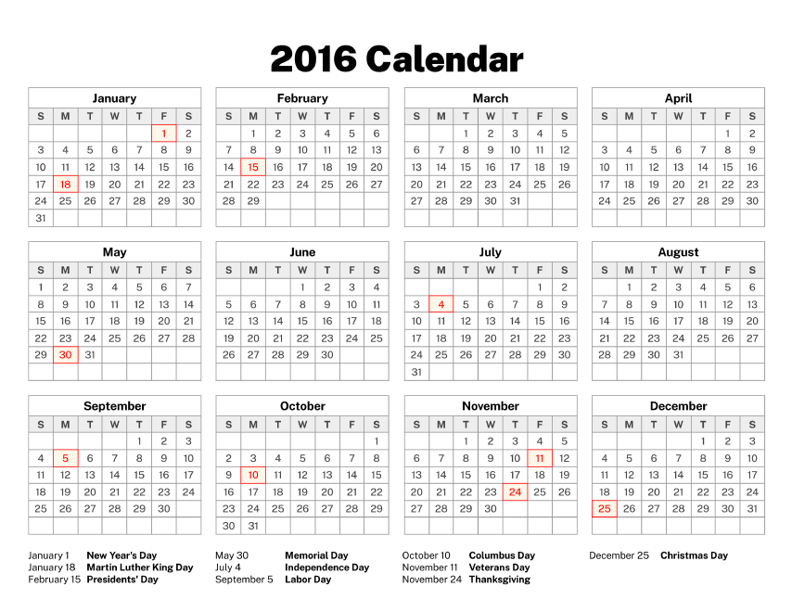
15 | 0 | 0 | 1 | 0 | 0 | 0 | 0 | 89 | 0 | 0 | 8 | 7 | 1 | 0 | 0 | 106
16 | 0 | 0 | 1 | 1 | 0 | 0 | 0 | 85 | 2 | 0 | 20 | 19 | 0 | 1 | 1 | 130
17 | 1 | 2 | 0 | 2 | 0 | 0 | 0 | 94 | 1 | 1 | 19 | 15 | 0 | 1 | 0 | 136
18 | 1 | 1 | 0 | 2 | 2 | 0 | 0 | 60 | 1 | 0 | 22 | 11 | 0 | 0 | 1 | 101
19 | 0 | 0 | 1 | 0 | 0 | 0 | 0 | 87 | 1 | 1 | 14 | 12 | 0 | 1 | 0 | 117
20 | 1 | 0 | 2 | 0 | 0 | 0 | 0 | 79 | 3 | 1 | 21 | 4 | 0 | 0 | 0 | 111
21 | 0 | 0 | 2 | 2 | 1 | 0 | 0 | 68 | 1 | 1 | 17 | 4 | 1 | 0 | 0 | 97
22 | 0 | 1 | 0 | 0 | 0 | 0 | 0 | 58 | 0 | 0 | 13 | 4 | 0 | 0 | 1 | 77
23 | 0 | 1 | 1 | 0 | 0 | 0 | 0 | 90 | 1 | 1 | 17 | 9 | 1 | 1 | 0 | 122
24 | 0 | 1 | 0 | 0 | 1 | 0 | 0 | 67 | 0 | 0 | 17 | 6 | 0 | 2 | 0 | 94
25 | 0 | 1 | 0 | 0 | 1 | 0 | 0 | 80 | 0 | 0 | 19 | 4 | 0 | 2 | 0 | 107
26 | 0 | 1 | 0 | 1 | 1 | 0 | 0 | 89 | 2 | 0 | 18 | 10 | 0 | 0 | 1 | 123
27 | 0 | 0 | 0 | 2 | 0 | 0 | 0 | 73 | 1 | 2 | 13 | 5 | 0 | 3 | 1 | 100
28 | 1 | 1 | 1 | 1 | 1 | 0 | 0 | 63 | 1 | 0 | 15 | 10 | 0 | 2 | 0 | 96
29 | 0 | 1 | 0 | 1 | 0 | 0 | 0 | 80 | 2 | 0 | 23 | 18 | 0 | 2 | 0 | 127
30 | 1 | 0 | 0 | 0 | 0 | 0 | 0 | 76 | 1 | 0 | 18 | 14 | 0 | 1 | 0 | 111
31 | 0 | 1 | 0 | 2 | 1 | 0 | 0 | 71 | 2 | 1 | 12 | 7 | 0 | 2 | 0 | 99
32 | 1 | 0 | 2 | 0 | 0 | 0 | 0 | 109 | 0 | 1 | 9 | 3 | 0 | 1 | 0 | 126
33 | 0 | 1 | 2 | 0 | 1 | 0 | 0 | 88 | 1 | 0 | 15 | 9 | 0 | 2 | 1 | 120
34 | 0 | 2 | 2 | 3 | 0 | 0 | 1 | 81 | 3 | 0 | 10 | 7 | 0 | 2 | 1 | 112
35 | 0 | 1 | 2 | 1 | 1 | 0 | 1 | 54 | 1 | 1 | 20 | 10 | 0 | 0 | 0 | 92
36 | 0 | 0 | 1 | 0 | 0 | 0 | 0 | 70 | 0 | 1 | 14 | 5 | 0 | 1 | 0 | 92
37 | 0 | 0 | 0 | 1 | 1 | 0 | 0 | 59 | 0 | 0 | 21 | 9 | 0 | 0 | 0 | 91
38 | 0 | 0 | 2 | 0 | 0 | 0 | 0 | 65 | 0 | 0 | 10 | 3 | 0 | 0 | 0 | 80
39 | 0 | 0 | 1 | 0 | 0 | 0 | 1 | 78 | 1 | 0 | 17 | 6 | 1 | 0 | 0 | 105
40 | 0 | 0 | 2 | 0 | 0 | 0 | 0 | 97 | 1 | 1 | 10 | 7 | 0 | 1 | 0 | 119
41 | 0 | 0 | 1 | 1 | 0 | 0 | 0 | 80 | 0 | 1 | 16 | 11 | 0 | 1 | 0 | 111
42 | 0 | 1 | 1 | 0 | 0 | 0 | 0 | 112 | 3 | 2 | 15 | 13 | 0 | 1 | 1 | 149
43 | 0 | 0 | 1 | 2 | 0 | 0 | 0 | 95 | 0 | 1 | 13 | 8 | 0 | 1 | 0 | 121
44 | 0 | 0 | 0 | 0 | 0 | 0 | 1 | 105 | 0 | 0 | 15 | 10 | 0 | 0 | 2 | 133
45 | 0 | 0 | 2 | 0 | 0 | 0 | 1 | 95 | 1 | 1 | 16 | 12 | 0 | 2 | 0 | 130
46 | 2 | 1 | 3 | 1 | 0 | 0 | 0 | 109 | 0 | 1 | 27 | 13 | 0 | 2 | 0 | 159
47 | 1 | 0 | 0 | 1 | 0 | 0 | 0 | 83 | 1 | 0 | 18 | 10 | 0 | 0 | 0 | 114
48 | 0 | 1 | 0 | 1 | 0 | 0 | 0 | 114 | 2 | 1 | 32 | 10 | 0 | 0 | 0 | 161
49 | 0 | 1 | 2 | 1 | 0 | 1 | 1 | 91 | 0 | 1 | 26 | 13 | 0 | 0 | 0 | 137
50 | 1 | 0 | 0 | 0 | 1 | 0 | 2 | 97 | 0 | 2 | 19 | 11 | 1 | 1 | 0 | 135
51 | 1 | 2 | 0 | 0 | 0 | 0 | 1 | 88 | 3 | 1 | 20 | 12 | 0 | 2 | 1 | 131
52 | 0 | 0 | 0 | 0 | 1 | 0 | 0 | 74 | 1 | 2 | 17 | 9 | 0 | 1 | 0 | 105
Total | 15 | 31 | 42 | 34 | 18 | 2 | 12 | 4437 | 50 | 35 | 897 | 499 | 10 | 55 | 17 | 6154

CALENDAR YEAR 2015
CALENDAR YEAR 2015
EVENT DATE by CALENDAR WEEK | COUNTY |  |  |  |  |  |  |  |  |  |  |  |  |  |  |  |  | Maricopa |  | Pima | Pinal | AZ
 | APACHE | COCHISE | COCONINO | GILA | GRAHAM | GREENLEE | LA PAZ | MARICOPA | MOHAVE | NAVAJO | PIMA | PINAL | SANTA CRUZ | YAVAPAI | YUMA | Total
0 | 0 | 1 | 0 | 0 | 0 | 0 | 0 | 13 | 0 | 0 | 5 | 1 | 0 | 0 | 0 | 20
1 | 1 | 1 | 0 | 1 | 1 | 0 | 0 | 59 | 1 | 1 | 23 | 7 | 0 | 0 | 0 | 95 |  |  | 730
2 | 0 | 0 | 0 | 0 | 0 | 0 | 0 | 55 | 3 | 4 | 19 | 6 | 0 | 2 | 0 | 89 | JAN. | 244 | 761 | 96 | 37 | 410
3 | 0 | 1 | 0 | 1 | 1 | 0 | 0 | 56 | 1 | 1 | 29 | 9 | 0 | 1 | 0 | 100 | FEB. | 268 | 789 | 66 | 32 | 380
4 | 0 | 0 | 1 | 0 | 0 | 1 | 2 | 61 | 1 | 2 | 20 | 14 | 1 | 3 | 0 | 106 | MAR. | 312.28571429 | 820 | 58.571428571 | 37.571428571 | 432.57142857
5 | 0 | 1 | 1 | 0 | 0 | 0 | 0 | 70 | 0 | 1 | 17 | 6 | 0 | 0 | 0 | 96 | APR. | 364.28571429 | 850 | 71.285714286 | 48.285714286 | 517.42857143
6 | 0 | 0 | 0 | 0 | 1 | 0 | 0 | 69 | 1 | 1 | 18 | 10 | 0 | 1 | 0 | 101 | MAY | 331.57142857 | 881 | 75 | 42.142857143 | 471.71428571
7 | 0 | 1 | 0 | 1 | 0 | 0 | 0 | 55 | 0 | 0 | 19 | 9 | 1 | 0 | 0 | 86 | JUN. | 448.85714286 | 911 | 148.14285714 | 48.714285714 | 700.14285714
8 | 0 | 0 | 0 | 2 | 0 | 0 | 0 | 74 | 0 | 0 | 12 | 7 | 0 | 2 | 0 | 97 | JULY | 501.71428571 | 942 | 115.71428571 | 60.428571429 | 727.71428571
9 | 1 | 0 | 0 | 0 | 1 | 0 | 0 | 70 | 1 | 1 | 11 | 11 | 0 | 1 | 0 | 97 | AUG. | 557.57142857 | 973 | 112.85714286 | 68.714285714 | 778.71428571
10 | 1 | 1 | 1 | 0 | 0 | 0 | 0 | 60 | 0 | 0 | 14 | 9 | 0 | 0 | 1 | 87 | SEP. | 674.28571429 | 1003 | 146.28571429 | 71.285714286 | 944.57142857
11 | 1 | 1 | 0 | 0 | 0 | 0 | 0 | 76 | 1 | 0 | 19 | 7 | 0 | 0 | 0 | 105 | OCT. | 553.42857143 | 1034 | 114.14285714 | 78.857142857 | 786.14285714
12 | 0 | 0 | 2 | 1 | 0 | 0 | 0 | 78 | 0 | 2 | 12 | 8 | 1 | 3 | 1 | 108 | NOV. | 586.28571429 | 1064 | 109.14285714 | 73.142857143 | 800
13 | 1 | 0 | 1 | 1 | 0 | 0 | 0 | 66 | 0 | 1 | 6 | 6 | 0 | 0 | 1 | 83 | DEC. | 505.71428571 | 1095 | 86.857142857 | 56.857142857 | 684
14 | 1 | 3 | 0 | 0 | 0 | 0 | 0 | 56 | 0 | 0 | 16 | 7 | 0 | 0 | 0 | 83 | toal | 5348 |  | 1200 | 655 | 7633
15 | 2 | 1 | 1 | 1 | 0 | 0 | 0 | 96 | 1 | 3 | 21 | 10 | 1 | 1 | 1 | 139
16 | 0 | 0 | 1 | 1 | 2 | 0 | 1 | 96 | 1 | 1 | 18 | 15 | 0 | 1 | 1 | 138 |  |  | 6
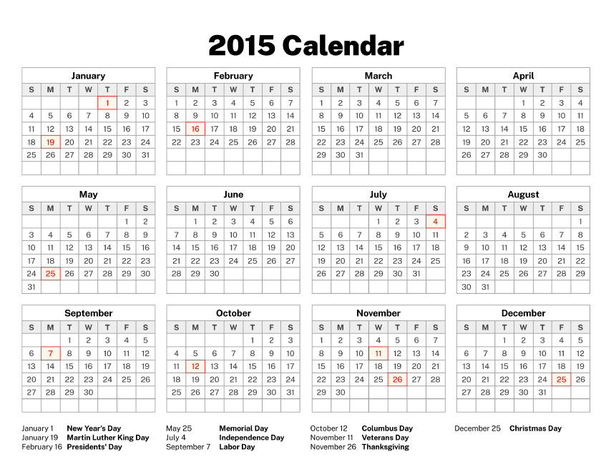
17 | 0 | 3 | 0 | 1 | 0 | 0 | 1 | 110 | 0 | 0 | 18 | 18 | 0 | 2 | 1 | 154 |  |  | 1
18 | 1 | 0 | 0 | 2 | 0 | 0 | 0 | 77 | 0 | 1 | 20 | 14 | 0 | 1 | 1 | 117 |  |  | 2
19 | 0 | 2 | 0 | 0 | 0 | 0 | 0 | 95 | 1 | 0 | 24 | 10 | 1 | 0 | 1 | 134 |  |  | 2
20 | 0 | 0 | 1 | 2 | 0 | 0 | 0 | 118 | 1 | 3 | 23 | 12 | 0 | 1 | 1 | 162 |  |  | 2
21 | 0 | 0 | 0 | 2 | 0 | 0 | 0 | 71 | 0 | 1 | 20 | 7 | 1 | 0 | 1 | 103 |  |  | 8.8571428571
22 | 0 | 2 | 0 | 0 | 0 | 0 | 1 | 79 | 1 | 2 | 27 | 5 | 1 | 0 | 2 | 120 |  |  | 4.1428571429
23 | 0 | 2 | 1 | 1 | 2 | 1 | 1 | 77 | 2 | 1 | 34 | 9 | 0 | 1 | 0 | 132 |  |  | 4.2857142857
24 | 0 | 0 | 0 | 1 | 0 | 0 | 0 | 85 | 2 | 2 | 19 | 11 | 1 | 4 | 1 | 126 |  |  | 10.857142857
25 | 0 | 4 | 1 | 1 | 1 | 1 | 1 | 105 | 3 | 0 | 39 | 13 | 1 | 1 | 2 | 173 |  |  | 8.8571428571
26 | 0 | 0 | 0 | 0 | 0 | 0 | 0 | 98 | 2 | 2 | 28 | 11 | 0 | 1 | 0 | 142 |  |  | 5
27 | 0 | 3 | 0 | 3 | 0 | 0 | 0 | 105 | 1 | 1 | 24 | 10 | 0 | 3 | 1 | 151 |  |  | 6
28 | 3 | 0 | 0 | 0 | 1 | 0 | 0 | 117 | 1 | 2 | 31 | 12 | 2 | 2 | 2 | 173 |  |  | 61
29 | 1 | 1 | 0 | 4 | 0 | 0 | 0 | 114 | 1 | 3 | 25 | 15 | 0 | 0 | 0 | 164
30 | 0 | 1 | 1 | 4 | 1 | 0 | 0 | 128 | 0 | 1 | 23 | 20 | 0 | 2 | 4 | 185
31 | 0 | 1 | 1 | 3 | 0 | 0 | 0 | 102 | 2 | 0 | 14 | 14 | 0 | 0 | 3 | 140
32 | 0 | 1 | 1 | 1 | 0 | 0 | 0 | 138 | 1 | 2 | 31 | 19 | 0 | 1 | 1 | 196
33 | 1 | 3 | 0 | 1 | 1 | 0 | 0 | 122 | 0 | 1 | 25 | 11 | 0 | 1 | 0 | 166
34 | 1 | 0 | 0 | 3 | 0 | 0 | 0 | 127 | 1 | 1 | 29 | 17 | 0 | 1 | 2 | 182
35 | 1 | 1 | 0 | 0 | 2 | 0 | 1 | 176 | 1 | 2 | 37 | 17 | 0 | 1 | 0 | 239
36 | 1 | 1 | 2 | 0 | 0 | 0 | 0 | 135 | 1 | 2 | 32 | 12 | 1 | 1 | 1 | 189
37 | 1 | 2 | 0 | 0 | 0 | 0 | 0 | 161 | 4 | 4 | 25 | 23 | 0 | 2 | 0 | 222
38 | 1 | 2 | 4 | 0 | 0 | 0 | 0 | 176 | 4 | 5 | 40 | 15 | 0 | 1 | 0 | 248
39 | 1 | 1 | 2 | 2 | 1 | 0 | 0 | 134 | 2 | 2 | 40 | 16 | 0 | 0 | 0 | 201
40 | 0 | 1 | 2 | 0 | 0 | 0 | 1 | 136 | 4 | 0 | 20 | 17 | 0 | 2 | 0 | 183
41 | 1 | 0 | 1 | 1 | 0 | 0 | 1 | 114 | 1 | 1 | 21 | 18 | 0 | 0 | 0 | 159
42 | 1 | 2 | 1 | 0 | 0 | 0 | 0 | 122 | 1 | 1 | 27 | 15 | 0 | 1 | 0 | 171
43 | 0 | 1 | 3 | 0 | 0 | 0 | 0 | 124 | 2 | 1 | 29 | 22 | 1 | 2 | 2 | 187
44 | 0 | 0 | 0 | 1 | 0 | 0 | 0 | 143 | 1 | 0 | 28 | 19 | 0 | 4 | 1 | 197
45 | 0 | 0 | 1 | 0 | 0 | 0 | 0 | 118 | 0 | 0 | 21 | 12 | 0 | 1 | 0 | 153
46 | 0 | 1 | 0 | 1 | 0 | 0 | 0 | 130 | 3 | 2 | 35 | 15 | 0 | 1 | 1 | 189
47 | 1 | 1 | 0 | 4 | 1 | 0 | 2 | 137 | 1 | 0 | 20 | 20 | 0 | 2 | 0 | 189
48 | 0 | 2 | 0 | 1 | 0 | 0 | 0 | 204 | 0 | 1 | 18 | 25 | 1 | 0 | 0 | 252
49 | 0 | 0 | 0 | 0 | 0 | 0 | 0 | 131 | 1 | 0 | 26 | 18 | 0 | 2 | 3 | 181
50 | 0 | 0 | 1 | 1 | 0 | 1 | 1 | 88 | 4 | 0 | 25 | 7 | 0 | 1 | 2 | 131
51 | 0 | 0 | 0 | 1 | 0 | 0 | 0 | 68 | 1 | 2 | 11 | 10 | 0 | 1 | 2 | 96
52 | 1 | 0 | 0 | 0 | 1 | 1 | 1 | 73 | 0 | 0 | 12 | 4 | 0 | 3 | 0 | 96
Total | 24 | 49 | 31 | 50 | 17 | 5 | 14 | 5348 | 61 | 64 | 1200 | 655 | 14 | 61 | 40 | 7633

CALENDAR YEAR 2014
CALENDAR YEAR 2014
EVENT DATE by CALENDAR WEEK | COUNTY |  |  |  |  |  |  |  |  |  |  |  |  |  |  |  |  | Maricopa |  | Pima | Pinal | AZ
 | APACHE | COCHISE | COCONINO | GILA | GRAHAM | GREENLEE | LA PAZ | MARICOPA | MOHAVE | NAVAJO | PIMA | PINAL | SANTA CRUZ | YAVAPAI | YUMA | Total
0 | 0 | 1 | 0 | 0 | 0 | 0 | 0 | 33 | 0 | 0 | 6 | 4 | 0 | 0 | 0 | 44
1 | 0 | 2 | 1 | 0 | 1 | 0 | 0 | 87 | 2 | 0 | 24 | 12 | 0 | 1 | 0 | 130 |  |  | 365
2 | 2 | 2 | 0 | 0 | 0 | 0 | 0 | 100 | 1 | 0 | 13 | 7 | 0 | 1 | 1 | 127 | JAN. | 406.71428571 | 396 | 82.285714286 | 38.857142857 | 564.85714286
3 | 0 | 0 | 1 | 0 | 0 | 0 | 2 | 83 | 3 | 1 | 23 | 9 | 0 | 2 | 1 | 125 | FEB. | 439 | 424 | 91.857142857 | 35.142857143 | 591.85714286
4 | 0 | 4 | 3 | 0 | 0 | 0 | 1 | 121 | 2 | 2 | 19 | 8 | 0 | 1 | 1 | 162 | MAR. | 418.28571429 | 455 | 77.285714286 | 54.857142857 | 574
5 | 0 | 1 | 0 | 1 | 0 | 0 | 0 | 108 | 2 | 1 | 24 | 7 | 0 | 1 | 0 | 145 | APR. | 372.28571429 | 485 | 81.571428571 | 43.714285714 | 529.28571429
6 | 1 | 2 | 1 | 0 | 0 | 0 | 0 | 104 | 0 | 0 | 26 | 12 | 2 | 0 | 0 | 148 | MAY | 419.71428571 | 516 | 82 | 57.428571429 | 595
7 | 0 | 1 | 0 | 0 | 0 | 0 | 0 | 112 | 0 | 1 | 16 | 9 | 1 | 2 | 0 | 142 | JUN. | 353.14285714 | 546 | 80.428571429 | 40.142857143 | 505.14285714
8 | 0 | 1 | 0 | 0 | 1 | 0 | 2 | 114 | 2 | 1 | 27 | 7 | 1 | 0 | 0 | 156 | JULY | 227 | 577 | 46.571428571 | 27.428571429 | 319.57142857
9 | 0 | 1 | 1 | 1 | 1 | 0 | 0 | 83 | 2 | 0 | 14 | 6 | 0 | 1 | 0 | 110 | AUG. | 224.71428571 | 608 | 62 | 33.428571429 | 347.85714286
10 | 0 | 0 | 0 | 1 | 0 | 0 | 0 | 109 | 1 | 2 | 17 | 12 | 0 | 0 | 0 | 142 | SEP. | 253.28571429 | 638 | 52.285714286 | 28.142857143 | 352.28571429
11 | 1 | 1 | 1 | 0 | 1 | 0 | 1 | 100 | 0 | 1 | 22 | 19 | 0 | 0 | 0 | 147 | OCT. | 223.14285714 | 669 | 61 | 22.285714286 | 325.71428571
12 | 0 | 0 | 1 | 0 | 0 | 0 | 1 | 84 | 0 | 0 | 17 | 14 | 0 | 1 | 1 | 119 | NOV. | 225.28571429 | 699 | 57.142857143 | 30 | 338.85714286
13 | 0 | 4 | 0 | 1 | 0 | 0 | 0 | 91 | 0 | 0 | 12 | 10 | 0 | 0 | 0 | 118 | DEC. | 315.42857143 | 730 | 58.571428571 | 33.571428571 | 435.57142857
14 | 1 | 2 | 1 | 1 | 0 | 0 | 1 | 79 | 0 | 1 | 18 | 11 | 0 | 1 | 2 | 118 | toal | 3878 |  | 833 | 445 | 5480
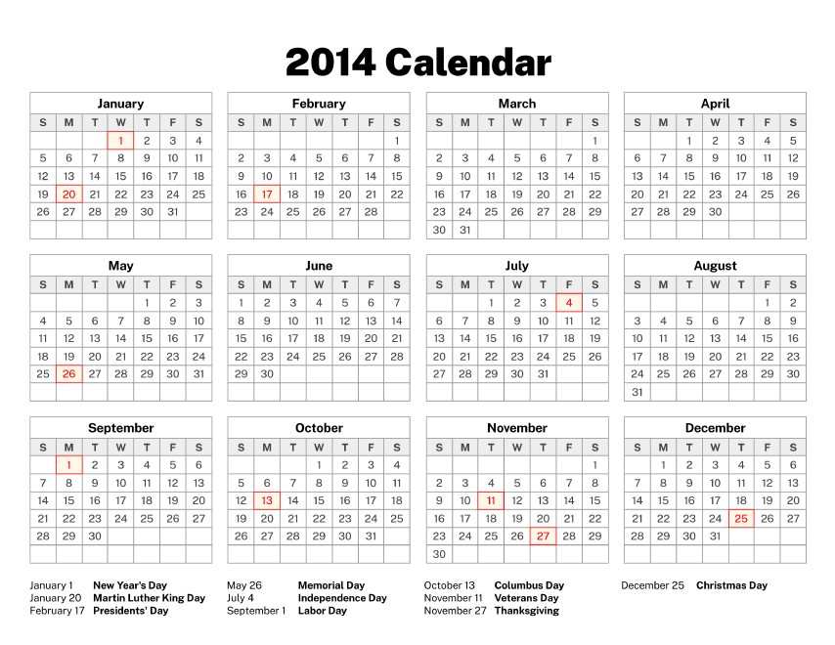
15 | 0 | 1 | 0 | 4 | 1 | 0 | 0 | 81 | 1 | 0 | 19 | 9 | 0 | 1 | 2 | 119
16 | 0 | 0 | 0 | 0 | 0 | 0 | 0 | 93 | 0 | 1 | 20 | 12 | 0 | 0 | 2 | 128
17 | 0 | 3 | 2 | 0 | 0 | 0 | 1 | 95 | 1 | 1 | 28 | 8 | 0 | 0 | 1 | 140
18 | 0 | 3 | 0 | 1 | 0 | 0 | 1 | 114 | 0 | 1 | 21 | 13 | 2 | 0 | 0 | 156
19 | 1 | 1 | 0 | 0 | 0 | 0 | 1 | 99 | 2 | 1 | 9 | 16 | 1 | 1 | 0 | 132
20 | 1 | 0 | 0 | 2 | 0 | 0 | 1 | 100 | 1 | 1 | 26 | 11 | 0 | 2 | 0 | 145
21 | 0 | 3 | 1 | 0 | 0 | 0 | 0 | 66 | 3 | 0 | 14 | 14 | 0 | 1 | 0 | 102
22 | 0 | 1 | 2 | 1 | 1 | 0 | 0 | 97 | 0 | 1 | 23 | 13 | 0 | 0 | 0 | 139
23 | 0 | 0 | 1 | 4 | 0 | 0 | 0 | 94 | 1 | 1 | 14 | 9 | 1 | 1 | 0 | 126
24 | 1 | 0 | 0 | 1 | 0 | 1 | 0 | 87 | 4 | 0 | 16 | 10 | 0 | 1 | 1 | 122
25 | 0 | 1 | 1 | 1 | 0 | 0 | 0 | 60 | 1 | 0 | 24 | 7 | 0 | 2 | 0 | 97
26 | 1 | 1 | 0 | 0 | 0 | 0 | 0 | 53 | 2 | 0 | 12 | 4 | 0 | 1 | 0 | 74
27 | 0 | 0 | 0 | 0 | 0 | 0 | 0 | 54 | 2 | 1 | 10 | 7 | 0 | 0 | 0 | 74
28 | 0 | 0 | 0 | 0 | 0 | 0 | 0 | 55 | 1 | 0 | 7 | 2 | 0 | 0 | 1 | 66
29 | 0 | 1 | 0 | 0 | 1 | 0 | 0 | 38 | 1 | 1 | 11 | 7 | 0 | 0 | 1 | 61
30 | 0 | 3 | 0 | 1 | 0 | 0 | 0 | 59 | 1 | 0 | 14 | 12 | 0 | 0 | 2 | 92
31 | 0 | 0 | 2 | 0 | 0 | 0 | 0 | 38 | 1 | 0 | 16 | 11 | 0 | 0 | 1 | 69
32 | 0 | 0 | 0 | 0 | 1 | 0 | 0 | 48 | 1 | 0 | 13 | 10 | 0 | 1 | 0 | 74
33 | 0 | 8 | 1 | 0 | 0 | 0 | 0 | 62 | 1 | 0 | 10 | 3 | 1 | 0 | 0 | 86
34 | 0 | 1 | 0 | 1 | 1 | 0 | 0 | 53 | 0 | 1 | 18 | 5 | 1 | 2 | 0 | 83
35 | 1 | 2 | 0 | 0 | 0 | 0 | 1 | 48 | 1 | 0 | 7 | 7 | 0 | 0 | 0 | 67
36 | 0 | 0 | 0 | 0 | 0 | 0 | 0 | 59 | 0 | 0 | 12 | 8 | 0 | 0 | 0 | 79
37 | 0 | 1 | 1 | 1 | 0 | 0 | 0 | 76 | 0 | 1 | 13 | 8 | 0 | 3 | 1 | 105
38 | 0 | 0 | 0 | 1 | 0 | 0 | 0 | 57 | 2 | 0 | 14 | 4 | 0 | 2 | 0 | 80
39 | 0 | 1 | 1 | 0 | 0 | 0 | 0 | 47 | 1 | 0 | 17 | 5 | 0 | 0 | 0 | 72
40 | 0 | 0 | 1 | 0 | 0 | 0 | 0 | 51 | 0 | 1 | 18 | 5 | 0 | 0 | 0 | 76
41 | 1 | 0 | 0 | 1 | 0 | 0 | 0 | 56 | 1 | 0 | 9 | 4 | 0 | 0 | 1 | 73
42 | 1 | 1 | 0 | 0 | 0 | 2 | 0 | 49 | 2 | 0 | 14 | 7 | 0 | 1 | 2 | 79
43 | 0 | 0 | 0 | 1 | 0 | 0 | 0 | 47 | 0 | 0 | 12 | 4 | 1 | 1 | 0 | 66
44 | 0 | 0 | 2 | 0 | 0 | 0 | 1 | 62 | 2 | 0 | 16 | 10 | 0 | 0 | 0 | 93
45 | 0 | 2 | 0 | 0 | 0 | 0 | 0 | 42 | 1 | 1 | 19 | 4 | 0 | 3 | 0 | 72
46 | 0 | 0 | 0 | 3 | 2 | 0 | 1 | 49 | 1 | 1 | 12 | 8 | 0 | 0 | 0 | 77
47 | 0 | 1 | 0 | 1 | 0 | 0 | 0 | 54 | 0 | 1 | 6 | 6 | 0 | 1 | 1 | 71
48 | 0 | 3 | 0 | 1 | 2 | 0 | 0 | 81 | 1 | 0 | 17 | 10 | 0 | 0 | 0 | 115
49 | 0 | 1 | 1 | 1 | 0 | 0 | 1 | 84 | 0 | 1 | 15 | 7 | 1 | 0 | 0 | 112
50 | 0 | 0 | 2 | 0 | 1 | 1 | 0 | 83 | 1 | 2 | 9 | 6 | 0 | 1 | 0 | 106
51 | 0 | 1 | 0 | 1 | 0 | 0 | 0 | 40 | 0 | 1 | 9 | 9 | 0 | 1 | 1 | 63
52 | 0 | 0 | 0 | 1 | 0 | 0 | 0 | 39 | 0 | 0 | 11 | 3 | 0 | 1 | 1 | 56
Total | 12 | 62 | 28 | 33 | 14 | 4 | 16 | 3878 | 52 | 29 | 833 | 445 | 12 | 38 | 24 | 5480

CALENDAR YEAR 2013
CALENDAR YEAR 2013
EVENT DATE by CALENDAR WEEK | COUNTY
 | APACHE | COCHISE | COCONINO | GILA | GRAHAM | GREENLEE | LA PAZ | MARICOPA | MOHAVE | NAVAJO | PIMA | PINAL | SANTA CRUZ | YAVAPAI | YUMA | Total |  | Maricopa | JAN. | FEB. | MAR. | APR. | MAY | JUN. | JULY | AUG. | SEP. | OCT. | NOV. | DEC. | toal
0 | 1 | 0 | 0 | 1 | 1 | 0 | 0 | 76 | 1 | 0 | 22 | 12 | 0 | 0 | 0 | 114 |  |  | 514 | 323.71428571 | 232.71428571 | 258.14285714 | 294.14285714 | 286 | 305 | 324.28571429 | 281.42857143 | 337.28571429 | 500.28571429 | 460 | 4117
1 | 0 | 0 | 0 | 1 | 0 | 0 | 0 | 125 | 1 | 3 | 31 | 15 | 0 | 2 | 1 | 179 |  | 0 | 31 | 59 | 90 | 120 | 151 | 181 | 212 | 243 | 273 | 304 | 334 | 365
2 | 1 | 3 | 3 | 0 | 0 | 0 | 0 | 117 | 1 | 3 | 31 | 9 | 1 | 1 | 2 | 172
3 | 0 | 0 | 1 | 1 | 3 | 0 | 1 | 126 | 1 | 0 | 21 | 10 | 1 | 0 | 2 | 167
4 | 0 | 0 | 1 | 3 | 0 | 0 | 0 | 98 | 2 | 3 | 16 | 4 | 0 | 4 | 1 | 132
5 | 0 | 1 | 0 | 0 | 1 | 0 | 2 | 107 | 0 | 2 | 23 | 11 | 0 | 1 | 1 | 149 |  | Pima | 116.42857143 | 70.571428571 | 42.285714286 | 62.571428571 | 71.714285714 | 88.285714286 | 71.285714286 | 88.857142857 | 72.285714286 | 80.285714286 | 106.42857143 | 137 | 1008
6 | 0 | 1 | 1 | 0 | 0 | 0 | 0 | 80 | 2 | 0 | 13 | 12 | 0 | 4 | 1 | 114
7 | 0 | 1 | 1 | 1 | 0 | 0 | 0 | 73 | 0 | 0 | 15 | 10 | 0 | 1 | 1 | 103 |  | Pinal | 48.857142857 | 36.285714286 | 15.428571429 | 17.714285714 | 34.142857143 | 33.571428571 | 30.571428571 | 35.428571429 | 25.428571429 | 34.142857143 | 41.428571429 | 61 | 414
8 | 1 | 1 | 0 | 2 | 0 | 0 | 0 | 50 | 2 | 0 | 21 | 3 | 0 | 1 | 0 | 81
9 | 0 | 0 | 0 | 1 | 0 | 0 | 0 | 73 | 1 | 2 | 11 | 2 | 0 | 0 | 2 | 92 |  | AZ | 726.28571429 | 461.57142857 | 326 | 356.42857143 | 425 | 431.57142857 | 431.42857143 | 463.71428571 | 401.14285714 | 489.71428571 | 682.14285714 | 696 | 5891
10 | 0 | 3 | 0 | 1 | 0 | 0 | 1 | 49 | 2 | 0 | 5 | 6 | 0 | 1 | 1 | 69
11 | 1 | 1 | 0 | 1 | 0 | 0 | 0 | 45 | 3 | 2 | 6 | 3 | 0 | 3 | 0 | 65
12 | 0 | 3 | 0 | 0 | 1 | 0 | 0 | 44 | 1 | 0 | 12 | 2 | 1 | 0 | 1 | 65
13 | 0 | 3 | 0 | 0 | 0 | 0 | 0 | 52 | 1 | 0 | 16 | 11 | 0 | 0 | 0 | 83 | Maricopa |  | 0 |  | Pima | Pinal |  |  |  | AZ
14 | 0 | 0 | 0 | 3 | 0 | 0 | 0 | 65 | 0 | 2 | 13 | 1 | 0 | 1 | 0 | 85 | JAN. | 514 | 31 |  | 116.42857143 | 48.857142857 |  |  |  | 726.28571429
15 | 0 | 2 | 1 | 0 | 0 | 0 | 0 | 62 | 1 | 0 | 22 | 1 | 0 | 0 | 0 | 89 | FEB. | 323.71428571 | 59 |  | 70.571428571 | 36.285714286 |  |  |  | 461.57142857
16 | 1 | 0 | 0 | 0 | 0 | 0 | 0 | 63 | 1 | 0 | 7 | 2 | 0 | 0 | 0 | 74 | MAR. | 232.71428571 | 90 |  | 42.285714286 | 15.428571429 |  |  |  | 326
17 | 1 | 2 | 0 | 0 | 0 | 0 | 0 | 55 | 3 | 0 | 16 | 10 | 0 | 0 | 0 | 87 | APR. | 258.14285714 | 120 |  | 62.571428571 | 17.714285714 |  |  |  | 356.42857143
18 | 1 | 3 | 0 | 0 | 0 | 0 | 0 | 72 | 2 | 1 | 21 | 6 | 0 | 2 | 0 | 108 | MAY | 294.14285714 | 151 |  | 71.714285714 | 34.142857143 |  |  |  | 425
19 | 0 | 2 | 0 | 1 | 0 | 0 | 0 | 70 | 0 | 1 | 15 | 11 | 0 | 1 | 1 | 102 | JUN. | 286 | 181 |  | 88.285714286 | 33.571428571 |  |  |  | 431.57142857
20 | 1 | 2 | 0 | 0 | 1 | 0 | 0 | 65 | 0 | 0 | 12 | 8 | 0 | 0 | 0 | 89 | JULY | 305 | 212 |  | 71.285714286 | 30.571428571 |  |  |  | 431.42857143
21 | 0 | 1 | 0 | 2 | 0 | 0 | 0 | 65 | 0 | 0 | 17 | 4 | 0 | 0 | 0 | 89 | AUG. | 324.28571429 | 243 |  | 88.857142857 | 35.428571429 |  |  |  | 463.71428571
22 | 0 | 1 | 0 | 1 | 0 | 0 | 0 | 60 | 0 | 1 | 26 | 10 | 0 | 1 | 0 | 100 | SEP. | 281.42857143 | 273 |  | 72.285714286 | 25.428571429 |  |  |  | 401.14285714
23 | 0 | 0 | 0 | 0 | 2 | 0 | 0 | 63 | 1 | 0 | 22 | 9 | 0 | 0 | 1 | 98 | OCT. | 337.28571429 | 304 |  | 80.285714286 | 34.142857143 |  |  |  | 489.71428571
24 | 0 | 2 | 0 | 3 | 0 | 0 | 1 | 72 | 1 | 0 | 15 | 7 | 0 | 1 | 0 | 102 | NOV. | 500.28571429 | 334 |  | 106.42857143 | 41.428571429 |  |  |  | 682.14285714
25 | 0 | 2 | 1 | 0 | 0 | 0 | 1 | 74 | 0 | 2 | 21 | 6 | 0 | 1 | 0 | 108 | DEC. | 460 | 365 |  | 137 | 61 |  |  |  | 696
26 | 0 | 0 | 1 | 0 | 0 | 0 | 0 | 54 | 0 | 0 | 13 | 7 | 0 | 1 | 0 | 76 | toal | 4117 |  |  | 1008 | 414 |  |  |  | 5891
27 | 0 | 2 | 0 | 1 | 0 | 0 | 0 | 58 | 2 | 1 | 21 | 6 | 1 | 0 | 0 | 92
28 | 0 | 1 | 0 | 1 | 0 | 0 | 0 | 62 | 1 | 2 | 20 | 5 | 1 | 2 | 0 | 95
29 | 0 | 1 | 0 | 0 | 0 | 0 | 0 | 77 | 1 | 1 | 10 | 9 | 0 | 2 | 0 | 101
30 | 1 | 0 | 0 | 1 | 1 | 0 | 0 | 108 | 1 | 0 | 16 | 8 | 0 | 0 | 1 | 137

31 | 0 | 0 | 0 | 0 | 1 | 0 | 0 | 77 | 2 | 0 | 16 | 5 | 0 | 0 | 0 | 101
32 | 0 | 0 | 1 | 0 | 0 | 0 | 1 | 59 | 1 | 0 | 22 | 8 | 0 | 0 | 0 | 92
33 | 0 | 0 | 0 | 1 | 0 | 0 | 0 | 71 | 2 | 1 | 23 | 6 | 0 | 1 | 0 | 105
34 | 0 | 0 | 0 | 0 | 1 | 0 | 1 | 71 | 0 | 0 | 21 | 13 | 0 | 0 | 0 | 107
35 | 0 | 1 | 0 | 0 | 0 | 0 | 0 | 62 | 1 | 0 | 13 | 10 | 1 | 0 | 1 | 89
36 | 0 | 1 | 0 | 1 | 0 | 0 | 1 | 68 | 1 | 0 | 13 | 4 | 0 | 1 | 0 | 90
37 | 1 | 0 | 0 | 1 | 0 | 0 | 0 | 59 | 1 | 0 | 26 | 8 | 2 | 0 | 0 | 98
38 | 1 | 1 | 0 | 1 | 0 | 0 | 0 | 73 | 0 | 0 | 18 | 2 | 0 | 1 | 0 | 97
39 | 0 | 3 | 1 | 1 | 0 | 0 | 0 | 68 | 2 | 2 | 8 | 5 | 2 | 1 | 2 | 95
40 | 0 | 2 | 1 | 1 | 1 | 0 | 0 | 75 | 2 | 0 | 21 | 3 | 1 | 3 | 1 | 111
41 | 0 | 0 | 0 | 1 | 0 | 0 | 1 | 69 | 0 | 0 | 17 | 11 | 1 | 0 | 0 | 100
42 | 1 | 2 | 0 | 0 | 0 | 0 | 0 | 84 | 3 | 0 | 18 | 13 | 0 | 1 | 1 | 123
43 | 0 | 1 | 1 | 2 | 0 | 0 | 0 | 85 | 2 | 0 | 26 | 5 | 1 | 0 | 0 | 123
44 | 0 | 1 | 4 | 1 | 1 | 0 | 0 | 99 | 1 | 0 | 17 | 6 | 0 | 1 | 0 | 131
45 | 0 | 1 | 0 | 1 | 1 | 0 | 0 | 131 | 1 | 1 | 30 | 13 | 0 | 1 | 0 | 180
46 | 1 | 4 | 1 | 0 | 0 | 1 | 0 | 138 | 2 | 0 | 28 | 9 | 1 | 1 | 0 | 186
47 | 0 | 2 | 1 | 0 | 0 | 0 | 1 | 108 | 0 | 1 | 24 | 12 | 0 | 1 | 0 | 150
48 | 1 | 0 | 0 | 1 | 1 | 0 | 0 | 141 | 4 | 1 | 29 | 13 | 0 | 2 | 0 | 193
49 | 0 | 2 | 0 | 1 | 1 | 0 | 0 | 134 | 1 | 2 | 32 | 18 | 2 | 1 | 1 | 195
50 | 0 | 0 | 0 | 0 | 0 | 0 | 1 | 90 | 1 | 1 | 39 | 15 | 3 | 0 | 1 | 151
51 | 0 | 0 | 0 | 0 | 0 | 0 | 2 | 49 | 1 | 0 | 23 | 6 | 0 | 2 | 2 | 85
52 | 0 | 1 | 1 | 0 | 0 | 0 | 0 | 46 | 0 | 0 | 14 | 9 | 1 | 0 | 0 | 72
Total | 14 | 60 | 21 | 38 | 17 | 1 | 14 | 4117 | 60 | 35 | 1008 | 414 | 20 | 47 | 25 | 5891

