Expandable Info
Multi Function Expandable Banner

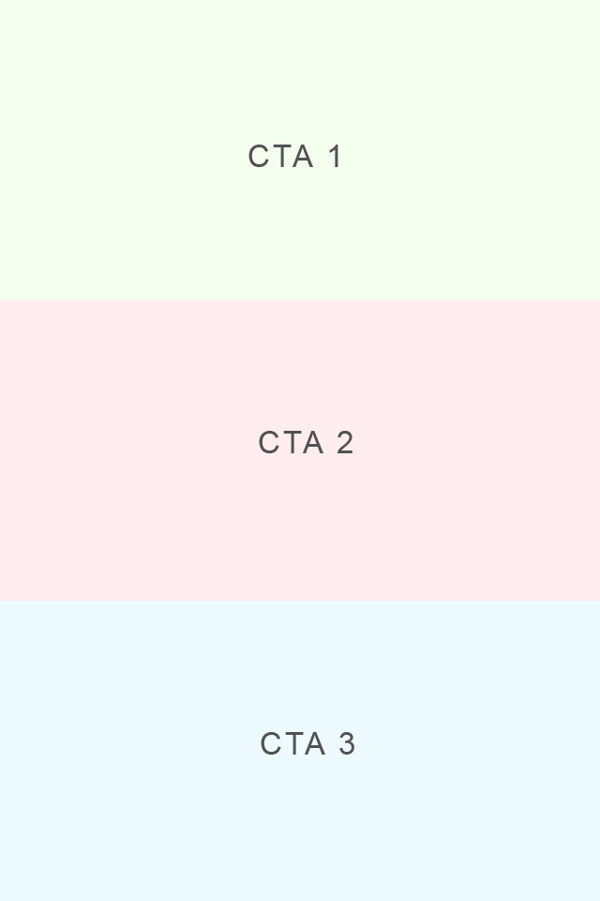
 | 640x960 Panel (less than 150K) | CTA Functions | Required Info
 |  | Click to website | Website URL
 |  | Click to call | Phone Number
 |  | Click to map | Map URL
 |  | Click to email | To Email Address, Subject line, Body/Message (200 Characters max)
 |  | Click to Coupon | Coupon Image file (640x960 less than 100K)
 |  | Click to calendar (iOS only) | .ics File

 |  | Panel Section | CTA Choice | CTA Info needed

 |  | CTA 1
 |  | CTA 2
 |  | CTA 3

 |  | Additional Notes

 |  | Corresponding Campaign Link

 |  | * For more information on expanable banners, please click here

