Critical Path Method
 | Work Breakdown Structure (WBS)
 |  |  |  |  |  |  | Relationships | Tasks
 | Box with green background = Project name |  |  |  |  |  | Finish-to Start | 1.1→1.2; 1.1→1.3; 1.2→2.1; 1.3→2.1; 2.1→2.2; 2.2→2.3; 1.2→2.4; 2.3→3.1; 2.3→3.2; 3.1→3.3; 2.4→3.3; 3.2→3.4; 3.3→3.4; 3.4→4.1; 4.1→4.2; 4.2→4.3; 4.3→4.4; 4.1→5.1; 4.4→5.2; 5.1→5.2; 5.2→5.3; 5.3→5.4
 | Boxes with pink background = Phases |  |  |  |  |  | Start-to Finish | (none; not used)
 | Boxes with reddish brown background = Tasks |  |  |  |  |  | Start-to Start | 1.2→1.3; 3.1→3.2
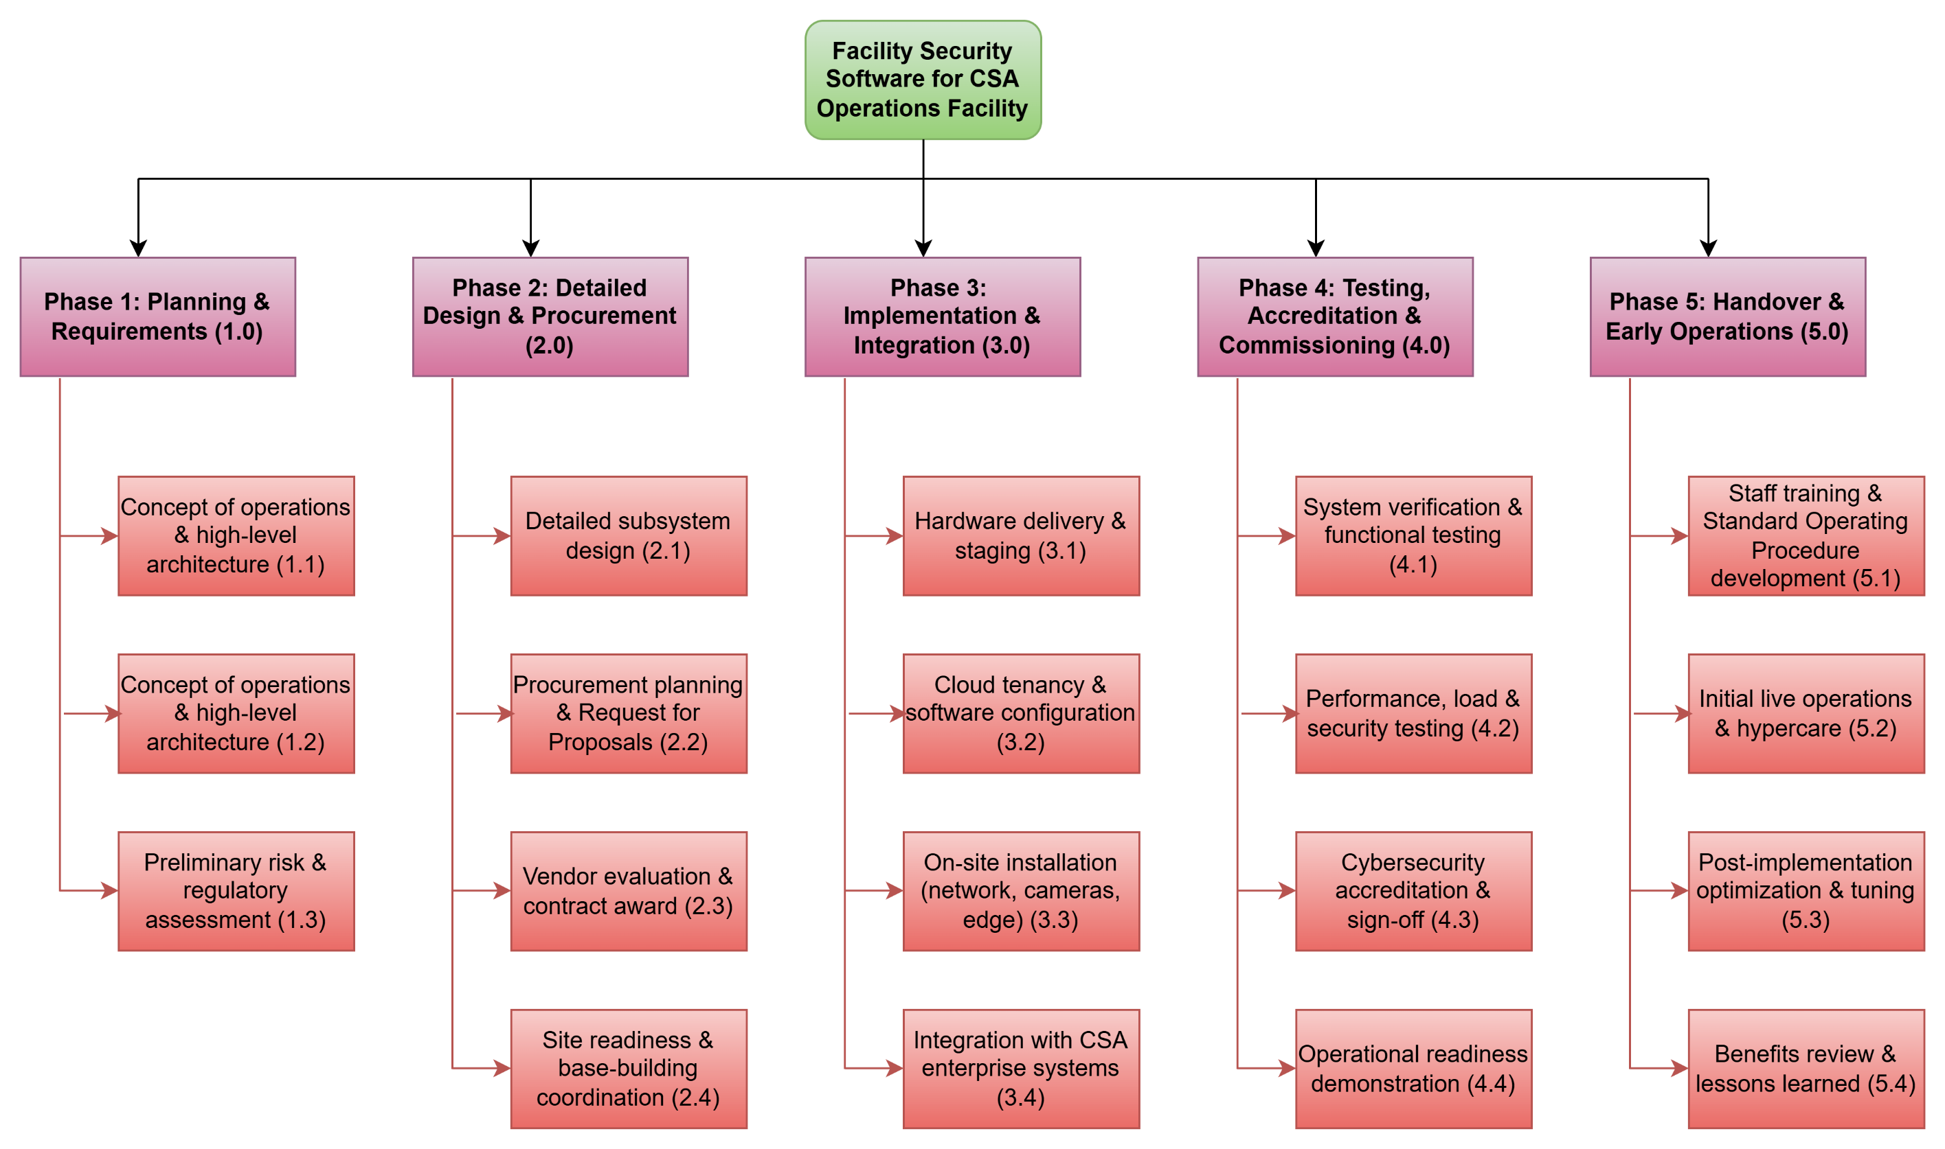
 |  |  |  |  |  |  | Finish-to Finish | (none; not used)

 |  |  |  |  |  |  | CPM Diagram

 | Critical Path Method

Task ID | Task Description | Dependency (Finish-to-Start unless otherwise mentioned) | Duration (months) | Discussion/Reference
1.1 | Stakeholder and requirements definition | - | 3 | Kickoff, interviews, requirements baseline
1.2 | Concept of operations & high‑level architecture | 1.1 (Start-to-Start because risk assessment can start when architecture starts) | 3 | Needs agreed requirements
1.3 | Preliminary risk & regulatory assessment | 1.1 (Start-to-Start because risk assessment can start when architecture starts) | 2 | Can run in parallel with 1.2
2.1 | Detailed subsystem design | 1.2, 1.3 | 4 | Uses architecture + risk constraints
2.2 | Procurement planning & Request for Proposals [2] [3]* | 2.1 | 3 | Specs depend on detailed design
2.3 | Vendor evaluation & contract award | 2.2 | 3 | After Request of Proposal responses
2.4 | Site readiness & base‑building coordination | 1.2 | 4 | Starts once high‑level layout known
3.1 | Hardware delivery & staging | 2.3 (Start-to-Start because hardware staging and cloud configuration can start together) | 3 | After contracts signed |  |  |  | The CPM diagram followed the following format from the lecture 05 slide on Project Management and CPM:
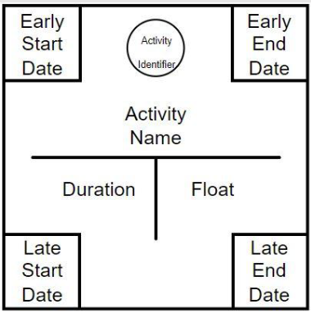
3.2 | Cloud tenancy & software configuration | 2.3 (Start-to-Start because hardware staging and cloud configuration can start together) | 3 | Parallel with 3.1
3.3 | On‑site installation (network, cameras, edge) | 3.1, 2.4 | 4 | Needs hardware + ready spaces
3.4 | Integration with CSA enterprise systems | 3.2, 3.3 | 4 | Needs Infrastructure as Code (IaC) + configured software
4.1 | System verification & functional testing [4]* | 3.4 | 3 | After integration complete
4.2 | Performance, load & security testing [4]* | 4.1 | 3 | Builds on basic verification
4.3 | Cybersecurity accreditation & sign‑off [5]* | 4.2, 1.3 | 4 | Uses test evidence + risk baseline
4.4 | Operational readiness demonstration | 4.3 | 2 | Final pre‑go‑live checkpoint
5.1 | Staff training & Standard Operating Procedure development | 4.1 | 3 | Can overlap with 4.2/4.3
5.2 | Initial live operations & hypercare | 4.4, 5.1 | 4 | Needs accreditation + trained staff
5.3 | Post‑implementation optimization & tuning | 5.2 | 4 | Based on early operations data
5.4 | Benefits review & lessons learned | 5.3 | 2 | After optimization phase

 | *IEEE references can be found in the Word doc

 | Calculation to get various values in the CPM diagram is below:

Task ID | Task Description | Duration (months) | Early start date | Early finish date | Late start date | Late finish date | Float
1.1 | Stakeholder and requirements definition | 3 | 0 | 3 | 0 | 3 | 0
1.2 | Concept of operations & high‑level architecture | 3 | 3 | 6 | 3 | 6 | 0
1.3 | Preliminary risk & regulatory assessment | 2 | 3 | 5 | 4 | 6 | 1
2.1 | Detailed subsystem design | 4 | 6 | 10 | 6 | 10 | 0
2.2 | Procurement planning & Request for Proposals | 3 | 10 | 13 | 10 | 13 | 0
2.3 | Vendor evaluation & contract award | 3 | 13 | 16 | 13 | 16 | 0
2.4 | Site readiness & base‑building coordination | 4 | 6 | 10 | 15 | 19 | 9
3.1 | Hardware delivery & staging | 3 | 16 | 19 | 16 | 19 | 0
3.2 | Cloud tenancy & software configuration | 3 | 16 | 19 | 20 | 23 | 4
3.3 | On‑site installation (network, cameras, edge) | 4 | 19 | 23 | 19 | 23 | 0
3.4 | Integration with CSA enterprise systems | 4 | 23 | 27 | 23 | 27 | 0
4.1 | System verification & functional testing | 3 | 27 | 30 | 27 | 30 | 0
4.2 | Performance, load & security testing | 3 | 30 | 33 | 30 | 33 | 0
4.3 | Cybersecurity accreditation & sign‑off | 4 | 33 | 37 | 33 | 37 | 0
4.4 | Operational readiness demonstration | 2 | 37 | 39 | 37 | 39 | 0
5.1 | Staff training & Standard Operating Procedure development | 3 | 30 | 33 | 36 | 39 | 6
5.2 | Initial live operations & hypercare | 4 | 39 | 43 | 39 | 43 | 0
5.3 | Post‑implementation optimization & tuning | 4 | 43 | 47 | 43 | 47 | 0
5.4 | Benefits review & lessons learned | 2 | 47 | 49 | 47 | 49 | 0

