Critical Path Method
 | Critical Path Method
 | Note: The CPM should be done in an external app/hand drawn OR in the table.
 | Task | Dependency | Duration (Weeks) | Discussion/Reference | Relationships | Tasks | Works Cited | Work Breakdown Structure
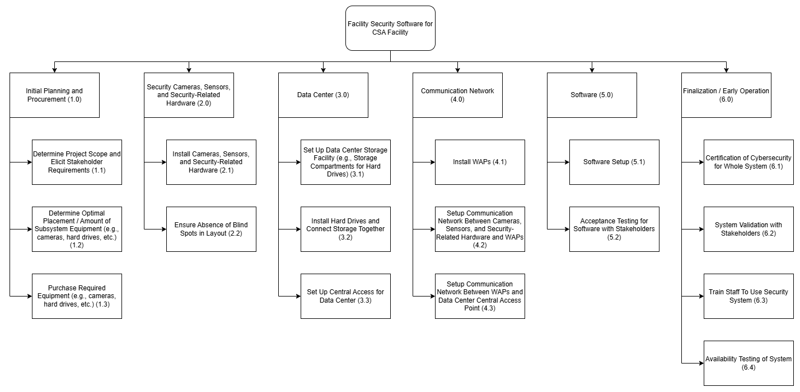
1.1 | Determine Project Scope and Elicit Stakeholder Requirements | N/A | 2 | We will first take two weeks to define the project scope and elicit the requirements of the subsystem from our stakeholders. | Finish-to Start | All Tasks | [1] Canada Post, "Compare International Shipping Services," Canada Post, [Online]. Available: https://www.canadapost-postescanada.ca/cpc/en/personal/send-internationally/compare-services.page. [Accessed 29 January 2025]. [2] R. Vong, "User Acceptance Testing: Complete 2025 Guide for Agencies & Development Teams," Bugherd, 7 November 2025. [Online]. Available: https://bugherd.com/blog/user-acceptance-testing. [Accessed 29 January 2026]. [3] Compleye, "What does it take to get ISO 27001 certified?," Compleye, [Online]. Available: https://compleye.io/what-does-it-take-to-get-iso-27001-certified/. [Accessed 29 January 2026]. [4] J. Ng, "User Acceptance Testing (UAT): The Guide for End-user and Business Analyst," Our Sky, [Online]. Available: https://www.oursky.com/blogs/user-acceptance-testing-uat-the-guide-for-end-user-and-business-analyst. [Accessed 29 January 2026]. [5] L. Trisca, "How Long Should Onboarding Take? Best Practices and Ideal Timeline," Deel, 6 March 2025. [Online]. Available: https://www.deel.com/blog/how-long-should-onboarding-take-timeline/. [Accessed 29 January 2026].
1.2 | Determine Optimal Placement / Amount of Subsystem Equipment (e.g., cameras, hard drives, etc.) | 1.1 | 4 | Getting more accurate measures of the amount of equipment required (e.g., cameras), where they should be placed, etc. will take a while due to the scale of the subsystem. Therefore, this task is estimated to take around 4 weeks. | Start-to Finish | N/A
1.3 | Purchase Required Equipment (e.g., cameras, hard drives, etc.) | 1.2 | 1 | Assuming the equipment is being shipped internationally, it will take around one week to arrive [1]. | Start-to Start | N/A
2.1 | Install Cameras, Sensors, and Security-Related Hardware | 1.3 | 2 | This task involves installing all of the cameras, sensors, etc. For the duration, it is assumed that all necessary infrastructure is already in place (e.g., power lines). Due to the large number of devices that need to be installed , a 2 week duration is estimated. | Finish-to Finish | N/A
2.2 | Check Installation of Cameras, Sensors, and Security-Related Hardware for Faults That Could Cause Breakdown | 2.1 | 1 | Assuming the majority of the devices were installed properly and are physically sound, this is a simple check that should take no more than one week.
3.1 | Set Up Data Center Storage Facility (e.g., Storage Compartments for Hard Drives) | 1.3 | 2 | This task involves getting the room ready to become a data center such as setting up the storage containers for the hard drives. This is a relatively trivial task and should take no more than 2 weeks.
3.2 | Install Hard Drives and Connect Storage Together | 3.1 | 1 | Installing the hard drives and connecting them together with cables is relatively trivial and as such, can be finished very quickly (1 week). |  |  |  | Critical Path Method Diagram
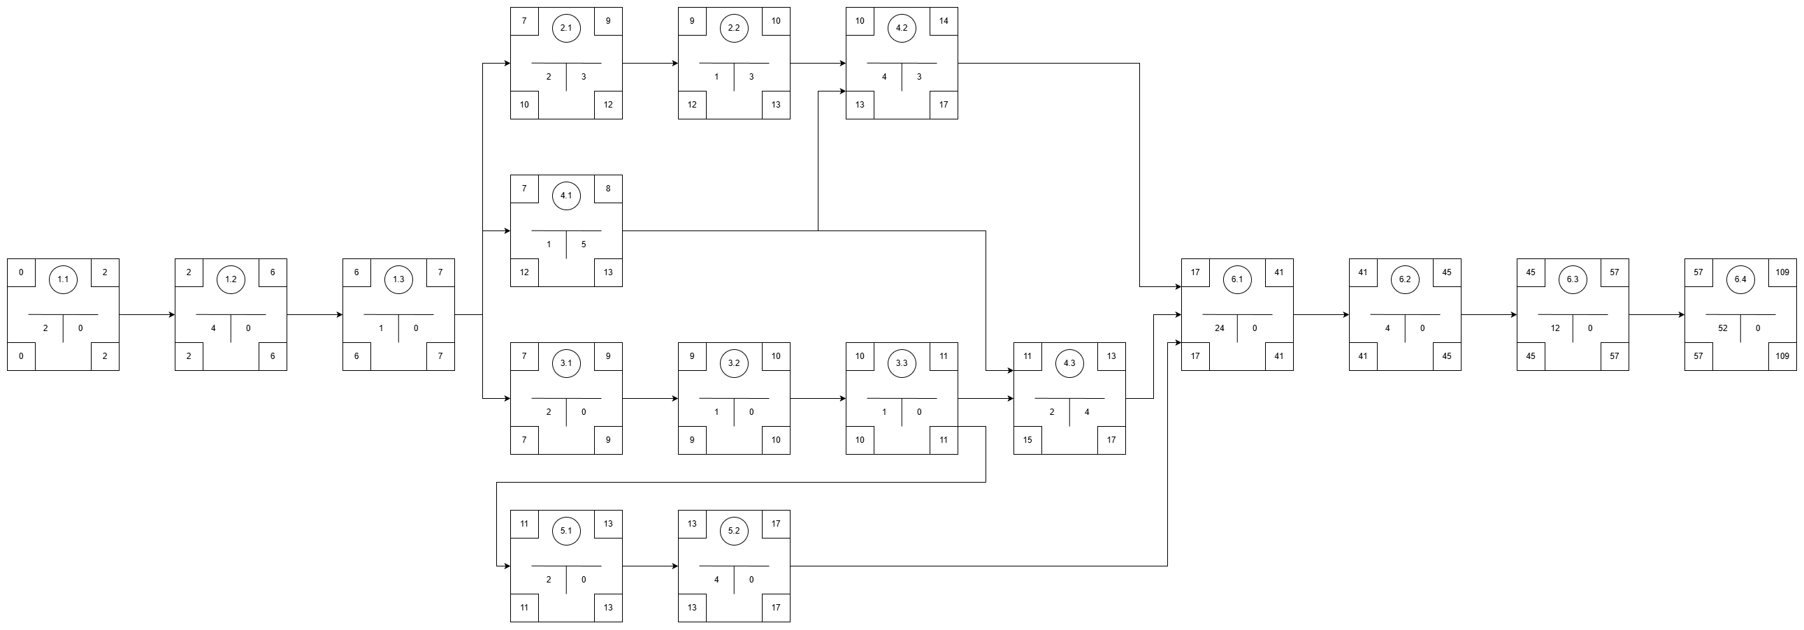
3.3 | Set Up Central Access for Data Center | 3.2 | 1 | This involves setting up a central computer/server in which all the data can be accessed and connecting it to the data storage. Again, this is trivial and should not take much time to complete (1 week).
4.1 | Install WAPs | 1.3 | 1 | Similar to the cameras, sensors, and security-related devices, installing the WAPs should be a straightforward process (again assuming that the necessary infrastructure is already in place). However, there are much less WAPs than there are cameras, sensors, etc. Therefore, this task should only take one week.
4.2 | Set Up Communication Network Between Cameras, Sensors, and Security-Related Hardware and WAPs | 4.1 and 2.2 | 4 | This is an extensive process to be done by the Network Engineer. There are many cameras, sensors, etc. that must be connected to the various WAPs. Then there is the process of ensuring all the networking is being done properly and is secured with WPA3. Therefore, we give this task a long duration of four weeks.
4.3 | Set Up Communication Network Between WAPs and Data Center Central Access Point | 4.1 and 3.3 | 2 | This is the same process as 4.2, except that there are much less WAPs than there are cameras, sensors, etc. Therefore, it will take two weeks less than 4.2.
5.1 | Software Setup | 3.3 | 2 | Security system software already exists and can be utilized within this subsystem. Assuming only slight modifications are required to fit the facility's specific needs, this should not take more than two weeks to setup on the central access for the data center.
5.2 | Acceptance Testing for Software with Stakeholders | 5.1 | 4 | Generally, Acceptance Testing with users takes around 4 weeks [2]. Note that this timeframe includes necessary modifications to the software based on stakeholder feedback.
6.1 | Certification of Cybersecurity for Whole System | 4.2, 4.3, and 5.2 | 24 | Assuming the certification is ISO 27001 (a standard cybersecurity certification), it takes about 6 months to get certified [3].
6.2 | System Validation with Stakeholders | 6.1 | 4 | To ensure that the entire security subsystem meets all stakeholder needs, we will need one month of testing [4].
6.3 | Train Staff To Use Security System | 6.2 | 12 | Generally, it takes employees three months to be fully trained and ready to work effectively [5].
6.4 | Availability Testing of System | 6.3 | 52 | This will be an ongoing process throughout the first year of the subsystem's use to make sure it keeps up with the required availability.

