info
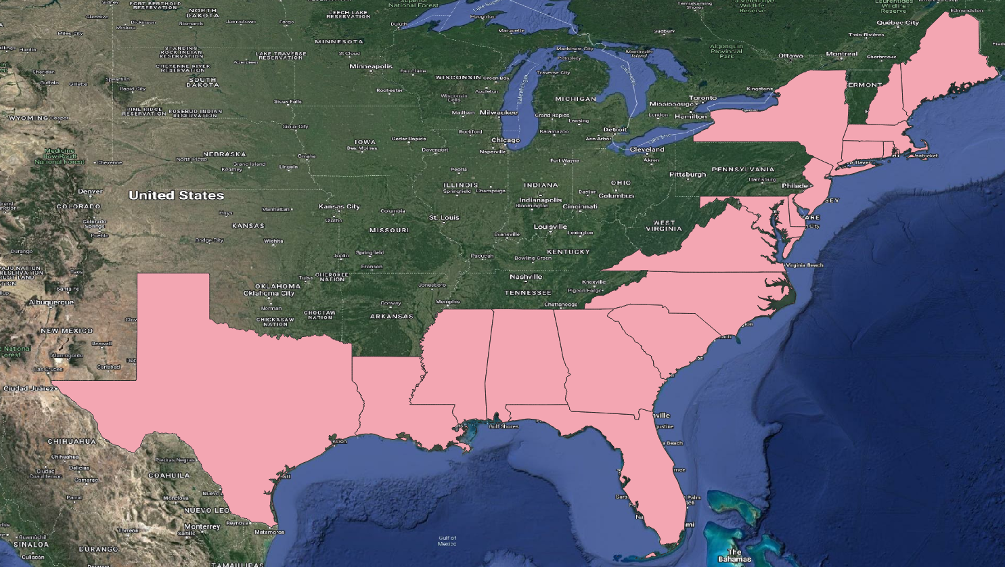
Data sourced from the National Flood Insurance Program (NFIP) Redacted Claims v2 dataset
 | https://www.fema.gov/openfema-data-page/fima-nfip-redacted-claims-v2

Data includes only coastal states with direct interface with the Atlantic coast and the Gulf of Mexico

by-state
Row Labels | Sum of count | MA
AL | 34,182 |  | "Sum of count" (column B) - number of claims for Atlantic coast and Gulf of Mexico states
CT | 19,838 |  | "Sum of totalDamageAmount" (column C) - struct claims for Atlantic coast and Gulf of Mexico states
Number of claims by state
DE | 3,640
FL | 288,928
GA | 11,299 | #VALUE!
LA | 420,810 | #VALUE!
MA | 20,536 | #VALUE!
MD | 11,016 | #VALUE!
ME | 1,480 | #VALUE!
MS | 37,672 | #VALUE!
NC | 81,940 | #VALUE!
NH | 962 | #VALUE!
NJ | 168,601 | #VALUE!
NY | 122,993 | #VALUE!
RI | 3,924 | #VALUE!
SC | 37,379 | #VALUE!
TX | 312,967 | #VALUE!
VA | 34,035 | #VALUE!
Grand Total | 1,612,202 | #VALUE!
 |  | 0
 |  | 0
 |  | 0
 |  | 0
 |  | 0
 |  | 0
 |  | 0
 |  | 0
 |  | 0
 |  | 0
 |  | 0

by occtype
Row Labels | Sum of count |  | MA
1 | 1,312,674 | Single family residence |  | "Sum of count" (column B) - number of claims for Atlantic coast and Gulf of Mexico states
2 | 104,221 | 2 to 4 units residential building |  | "Sum of totalDamageAmount" (column C) - struct claims for Atlantic coast and Gulf of Mexico states
3 | 62,047 | Residential building with more than 4 units
4 | 77,486 | Non-residential building
6 | 24,288 | #N/A | 0
11 | 22,127 | Single-family residential building with the exception of a mobile home or a single residential unit within a multi unit building | 0
12 | 811 | A residential non-condo building with 2, 3, or 4 units seeking insurance on all units | 0
13 | 403 | A residential non-condo building with 5 or more units seeking insurance on all units | 0
14 | 1,173 | Residential mobile/manufactured home | 0
15 | 3,017 | Residential condo association seeking coverage on a building with one or more units | 0
16 | 2,029 | Single residential unit within a multi-unit building | #VALUE!
Number of claims by state
17 | 3 | Non-residential mobile/manufactured home | 0
18 | 1,906 | A non-residential building | 0
19 | 17 | A non-residential unit within a multi-unit building | 0
Grand Total | 1,612,202 |  | #VALUE!
 |  |  | 0
 |  |  | 0
 |  |  | 0
 |  |  | 0
 |  |  | 0
 |  |  | 0
 |  |  | 0
 |  |  | 0
 |  |  | 0
 |  |  | 0
 |  |  | 0
 |  |  | 0
 |  |  | 0
 |  |  | 0
 |  |  | 0

