info
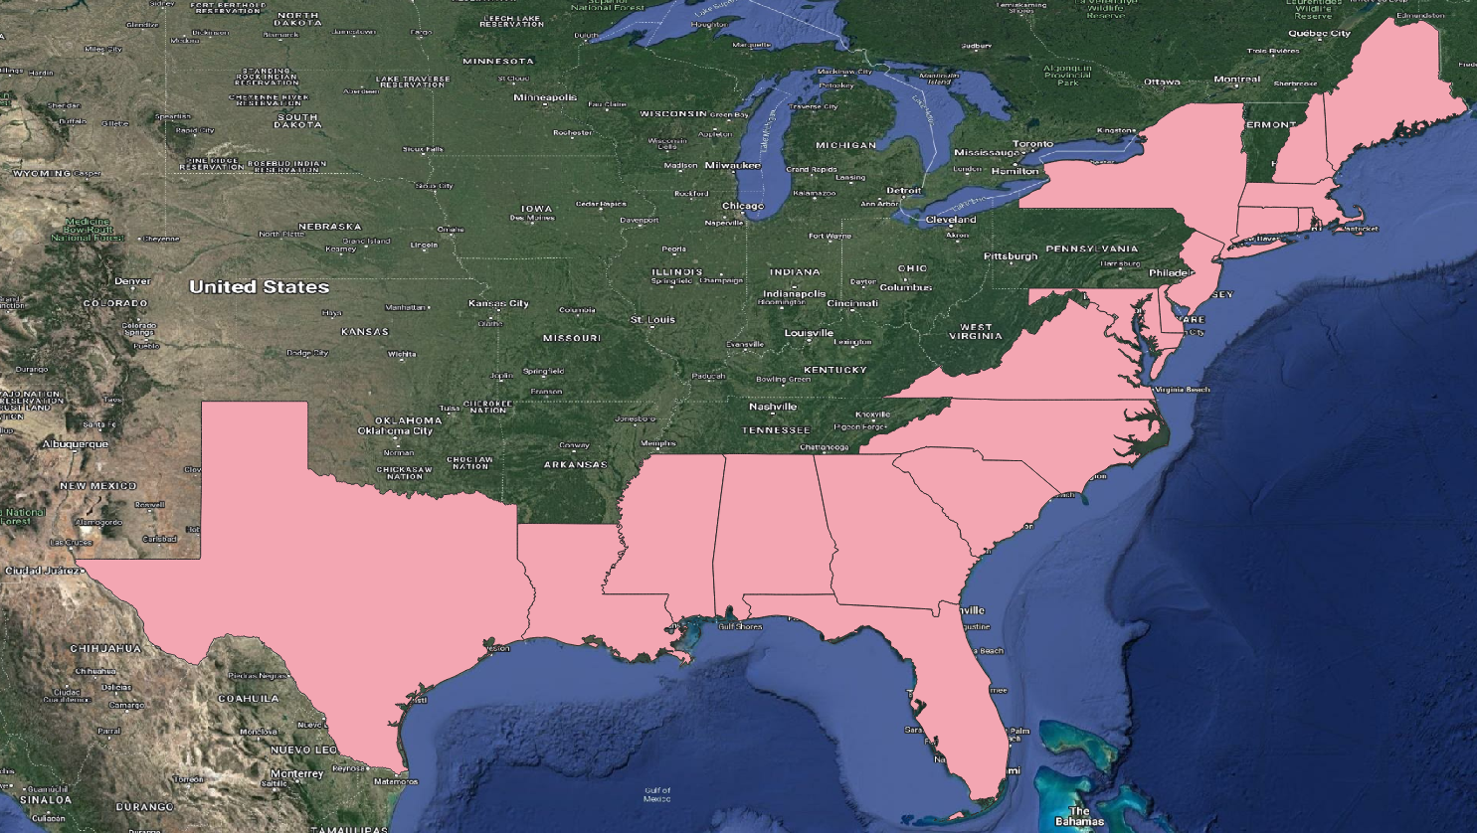
Data sourced from the National Flood Insurance Program (NFIP) Redacted Claims v2 dataset
 | https://www.fema.gov/openfema-data-page/fima-nfip-redacted-claims-v2

Data includes only coastal states with direct interface with the Atlantic coast and the Gulf of Mexico

