GET Survey List
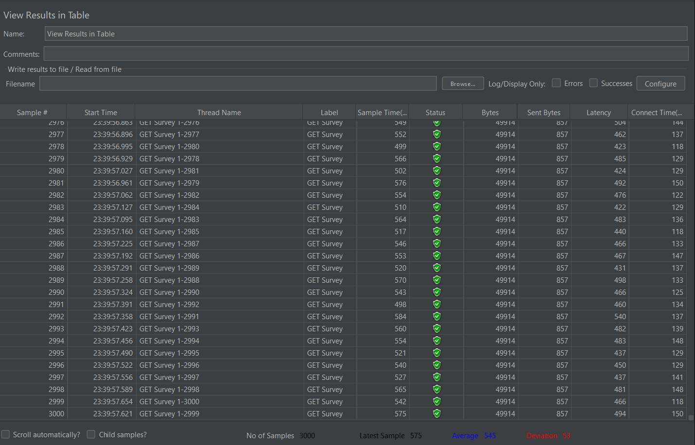
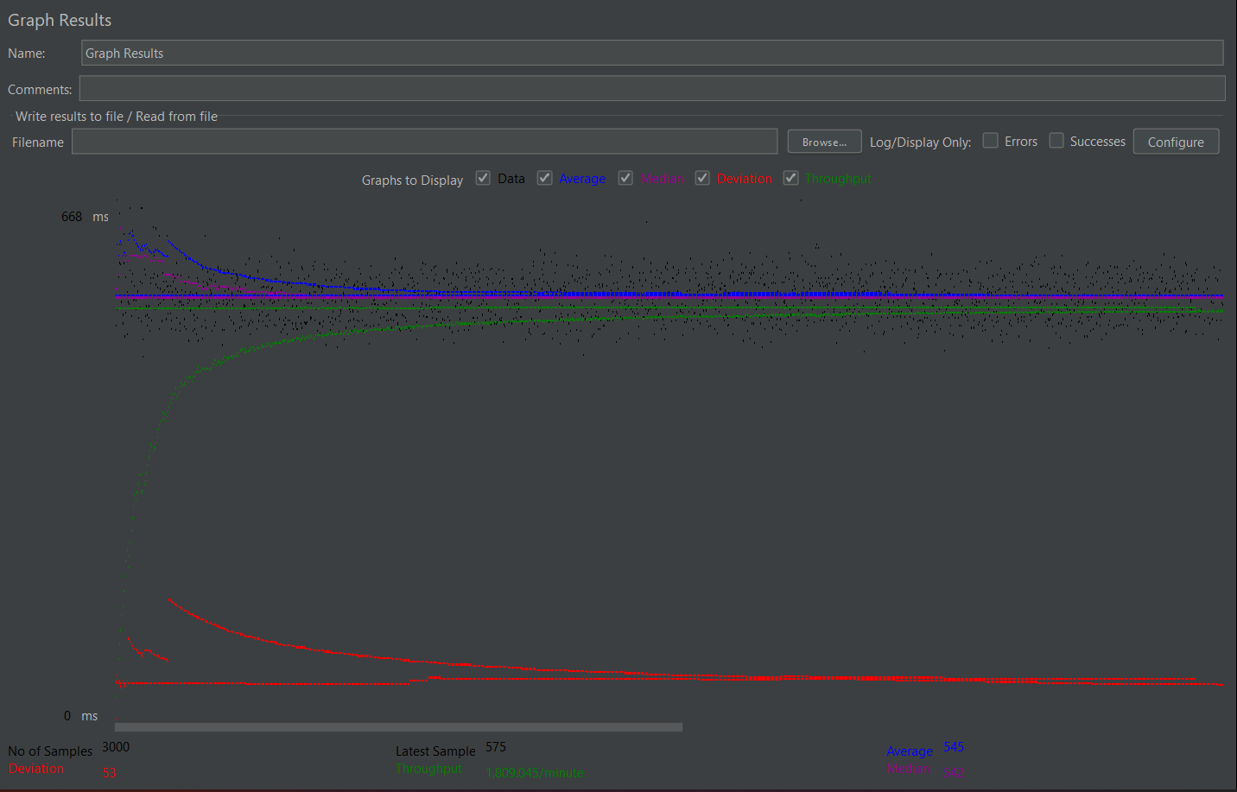
GET Survey List
Label | # Samples | Average | Min | Max | Std. Dev. | Error % | Throughput | Received KB/sec | Sent KB/sec | Avg. Bytes
GET Survey | 3000 | 545 | 463 | 1583 | 53.35 | 0.00% | 30.15075 | 1469.67 | 25.23 | 49914
TOTAL | 3000 | 545 | 463 | 1583 | 53.35 | 0.00% | 30.15075 | 1469.67 | 25.23 | 49914
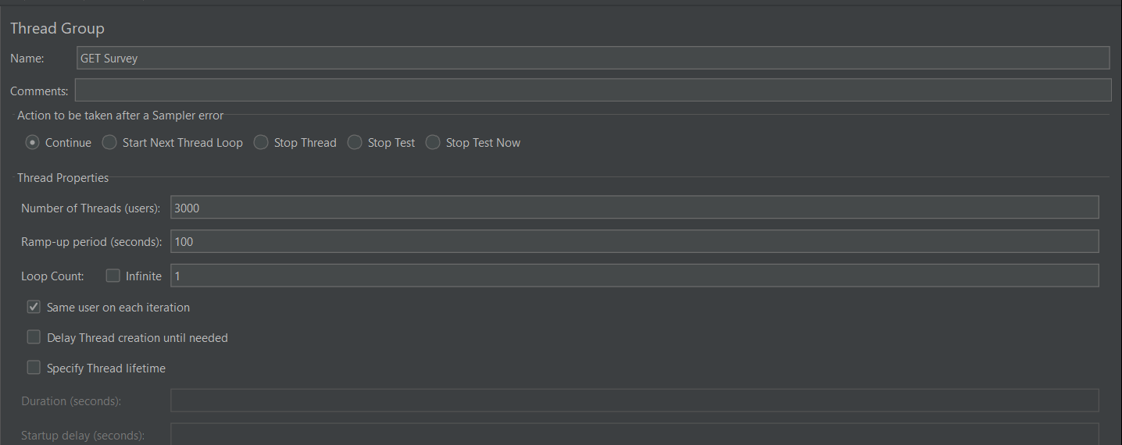

 |  |  | z

GET Survey List Reports
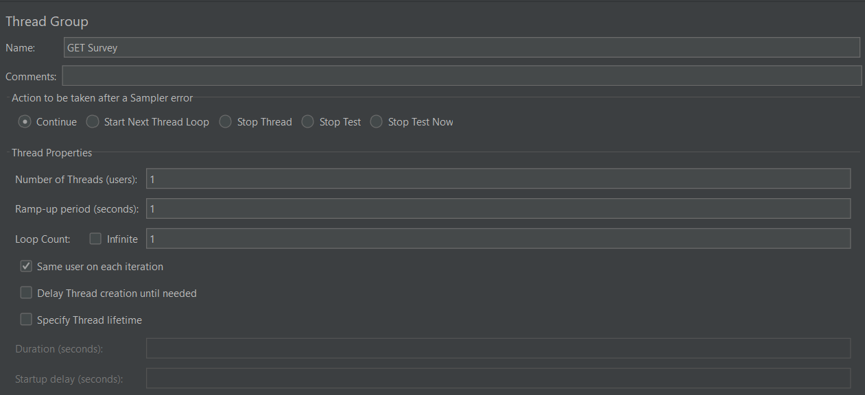

Label | # Samples | Average | Min | Max | Std. Dev. | Error % | Throughput | Received KB/sec | Sent KB/sec | Avg. Bytes
GET Survey | 1 | 1906 | 1906 | 1906 | 0 | 0.00% | 0.52466 | 34.96 | 0.44 | 68238
TOTAL | 1 | 1906 | 1906 | 1906 | 0 | 0.00% | 0.52466 | 34.96 | 0.44 | 68238

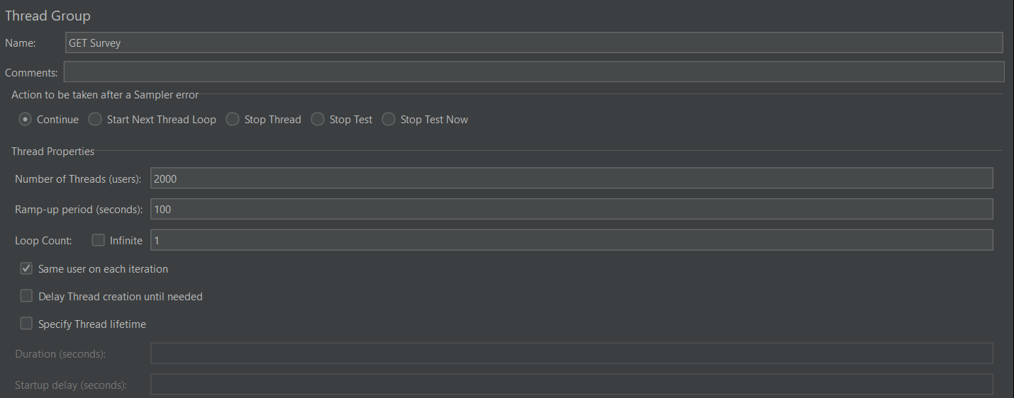

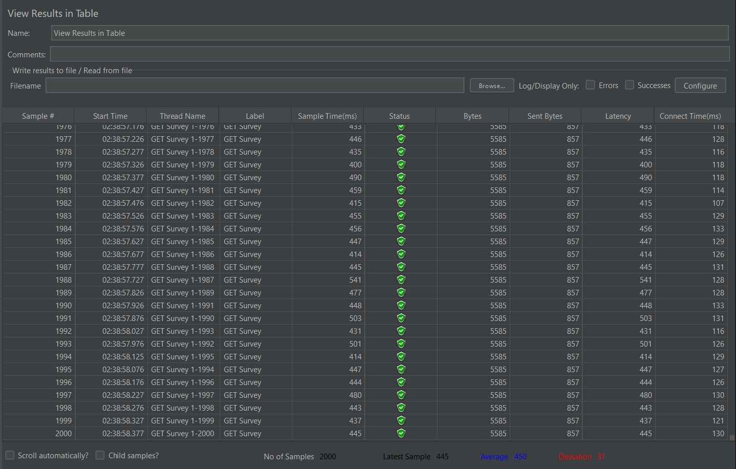

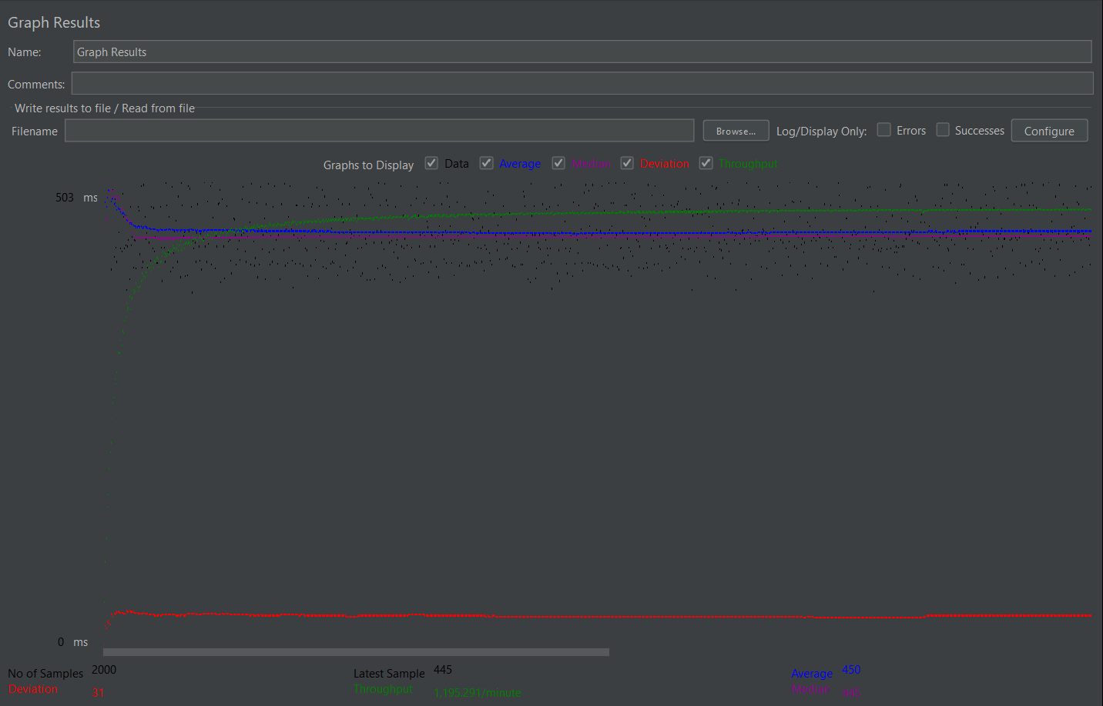

Label | # Samples | Average | Min | Max | Std. Dev. | Error % | Throughput | Received KB/sec | Sent KB/sec | Avg. Bytes
GET Survey | 2000 | 450 | 384 | 702 | 31.39 | 0.00% | 19.92151 | 108.65 | 16.67 | 5585
TOTAL | 2000 | 450 | 384 | 702 | 31.39 | 0.00% | 19.92151 | 108.65 | 16.67 | 5585

POST Submit Survey Reports 3 Qs
Submit 3 questions

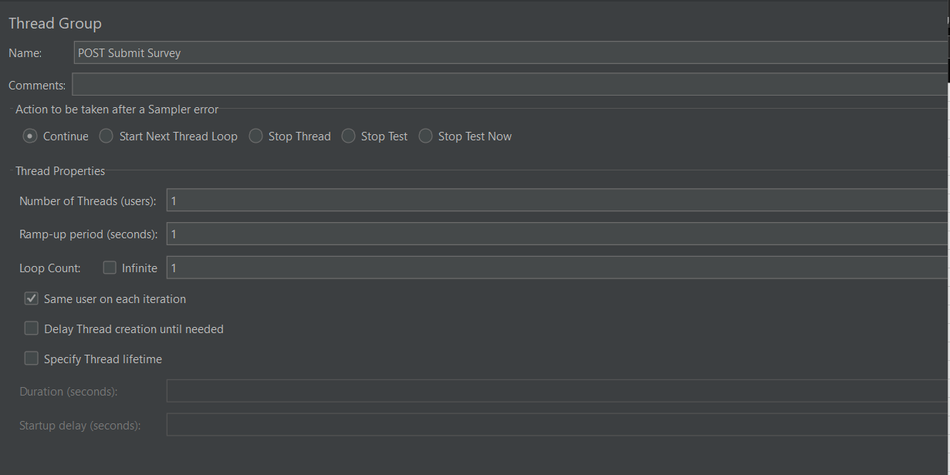

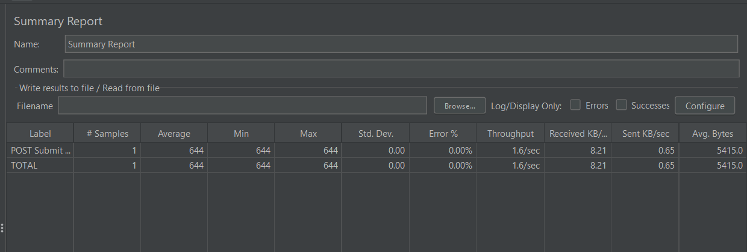

Label | # Samples | Average | Min | Max | Std. Dev. | Error % | Throughput | Received KB/sec | Sent KB/sec | Avg. Bytes
POST Submit Survey | 1 | 644 | 644 | 644 | 0 | 0.00% | 1.5528 | 8.21 | 0.65 | 5415
TOTAL | 1 | 644 | 644 | 644 | 0 | 0.00% | 1.5528 | 8.21 | 0.65 | 5415

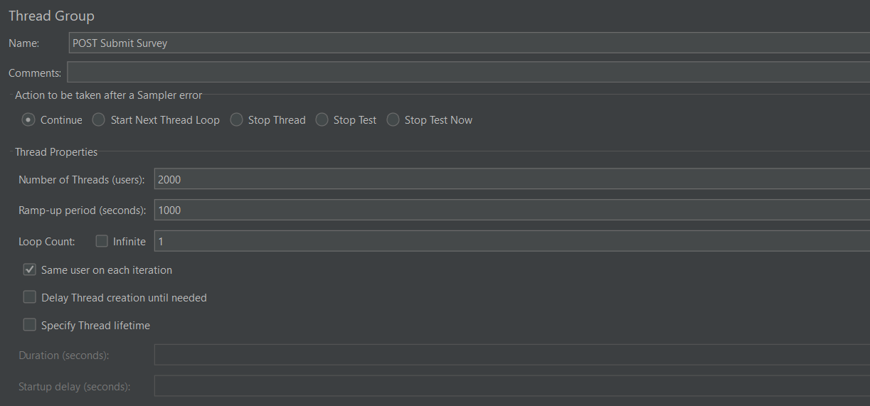

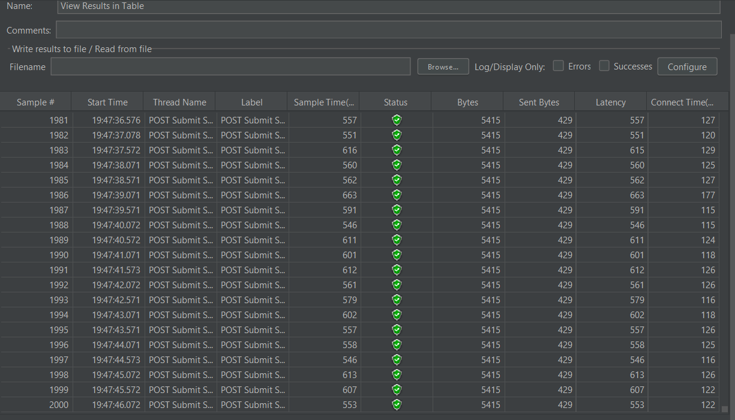

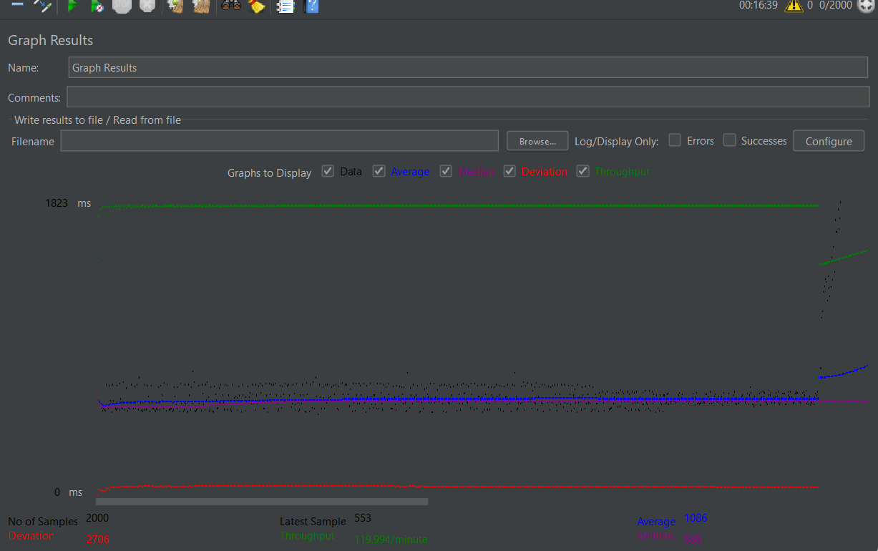

Label | # Samples | Average | Min | Max | Std. Dev. | Error % | Throughput | Received KB/sec | Sent KB/sec | Avg. Bytes
POST Submit Survey | 2000 | 1086 | 487 | 102451 | 2706.74 | 0.00% | 1.9999 | 10.58 | 0.84 | 5415
TOTAL | 2000 | 1086 | 487 | 102451 | 2706.74 | 0.00% | 1.9999 | 10.58 | 0.84 | 5415

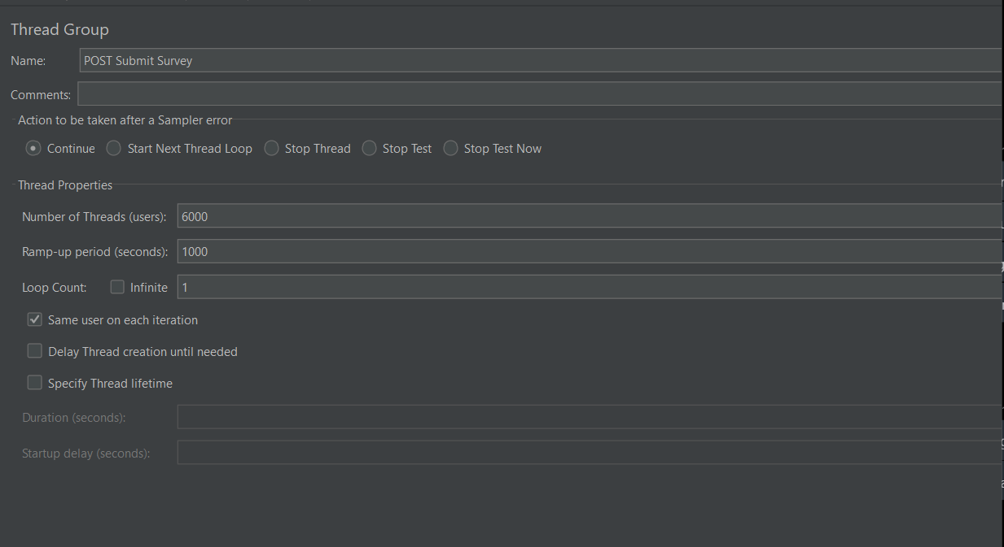

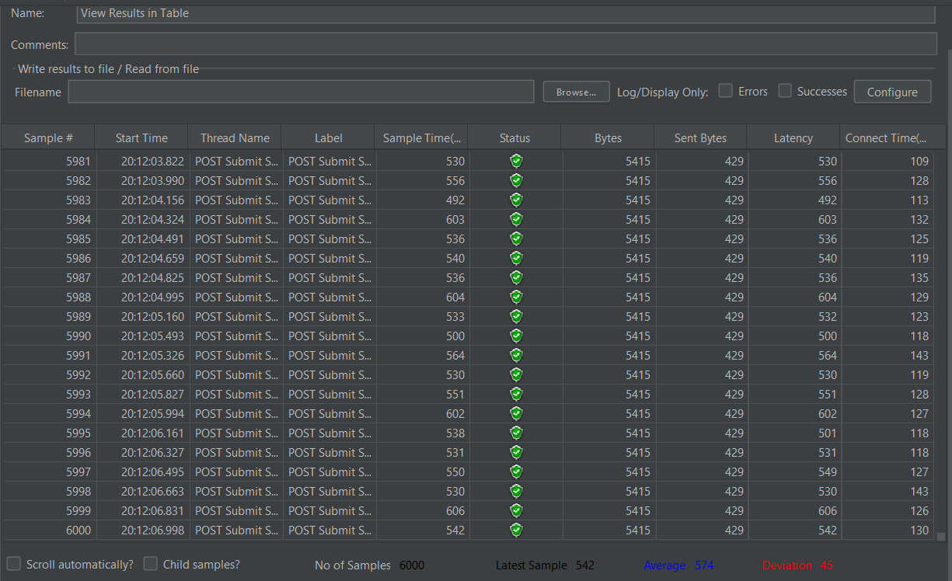

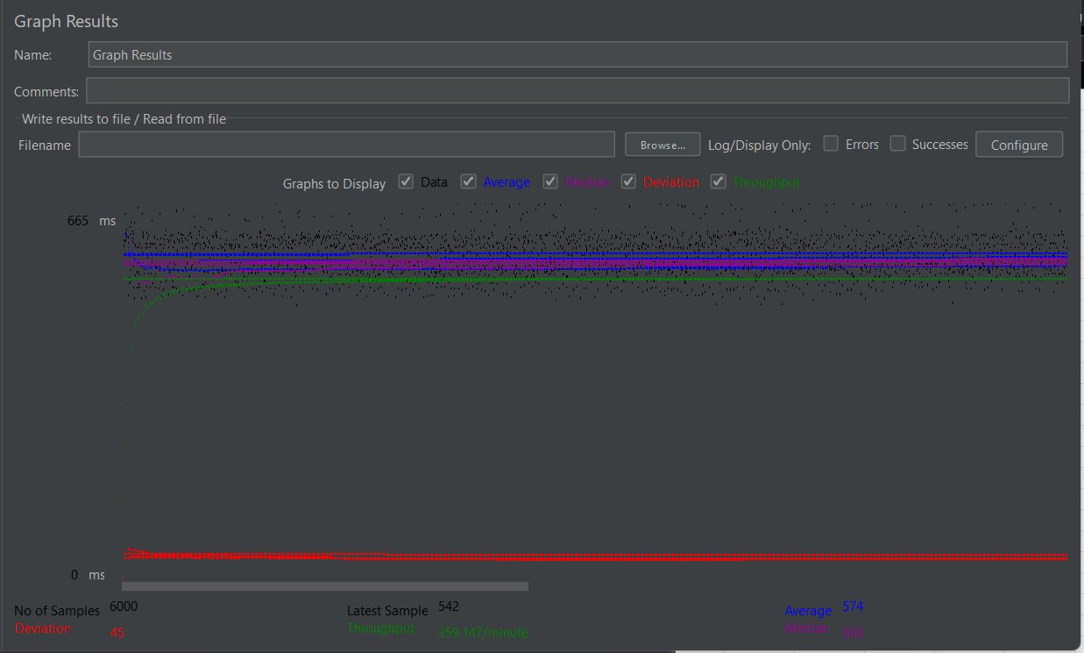

Label | # Samples | Average | Min | Max | Std. Dev. | Error % | Throughput | Received KB/sec | Sent KB/sec | Avg. Bytes
POST Submit Survey | 6000 | 574 | 483 | 1582 | 45.26 | 0.00% | 5.98579 | 31.65 | 2.51 | 5415
TOTAL | 6000 | 574 | 483 | 1582 | 45.26 | 0.00% | 5.98579 | 31.65 | 2.51 | 5415

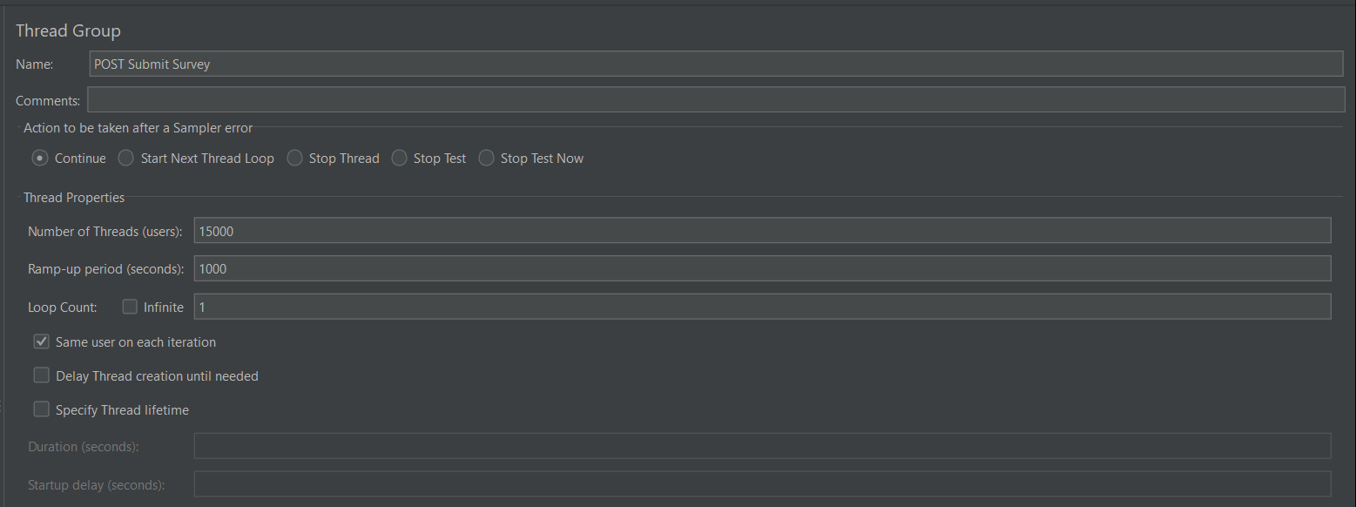

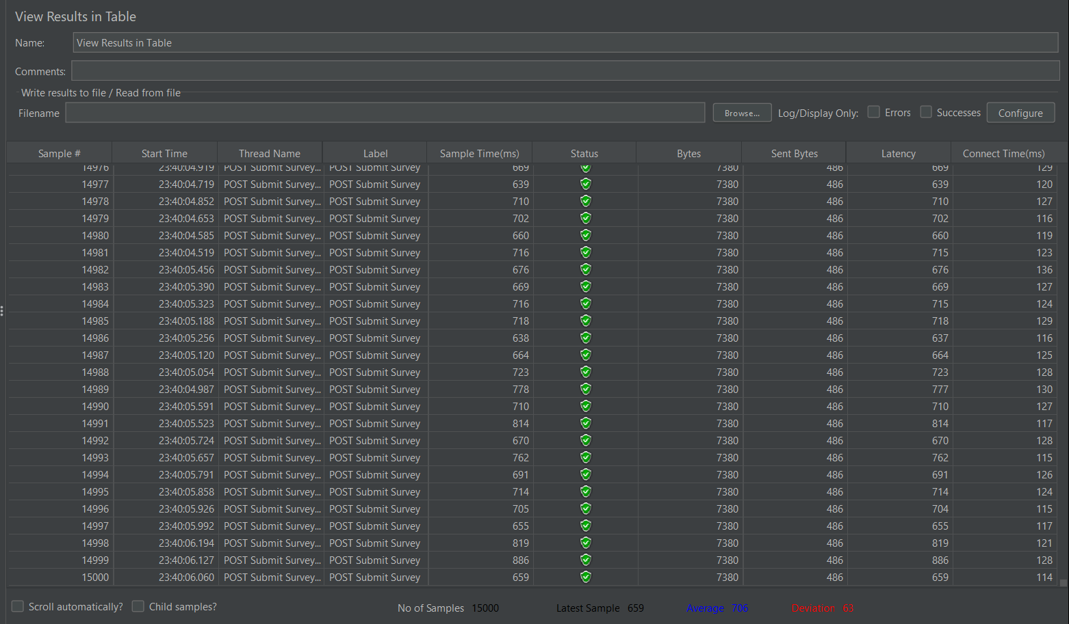

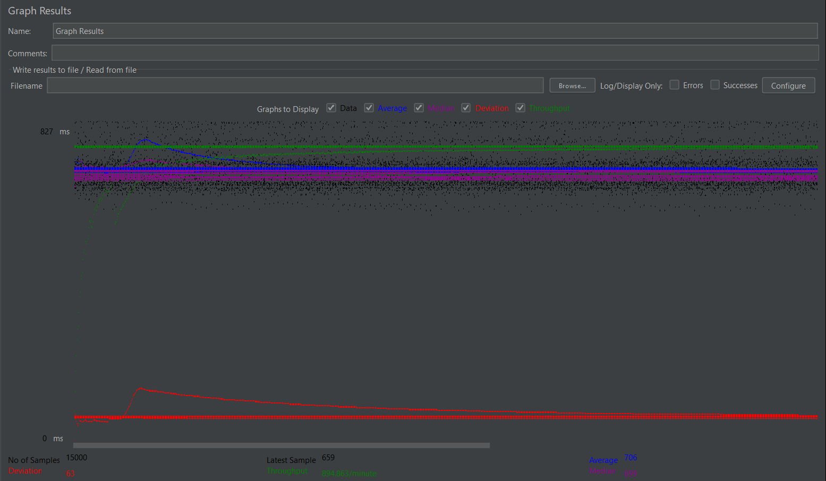

Label | # Samples | Average | Min | Max | Std. Dev. | Error % | Throughput | Received KB/sec | Sent KB/sec | Avg. Bytes
POST Submit Survey | 15000 | 706 | 582 | 1880 | 63.8 | 0.00% | 14.91438 | 107.49 | 7.08 | 7380
TOTAL | 15000 | 706 | 582 | 1880 | 63.8 | 0.00% | 14.91438 | 107.49 | 7.08 | 7380

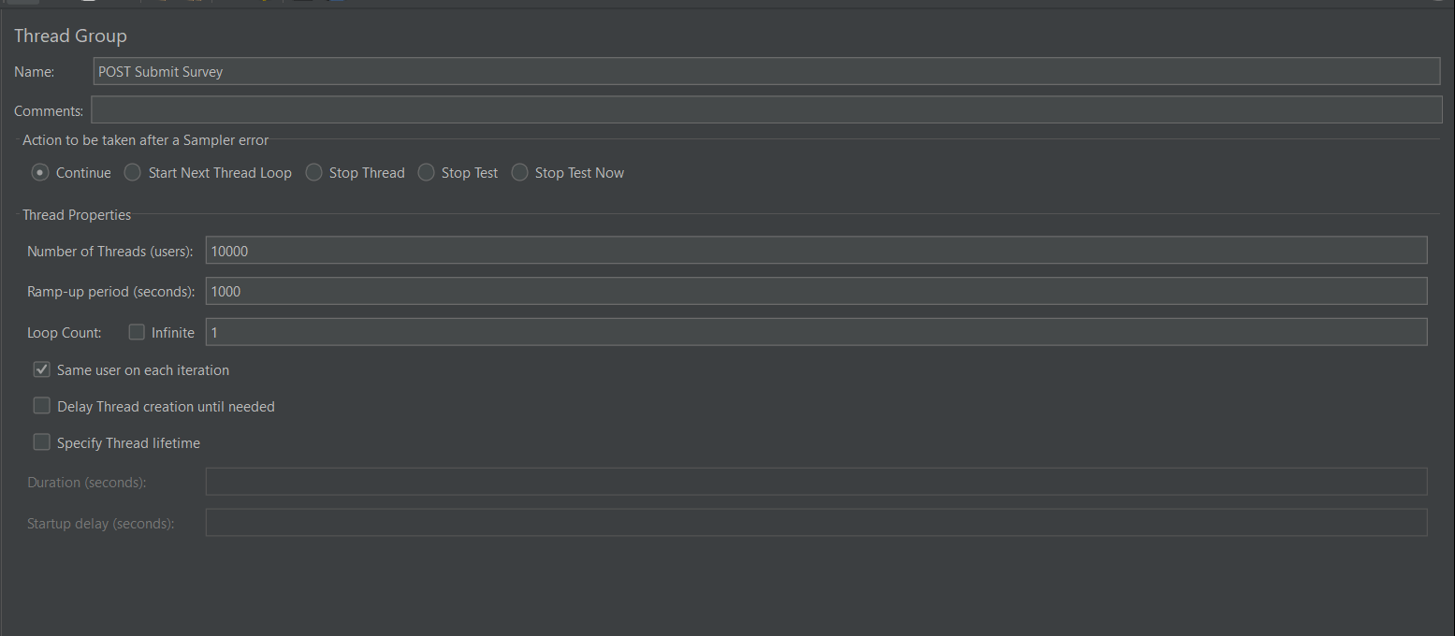

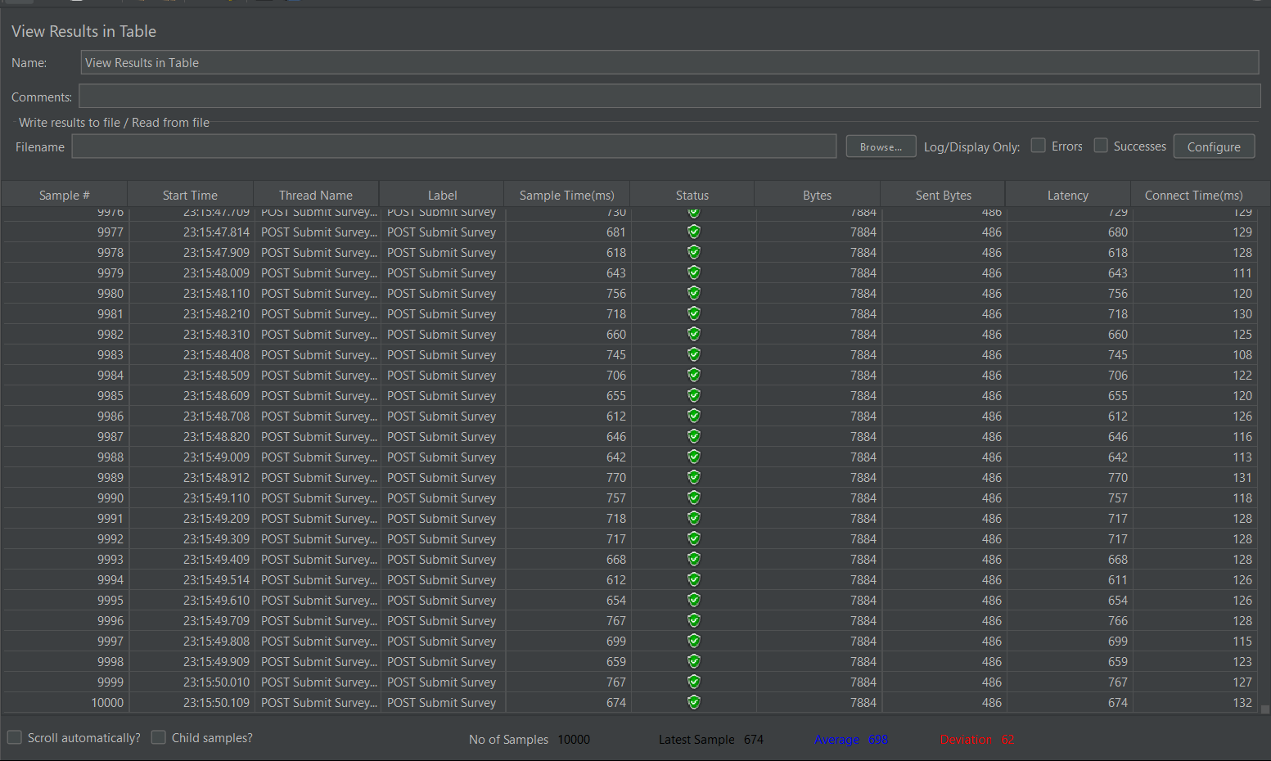

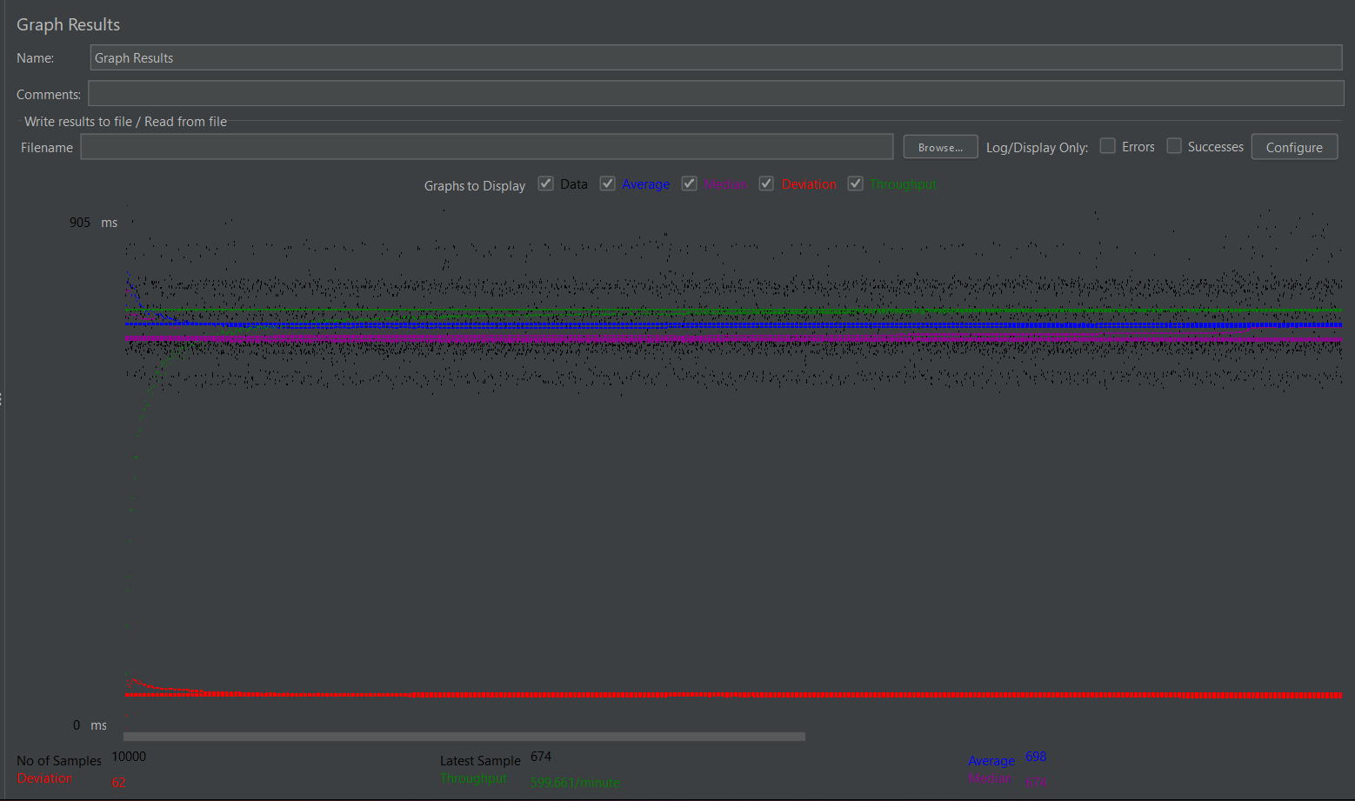

Label | # Samples | Average | Min | Max | Std. Dev. | Error % | Throughput | Received KB/sec | Sent KB/sec | Avg. Bytes
POST Submit Survey | 10000 | 698 | 578 | 1730 | 63 | 0.00% | 9.99434 | 76.95 | 4.74 | 7884
TOTAL | 10000 | 698 | 578 | 1730 | 63 | 0.00% | 9.99434 | 76.95 | 4.74 | 7884

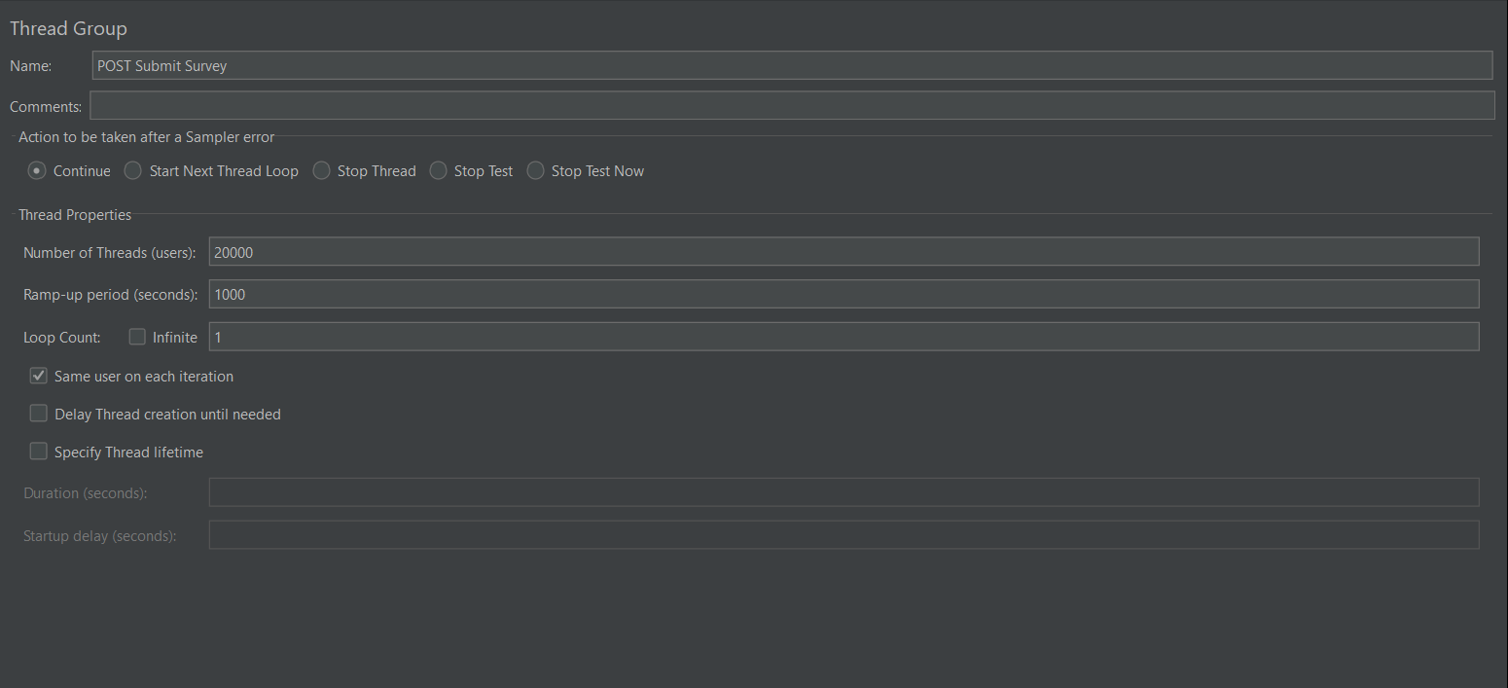

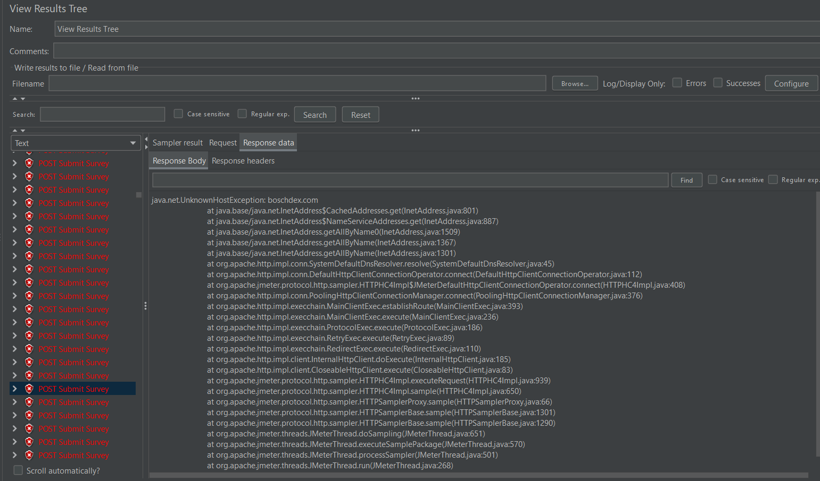

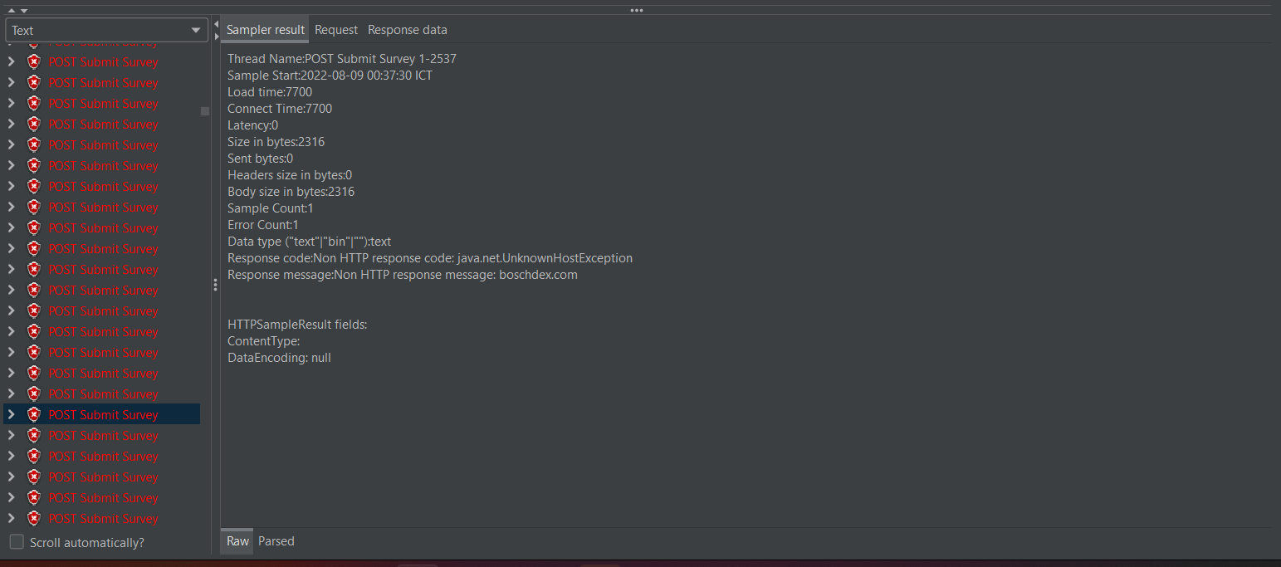

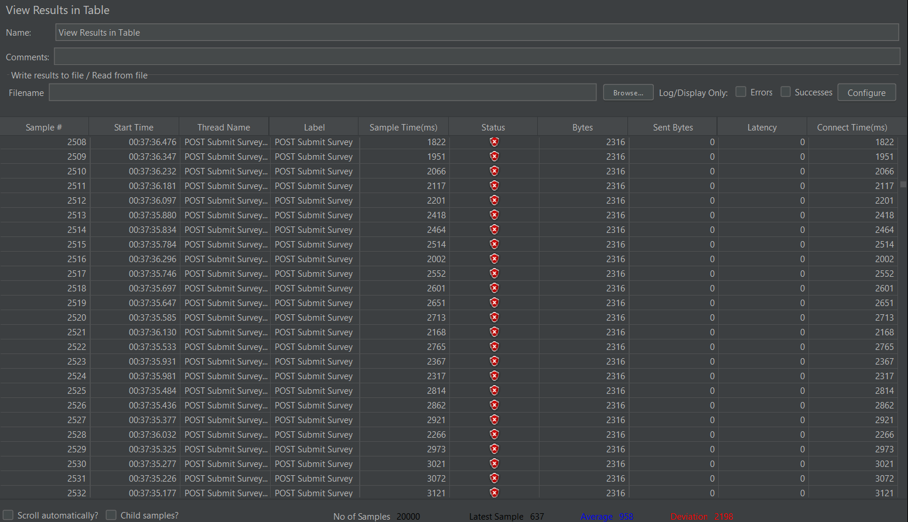

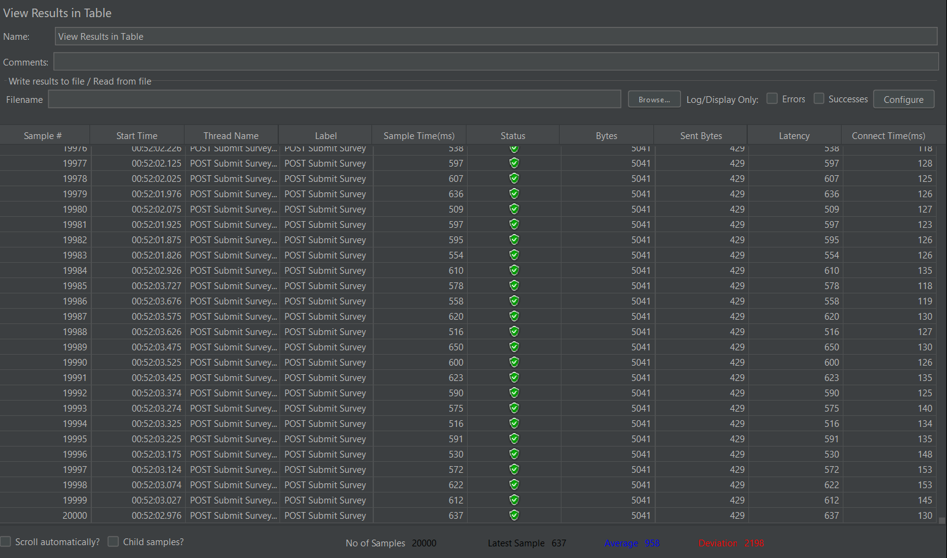

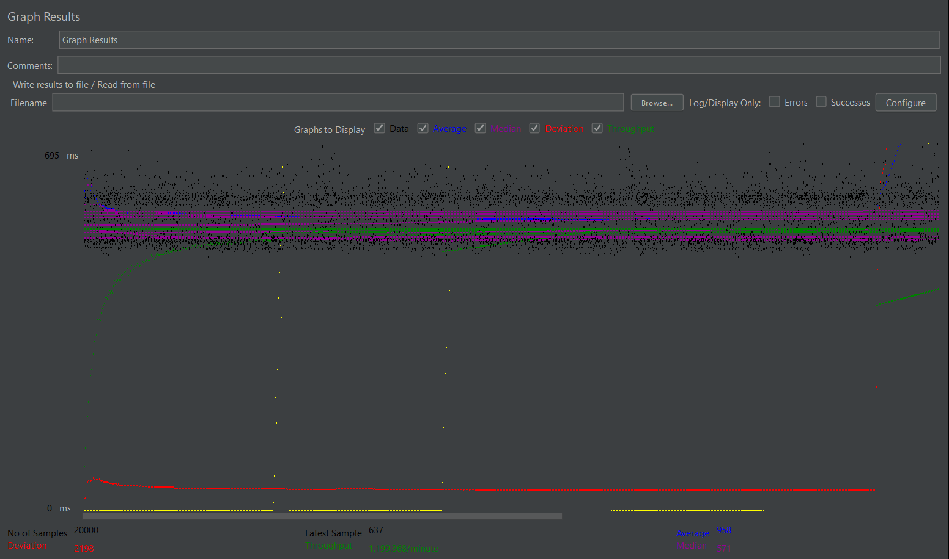

Label | # Samples | Average | Min | Max | Std. Dev. | Error % | Throughput | Received KB/sec | Sent KB/sec | Avg. Bytes
POST Submit Survey | 20000 | 958 | 0 | 21064 | 2198.14 | 9.28% | 19.98947 | 93.45 | 7.6 | 4786.9
TOTAL | 20000 | 958 | 0 | 21064 | 2198.14 | 9.28% | 19.98947 | 93.45 | 7.6 | 4786.9

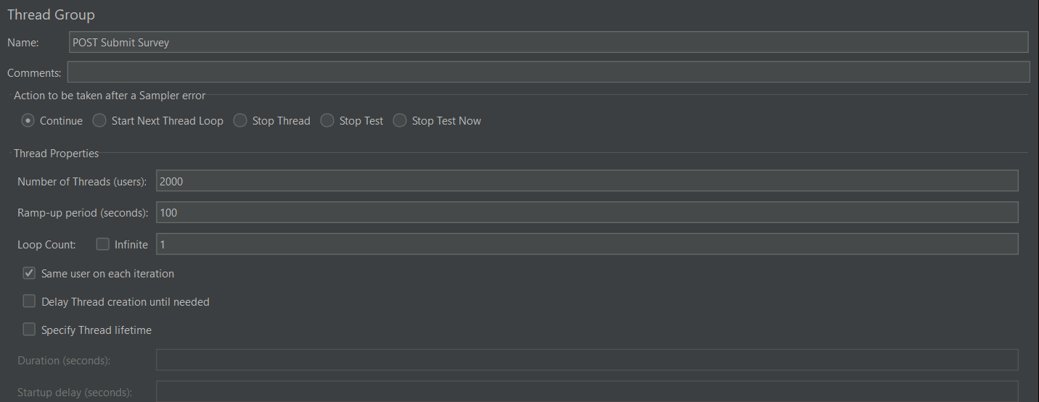

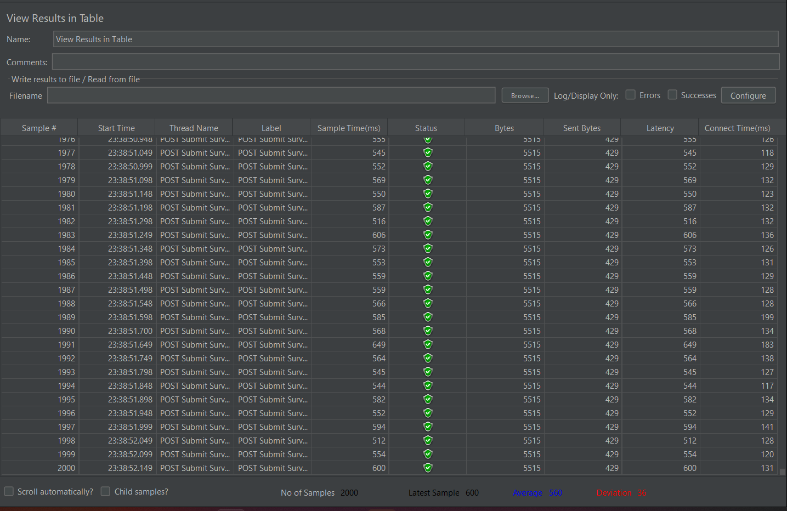

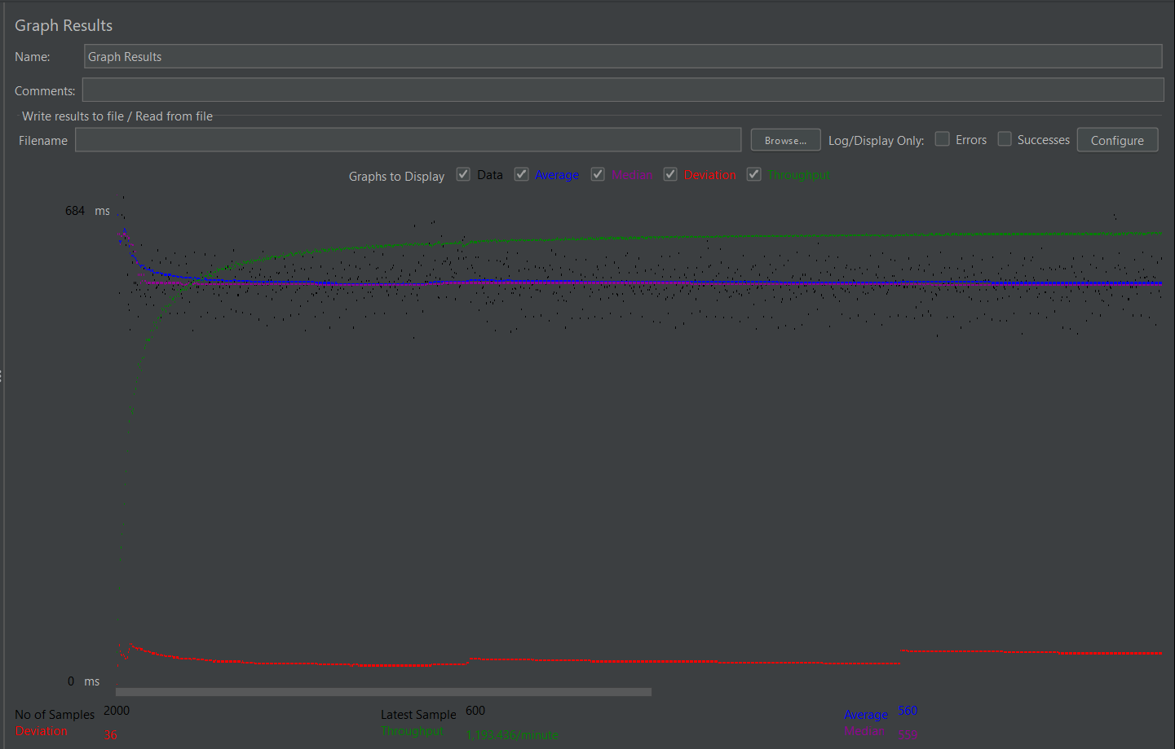

Label | # Samples | Average | Min | Max | Std. Dev. | Error % | Throughput | Received KB/sec | Sent KB/sec | Avg. Bytes
POST Submit Survey | 2000 | 560 | 482 | 1616 | 36.97 | 0.00% | 19.8906 | 107.13 | 8.33 | 5515
TOTAL | 2000 | 560 | 482 | 1616 | 36.97 | 0.00% | 19.8906 | 107.13 | 8.33 | 5515

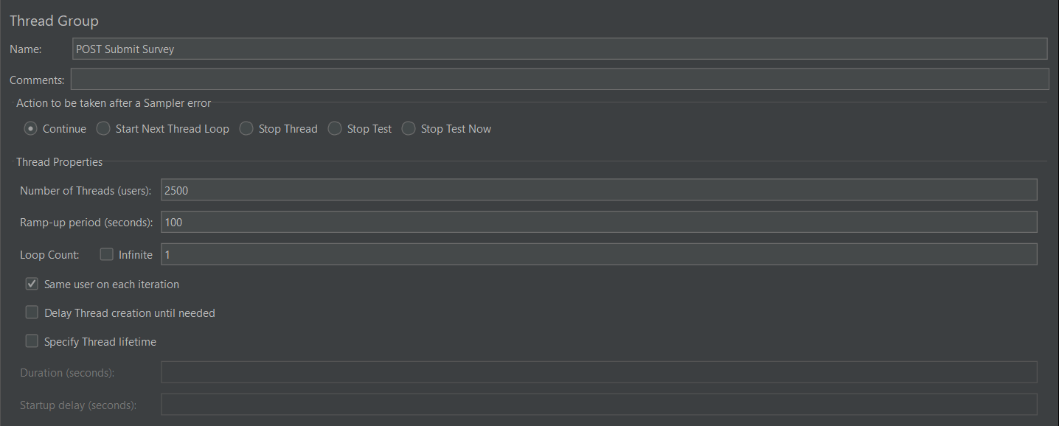

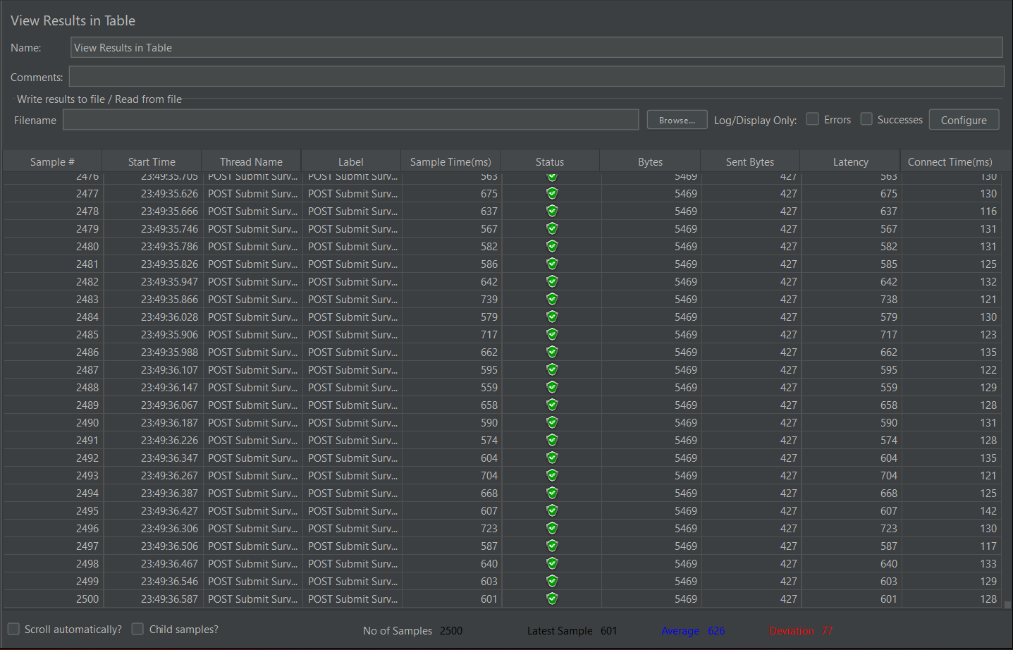

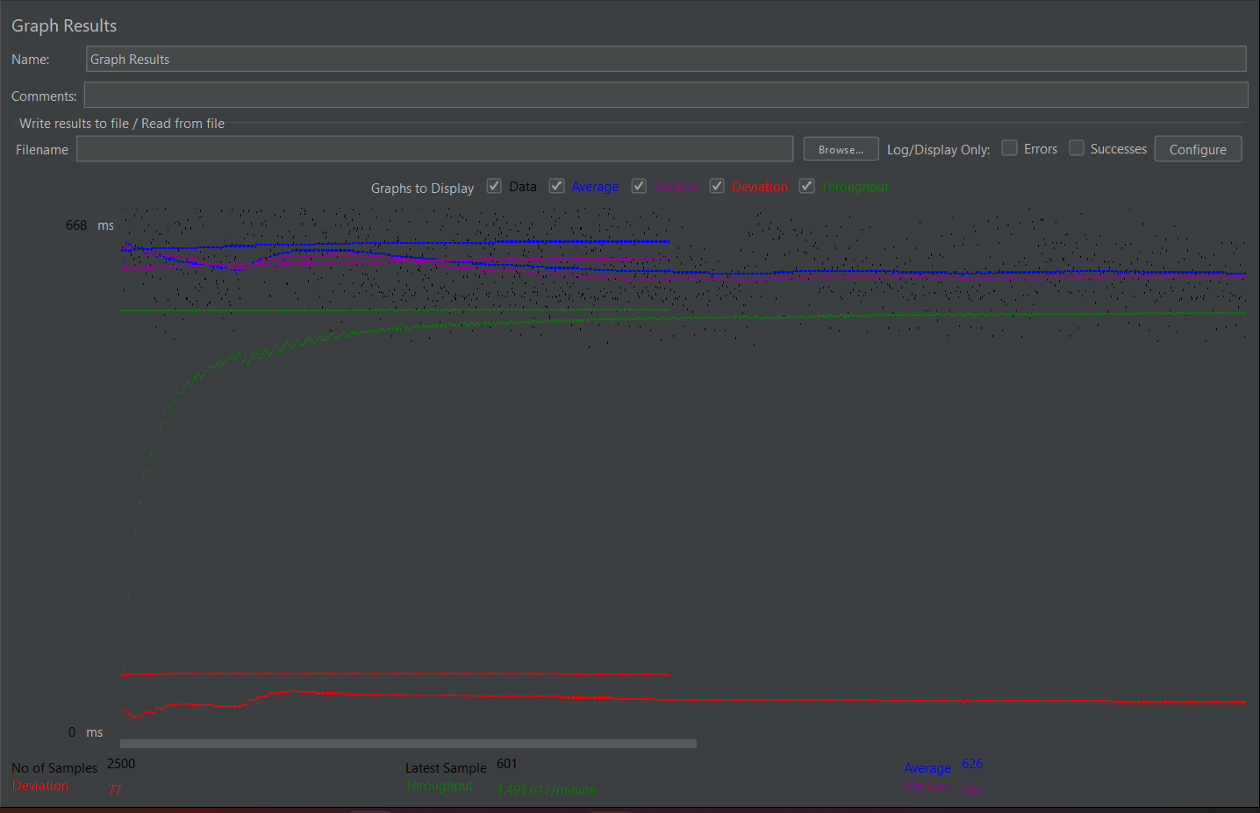

Label | # Samples | Average | Min | Max | Std. Dev. | Error % | Throughput | Received KB/sec | Sent KB/sec | Avg. Bytes
POST Submit Survey | 2500 | 626 | 484 | 1123 | 78 | 0.00% | 24.86029 | 132.77 | 10.37 | 5469
TOTAL | 2500 | 626 | 484 | 1123 | 78 | 0.00% | 24.86029 | 132.77 | 10.37 | 5469

POST Submit Survey Reports Qs
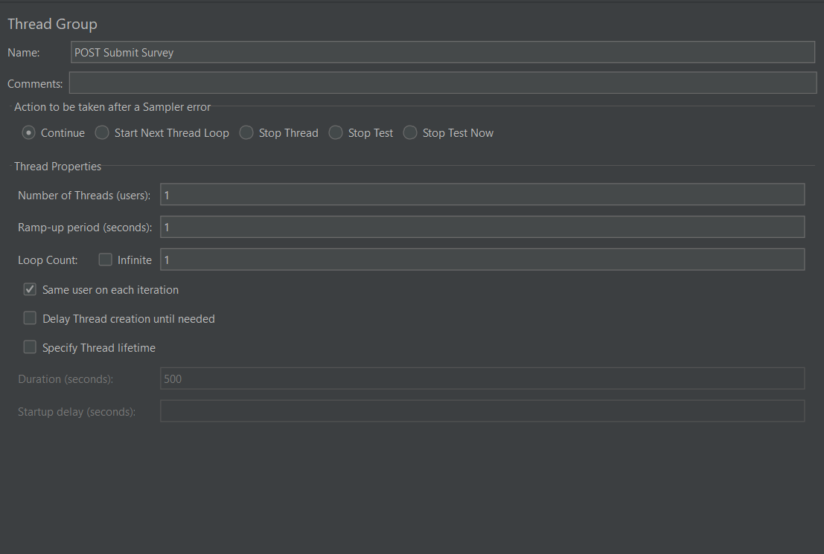

POST Submit Survey 1
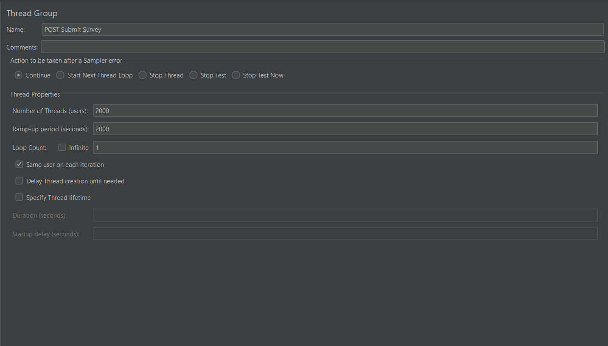
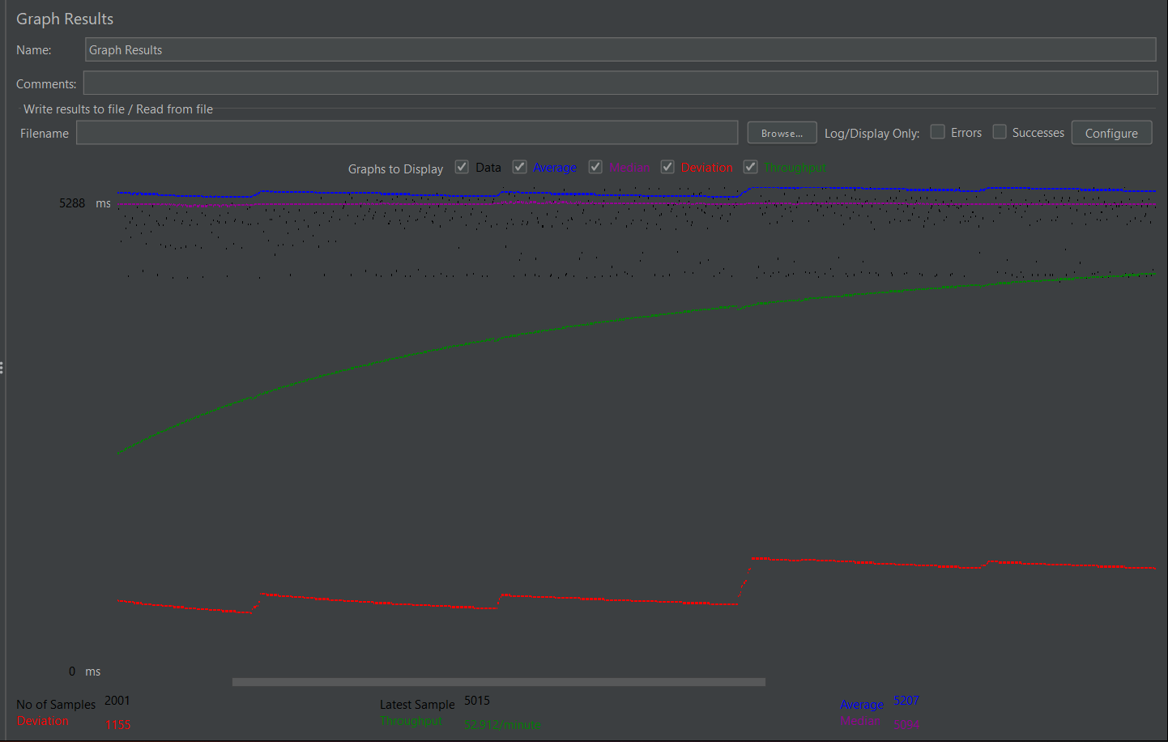
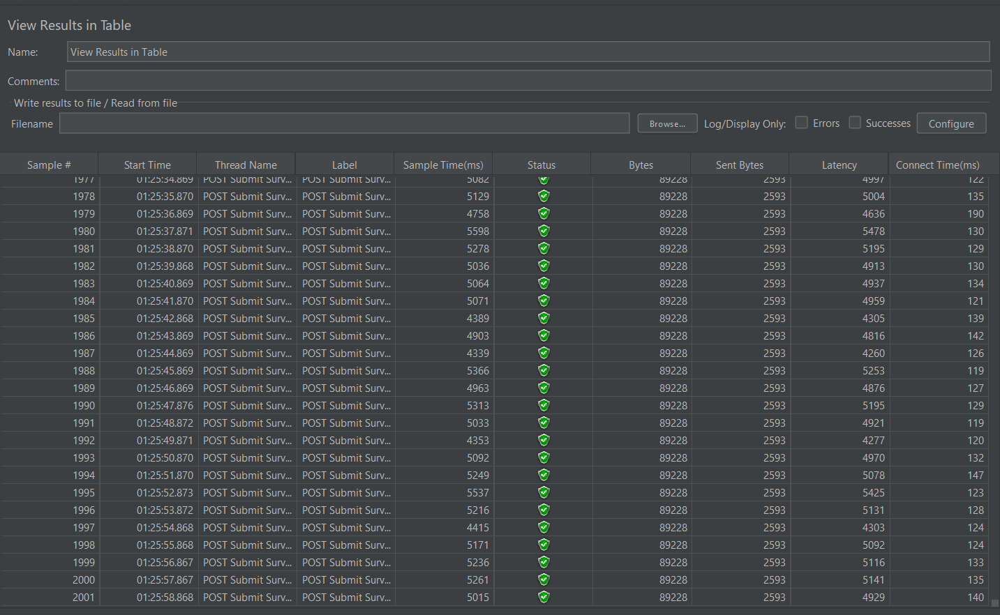
GET Survey List
Label | # Samples | Average | Min | Max | Std. Dev. | Error % | Throughput | Received KB/sec | Sent KB/sec | Avg. Bytes
 | 2000 | 5207 | 4262 | 20818 | 1155.34 | 0.00% | 0.998 | 86.96 | 2.53 | 89228

POST Submit Survey 2
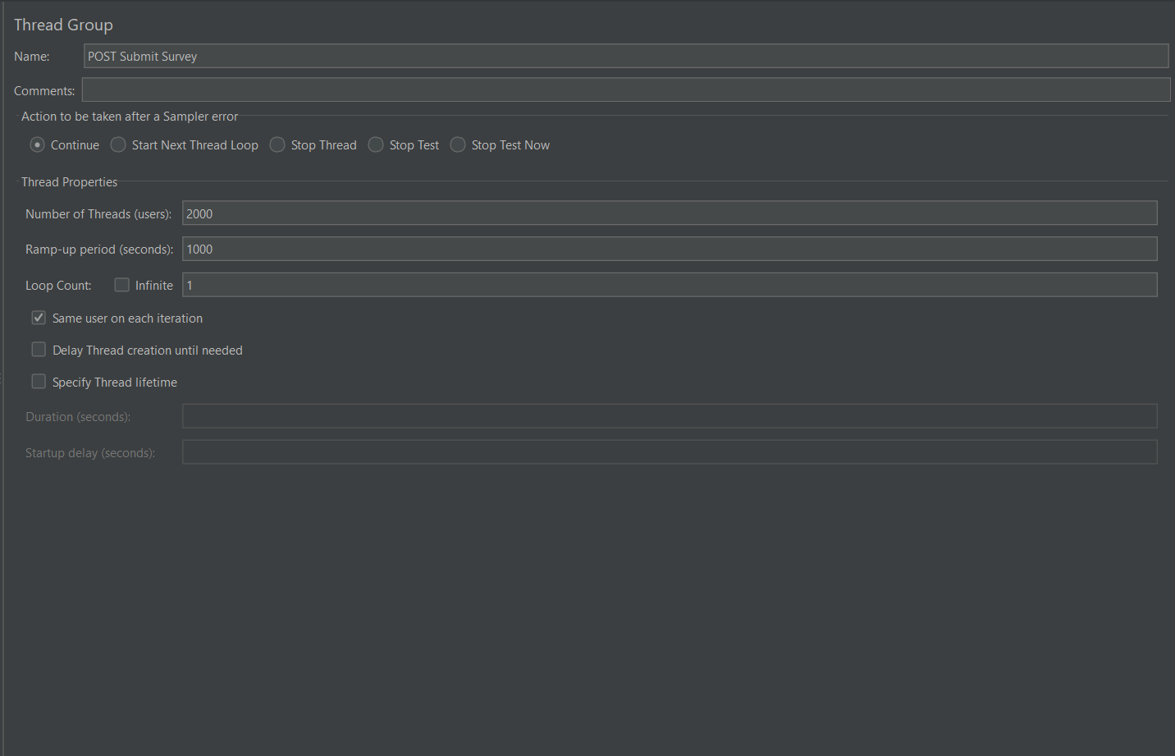
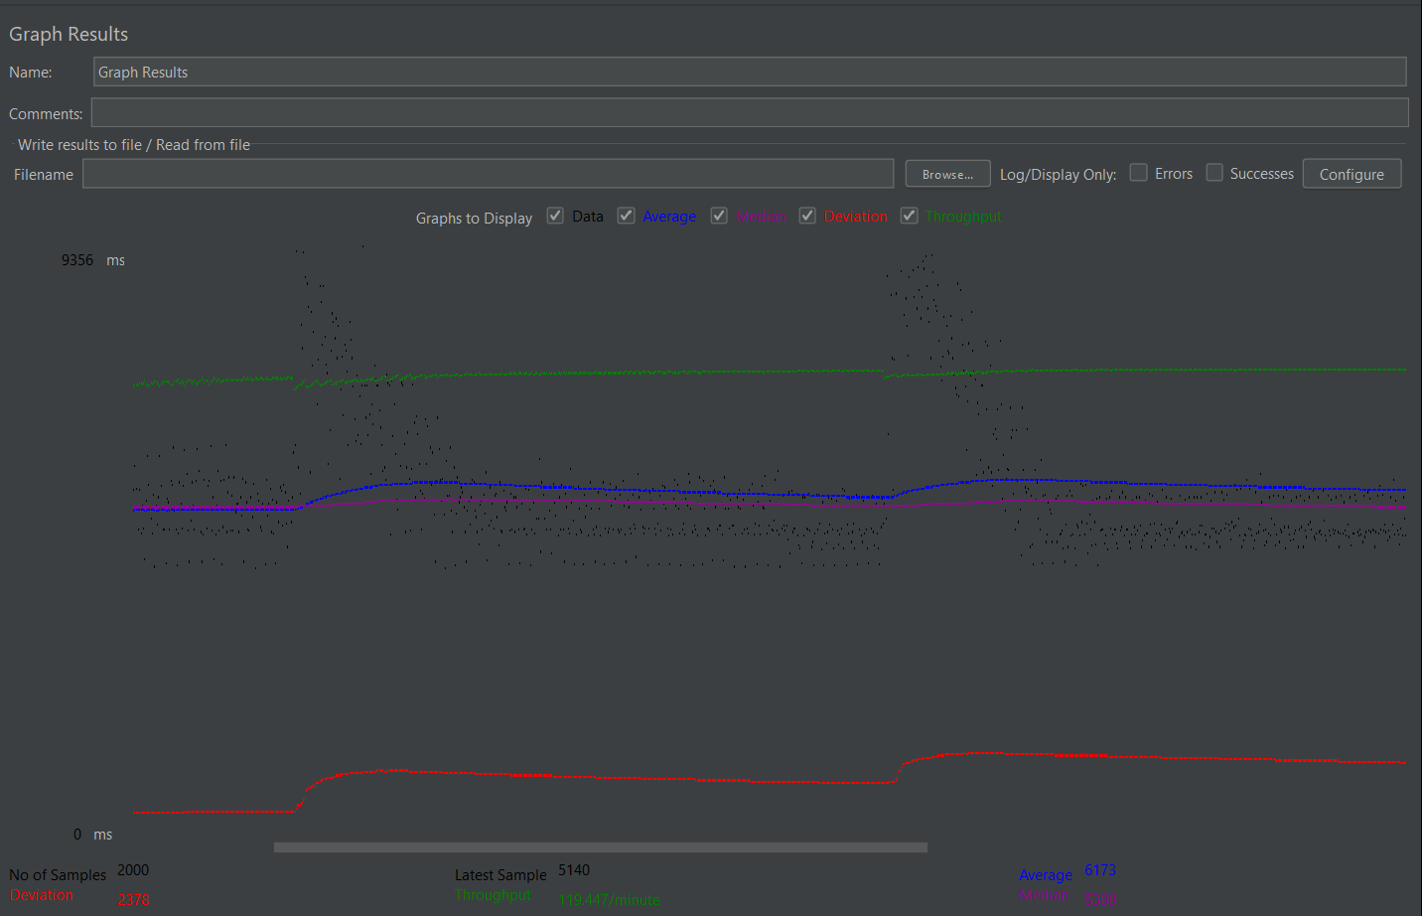
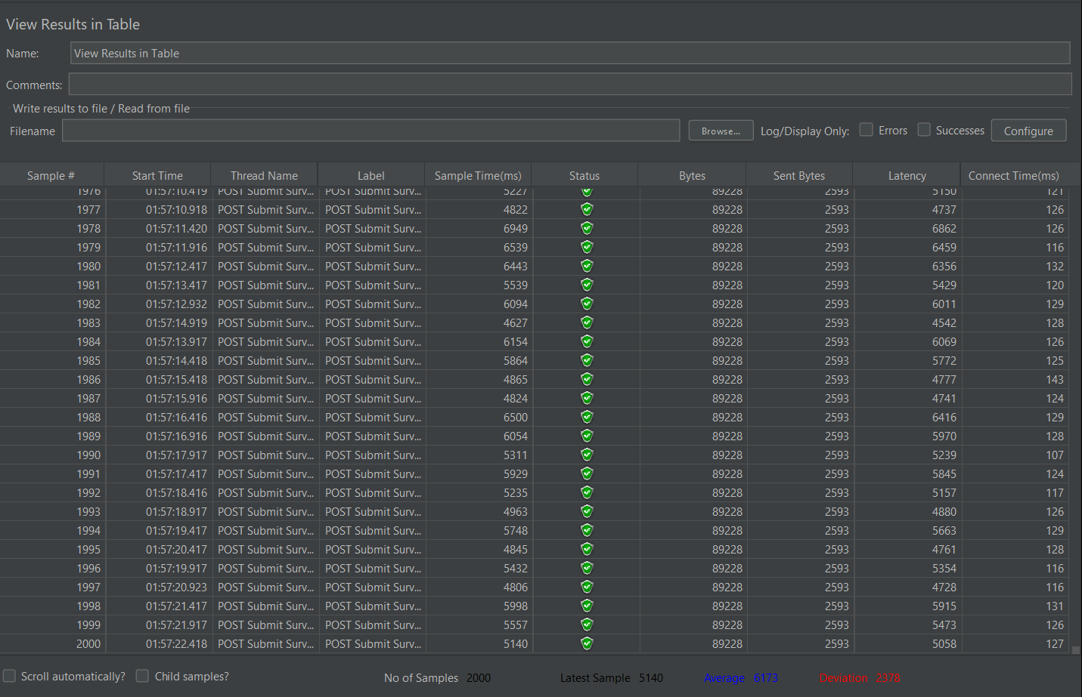
\
 | TOTAL | 2000 | 6173 | 4246 | 26718 | 2378.67 | 0.00% | 1.99079 | 173.47 | 5.04 | 89227.9

POST Submit Survey 3
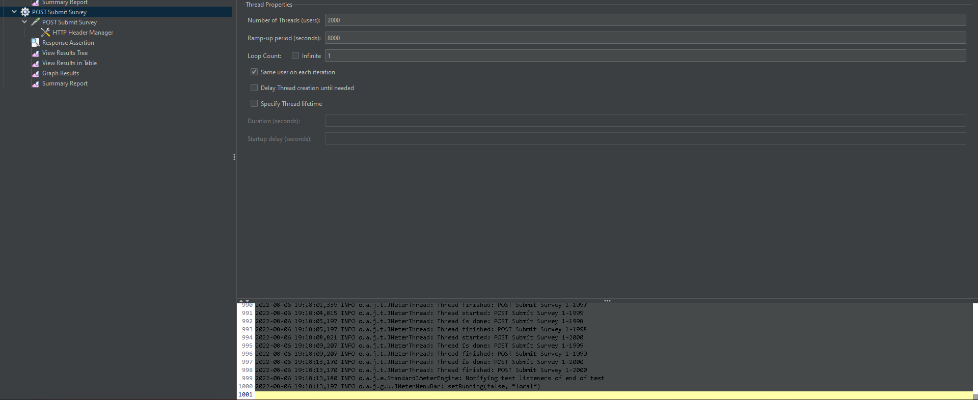
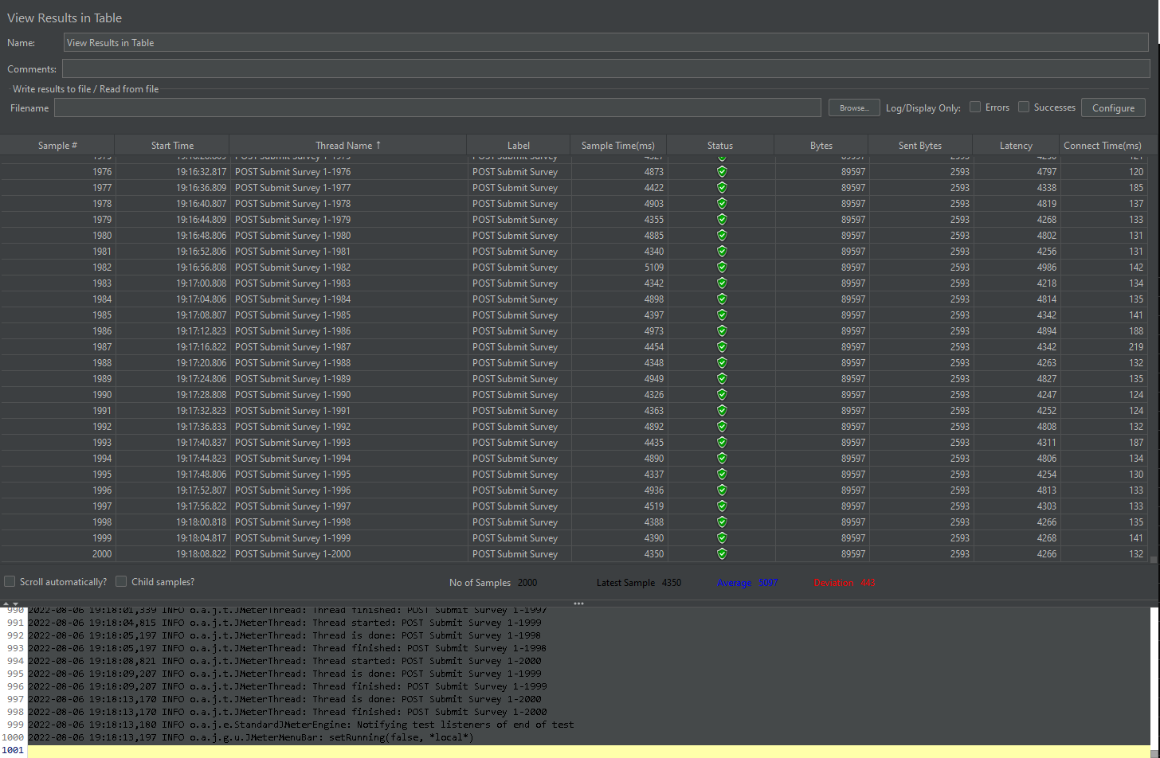
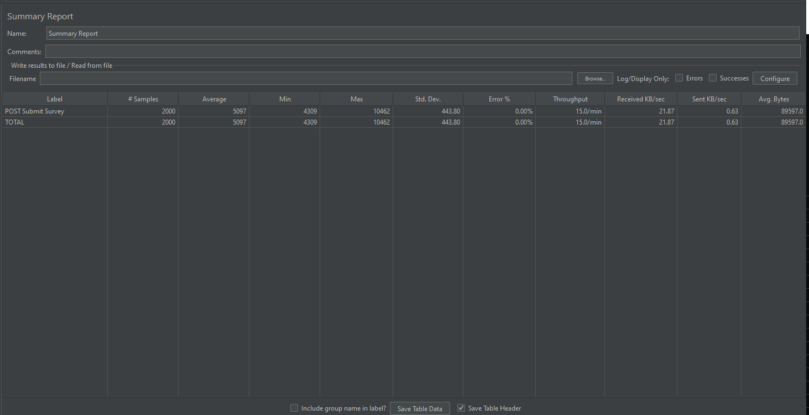
Label | # Samples | Average | Min | Max | Std. Dev. | Error % | Throughput | Received KB/sec | Sent KB/sec | Avg. Bytes
POST Submit Survey | 2000 | 5097 | 4309 | 10462 | 443.8 | 0.00% | 0.24999 | 21.87 | 0.63 | 89597
TOTAL | 2000 | 5097 | 4309 | 10462 | 443.8 | 0.00% | 0.24999 | 21.87 | 0.63 | 89597

POST Submit Survey 4
