BT10-2
Vẽ lại đồ thị như hình sau với số liệu có sẵn cho dưới đây

 | Yếu tố | Tần số | Tần số tích lũy | Phần trăm tích lũy
 | C | 55 | 55 | 39%
 | D | 40 | 95 | 68%
 | B | 32 | 127 | 91%
 | A | 8 | 135 | 96%
 | E | 5 | 140 | 100%
 | Số quan sát N | 140

Đồ thị Pareto

BT10-3
Vẽ lại đồ thị như hình sau với số liệu có sẵn cho dưới đây
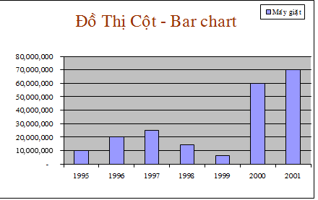
Công ty LG
Năm | Máy giặt | Ổ đĩa CD
1995 | 10,000,000 | 100,000,000
1996 | 20,000,000 | 300,000,000
1997 | 25,000,000 | 600,000,000
1998 | 14,000,000 | 700,000,000
1999 | 6,000,000 | 650,000,000
2000 | 60,000,000 | 750,000,000
2001 | 70,000,000 | 900,000,000

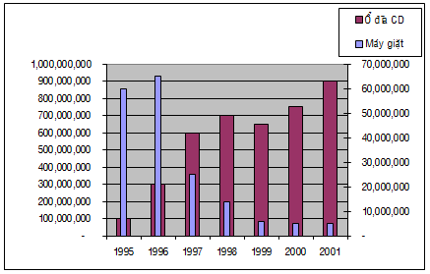
Năm | Máy giặt | Ổ đĩa CD
1995 | 60,000,000 | 100,000,000
1996 | 65,000,000 | 300,000,000
1997 | 25,000,000 | 600,000,000
1998 | 14,000,000 | 700,000,000
1999 | 6,000,000 | 650,000,000
2000 | 5,000,000 | 750,000,000
2001 | 5,000,000 | 900,000,000

