TASK 1 - EDA
TASK 1 – EXPLORATORY DATA ANALYSIS |  |  |  |  |  |  |  |  |  |  |  | POPULATION (QUẦN THỂ NGHIÊN CỨU)
 |  |  |  |  |  |  |  |  |  |  |  | Quần thể (Population) | Toàn bộ các phiên truy cập mua sắm trực tuyến (online shopping sessions) trên nền tảng thương mại điện tử được khảo sát
 |  |  |  |  |  |  |  |  |  |  |  | Đơn vị quan sát | 1 phiên truy cập (session) của 1 khách hàng
Structure, data quality, descriptive statistics, outliers and visualizations |  |  |  |  |  |  |  |  |  |  |  | Mẫu (Sample) | n = 12,330 phiên, thu thập trong 1 năm (bộ dữ liệu UCI ML Repository, ID 468)
 |  |  |  |  |  |  |  |  |  |  |  | Mục tiêu Task 1 | Mô tả đặc điểm phân phối của mẫu để suy diễn đặc điểm của quần thể
1A. Structure and data quality
Measure | Result | Interpretation
Rows | 12,330 | One row per online session
Original variables | 18 | 10 numerical and 8 categorical/Boolean attributes
Missing cells | 0 | No missing values
Duplicate rows | 125 | Exact duplicate feature vectors are flagged, not removed automatically
Purchase sessions | 1,908 | Revenue = TRUE
Non-purchase sessions | 10,422 | Revenue = FALSE
Minimum group size | 1,908 | Exceeds required 500 observations

1B–1C. Descriptive statistics for all 10 numerical variables
Group | Variable | n | Mean | Median | SD | Min | Q1 | Q3 | Max | Skewness | IQR outliers
Purchase | Administrative | 1,908 | 3.394 | 2.000 | 3.731 | 0.000 | 0.000 | 5.000 | 26.000 | 1.455 | 58
Purchase | Administrative_Duration | 1,908 | 119.483 | 52.367 | 201.115 | 0.000 | 0.000 | 151.083 | 2,086.750 | 3.985 | 143
Purchase | Informational | 1,908 | 0.786 | 0.000 | 1.521 | 0.000 | 0.000 | 1.000 | 12.000 | 2.699 | 223
Purchase | Informational_Duration | 1,908 | 57.611 | 0.000 | 171.619 | 0.000 | 0.000 | 19.000 | 1,767.667 | 4.983 | 367
Purchase | ProductRelated | 1,908 | 48.210 | 29.000 | 58.267 | 0.000 | 15.000 | 57.000 | 534.000 | 3.259 | 166
Purchase | ProductRelated_Duration | 1,908 | 1,876.210 | 1,109.906 | 2,312.214 | 0.000 | 541.906 | 2,266.011 | 27,009.859 | 3.338 | 166
Purchase | BounceRates | 1,908 | 0.005 | 0.000 | 0.012 | 0.000 | 0.000 | 0.006 | 0.200 | 8.277 | 156
Purchase | ExitRates | 1,908 | 0.020 | 0.016 | 0.016 | 0.000 | 0.010 | 0.025 | 0.200 | 3.478 | 95
Purchase | PageValues | 1,908 | 27.265 | 16.758 | 35.192 | 0.000 | 3.641 | 38.898 | 361.764 | 3.252 | 89
Purchase | SpecialDay | 1,908 | 0.023 | 0.000 | 0.124 | 0.000 | 0.000 | 0.000 | 1.000 | 5.792 | 77
No purchase | Administrative | 10,422 | 2.118 | 0.000 | 3.202 | 0.000 | 0.000 | 3.000 | 27.000 | 2.095 | 793
No purchase | Administrative_Duration | 10,422 | 73.740 | 0.000 | 171.018 | 0.000 | 0.000 | 83.000 | 3,398.750 | 6.104 | 1,042
No purchase | Informational | 10,422 | 0.452 | 0.000 | 1.212 | 0.000 | 0.000 | 0.000 | 24.000 | 4.450 | 2,018
No purchase | Informational_Duration | 10,422 | 30.236 | 0.000 | 133.909 | 0.000 | 0.000 | 0.000 | 2,549.375 | 8.433 | 1,840
No purchase | ProductRelated | 10,422 | 28.715 | 16.000 | 40.745 | 0.000 | 6.000 | 35.000 | 705.000 | 4.694 | 813
No purchase | ProductRelated_Duration | 10,422 | 1,069.988 | 510.190 | 1,803.798 | 0.000 | 151.000 | 1,331.817 | 63,973.522 | 8.833 | 787
No purchase | BounceRates | 10,422 | 0.025 | 0.004 | 0.052 | 0.000 | 0.000 | 0.020 | 0.200 | 2.664 | 1,299
No purchase | ExitRates | 10,422 | 0.047 | 0.029 | 0.051 | 0.000 | 0.016 | 0.054 | 0.200 | 1.940 | 1,048
No purchase | PageValues | 10,422 | 1.976 | 0.000 | 9.072 | 0.000 | 0.000 | 0.000 | 246.759 | 9.559 | 1,192
No purchase | SpecialDay | 10,422 | 0.068 | 0.000 | 0.209 | 0.000 | 0.000 | 0.000 | 1.000 | 3.083 | 1,174

1D–1E. Visualizations and distribution interpretation
Product-page duration distribution by conversion
 | No purchase | Purchase
0–300 | 37.8% | 11.9%
301–600 | 16.3% | 16.1%
601–1,200 | 18.2% | 25.3%
1,201–2,400 | 16.2% | 23.0%
2,401–4,800 | 8.3% | 14.8%
4,801–9,600 | 2.6% | 7.2%
9,601–19,200 | 0.5% | 1.7%
19,201–38,400 | 0.1% | 0.1%
38,401–64,000 | 0.0% | 0.0%
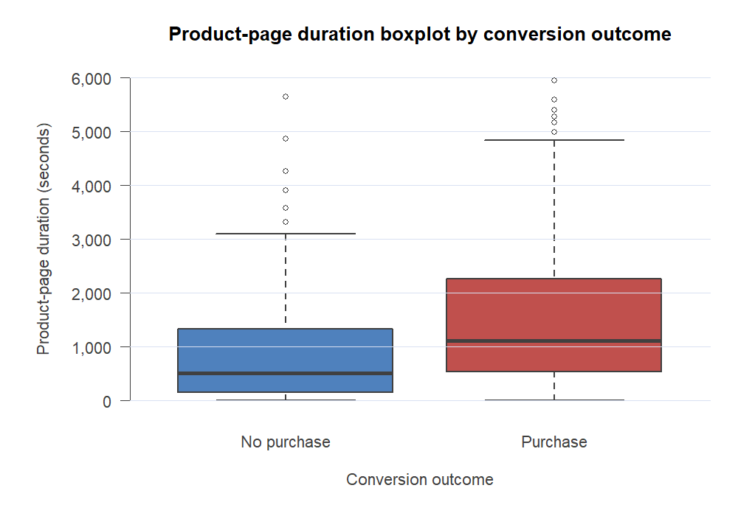

1D–1E. Visualizations and distribution interpretation

Conversion rate by month
 | Conversion rate
Feb | 1.6%
Mar | 10.1%
May | 10.9%
June | 10.1%
Jul | 15.3%
Aug | 17.6%
Sep | 19.2%
Oct | 20.9%
Nov | 25.4%
Dec | 12.5%
Purchase outcome within visitor type
 | No purchase | Purchase
New_Visitor | 75.1% | 24.9%
Other | 81.2% | 18.8%
Returning_Visitor | 86.1% | 13.9%

1D–1E. Visualizations and distribution interpretation

1D–1E. Visualizations and distribution interpretation

TASK 4 - REGRESSION
TASK 4 – SIMPLE LINEAR REGRESSION |  |  |  | POPULATION (QUẦN THỂ NGHIÊN CỨU)
 |  |  |  | Quần thể (Population) | Toàn bộ các phiên mua sắm trực tuyến trên nền tảng
 |  |  |  | Biến X (độc lập) | ProductRelated — số trang sản phẩm được xem trong phiên
X = ProductRelated pages | Y = ProductRelated_Duration in seconds |  |  |  | Biến Y (phụ thuộc) | ProductRelated_Duration — tổng thời lượng xem trang sản phẩm (giây)
 |  |  |  | Tham số tổng thể | β₀, β₁: hệ số hồi quy tổng thể | ρ: hệ số tương quan tổng thể giữa X và Y
4A–4B. Variable selection and scatter plot |  |  |  | Mẫu (Sample) | n = 12,330 phiên
The number of product pages viewed should naturally relate to total product-page time and provides an interpretable platform-engagement model. The scatter plot shows a strong, positive, approximately linear relationship with increasing spread at high page counts.

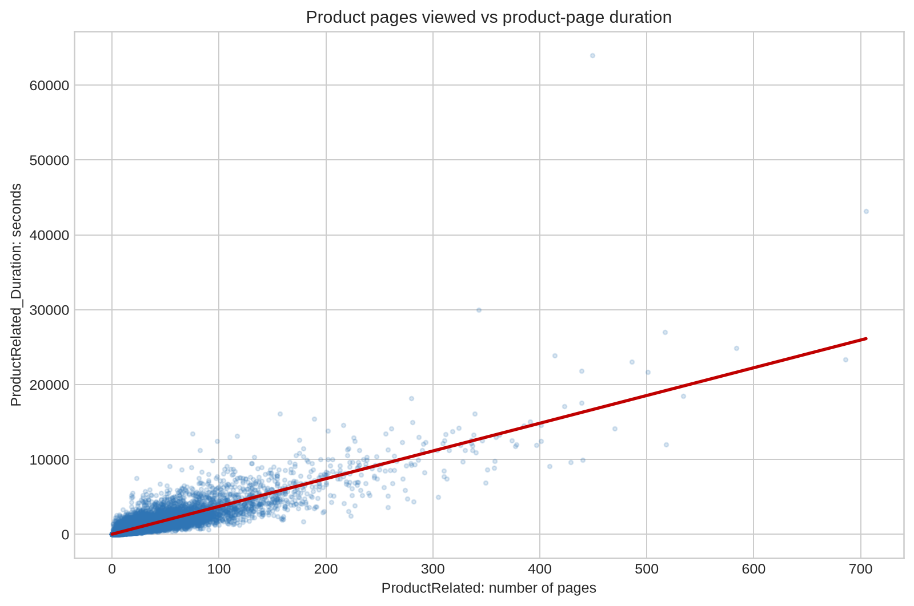

4C–4D–4F. Correlation, fitted model and slope test
Measure | Value | Mathematical / Excel calculation | Estimated equation: Ŷ = 19.301 + 37.044X r = 0.861: strong positive sample correlation. R² = 74.1%, so page count explains approximately 74.1% of the observed variation in product-page duration under this linear model.
Observations n | 12330.000000 | n
Correlation r | 0.860927 | r = Σ[(xᵢ−x̄)(yᵢ−ȳ)] / √[Σ(xᵢ−x̄)²Σ(yᵢ−ȳ)²]
R squared | 0.741195 | R²=r²=SSR/SST
Intercept b₀ | 19.300917 | b₀=ȳ−b₁x̄
Slope b₁ | 37.043521 | b₁=Σ[(xᵢ−x̄)(yᵢ−ȳ)]/Σ(xᵢ−x̄)²
Residual standard error | 973.578147 | sₑ=√[SSE/(n−2)]
Slope standard error | 0.197145 | SE(b₁)
Slope t statistic | 187.899767 | t=b₁/SE(b₁)
Slope p-value | 0.000000 | 2P(Tₙ₋₂≥|t|)
Slope 95% lower | 36.657086 | b₁−t*SE(b₁)
Slope 95% upper | 37.429956 | b₁+t*SE(b₁)
Decision | Reject H₀ | The slope is statistically different from zero (p<.001).

4E. Predictions for selected X values
Pages viewed X | Predicted duration Ŷ (seconds) | Formula
10 | 389.74 | Ŷ=b₀+b₁X
25 | 945.39 | Ŷ=b₀+b₁X
50 | 1,871.48 | Ŷ=b₀+b₁X
100 | 3,723.65 | Ŷ=b₀+b₁X
200 | 7,428.01 | Ŷ=b₀+b₁X

Regression interpretation and caution
Each additional product page is associated with about 37.04 additional seconds of product-page time on average. The slope is highly statistically significant, and the association is practically strong. However, residual spread grows for long sessions, and the model should not be used beyond the observed page-count range. This regression measures engagement mechanics, not a causal effect on purchase completion.

