TASK 1 - EDA
TASK 1 – EXPLORATORY DATA ANALYSIS |  |  |  |  |  |  |  |  |  |  |  | POPULATION (QUẦN THỂ NGHIÊN CỨU)
 |  |  |  |  |  |  |  |  |  |  |  | Quần thể (Population) | Toàn bộ các phiên truy cập mua sắm trực tuyến (online shopping sessions) trên nền tảng thương mại điện tử được khảo sát
 |  |  |  |  |  |  |  |  |  |  |  | Đơn vị quan sát | 1 phiên truy cập (session) của 1 khách hàng
Structure, data quality, descriptive statistics, outliers and visualizations |  |  |  |  |  |  |  |  |  |  |  | Mẫu (Sample) | n = 12,330 phiên, thu thập trong 1 năm (bộ dữ liệu UCI ML Repository, ID 468)
 |  |  |  |  |  |  |  |  |  |  |  | Mục tiêu Task 1 | Mô tả đặc điểm phân phối của mẫu để suy diễn đặc điểm của quần thể
1A. Structure and data quality
Measure | Result | Interpretation
Rows | 12,330 | One row per online session
Original variables | 18 | 10 numerical and 8 categorical/Boolean attributes
Missing cells | 0 | No missing values
Duplicate rows | 125 | Exact duplicate feature vectors are flagged, not removed automatically
Purchase sessions | 1,908 | Revenue = TRUE
Non-purchase sessions | 10,422 | Revenue = FALSE
Minimum group size | 1,908 | Exceeds required 500 observations

1B–1C. Descriptive statistics for all 10 numerical variables
Group | Variable | n | Mean | Median | SD | Min | Q1 | Q3 | Max | Skewness | IQR outliers
Purchase | Administrative | 1,908 | 3.394 | 2.000 | 3.731 | 0.000 | 0.000 | 5.000 | 26.000 | 1.455 | 58
Purchase | Administrative_Duration | 1,908 | 119.483 | 52.367 | 201.115 | 0.000 | 0.000 | 151.083 | 2,086.750 | 3.985 | 143
Purchase | Informational | 1,908 | 0.786 | 0.000 | 1.521 | 0.000 | 0.000 | 1.000 | 12.000 | 2.699 | 223
Purchase | Informational_Duration | 1,908 | 57.611 | 0.000 | 171.619 | 0.000 | 0.000 | 19.000 | 1,767.667 | 4.983 | 367
Purchase | ProductRelated | 1,908 | 48.210 | 29.000 | 58.267 | 0.000 | 15.000 | 57.000 | 534.000 | 3.259 | 166
Purchase | ProductRelated_Duration | 1,908 | 1,876.210 | 1,109.906 | 2,312.214 | 0.000 | 541.906 | 2,266.011 | 27,009.859 | 3.338 | 166
Purchase | BounceRates | 1,908 | 0.005 | 0.000 | 0.012 | 0.000 | 0.000 | 0.006 | 0.200 | 8.277 | 156
Purchase | ExitRates | 1,908 | 0.020 | 0.016 | 0.016 | 0.000 | 0.010 | 0.025 | 0.200 | 3.478 | 95
Purchase | PageValues | 1,908 | 27.265 | 16.758 | 35.192 | 0.000 | 3.641 | 38.898 | 361.764 | 3.252 | 89
Purchase | SpecialDay | 1,908 | 0.023 | 0.000 | 0.124 | 0.000 | 0.000 | 0.000 | 1.000 | 5.792 | 77
No purchase | Administrative | 10,422 | 2.118 | 0.000 | 3.202 | 0.000 | 0.000 | 3.000 | 27.000 | 2.095 | 793
No purchase | Administrative_Duration | 10,422 | 73.740 | 0.000 | 171.018 | 0.000 | 0.000 | 83.000 | 3,398.750 | 6.104 | 1,042
No purchase | Informational | 10,422 | 0.452 | 0.000 | 1.212 | 0.000 | 0.000 | 0.000 | 24.000 | 4.450 | 2,018
No purchase | Informational_Duration | 10,422 | 30.236 | 0.000 | 133.909 | 0.000 | 0.000 | 0.000 | 2,549.375 | 8.433 | 1,840
No purchase | ProductRelated | 10,422 | 28.715 | 16.000 | 40.745 | 0.000 | 6.000 | 35.000 | 705.000 | 4.694 | 813
No purchase | ProductRelated_Duration | 10,422 | 1,069.988 | 510.190 | 1,803.798 | 0.000 | 151.000 | 1,331.817 | 63,973.522 | 8.833 | 787
No purchase | BounceRates | 10,422 | 0.025 | 0.004 | 0.052 | 0.000 | 0.000 | 0.020 | 0.200 | 2.664 | 1,299
No purchase | ExitRates | 10,422 | 0.047 | 0.029 | 0.051 | 0.000 | 0.016 | 0.054 | 0.200 | 1.940 | 1,048
No purchase | PageValues | 10,422 | 1.976 | 0.000 | 9.072 | 0.000 | 0.000 | 0.000 | 246.759 | 9.559 | 1,192
No purchase | SpecialDay | 10,422 | 0.068 | 0.000 | 0.209 | 0.000 | 0.000 | 0.000 | 1.000 | 3.083 | 1,174

1D–1E. Visualizations and distribution interpretation
Histogram of product-page duration (300-second bins; last bar >6,000)
 | Frequency
0–300 | 4,166
300–600 | 2,007
600–900 | 1,422
900–1,200 | 955
1,200–1,500 | 770
1,500–1,800 | 578
1,800–2,100 | 451
2,100–2,400 | 328
2,400–2,700 | 275
2,700–3,000 | 209
3,000–3,300 | 167
3,300–3,600 | 135
3,600–3,900 | 118
3,900–4,200 | 99
4,200–4,500 | 82
4,500–4,800 | 66
4,800–5,100 | 61
5,100–5,400 | 55
5,400–5,700 | 43
5,700–6,000 | 35
>6,000 | 308
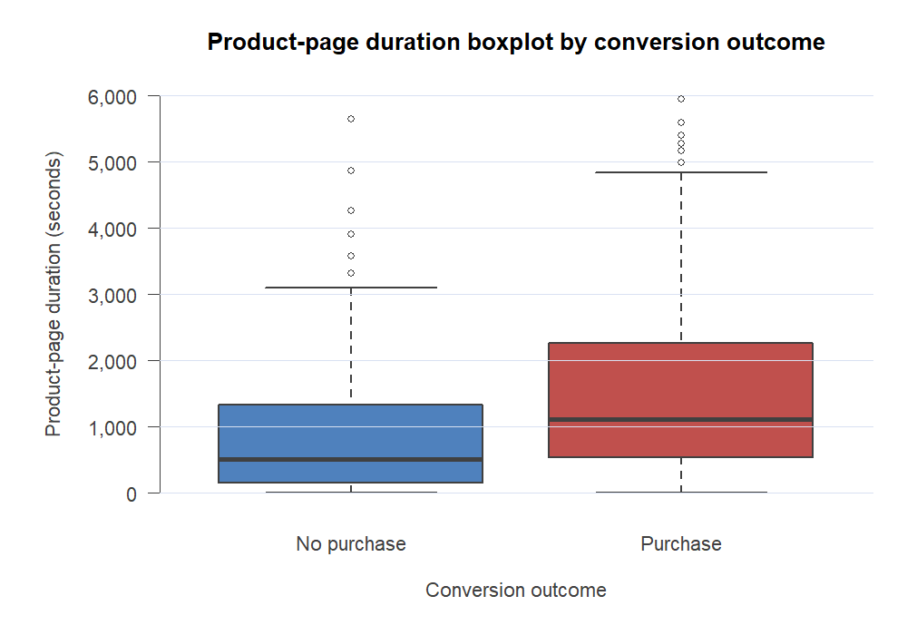

1D–1E. Visualizations and distribution interpretation

Conversion rate by month
 | Conversion rate
Feb | 1.6%
Mar | 10.1%
May | 10.9%
June | 10.1%
Jul | 15.3%
Aug | 17.6%
Sep | 19.2%
Oct | 20.9%
Nov | 25.4%
Dec | 12.5%
Purchase outcome within visitor type
 | No purchase | Purchase
New_Visitor | 75.1% | 24.9%
Other | 81.2% | 18.8%
Returning_Visitor | 86.1% | 13.9%

1D–1E. Visualizations and distribution interpretation

1D–1E. Visualizations and distribution interpretation

TASK 4 - REGRESSION
TASK 4 – SIMPLE LINEAR REGRESSION

X = ProductRelated pages | Y = ProductRelated_Duration in seconds

4A–4B. Variable selection and scatter plot
The number of product pages viewed should naturally relate to total product-page time and provides an interpretable platform-engagement model. The scatter plot shows a strong, positive, approximately linear relationship with increasing spread at high page counts.

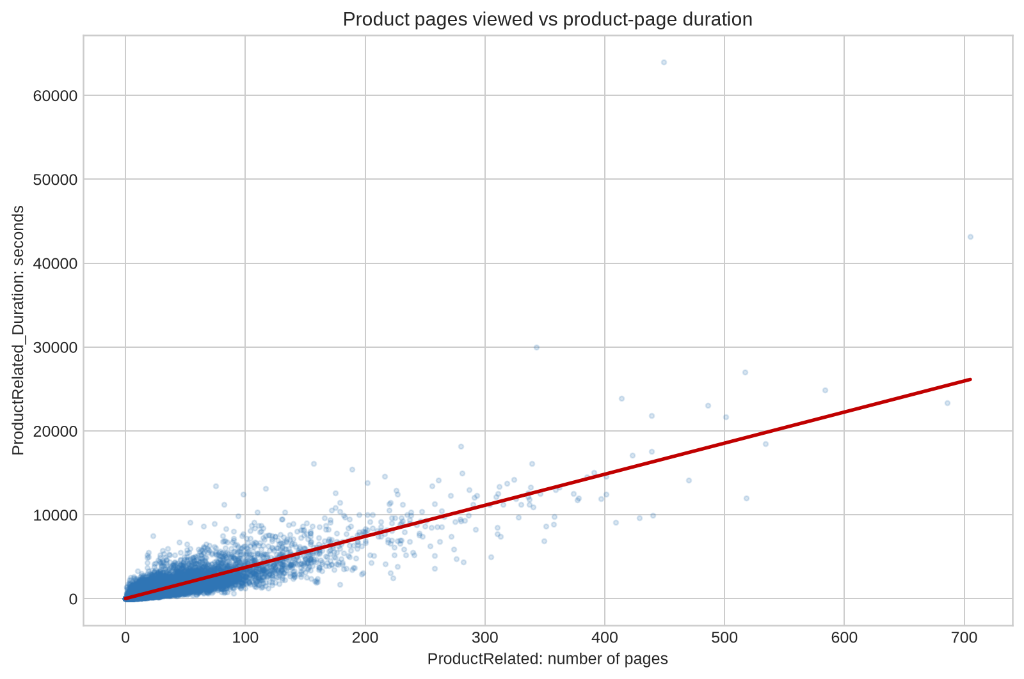
 | Observed sessions (display sample) |  | Fitted line: Y = 19.301 + 37.044X
1 | 0 | 0 | 19.300916623
16 | 407.75 | 705 | 26134.983298
3 | 105
10 | 183.6666667
4 | 88
1 | 0
90 | 6951.972222
2 | 76
7 | 337.5
16 | 644.2
4 | 253
4 | 135.5
1 | 0
1 | 0
9 | 261.75
12 | 129
7 | 666
96 | 3283.166739
17 | 840.2333333
8 | 731
14 | 643
22 | 1674.583333
18 | 1489.083333
5 | 57
30 | 397
2 | 153
1 | 0
22 | 851.5595238
12 | 94.5
46 | 1380.166667
1 | 0
1 | 0
19 | 298
46 | 2450.688095
6 | 44
2 | 254
8 | 331.4
2 | 24
1 | 0
1 | 0
31 | 1759.416667
11 | 814.5
8 | 445
11 | 687.5
5 | 72.33333333
16 | 630.75
11 | 543.5
37 | 584.5958874
9 | 104.8333333
6 | 218
...

4C–4D–4F. Correlation, fitted model and slope test
Measure | Value | Mathematical / Excel calculation |  | Estimated equation: Ŷ = 19.301 + 37.044X r = 0.861: strong positive sample correlation. R² = 74.1%, so page count explains approximately 74.1% of the observed variation in product-page duration under this linear model.
Observations n | 12330.000000 | n
Correlation r | 0.860927 | r = Σ[(xᵢ−x̄)(yᵢ−ȳ)] / √[Σ(xᵢ−x̄)²Σ(yᵢ−ȳ)²]
R squared | 0.741195 | R²=r²=SSR/SST
Intercept b₀ | 19.300917 | b₀=ȳ−b₁x̄
Slope b₁ | 37.043521 | b₁=Σ[(xᵢ−x̄)(yᵢ−ȳ)]/Σ(xᵢ−x̄)²
Residual standard error | 973.578147 | sₑ=√[SSE/(n−2)]
Slope standard error | 0.197145 | SE(b₁) |  | Coefficient interpretation: b₀ = 19.301: at X = 0, the fitted value is 19.301 seconds. This has limited practical meaning because no product-page view should imply near-zero product-page duration. b₁ = 37.044: each additional product page is associated with an average increase of about 37.04 seconds in total product-page duration.
Slope t statistic | 187.899767 | t=b₁/SE(b₁)
Slope p-value | < 0.001 | Report as p < 0.001; the value is not literally zero.
Slope 95% lower | 36.657086 | b₁−t*SE(b₁)
Slope 95% upper | 37.429956 | b₁+t*SE(b₁)
Decision | Reject H₀ | The slope is statistically different from zero (p<.001).

4E. Predictions for selected X values
Pages viewed X | Predicted duration Ŷ (seconds) | Formula
10 | 389.74 | Ŷ=b₀+b₁X
25 | 945.39 | Ŷ=b₀+b₁X
50 | 1,871.48 | Ŷ=b₀+b₁X
100 | 3,723.65 | Ŷ=b₀+b₁X
200 | 7,428.01 | Ŷ=b₀+b₁X

Regression interpretation and caution
Each additional product page is associated with about 37.04 additional seconds of product-page time on average. The slope is highly statistically significant, and the association is practically strong. However, residual spread grows for long sessions, and the model should not be used beyond the observed page-count range. This regression measures engagement mechanics, not a causal effect on purchase completion.

4F. Detailed hypothesis test for the slope coefficient
Hypotheses and significance level: H₀: β₁ = 0 (no population linear relationship) H₁: β₁ ≠ 0 (a population linear relationship exists) α = 0.05; two-sided test; df = n − 2 = 12,328

Quantity | Value | Mathematical calculation | Interpretation
Observations n | 12,330.000000 | n | All sessions
Sxx | 24,387,629.890430 | Sxx = Σ(xᵢ − x̄)² | Variation in X used to estimate the slope
SSE | 11,685,149,149.880900 | SSE = Σ(yᵢ − ŷᵢ)² | Unexplained sum of squares
Degrees of freedom | 12,328.000000 | df = n − 2 | Regression residual degrees of freedom
MSE | 947,854.408654 | MSE = SSE/(n − 2) | Estimated residual variance
Residual standard error sₑ | 973.578147 | sₑ = √MSE | Typical residual scale, in seconds
Slope standard error | 0.197145 | SE(b₁) = sₑ/√Sxx | Sampling uncertainty of b₁
Estimated slope b₁ | 37.043521 | b₁ = Sxy/Sxx | Seconds associated with one additional page
Test statistic t₀ | 187.899767 | t₀ = (b₁ − 0)/SE(b₁) | Observed standardized distance from H₀
Two-sided critical value | 1.960156 | ±t₀.₀₂₅,₁₂₃₂₈ | Reject H₀ when |t₀| > 1.9602
Two-sided p-value | < 0.001 | p = 2P(T₁₂₃₂₈ ≥ |t₀|) | Extremely strong evidence against H₀
Slope CI lower | 36.657086 | b₁ − t*SE(b₁) | Lower 95% bound
Slope CI upper | 37.429956 | b₁ + t*SE(b₁) | Upper 95% bound

Decision by two equivalent methods
Method | Comparison | Decision | Contextual conclusion
P-value approach | p < 0.001 < α = 0.05 | Reject H₀ | The population slope is statistically different from zero.
Critical-value approach | |187.900| > 1.9602 | Reject H₀ | The test statistic lies far inside the rejection region. |  | z

Final inference: There is sufficient statistical evidence at the 5% level that the number of product-related pages and total product-page duration have a non-zero linear relationship. The 95% confidence interval [36.657, 37.430] excludes zero and indicates a positive slope. This is an association from observational data, not evidence of causation.

Model assumptions and practical caution
Assumption / issue | Assessment from this analysis | Consequence | Recommended interpretation
Linearity | Scatter plot is approximately linear and positive. | Supports a linear summary. | Use the fitted line for the observed range.
Independence | UCI states each session belongs to a different user. | Supports the sampling assumption. | Generalize mainly to the source platform/process.
Constant variance | Spread increases for high page counts. | Homoscedasticity may be imperfect. | Treat standard errors and individual predictions cautiously.
Outliers | Several high-page/high-duration sessions are visible. | They may influence the fitted line. | Retained as plausible behavior; do not delete automatically.
Causality | Observational data only. | Confounding may affect both variables. | Say 'associated with', not 'causes'.

