DC Power Monitoring


Voltage Divider |  |  |  | Resistor Code Reference
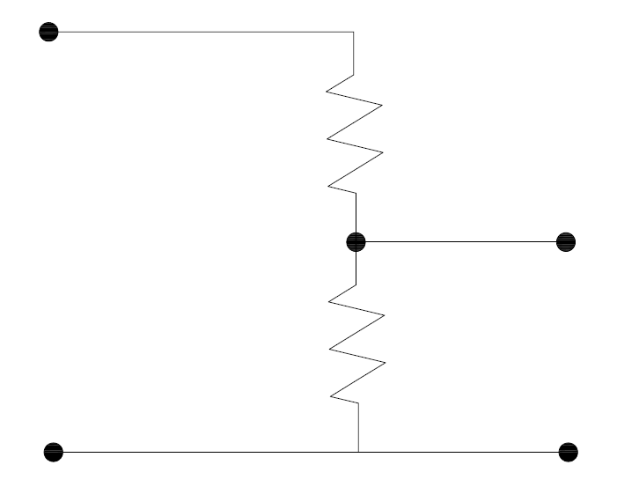
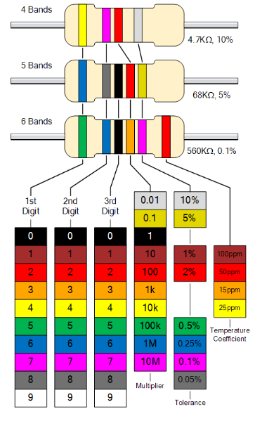
Monitoring Voltage
R 1

0-5V to Arduino
R2

Monitoring Voltage |  | 30 | V
Arduino measuring Voltage |  | - | V
Voltage Multiplying Factor |  | #VALUE!
Total Resistance | Ohm | 50000 | Ω
Maximum Current | Ampere | 0.0006 | A
Resistor R1 | Ohm | #VALUE! | Ω
 | Watt | #VALUE! | W
 | Tolerance | 1 | %
Resistor R2 | Ohm | #VALUE! | Ω
 | Watt | #VALUE! | W | Example : a 49500 ohm with 1% tolerance
 | Tolerance | 1 | % | Resistor code : Yellow + Magenta + Green + Red + Brown

