tapswap
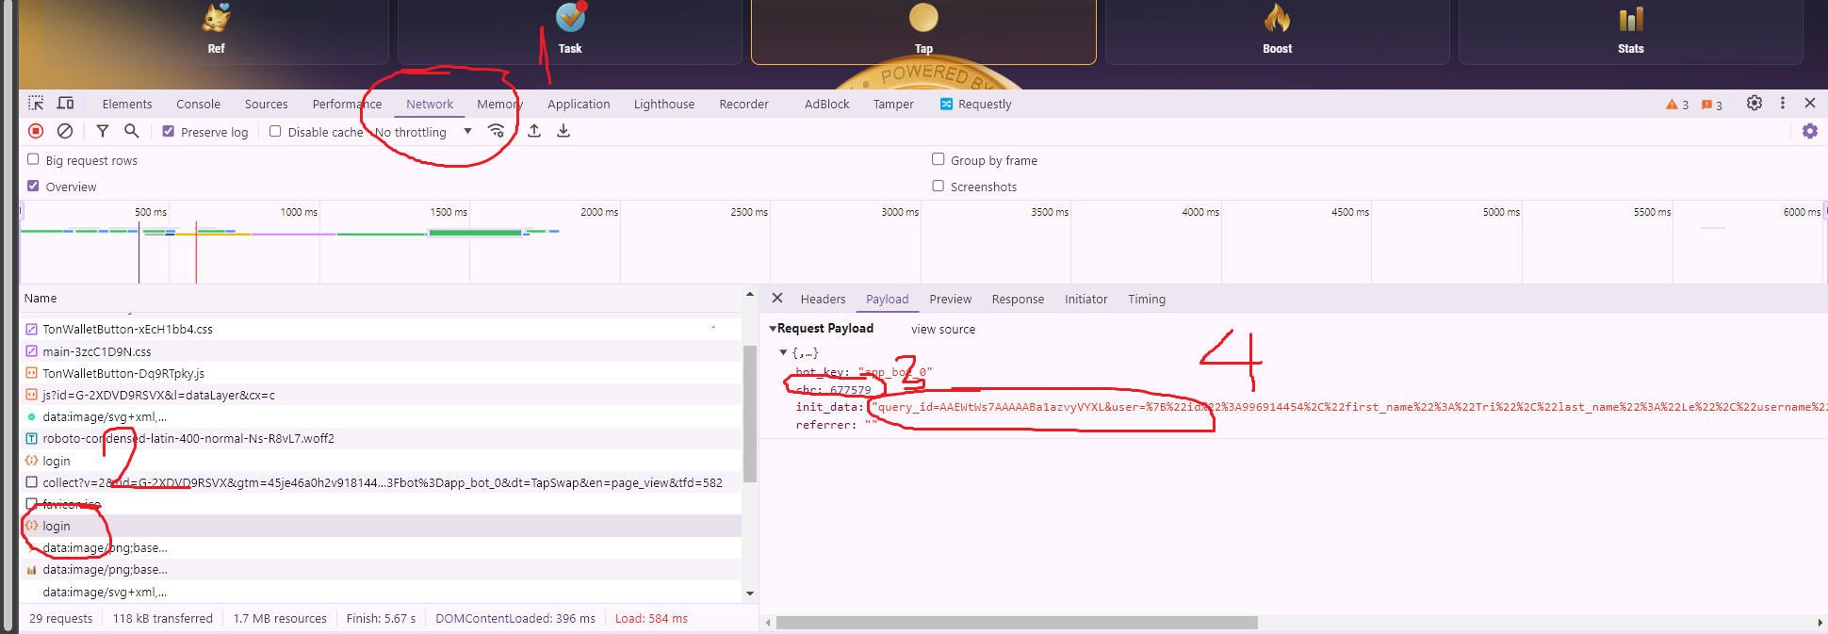
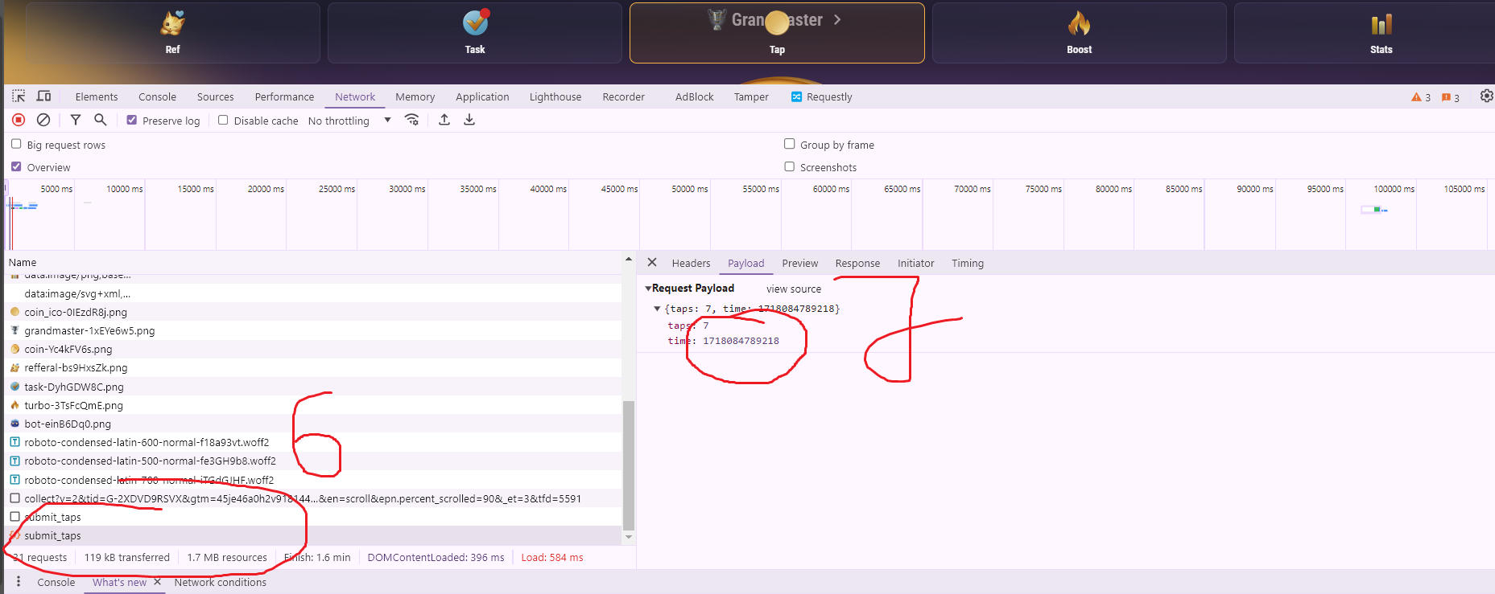
proxy | query | chr | content_id | time_stamp | profile | tap_level | energy_level

