product page
Project product list page

 | Click menu to change "product type" then product list will be changed
 | The search box helps users filter the product list based on name, this search box will prevent making search api requests to many times at once (e.g. only request data at 300ms after the user use enter search value)

 | Custom scroll bar of body
 |  | scrollbar width : 5px
 |  | border radius: 3px
 |  | color | blue, ..etc
 | All pop-ups must be animated while open

 | Should responsive layout

Home page
Click menu to change active product types
Click menu to change active product types
Click shopping cart to show list selected items modal
10
10
10
10
10
Our products |  |  |  |  |  |  | Our products |  |  |  |  |  | Our products |  |  |  |  |  |  | Our products |  |  |  |  |  | Order detail

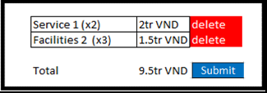
 | Product types |  | services | Facilities |  |  |  | Product types |  | services | Facilities |  |  | Product types |  | services | Facilities |  | Click outside to hide cart popup |  | Product types |  | services | Facilities |  |  |  | Order number: | rzy8kbt65

 | List services |  |  |  |  |  |  | List services |  |  |  |  |  | List services |  |  |  |  |  |  | List services |  |  |  |  |  | Product | type | quanlity | price

 | Search | Enter product name |  |  |  |  |  | Search | Enter product name |  |  |  |  | Search | Enter product name |  |  |  |  |  | Search | Enter product name |  |  |  |  | Service 1 | service | 2 | 300.000 VND

 | Thumb Image |  |  | Thumb Image | Thumb Image |  |  | Thumb Image |  |  | Thumb Image | Thumb Image |  | Thumb Image |  |  | Thumb Image | Thumb Image |  |  | Thumb Image |  |  | Thumb Image | Thumb Image |  | facility 1 | facility | 1 | 500.000 VND

 |  |  |  |  |  |  |  |  |  |  |  |  |  |  |  |  |  |  |  |  |  |  |  |  |  |  |  |  |  | Total price
 |  |  |  |  |  |  |  |  |  |  |  |  |  |  |  |  |  |  |  |  |  |  |  |  |  |  |  |  |  | 1.100.000 VND
Click submit to create order
click to see order detail in new page

 | service 1 2tr VND |  |  | service 2 1.5tr VND | service 3 3tr VND |  |  | Facilities 1 2tr VND |  |  | Facilities 2 1.5tr VND | Facilities 3 3tr VND |  | Facilities 1 2tr VND |  |  | Facilities 2 1.5tr VND | Facilities 3 3tr VND |  |  | Facilities 1 2tr VND |  |  | Facilities 2 1.5tr VND | Facilities 3 3tr VND
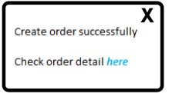

 | Thumb Image |  |  | Thumb Image | Thumb Image |  |  | Thumb Image |  |  | Thumb Image | Thumb Image |  | Thumb Image |  |  | Thumb Image | Thumb Image |  |  | Thumb Image |  |  | Thumb Image | Thumb Image

 | service 4 200.000 VND |  |  | service 5 2tr VND | service 6 2tr VND |  |  | Facilities 4 200.000 VND |  |  | Facilities 5 2tr VND | Facilities 6 2tr VND |  | Facilities 4 200.000 VND |  |  | Facilities 5 2tr VND | Facilities 6 2tr VND |  |  | Facilities 4 200.000 VND |  |  | Facilities 5 2tr VND | Facilities 6 2tr VND

 | Thumb Image |  |  | Thumb Image | Thumb Image |  |  | Thumb Image |  |  | Thumb Image | Thumb Image |  | Thumb Image |  |  | Thumb Image | Thumb Image |  |  | Thumb Image |  |  | Thumb Image | Thumb Image

 | service 1 2tr VND |  |  | service 2 1.5tr VND | service 3 3tr VND |  |  | Facilities 1 2tr VND |  |  | Facilities 2 1.5tr VND | Facilities 3 3tr VND |  | Facilities 1 2tr VND |  |  | Facilities 2 1.5tr VND | Facilities 3 3tr VND |  |  | Facilities 1 2tr VND |  |  | Facilities 2 1.5tr VND | Facilities 3 3tr VND

 | Thumb Image |  |  | Thumb Image | Thumb Image |  |  | Thumb Image |  |  | Thumb Image | Thumb Image |  | Thumb Image |  |  | Thumb Image | Thumb Image |  |  | Thumb Image |  |  | Thumb Image | Thumb Image

 | service 4 200.000 VND |  |  | service 5 2tr VND | service 6 2tr VND |  |  | Facilities 4 200.000 VND |  |  | Facilities 5 2tr VND | Facilities 6 2tr VND |  | Facilities 4 200.000 VND |  |  | Facilities 5 2tr VND | Facilities 6 2tr VND |  |  | Facilities 4 200.000 VND |  |  | Facilities 5 2tr VND | Facilities 6 2tr VND

Click any items to see detail in popup

Responsive layout
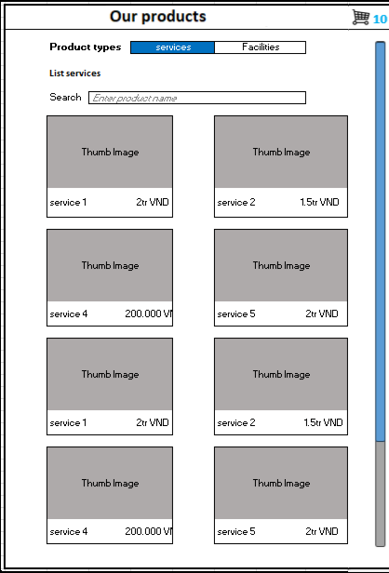
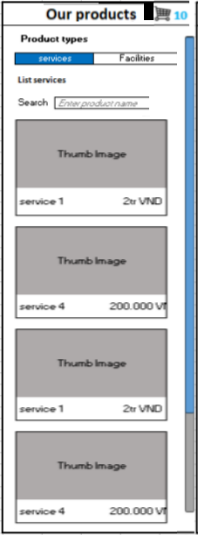

10
Our products

 | Product types |  | services | Facilities

 | List services

 | Search | Enter product name

 | Thumb Image |  |  | Thumb Image | Thumb Image | When user click on "add to cart" button, the number in cart item is updated

 | service 1 2tr VND |  |  | service 2 1.5tr VND | service 3 3tr VND | Click outside to hide detail popup

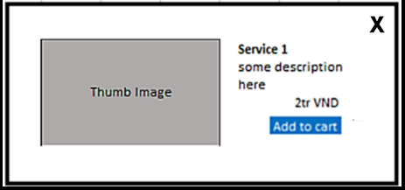
 | Thumb Image |  |  | Thumb Image | Thumb Image

 | service 4 200.000 VND |  |  | service 5 2tr VND | service 6 2tr VND

 | Thumb Image |  |  | Thumb Image | Thumb Image

 | service 1 2tr VND |  |  | service 2 1.5tr VND | service 3 3tr VND

 | Thumb Image |  |  | Thumb Image | Thumb Image

 | service 4 200.000 VND |  |  | service 5 2tr VND | service 6 2tr VND

