Sheet1
brand_name | category_name | product_name | price | quantity | color | band_material | dial_type | func | gender | model | series | water_resistance | case_diameter | case_material | detail | machine_movement | band_width | case_thickness | image
Diesel | Watches | Mr. Daddy 2.0 Chronograph Black Leather Black (Four Time Zone) Dial3 | 200000 | 100 | Black | Leather | Analog | Chronograph, Date, Hour, Minute, Second, and 4 Time Zones | Mens | DZ7371 | Mr. Daddy 2.0 | 30 meters / 100 feet | 66 mm x 57 mm | Stainless Steel | The Diesel Mr. Daddy 2.0 series watch features a stainless steel 66 mm x 57 mm case, with a fixed bezel a black (four time zone) dial and a scratch resistant mineral crystal. Chronograph - sub-dials displaying: 60 second, 30 minute and 24 hour. The 28 mm leather band is fitted with a tang clasp . This beautiful wristwatch, powered by quartz movement, supports: chronograph, date, hour, minute, second, and 4 time zones functions. This watch has a water resistance of up to 100 feet/30 meters, suitable for short periods of recreational swimming. This stylish timepiece is sure to complete any man's collection. | Quartz | 28 mm | 14 mm | 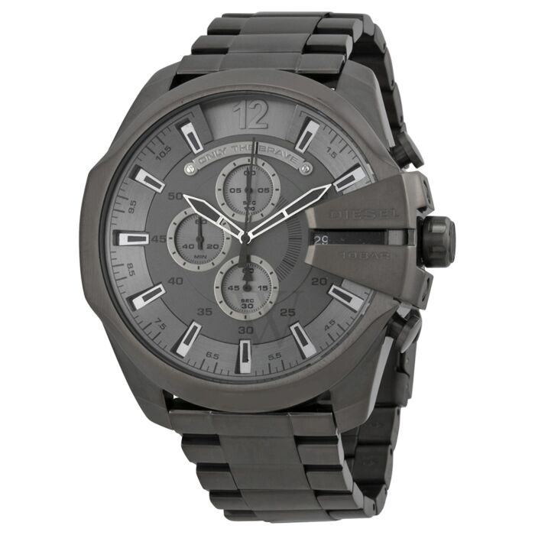
Diesel | Watches | Mr. Daddy 2.0 Chronograph Black Leather Black (Four Time Zone) Dial4 | 200000 | 100 | Black | Leather | Analog | Chronograph, Date, Hour, Minute, Second, and 4 Time Zones | Mens | DZ7371 | Mr. Daddy 2.0 | 30 meters / 100 feet | 66 mm x 57 mm | Stainless Steel | The Diesel Mr. Daddy 2.0 series watch features a stainless steel 66 mm x 57 mm case, with a fixed bezel a black (four time zone) dial and a scratch resistant mineral crystal. Chronograph - sub-dials displaying: 60 second, 30 minute and 24 hour. The 28 mm leather band is fitted with a tang clasp . This beautiful wristwatch, powered by quartz movement, supports: chronograph, date, hour, minute, second, and 4 time zones functions. This watch has a water resistance of up to 100 feet/30 meters, suitable for short periods of recreational swimming. This stylish timepiece is sure to complete any man's collection. | Quartz | 28 mm | 14 mm | 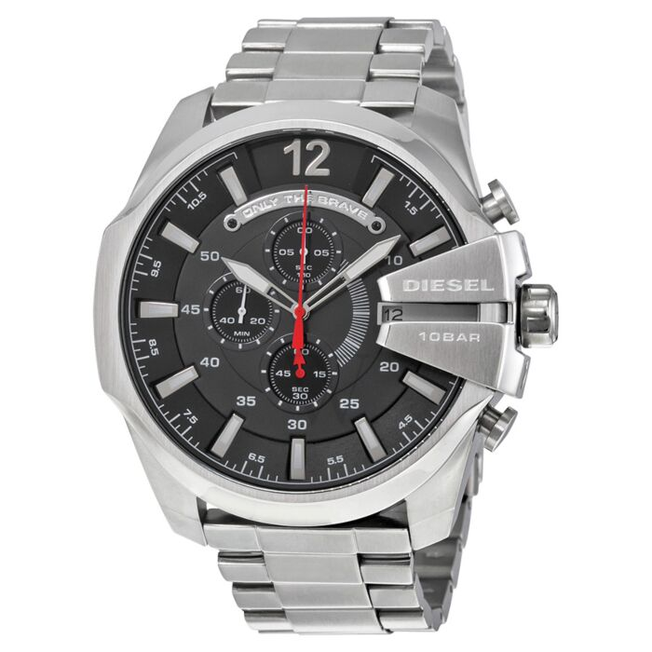
Diesel | Watches | Mr. Daddy 2.0 Chronograph Black Leather Black (Four Time Zone) Dial5 | 200000 | 100 | Black | Leather | Analog | Chronograph, Date, Hour, Minute, Second, and 4 Time Zones | Mens | DZ7371 | Mr. Daddy 2.0 | 30 meters / 100 feet | 66 mm x 57 mm | Stainless Steel | The Diesel Mr. Daddy 2.0 series watch features a stainless steel 66 mm x 57 mm case, with a fixed bezel a black (four time zone) dial and a scratch resistant mineral crystal. Chronograph - sub-dials displaying: 60 second, 30 minute and 24 hour. The 28 mm leather band is fitted with a tang clasp . This beautiful wristwatch, powered by quartz movement, supports: chronograph, date, hour, minute, second, and 4 time zones functions. This watch has a water resistance of up to 100 feet/30 meters, suitable for short periods of recreational swimming. This stylish timepiece is sure to complete any man's collection. | Quartz | 28 mm | 14 mm | 