Sheet1
brand_name | category_name | product_name | price | quantity | color | band_material | dial_type | func | gender | model | series | water_resistance | case_diameter | case_material | detail | machine_movement | band_width | case_thickness | image
Diesel | Watches | Mr. Daddy 2.0 Chronograph Black Leather Black (Four Time Zone) Dial3 | 200000 | 100 | Black | Leather | Analog | Chronograph, Date, Hour, Minute, Second, and 4 Time Zones | Mens | DZ7371 | Mr. Daddy 2.0 | 30 meters / 100 feet | 66 mm x 57 mm | Stainless Steel | The Diesel Mr. Daddy 2.0 series watch features a stainless steel 66 mm x 57 mm case, with a fixed bezel a black (four time zone) dial and a scratch resistant mineral crystal. Chronograph - sub-dials displaying: 60 second, 30 minute and 24 hour. The 28 mm leather band is fitted with a tang clasp . This beautiful wristwatch, powered by quartz movement, supports: chronograph, date, hour, minute, second, and 4 time zones functions. This watch has a water resistance of up to 100 feet/30 meters, suitable for short periods of recreational swimming. This stylish timepiece is sure to complete any man's collection. | Quartz | 28 mm | 14 mm | 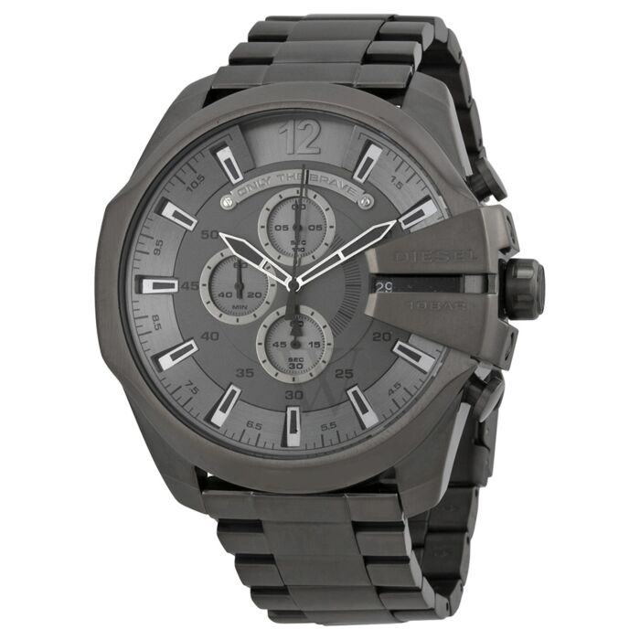
Adee Kaye Watches | Watches | Men's Stainless Steel Black Dial Watch | 5400000 | 100 | Black-plated | Stainless Steel | Analog | Date, Hour, Minute, Second | Mens | AK2268SS-60 |  | 50 meters / 165 feet | 45 mm | Stainless Steel | The Adee Kaye watch features a stainless steel 45 mm case, with a fixed bezel a black dial and a scratch resistant mineral crystal. Chronograph - sub-dials displaying: 60 second, 60 minute and 12 hour. The 22 mm stainless steel band is fitted with a fold over clasp . This beautiful wristwatch, powered by a miyota caliber os10, Japan made quartz movement, supports: date, hour, minute, second functions. This watch has a water resistance of up to 165 feet/50 meters, suitable for short periods of recreational swimming, but not diving or snorkeling. This stylish timepiece is sure to complete any man's collection. | Quartz | 22 mm | 16 mm
Adee Kaye Watches | Watches | Women's AKJ2001-L Genuine Leather Crystal Set (Blue & White) Dial Watch | 230000 | 100 | Black | Crystal Set | Analog | Hour, Minute, Second | Womens | AK2001-LBU |  | 30 meters / 100 feet | 40 mm | Brass | The Adee Kaye AKJ2001-L series watch features a brass 40 mm case, with a fixed bezel a crystal set (blue & white) dial and a scratch resistant mineral crystal. The 20 mm genuine leather band is fitted with a buckle clasp . This beautiful wristwatch, powered by a miyota caliber 2035, Japan made quartz movement, supports: hour, minute, second functions. This watch has a water resistance of up to 100 feet/30 meters, suitable for short periods of recreational swimming. This stylish timepiece is sure to complete any woman's collection. | Quartz | 20 mm | 10 mm
Adee Kaye Watches | Watches | Men's Stainless Steel White Dial Watch | 5500000 | 100 | Silver-tone | Stainless Steel | Analog | Date, Hour, Minute, Second | Mens | AK2268SS-30 |  | 50 meters / 165 feet | 45 mm | Stainless Steel | The Adee Kaye watch features a stainless steel 45 mm case, with a fixed bezel a white dial and a scratch resistant mineral crystal. Chronograph - sub-dials displaying: 60 second, 60 minute and 12 hour. The 22 mm stainless steel band is fitted with a fold over clasp . This beautiful wristwatch, powered by a miyota caliber os10, Japan made quartz movement, supports: date, hour, minute, second functions. This watch has a water resistance of up to 165 feet/50 meters, suitable for short periods of recreational swimming, but not diving or snorkeling. This stylish timepiece is sure to complete any man's collection. | Quartz | 22 mm | 16 mm
Adee Kaye Watches | Watches | Women's AKJ2003-L Leather White (Crystal-set) Dial Watch | 180000 | 100 | Red | Brass set with Crystals | Analog | Hour, Minute, Second | Womens | AK2003-LRG |  | 30 meters / 100 feet | 32.5 mm | Brass | The Adee Kaye AKJ2003-L series watch features a brass 32.5 mm case, with a fixed bezel a white (crystal-set) dial and a scratch resistant mineral crystal. The 16 mm leather band is fitted with a tang clasp . This beautiful wristwatch, powered by a miyota 1l40, Japan made quartz movement, supports: hour, minute, second functions. This watch has a water resistance of up to 100 feet/30 meters, suitable for short periods of recreational swimming. This stylish timepiece is sure to complete any woman's collection. | Quartz | 16 mm | 9.75 mm
Akribos XXIV Watches | Smart Watch | Men's Stainless Steel Black Dial | 210000 | 100 | Tow-tone (Silver-tone and Black) | Composite Metal | Analog-Digital | Date, Hour, Minute, Second, Tachymeter | Mens | AK1095TTB |  | 30 meters / 100 feet | 45 mm | Composite Metal | The Akribos XXIV watch features a composite metal 45 mm case, with a fixed bezel a black dial and a scratch resistant hardlex crystal. The 24 mm stainless steel band is fitted with a hidden fold over clasp . This beautiful wristwatch, powered by quartz movement, supports: date, hour, minute, second, tachymeter functions. This watch has a water resistance of up to 100 feet/30 meters, suitable for short periods of recreational swimming. This stylish timepiece is sure to complete any man's collection. | Quartz | 24 mm | 14.5 mm
Armand Nicolet | Pocket Watches | Men's MH2 Leather Blue Dial Watch | 1210000 | 100 | Silver-tone | Leather | Analog | Date, Hour, Minute, Second | Mens | A640A-BU-P140BU2 |  | 100 meters / 330 feet | 42 mm | Stainless Steel | The Armand Nicolet MH2 series watch features a stainless steel 42 mm case, with a fixed bezel a blue dial and a scratch resistant sapphire crystal. The leather band is fitted with a tang clasp . This beautiful wristwatch, powered by a eta caliber 2824-2, automatic movement, supports: date, hour, minute, second functions. This watch has a water resistance of up to 330 feet/100 meters, suitable for recreational surfing, swimming, snorkeling, sailing and water sports. This stylish timepiece is sure to complete any man's collection. | Automatic | 24 mm | 13 mm
Armand Nicolet | Watches | Men's MH2 Stainless Steel Blue Dial Watch | 6700000 | 100 | Silver-tone | Stainless Steel | Analog | Date, Moon Phase, Hour, Minute, Second | Mens | A640L-BU-MA2640A |  | 100 meters / 330 feet | 42 mm | Stainless Steel | The Armand Nicolet MH2 series watch features a stainless steel 42 mm case, with a fixed bezel a blue dial and a scratch resistant sapphire crystal. The stainless steel band is fitted with a fold over with push button release clasp . This beautiful wristwatch, powered by a sellita caliber sw280, automatic movement, supports: date, moon phase, hour, minute, second functions. This watch has a water resistance of up to 330 feet/100 meters, suitable for recreational surfing, swimming, snorkeling, sailing and water sports. This stylish Swiss-made timepiece is sure to complete any man's collection. | Automatic | 24 mm | 13 mm
Daniel Wellington | Watches | Women's Dapper Durham Leather White Dial Watch | 1800000 | 100 | Brown | Leather | Analog | Hour, Minute, Second | Womens | DW00100111 | Dapper Durham | 30 meters / 100 feet | 36 mm | Stainless Steel | The Daniel Wellington Dapper Durham series watch features a stainless steel 36 mm case, with a fixed bezel a white dial and a scratch resistant mineral crystal. The 18 mm leather band is fitted with a tang clasp . This beautiful wristwatch, powered by quartz movement, supports: hour, minute, second functions. This watch has a water resistance of up to 100 feet/30 meters, suitable for short periods of recreational swimming. This stylish timepiece is sure to complete any woman's collection. | Quartz | 18 mm | 6.5 mm
Daniel Wellington | Watches | Women's Fabric Black Dial Watch | 1200000 | 100 | Black | Leather | Analog | Hour, Minute | Womens | DW00100247 |  | 30 meters / 100 feet | 28 mm | Stainless Steel | The Daniel Wellington watch features a stainless steel 28 mm case, with a fixed bezel a black dial and a scratch resistant mineral crystal. The 12 mm fabric band is fitted with a tang clasp . This beautiful wristwatch, powered by Japan made quartz movement, supports: hour, minute functions. This watch has a water resistance of up to 100 feet/30 meters, suitable for short periods of recreational swimming. This stylish timepiece is sure to complete any woman's collection. | Quartz | 12 mm | 6 mm

