Chart
Sheet Selector

TOTAL By Months

14 | YEAR | ACCUMULATIVE(D57-1) | YEAR
 | MONTH |  | 2015 |  |  |  |  |  |  |  |  | 2016
 | MONTH | 2015-03-01 | 2015-04-01 | 2015-05-01 | 2015-06-01 | 2015-07-01 | 2015-08-01 | 2015-09-01 | 2015-10-01 | 2015-11-01 | 2015-12-01 | 2016-01-01 | 2016-02-01 | 2016-03-01 | 2016-04-01 | 2016-05-01 | 2016-06-01
 | Accumulate Plan |  | 9,367 | 28,365 | 47,479 | 59,622 | 75,499 | 123,246 | 163,177 | 225,025 | 271,650 | 365,930 | 503,338 | 621,474 | 719,168 | 812,103 | 887,550
 | Accumulate Actual |  | 9,367 | 28,352 | 47,470 | 59,613 | 75,491 | 87,145 | 117,366 | 169,999 | 197,712 | 221,530 | 293,411
 | Accumulate Contractor Submit |  | 10,460 | 33,493 | 62,982 | 73,068 | 91,754 | 145,515 | 197,212 | 241,149 | 291,993 | 317,810 | 388,757
 | Accumulate Update Actual |  | 9,367 | 28,365 | 47,479 | 59,622 | 75,499 | 87,154 | 117,375 | 170,008 | 197,721 | 221,539 | 292,604 | 413,453 | 525,446 | 632,478 | 788,715
 | Accumulate Contractor Submit | Accumulate Update Actual | Accumulate Plan | Accumulate Actual
0 | 0 | 0 | 0 | 0
42064 | 0 | 0 | 0 | 0
42095 | 10460.02573 | 9366.70983 | 9366.70983 | 9366.710498
42125 | 33493.188158 | 28364.91947 | 28364.91947 | 28352.321358
42156 | 62982.303047 | 47479.28142 | 47479.28142 | 47469.960441
42186 | 73068.276601 | 59621.99707 | 59621.99707 | 59612.676099
42217 | 91753.811283 | 75499.39057 | 75499.39057 | 75490.522432
42248 | 145515.04233 | 87153.930808 | 123246.04716 | 87145.062671
42278 | 197211.75411 | 117374.85559 | 163176.58186 | 117365.97064
42309 | 241148.9912 | 170007.69767 | 225025.32772 | 169998.84324
42339 | 291992.76977 | 197720.97463 | 271649.8724 | 197712.13398
42370 | 317810.10652 | 221539.15436 | 365930.45397 | 221530.31785
42401 | 388756.50058 | 292603.53146 | 503337.75277 | 293411.29817
42430 | 0 | 413452.63104 | 621474.0246 | 0
42461 | 0 | 525446.40661 | 719168.35405 | 0
42491 | 0 | 632477.83696 | 812102.94036 | 0
42522 | 0 | 788715.452 | 887550.15087 | 0
 | Accumulate Actual |  | 9,367 | 28,352 | 47,470 | 59,613 | 75,491 | 87,145 | 117,366 | 169,999 | 197,712 | 221,530 | 293,411 | 293,411 | 293,411 | 293,411 | 293,411
 | Accumulate Plan |  | 9,367 | 28,365 | 47,479 | 59,622 | 75,499 | 123,246 | 163,177 | 225,025 | 271,650 | 365,930 | 503,338 | 621,474 | 719,168 | 812,103 | 887,550

42461
Accumulate Plan | 719168.35405
Accumulate Actual | 0
Accumulate Contractor Submit | 0
Accumulate Update Actual | 525446.40661
 |  |  |  |  |  |  |  |  |  |  |  |  |  |  |  | Date
 | Date |  | Apr-16 |  |  |  |  |  |  |  |  |  |  |  |  | Apr-16
 | 01.01.01 |  |  |  |  |  |  |  |  |  |  |  |  |  |  | 293411 | 719168 | 40.80%
 | lm | um | b foam | p 1 | cl | p 2 | p 3
 | -0.2 | 1.01 | 0 | 0 | 0.74 | 0 | 0
 | lm | um | b foam | p 1 | cl | p 2 | p 3
 | -0.2 | 1.01 | 1.26 | 0 | 1 | 0 | 0
 | lm | um | b foam | p 1 | cl | p 2 | p 3
 | -0.2 | 1.01 | 0 | 0 | 0.54 | 0 | 0
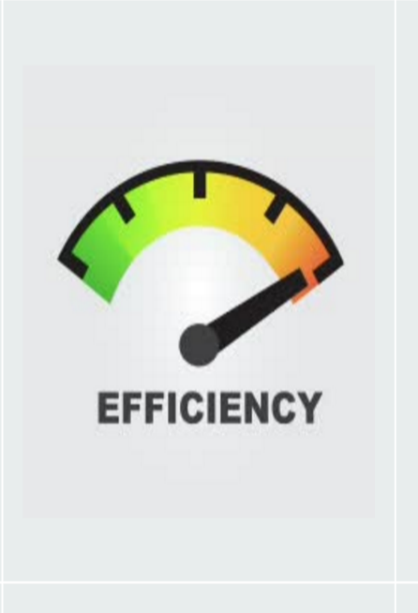

 | lm | lm | -20% | lm | -20%
 | um | um | 101% | um | 101%
 | p 1 | p 1 | 0% | p 1 | 0%
 | p 2 | p 2 | 0% | p 2 | 0%
 | cl | cl | 100% | cl | 0%
 | p 3 | p 3 | 0% | p 3 | 0%
 | bf | bf | 126% | bf | 0%

 | Accum. Actual-Accum Updated | Actual-Update Actual | Actual-Update Actual |  |  | Accum. Actual-Accum Plan
 | 74.00% | 226.00% |  |  |  | 54.00%

 | Date | A |  |  |  | B |  |  |  | C
 | 2016-04-01 | Accumulate Actual / Accumulated Update Actual |  |  |  | Actual / updated Actual |  |  |  | Accumulated Actual/ Accumulate Plan
 | 14 | 55.84% |  |  |  | 00.00% |  |  |  | 40.80%

Description File
1 | since I do not knew what table structure you have use, And since I want one final structure (BY columns) , I SENT YOU IN EACH TABLE WHAT ARE THE NEEDED COLUMNS

1A | PLAN- COLUMN A COLUMN E COLUMN R-HY

1B | ACTUAL + UPDATE ACTUAL (there are 2 parameters in this table actual (red) & update actual (gray))-

 | ACTUAL - COLUMN A COLUMN E COLUMN Q-NL

 | SAME same for UPDATE ACTUAL

1C | CONTRACTOR SUBMIT- COLUMN A COLUMN E COLUMN Q-NL

1D | ALL OTHER COLUMN ARE NOT ACTIVE (YOU CAN CANCEL THEM)

2 | CHART TAB IS THE SAMPLE FOR TEMPLATE

3 | IN CURRENT WEB THERE IS NO NUMBER THAT REPRESENT THE SUBJECT NAME (see prinshoot) , SINCE WILL BE MORE action same in this format (number, subject name, and data) NEED TO ADD THIS NUMBER ALSO
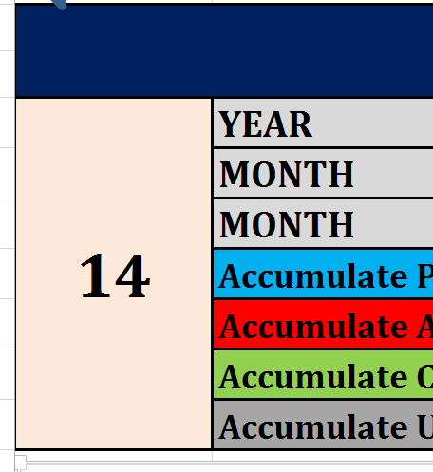
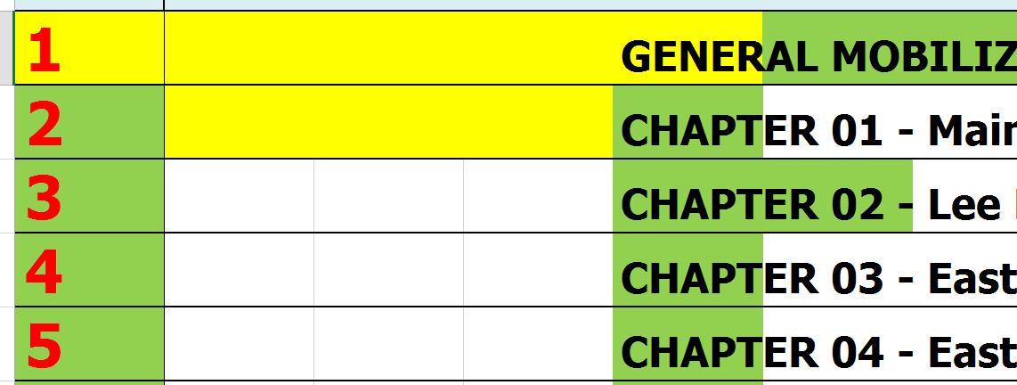

4 |  | 3 TABLES ATTACHMENT GREEN TAB -CONTRACTOR SUBMIT
 |  | RED TAB ACTUAL AND UPDATE ACTUAL

5 |  | ALL ACTIONS FOR EACH PLAN ACTUAL AND SO ON WILL HAVE INTERCHANGEABLE ACCUMULATIVE VALUE

6

 |  |  | CANCEL TEXT AND DATA

 | NEED JUST ONE ROW FOR THIS ACTION (CHART), OTHER ROWS WILL BE FOR OTHER CHART TYPE ,SO ALL OTHER ROWS NEED TO BE EMPTY IN THIS STEP
 | EACH MONTH THE UPLOAD TABLE WILL REPLACE THE EXSIST TABLE, NOT NEED TO COLLECT TABLES OF PREV. MONTH

7 |  | IN END OF DEVELOPMENT NEED TO BE ABOUT 15-18 ROWS, EACH ROW REPRESENT OTHER CHART SHOW

