Accumulated
 | 12 | 24 | 36 | 48 | 60 | 72 | 84 | 96 | 108 | 120 |  | 1 | 2 | 3 | 4 | 5 | 6 | 7 | 8 | 9 | 10
2001 | 380759 | 1487293 | 2605977 | 3512992 | 4107807 | 4605445 | 4907525 | 5116200 | 5271656 | 5414482 | 1 | 357848 | 1124788 | 1735330 | 2218270 | 2745596 | 3319994 | 3466336 | 3606286 | 3833515 | 3901463
2002 | 397944 | 1513838 | 2674443 | 3565005 | 4164253 | 4482030 | 4875885 | 5250600 | 5458506 | 5598844 | 2 | 352118 | 1236139 | 2170033 | 3353322 | 3799067 | 4120063 | 4647867 | 4914039 | 5339085
2003 | 339834 | 1490101 | 2472735 | 3330528 | 4056380 | 4643779 | 5115531 | 5501513 | 5702300 | 5855583 | 3 | 290507 | 1292306 | 2218525 | 3235179 | 3985995 | 4132918 | 4628910 | 4909315
2004 | 385482 | 1465657 | 2627041 | 3448495 | 4194121 | 4791793 | 5140083 | 5421930 | 5622163 | 5761726 | 4 | 310608 | 1418858 | 2195047 | 3757447 | 4029929 | 4381982 | 4588268
2005 | 287607 | 1288599 | 2398687 | 3271471 | 3956441 | 4387173 | 4767907 | 4954984 | 5078359 | 5200701 | 5 | 443160 | 1136350 | 2128333 | 2897821 | 3402672 | 3873311
2006 | 358626 | 1364250 | 2449934 | 3398625 | 4139496 | 4552205 | 4871515 | 5166743 | 5402023 | 5545885 | 6 | 396132 | 1333217 | 2180715 | 2985752 | 3691712
2007 | 312457 | 1393214 | 2389099 | 3302558 | 3924919 | 4419004 | 4754378 | 5098034 | 5297211 | 5467330 | 7 | 440832 | 1288463 | 2419861 | 3483130
2008 | 313784 | 1388690 | 2441951 | 3346580 | 4005816 | 4540581 | 4862720 | 5090261 | 5307228 | 5483656 | 8 | 359480 | 1421128 | 2864498
2009 | 351498 | 1505181 | 2663867 | 3517558 | 4147552 | 4656853 | 4992753 | 5255325 | 5417894 | 5565014 | 9 | 376686 | 1363294
2010 | 401630 | 1720212 | 2903983 | 3814903 | 4566184 | 5067550 | 5434491 | 5670453 | 5849245 | 5985271 | 10 | 344014

 | Simulated (and rectangle) |  |  |  |  |  |  |  |  |  |  | GenIns

 |  |  |  |  |  |  |  |  |  |  |  | Mack Method
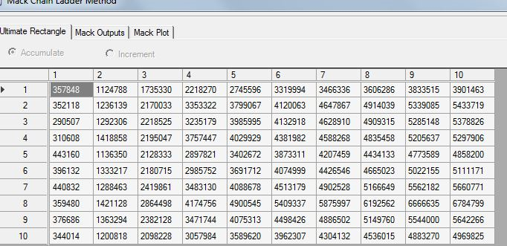
Difference

 | 1 | 2 | 3 | 4 | 5 | 6 | 7 | 8 | 9 | 10
1 | 0.06402533266 | 0.32228759542 | 0.50171847678 | 0.58366284219 | 0.49614416176 | 0.38718462906 | 0.41576734938 | 0.41868938743 | 0.37514950666 | 0.38780817082
2 | 0.13014379524 | 0.22465043629 | 0.23244363219 | 0.063126403301 | 0.096125115676 | 0.087854841989 | 0.049058625816 | 0.068489721884 | 0.022367273341
3 | 0.16979794854 | 0.1530557702 | 0.11458535547 | 0.029472476467 | 0.017657997744 | 0.12360787023 | 0.10512657287 | 0.12062738588
4 | 0.2410560476 | 0.032983596687 | 0.19680377949 | -0.082223905749 | 0.040743261409 | 0.093521762907 | 0.12026661536
5 | -0.35100930327 | 0.1339809807 | 0.12702636604 | 0.12894169758 | 0.16274541031 | 0.13266744297
6 | -0.094680111148 | 0.023276813336 | 0.12345437761 | 0.13828105081 | 0.12129431411
7 | -0.29120974626 | 0.081299084367 | -0.012712240291 | -0.051842015143
8 | -0.12711797146 | -0.022825560561 | -0.14751177399
9 | -0.066866570233 | 0.10407694362
10 | 0.16748164181

