gencost
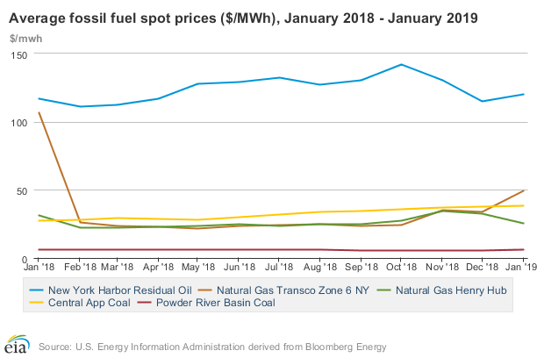
Fuel Type | Bus Number |  | Start-up Cost | Shutdown Cost |  | Fuel Cost
Hydro | 31 | 2 | 200 | 200 | 2 | 0 | 0
Ngas | 31 | 2 | 200 | 200 | 2 | 60 | 0
Oil | 31 | 2 | 200 | 200 | 2 | 120 | 0
Hydro | 32 | 2 | 200 | 200 | 2 | 0 | 0
Ngas | 32 | 2 | 200 | 200 | 2 | 60 | 0
Nuclear | 32 | 2 | 1000 | 1000 | 2 | 7.5 | 0
Oil | 32 | 2 | 200 | 200 | 2 | 120 | 0
Hydro | 34 | 2 | 200 | 200 | 2 | 0 | 0
Ngas | 34 | 2 | 200 | 200 | 2 | 60 | 0
Hydro | 30 | 2 | 200 | 200 | 2 | 0 | 0
Ngas | 30 | 2 | 200 | 200 | 2 | 60 | 0
Oil | 30 | 2 | 200 | 200 | 2 | 120 | 0
Ngas | 35 | 2 | 200 | 200 | 2 | 60 | 0
Oil | 35 | 2 | 200 | 200 | 2 | 120 | 0
Coal | 37 | 2 | 200 | 200 | 2 | 30 | 0
Hydro | 37 | 2 | 200 | 200 | 2 | 0 | 0
Ngas | 37 | 2 | 200 | 200 | 2 | 60 | 0
Nuclear | 37 | 2 | 1000 | 1000 | 2 | 7.5 | 0
Oil | 37 | 2 | 200 | 200 | 2 | 120 | 0
Ngas | 33 | 2 | 200 | 200 | 2 | 60 | 0
Ngas | 36 | 2 | 200 | 200 | 2 | 60 | 0
Oil | 36 | 2 | 200 | 200 | 2 | 120 | 0
Hydro | 38 | 2 | 200 | 200 | 2 | 0 | 0
Oil | 38 | 2 | 200 | 200 | 2 | 120 | 0
Hydro | 17 | 2 | 200 | 200 | 2 | 0 | 0
Ngas | 17 | 2 | 200 | 200 | 2 | 60 | 0
Oil | 17 | 2 | 200 | 200 | 2 | 120 | 0
Hydro | 39 | 2 | 200 | 200 | 2 | 0 | 0
Ngas | 39 | 2 | 200 | 200 | 2 | 60 | 0
Oil | 39 | 2 | 200 | 200 | 2 | 120 | 0

