Executive Summary
ForgeOS Engineering Dossier — Water treatment
⬤ TAB QUALITY 9/10 · PASS (target ≥8, live from the Quality & Audit score cell) · MIRROR of the dossier floor (min of every deterministic section & non-mirror tab) — re-stamped from the CURRENT scores, never a stale earlier cap; own content check: cov… · full audit: Quality & Audit tab
The engineering reality of your hardware idea — a buildable design, a real bill of materials, the true cost, and who can make it. The detail is in the tabs; this page is the summary.

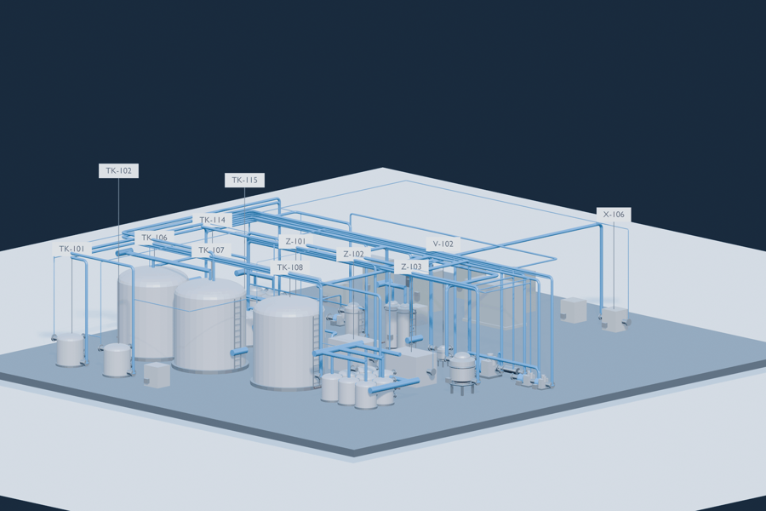
WHAT IT IS
Water treatment

OUTPUT
45 m3/h
Irrigation Demand M3 Per

ALL-IN INSTALLED COST
£1,360,613

STATUS
SHIPS
One verdict for the whole dossier — the floor is the minimum score of every section and tab; it ships when all are ≥8. Detail: Quality & Audit tab.

 |  |  |  |  |  |  |  |  | SG: The original Codema quote was for 2 x 90m3 and 1 x 45m3 system with RO etc for 1.1m Euros.
This dossier specifies a Water treatment — 45 m3/h (irrigation demand m3 per). The engine values the build at £1,360,613 (all-in installed cost). An independent market benchmark flags 1 dimension where the design diverges from the brief/market expectation — see the ⚠ Checks tab for the routed detail. Every figure in this workbook — the bill of materials, the costs, and the specifications below — is derived deterministically from the engineering contract, computed rather than estimated by hand. |  |  |  |  |  |  |  |  | SG: Does the model take into account inflation each year and material price index rises etc?

Key specifications & brief compliance — every target deterministically verified
Brief metric | Target | Unit | Matched contract quantity | Achieved | Direction | STATUS | Note | Cell check
Irrigation demand (m³/h) | 45 | m3/h | Irrigation pump flow (m³/h) | 90 | ≥ target (meet/exceed) | PASS | brief key: irrigation_demand_m3_per_hr → contract: irrigation_pump_flow_m3_h · unit family: flow_m3h | PASS | SG: Why is it providing double capacity required? May be a good thing for resilience of the system etc maybe.
Cultivation containers | 6,000 | count | Cultivation container count | 6,000 | ≥ target (meet/exceed) | PASS | brief key: cultivation_containers → contract: cultivation_container_count · unit family: count | PASS | SG: 45m3/hr for 6,000 containers sounds low. Is a 'container' more like a bench tray? Maybe language issue.
Ro permeate capacity (m³/h) | 8 | m3/h | Ro permeate capacity (m³/h) | 8 | ≥ target (meet/exceed) | PASS | brief key: ro_permeate_capacity_m3_per_hr → contract: ro_permeate_capacity_m3_h · unit family: flow_m3h | PASS | SG: RO capacity for 6,000 containers again sounds low.
Ro recovery (%) | 75 | % | Ro recovery (%) | 75 | ≥ target (meet/exceed) | PASS | brief key: ro_recovery_percent → contract: ro_recovery_percent | PASS
Water storage capacity m3 | 120 | m3 | Water storage capacity m3 | 120 | ≥ target (meet/exceed) | PASS | brief key: water_storage_capacity_m3 → contract: water_storage_capacity_m3 · unit family: volume_m3 | PASS
Actuated valves | 200 | count | Actuated distribution valve count | 200 | ≥ target (meet/exceed) | PASS | brief key: actuated_valves → contract: actuated_distribution_valve_count · unit family: count | PASS

Where the money goes — capex by category
Pipework & valves | 339,593 |  | 41.6% | █████████████████
Filtration & membranes | 111,964 |  | 13.7% | █████
Controls & instrumentation | 110,691 |  | 13.6% | █████
Vessels, tanks & columns | 108,361 |  | 13.3% | █████
Other equipment | 65,562 |  | 8.0% | ███
Rotating equipment | 35,261 |  | 4.3% | ██
Power & electrical | 34,221 |  | 4.2% | ██

What's inside this workbook
• Bill of Materials (Ledger) | The bill — tag, item, qty, unit £, cost basis, spec.
• Cost waterfall | Bill of materials to installed price, with live running totals.
• Financial model | Economics, scenarios and investment analysis, live off the Inputs tab.
• Calculations | Worked calculations by tool — live Excel formulas where structured.
• Risk & Regulatory | Hazard and risk register, compliance verdict and statutory duties.
• Connection trace | Which part connects to what, with live cell references.

Your next steps — from design to a funded factory
• You have the engineering dossier
A buildable design, a real bill of materials, and the true cost — this document.
→ Talk to the experts this design needs
We connect you to vetted specialists for the open questions the design raises.
→ Get real supplier quotes (RFQ)
We take this bill of materials to suppliers and bring back real quotes.
→ Raise the money on these numbers
We help you turn the validated design and costs into a fundraise.

Fractional Forge — Tristan Fischer, Founder. Reply to take the next step.

Renders
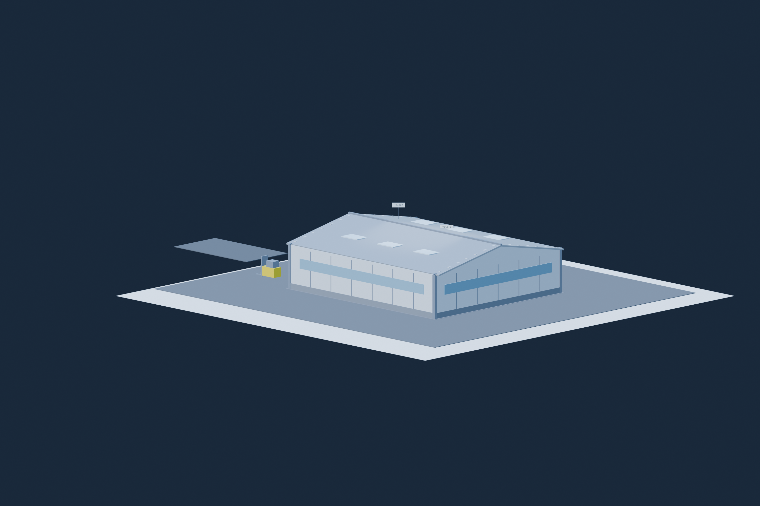
Renders — photoreal views of the plant | ↑ Contents
⬤ TAB QUALITY 10/10 · PASS (target ≥8, live from the Quality & Audit score cell) · render mechanism: parts-ledger coverage × default-size litter × typed-shape × vision-critic verdict (render-vision-critique.json) — drawing part coverage (blender) 27/27… · full audit: Quality & Audit tab
The informative views from the Blender scene build: interior hero isometric, annotated interior plan, and the building exterior. Every rendered view file (including the additional corner angles) is listed with its caption on the Drawings register tab; the full-resolution files live in the run folder. |  | SG: All pipework seems to be above ground whereas a lot of this pipework may be better placed below ground in normal circumstances, and indeed a lot would have to be underground for drainage.
 |  | SG: Some pipes look weirdly big, hard to deduce much from the images in terms of pipe runs etc. Labels don't seem clear in terms of what they are referring to.
Render 1 — Interior iso |  | SG: Usually what would be more useful/important for the design is a working schematic which pipe runs, sizes, valve locations etc, would show how everything connects better.
Interior render — three-quarter hero perspective · plant envelope 22.1 × 27.0 × 4.5 m · principal equipment: TK-106 Drain Water Tank · TK-107 Drain Water Tank · TK-108 Fresh Water Tank · Z-101 Reverse Osmosis Skid · Z-102 Uf Module Bank


Render 2 — Interior plan
Interior render — plan view, looking down · plant envelope 22.1 × 27.0 × 4.5 m · principal equipment: TK-106 Drain Water Tank · TK-107 Drain Water Tank · TK-108 Fresh Water Tank · Z-101 Reverse Osmosis Skid · Z-102 Uf Module Bank
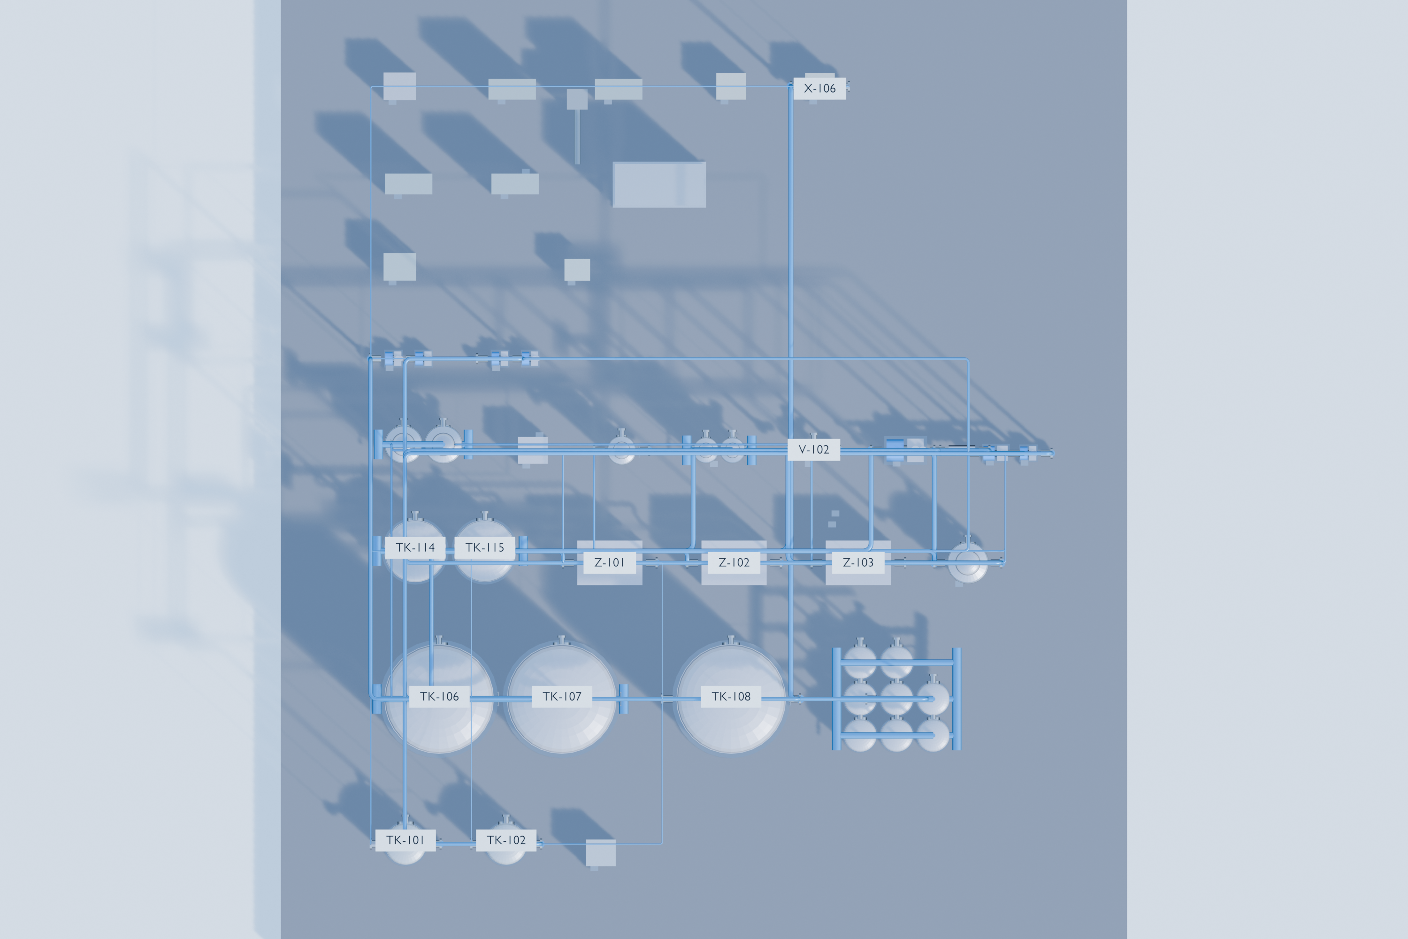

Render 5 — Exterior iso
Exterior render — three-quarter hero perspective · plant envelope 22.1 × 27.0 × 4.5 m · building shell + site apron (equipment enclosed)
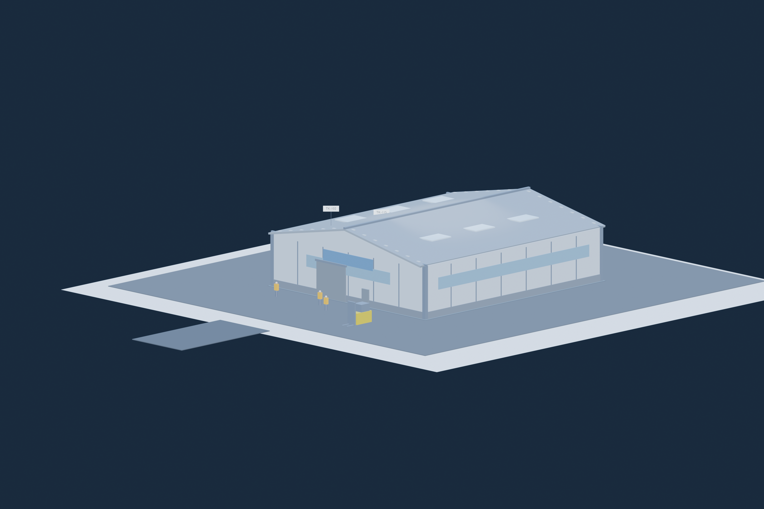

Render 7 — Exterior FR iso
Exterior render — front-right corner perspective · plant envelope 22.1 × 27.0 × 4.5 m · building shell + site apron (equipment enclosed)

Financial model
Financial model — cost of service first · speculative model in the appendix |  |  |  |  |  |  |  | ↑ Contents
⬤ TAB QUALITY 10/10 · PASS (target ≥8, live from the Quality & Audit score cell) · formula integrity (cells reference drivers; no orphan literals) + scenario arithmetic (live) — model value cells are live formulas or declared (yellow) inputs 225/226; c… · full audit: Quality & Audit tab
THE VALID FRAME LEADS: this plant is a cost subsystem, so the tab opens with its lifecycle cost-of-service model (capex + opex + levelised £/unit), every cell live over the yellow 'Inputs & Assumptions' tab. The revenue/EBITDA/NPV/IRR machinery survives only as a clearly-labelled APPENDIX at the bottom — one caveat, stated once. Money £#,##0; margins 0.0%; years 0.0.
COST-OF-SERVICE MODEL — the lifecycle cost of the delivered service
Levelised cost of delivered output = (capex annualised at CRF 0.117 over 20 yr + annual opex) ÷ annual delivered volume (engine primary output metric (45 m3/h)). Every value cell is a LIVE formula over the yellow Inputs & Assumptions drivers — edit an input and this recomputes.

Item | Value (£) |  | Basis | Cell check
All-in capex | 1,360,613 |  | live from Inputs — installed capex (engine costStack all-in / installed ASP) | PASS
Annualised capex / yr | 159,817 |  | capex × CRF (live off the Inputs discount rate + project life; as-built i=10%, n=20 yr) | PASS
Energy / yr | 41,340 |  | live from Inputs — connected load × hours × ELECTRICAL load factor × £/kWh (as-built 53 kW × 8,000 h × 65% × £0.15/kWh) | PASS |  | SG: Could be too high.A lot of kit e.g. pumps may only operate infrequently. What else is causing the high energy use? £41k is a lot.
Maintenance / yr | 40,818 |  | live from Inputs — 3% of capex/yr | PASS
Labour + other opex / yr | 52,212 |  | live from Inputs — labour £25,000 + other opex £27,212 (the Inputs basis: unmanned/skid plant unless a headcount signal exists) | PASS
TOTAL annual opex / yr | 134,370 |  | energy + maintenance + labour + other (sum of the live rows above)
Annual delivered volume (m3/h) | 45 |  | engine primary output metric (45 m3/h) | PASS
LEVELISED COST (£/m3) | £6,537.50 |  | (annualised capex + total opex) ÷ annual delivered volume — live; as-built £6,537.50/m3 over 45 m3/h | PASS

Sweet spot & brief reconciliation

Reconciliation verdict — COMPATIBLE — the brief's cost ceiling and output target fit together
The brief is internally consistent: 360,000 m³/yr fits within the £1.40M ceiling. Recommended operating point: 360,000 m³/yr at £623k (£2/m³/yr). Objective: BALANCED (the best cost/output compromise).

Primary objective followed: BALANCED — the best cost/output compromise

Recommended operating point | Value |  |  |  |  |  |  | Cell check
Reference output — tool snapshot (Q_ref) | 360,000.0 |  |  |  |  |  |  | PASS
Reference capex, ex-works — tool snapshot (Q_ref) | £623,278 |  |  |  |  |  |  | PASS
Capacity-scaling exponent (n) | 0.65 |  |  |  |  |  |  | PASS
Recommended output (m³/yr) | 360,000.0 |  |  |  |  |  |  | PASS
Recommended capex (£) | £623,278 |  |  |  |  |  |  | PASS
Recommended £/m³/yr | £1.73 |  |  |  |  |  |  | PASS
Recommended scale vs brief (×) | 1.0 |  |  |  |  |  |  | PASS
Within cost ceiling? | Yes |  |  |  |  |  |  | PASS
Meets hard output floor? | Yes |  |  |  |  |  |  | PASS

£/m³/yr vs output — the sweet-spot curve
Cost–output frontier (capacity-scaling law) — £/unit falls with scale (economies of scale)
Output (m³/yr) | Capex (£) | £/m³/yr |  |  |  |  |  | Cell check
90,000.0 | £253,129 | £2.81 |  |  |  |  |  | PASS
113,392.9 | £294,148 | £2.59 |  |  |  |  |  | PASS
142,866.1 | £341,813 | £2.39 |  |  |  |  |  | PASS
180,000.0 | £397,203 | £2.21 |  |  |  |  |  | PASS
226,785.8 | £461,568 | £2.04 |  |  |  |  |  | PASS
285,732.2 | £536,363 | £1.88 |  |  |  |  |  | PASS
360,000.0 | £623,278 | £1.73 |  |  |  |  |  | PASS
453,571.6 | £724,277 | £1.60 |  |  |  |  |  | PASS
571,464.4 | £841,643 | £1.47 |  |  |  |  |  | PASS
720,000.0 | £978,028 | £1.36 |  |  |  |  |  | PASS
907,143.2 | £1,136,513 | £1.25 |  |  |  |  |  | PASS
1,142,928.8 | £1,320,680 | £1.16 |  |  |  |  |  | PASS
1,440,000.0 | £1,534,690 | £1.07 |  |  |  |  |  | PASS

APPENDIX — if the output were sold (speculative — not the valid frame for this plant)

⚠ SPECULATIVE APPENDIX — no per-unit market sale price is derivable for this product class, so every revenue / EBITDA / NPV / IRR figure below is NOT a valid investor model until a real sale price is entered on the 'Inputs & Assumptions' tab. This caveat is stated ONCE and covers the whole appendix.

Economics — base case (revenue / opex / EBITDA / NPV / IRR)

Annual profit & loss
Line | £ / yr (live) | Unit | Formula | Cell check
Annual revenue | £0 | £/yr | output × sale price (£/unit) | PASS
Consumables — dosing chemicals · nutrient / fertiliser stock · filter media & membranes | £0 | £/yr | output × consumable-intensity ratio × consumables price — the classes are the plant's own (from its process/media BoM + contract lines); price them on the Inputs tab | PASS
Energy cost | £41,340 | £/yr | connected load (kW) × hours × load factor × £/kWh | PASS
Labour | £25,000 | £/yr | from inputs | PASS
Maintenance | £40,818 | £/yr | capex × maint% / 100 | PASS
Other opex | £27,212 | £/yr | from inputs | PASS
Total opex | £134,370 | £/yr | Σ feed + energy + labour + maintenance + other
EBITDA | -£134,370 | £/yr | revenue − total opex | PASS

Headline metrics (live)
EBITDA margin | n/a — no revenue basis |  | EBITDA ÷ revenue
Simple payback | n/a (EBITDA≤0) | yr | capex ÷ EBITDA (only if EBITDA > 0)

Opex breakdown
Discounted cashflow — NPV & IRR (live)
Year | Cashflow £ (live) | Discounted £ (live) | Note | Cell check
0 | -£1,360,613 | -£1,360,613 | capex outflow | PASS
1 | -£134,370 | -£122,155 | EBITDA inflow (within project life) | PASS
2 | -£134,370 | -£111,050 | EBITDA inflow (within project life) | PASS
3 | -£134,370 | -£100,954 | EBITDA inflow (within project life) | PASS
4 | -£134,370 | -£91,777 | EBITDA inflow (within project life) | PASS
5 | -£134,370 | -£83,433 | EBITDA inflow (within project life) | PASS
6 | -£134,370 | -£75,849 | EBITDA inflow (within project life) | PASS
7 | -£134,370 | -£68,953 | EBITDA inflow (within project life) | PASS
8 | -£134,370 | -£62,685 | EBITDA inflow (within project life) | PASS
9 | -£134,370 | -£56,986 | EBITDA inflow (within project life) | PASS
10 | -£134,370 | -£51,806 | EBITDA inflow (within project life) | PASS
11 | -£134,370 | -£47,096 | EBITDA inflow (within project life) | PASS
12 | -£134,370 | -£42,815 | EBITDA inflow (within project life) | PASS
13 | -£134,370 | -£38,922 | EBITDA inflow (within project life) | PASS
14 | -£134,370 | -£35,384 | EBITDA inflow (within project life) | PASS
15 | -£134,370 | -£32,167 | EBITDA inflow (within project life) | PASS
Revenue vs Opex vs EBITDA
16 | -£134,370 | -£29,243 | EBITDA inflow (within project life) | PASS
17 | -£134,370 | -£26,584 | EBITDA inflow (within project life) | PASS
18 | -£134,370 | -£24,168 | EBITDA inflow (within project life) | PASS
19 | -£134,370 | -£21,971 | EBITDA inflow (within project life) | PASS
20 | -£134,370 | -£19,973 | EBITDA inflow (within project life) | PASS
NPV |  | -£2,504,584 | Σ discounted cashflow (capex at yr 0 + discounted EBITDA) | PASS
IRR |  | n/a — no revenue basis | live =IRR over the year-0..N cashflow row (text n/a when the cashflow never turns positive) | PASS

Opex breakdown (feeds the pie chart)
Driver | £ / yr (live) | % of opex (live) |  | Cell check
Consumables — dosing chemicals · nutrient / fertiliser stock | £0 | 0.0% |  | PASS
Energy | £41,340 | 30.8% |  | PASS
Labour | £25,000 | 18.6% |  | PASS
Maintenance | £40,818 | 30.4% |  | PASS
Other | £27,212 | 20.3% |  | PASS

Revenue | £0
Total opex | £134,370
EBITDA | -£134,370

Scenarios — scale sweep & price sensitivity

Capex vs output
Output sweep (output, m3/h) — capex via the tunable scaling exponent (default linear/modular); payback / NPV / IRR live per row
Output (m3/h) | Capex £ (live) | Revenue £ (live) | Total opex £ (live) | EBITDA £ (live) | Payback yr | NPV £ (live) | IRR (live) | Cell check
9.0 | £272,123 | £0 | £68,644 | -£68,644 | n/a | -£856,525 | n/a | PASS
11.2 | £337,257 | £0 | £72,577 | -£72,577 | n/a | -£955,143 | n/a | PASS
13.8 | £417,980 | £0 | £77,451 | -£77,451 | n/a | -£1,077,365 | n/a | PASS
17.1 | £518,028 | £0 | £83,492 | -£83,492 | n/a | -£1,228,844 | n/a | PASS
21.2 | £642,019 | £0 | £90,979 | -£90,979 | n/a | -£1,416,577 | n/a | PASS
26.3 | £795,693 | £0 | £100,259 | -£100,259 | n/a | -£1,649,250 | n/a | PASS
32.6 | £986,145 | £0 | £111,759 | -£111,759 | n/a | -£1,937,610 | n/a | PASS
40.4 | £1,222,184 | £0 | £126,012 | -£126,012 | n/a | -£2,294,992 | n/a | PASS
50.1 | £1,514,722 | £0 | £143,676 | -£143,676 | n/a | -£2,737,917 | n/a | PASS
62.1 | £1,877,277 | £0 | £165,568 | -£165,568 | n/a | -£3,286,853 | n/a | PASS
76.9 | £2,326,615 | £0 | £192,701 | -£192,701 | n/a | -£3,967,186 | n/a | PASS
95.4 | £2,883,505 | £0 | £226,328 | -£226,328 | n/a | -£4,810,360 | n/a | PASS
118.2 | £3,573,689 | £0 | £268,003 | -£268,003 | n/a | -£5,855,353 | n/a | PASS
146.5 | £4,429,070 | £0 | £319,654 | -£319,654 | n/a | -£7,150,467 | n/a | PASS
181.5 | £5,489,194 | £0 | £383,668 | -£383,668 | n/a | -£8,755,575 | n/a | PASS
Payback vs output
225.0 | £6,803,065 | £0 | £463,004 | -£463,004 | n/a | -£10,744,879 | n/a | PASS

Chart helper — payback capped at 40 yr (text 'n/a' breaks a chart series)
Output (m3/h) | Payback yr (chart) |  |  |  |  |  |  | Cell check
9.0 | 40.0 |  |  |  |  |  |  | PASS
11.2 | 40.0 |  |  |  |  |  |  | PASS
13.8 | 40.0 |  |  |  |  |  |  | PASS
17.1 | 40.0 |  |  |  |  |  |  | PASS
21.2 | 40.0 |  |  |  |  |  |  | PASS
26.3 | 40.0 |  |  |  |  |  |  | PASS
32.6 | 40.0 |  |  |  |  |  |  | PASS
40.4 | 40.0 |  |  |  |  |  |  | PASS
50.1 | 40.0 |  |  |  |  |  |  | PASS
62.1 | 40.0 |  |  |  |  |  |  | PASS
76.9 | 40.0 |  |  |  |  |  |  | PASS
95.4 | 40.0 |  |  |  |  |  |  | PASS
118.2 | 40.0 |  |  |  |  |  |  | PASS
Scenario EBITDA — Low / Central / High
Low | -150828.1485
Investment analysis — the sweet-spot finder
High | -117912.6315
146.5 | 40.0 |  |  |  |  |  |  | PASS
181.5 | 40.0 |  |  |  |  |  |  | PASS
225.0 | 40.0 |  |  |  |  |  |  | PASS

Low / Central / High — sale price ±25%, energy ±25%, capex ±15% (at the base output)
Driver / metric | Low | Central | High |  |  |  |  | Cell check
Sale price (±25%) | £0.00 | £0.00 | £0.00 |  |  |  |  | PASS
Energy price (±25%) | £0.11 | £0.15 | £0.19 |  |  |  |  | PASS
Capex (±15%) | £1,156,521 | £1,360,613 | £1,564,705 |  |  |  |  | PASS
Revenue £ (live) | £0 | £0 | £0 |  |  |  |  | PASS
Total opex £ (live) | £117,913 | £134,370 | £150,828
EBITDA £ (live) | -£150,828 | -£134,370 | -£117,913 |  |  |  |  | PASS
Payback yr (live) | n/a | n/a | n/a |  |  |  |  | PASS
What-if sensitivity — one driver at a time (±20%), with the EBITDA swing (tornado magnitude); held at the base output
Driver (±20%) | EBITDA @ −20% | EBITDA @ base | EBITDA @ +20% | Swing £ (|+20 − −20|) |  |  |  | Cell check
Sale price | -£134,370 | -£134,370 | -£134,370 | £0 |  |  |  | PASS
Consumables price (dosing chemicals · nutrient / fertiliser stock · filter media & membranes) | -£134,370 | -£134,370 | -£134,370 | £0 |  |  |  | PASS
Consumable intensity ratio | -£134,370 | -£134,370 | -£134,370 | £0 |  |  |  | PASS
Energy price | -£126,102 | -£134,370 | -£142,638 | £16,536 |  |  |  | PASS
Capex (→ maintenance) | -£126,207 | -£134,370 | -£142,534 | £16,327 |  |  |  | PASS
Labour | -£129,370 | -£134,370 | -£139,370 | £10,000 |  |  |  | PASS

Breakeven & combined corners (live)
Breakeven sale price (£/unit) | £2,986.01 | EBITDA = 0 at this price (vs the Inputs price)
Combined corners → EBITDA £ | Worst | Base | Best
EBITDA (all drivers swung together) | -£148,761 | -£134,370 | -£119,980

Low | -£150,828
Investment analysis — the sweet-spot finder
High | -£117,913
★ CAPEX → MAX OUTPUT — type a capex budget in the yellow cell; read the biggest plant it buys + its economics (via the tunable scaling exponent)
Capex budget (EDIT me) £ | £1,360,613
→ Max production (m3/h) | 45.0
→ Revenue / yr £ | £0
→ Operating cost / yr £ (interp. from sweep) | £134,370
→ EBITDA / yr £ | -£134,370
→ Simple payback (yr) | n/a (EBITDA ≤ 0)
→ IRR (annuity) | n/a

DEPLOYMENT VERDICT

NO DEPLOYMENT RECOMMENDED — EBITDA is negative at every scale in the 0.2x–5x sweep at the current inputs (no revenue basis), so there is no point worth deploying capital into. The valid economics for this plant are the cost-of-service model at the top of this tab.

Sweet-spot thresholds — live over the scale sweep (Scenarios tab)
What | Output (m3/h) | Capex £ | IRR | Payback yr | How it's found | Cell check
Break-even scale (EBITDA ≥ 0) | none in range (all EBITDA < 0) | — | — | — | first sweep row with EBITDA ≥ 0 (EBITDA rises with scale); 'none in range' when every sweep row is loss-making
Viability threshold (IRR ≥ discount rate) | > range | — | — | — | first row whose IRR clears the discount rate — capital just covers its cost | ⚠ FAIL — a required cell is empty/placeholder or wrong type
Investable scale (IRR ≥ hurdle) | > range | — | — | — | first row whose IRR clears the editable investor hurdle (Inputs tab) — the SWEET SPOT | ⚠ FAIL — a required cell is empty/placeholder or wrong type
NPV-max scale (in range) | 9.0 | £272,123 | n/a | n/a | output that maximises NPV across the sweep (trends to the top of the range when economics improve with scale) | PASS

What moves the sweet spot
The SALE PRICE per output unit is the dominant lever (revenue is linear in it and in output). ENERGY price + connected load set the largest variable-opex line. CAPEX and its six-tenths exponent set the absolute investment and the maintenance line. Flex these on the Inputs tab — every threshold + curve moves live.

IRR vs capex — crossings = viability & investable points
 |  |  |  |  |  |  | Capex £ | Output m3/h | IRR | Discount-rate line | Hurdle line | NPV £ | Payback yr (cap 40) | EBITDA margin
 |  |  |  |  |  |  | £272,123 | 9.0 | 0.0% | 10.0% | 15.0% | -£856,525 | 40.0 | 0.0%
 |  |  |  |  |  |  | £337,257 | 11.2 | 0.0% | 10.0% | 15.0% | -£955,143 | 40.0 | 0.0%
 |  |  |  |  |  |  | £417,980 | 13.8 | 0.0% | 10.0% | 15.0% | -£1,077,365 | 40.0 | 0.0%
 |  |  |  |  |  |  | £518,028 | 17.1 | 0.0% | 10.0% | 15.0% | -£1,228,844 | 40.0 | 0.0%
 |  |  |  |  |  |  | £642,019 | 21.2 | 0.0% | 10.0% | 15.0% | -£1,416,577 | 40.0 | 0.0%
 |  |  |  |  |  |  | £795,693 | 26.3 | 0.0% | 10.0% | 15.0% | -£1,649,250 | 40.0 | 0.0%
 |  |  |  |  |  |  | £986,145 | 32.6 | 0.0% | 10.0% | 15.0% | -£1,937,610 | 40.0 | 0.0%
 |  |  |  |  |  |  | £1,222,184 | 40.4 | 0.0% | 10.0% | 15.0% | -£2,294,992 | 40.0 | 0.0%
 |  |  |  |  |  |  | £1,514,722 | 50.1 | 0.0% | 10.0% | 15.0% | -£2,737,917 | 40.0 | 0.0%
 |  |  |  |  |  |  | £1,877,277 | 62.1 | 0.0% | 10.0% | 15.0% | -£3,286,853 | 40.0 | 0.0%
 |  |  |  |  |  |  | £2,326,615 | 76.9 | 0.0% | 10.0% | 15.0% | -£3,967,186 | 40.0 | 0.0%
 |  |  |  |  |  |  | £2,883,505 | 95.4 | 0.0% | 10.0% | 15.0% | -£4,810,360 | 40.0 | 0.0%
 |  |  |  |  |  |  | £3,573,689 | 118.2 | 0.0% | 10.0% | 15.0% | -£5,855,353 | 40.0 | 0.0%
 |  |  |  |  |  |  | £4,429,070 | 146.5 | 0.0% | 10.0% | 15.0% | -£7,150,467 | 40.0 | 0.0%
 |  |  |  |  |  |  | £5,489,194 | 181.5 | 0.0% | 10.0% | 15.0% | -£8,755,575 | 40.0 | 0.0%
 |  |  |  |  |  |  | £6,803,065 | 225.0 | 0.0% | 10.0% | 15.0% | -£10,744,879 | 40.0 | 0.0%

NPV vs capex — peak = NPV-max scale

Payback vs capex

EBITDA margin vs scale

P&ID
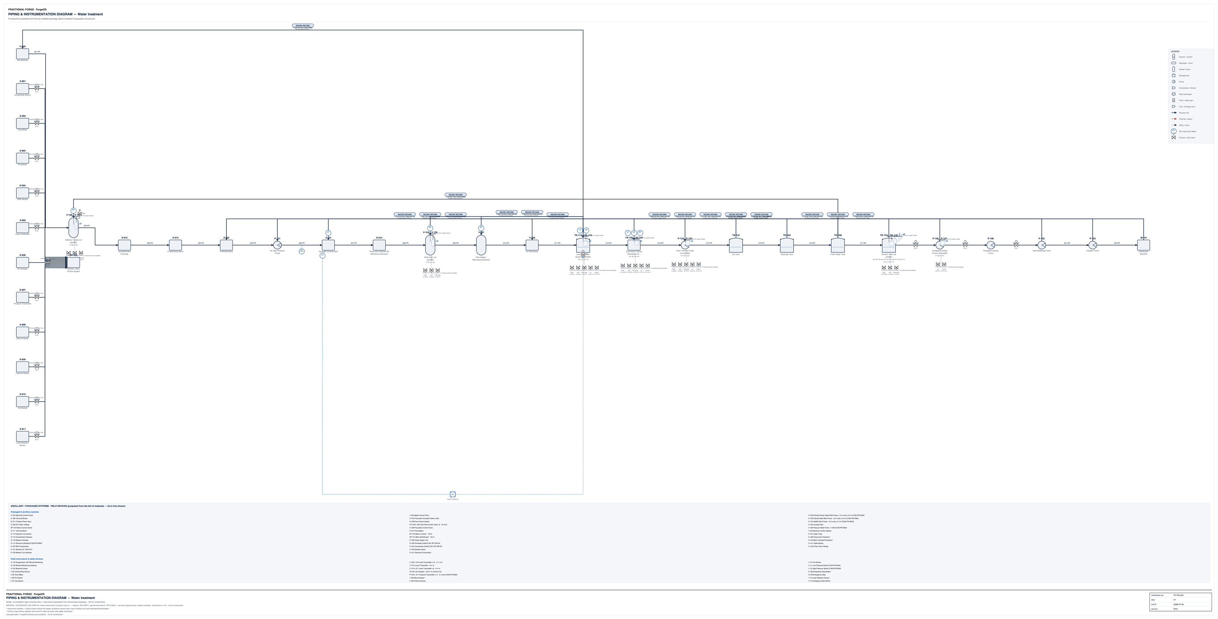
P&ID | ↑ Contents
⬤ TAB QUALITY 9/10 · PASS (target ≥8, live from the Quality & Audit score cell) · P&ID part-coverage arithmetic (parts_ledger ✓/✗ vs the BoM) — drawing part coverage (pid) 36/39 · score = min over checks of 10 × passed/checked · full audit: Quality & Audit tab
Piping & instrumentation diagram.
 |  | SG: Seems all sensors on left are plugged into a softener vessel?
Full-size vector sheets: drawings/pid-A1.pdf (sheets 1-12, ISO A1, lettering ≥2.5 mm) — see the Drawings register tab. Reading guide: top band = the process train in flow order (follow the numbered lines left to right), lower band = utility / dosing tie-ins; line numbers match the Process schedules tab. |  | SG: RO water feeds into cloth filter which doesn't make sense as its clean already. Why is filter media separate to the cloth filter? Filters and disinfection should be after drain pits as the water needs to be pumped back above ground. Drain pits suggest a lott of undergrouond civils work but previous pages suggest almost no civils costs and all above ground pipework in the render but this is not the case. Does number of sensors and pumps etc match the P&ID. I don't know what the "CIP tank" or "Cleaning Tank" are doing or why they are there? And then they feed into a fresh water tank so that is not a fresh water tank. Then this feeds into nutrient ank. Then all pumps are in a line but they would not all be connected they'd be separate. I think this could be a long way off correct.

GA — General Arrangement
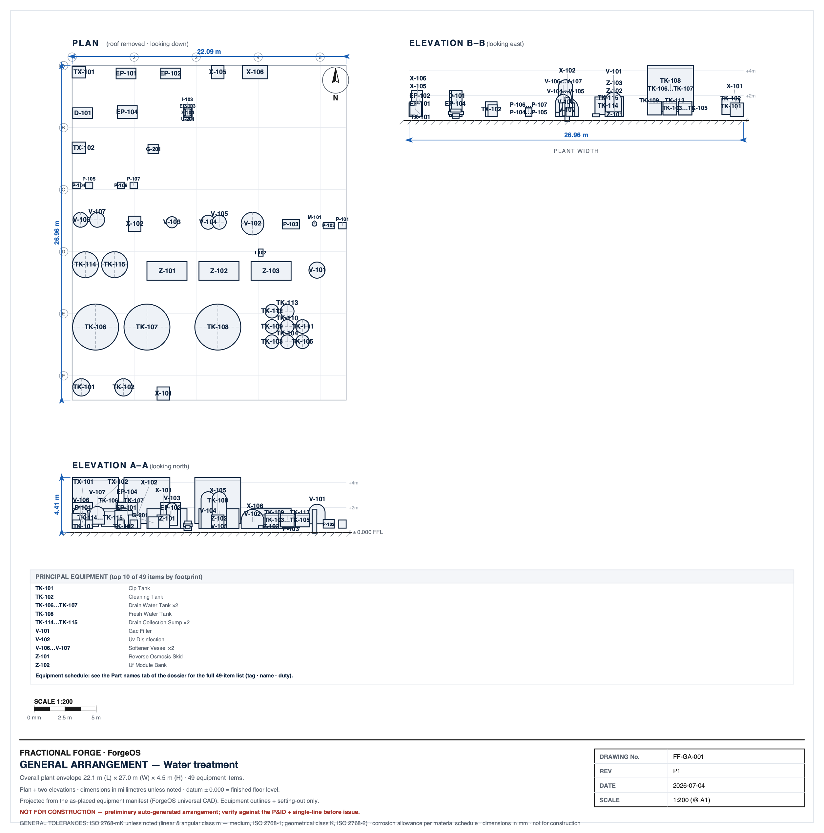
GA — General Arrangement | ↑ Contents
⬤ TAB QUALITY 10/10 · PASS (target ≥8, live from the Quality & Audit score cell) · GA mechanism: parts-ledger coverage × default-size litter × layout-divergence × typed-shape checks — drawing part coverage (general-arrangement) 27/27 · score = min over… · full audit: Quality & Audit tab |  | SG: It seems the kit has justt been randomly placed, not bunched together based on e.g. what sides needs maintenance/access and walkways around etc, seems a huge footprint for a 45m3 system,, would be way smaller. This is half of F2 process building for 1 system whereas we had 3 systems in about 1/4 that area. Graphics can't be used for any kind of construction etc not enough details or dimensions, is just a graphic.
General arrangement / plant layout.

Full-size vector sheets: drawings/ga-A1.pdf (sheet 1 of 1, ISO A1, lettering ≥2.5 mm) — see the Drawings register tab. Reading guide: plan view with elevations — equipment outlines carry the same tags as the Part names tab; dimensions in mm, datum ±0.000 = finished floor level.

HVAC
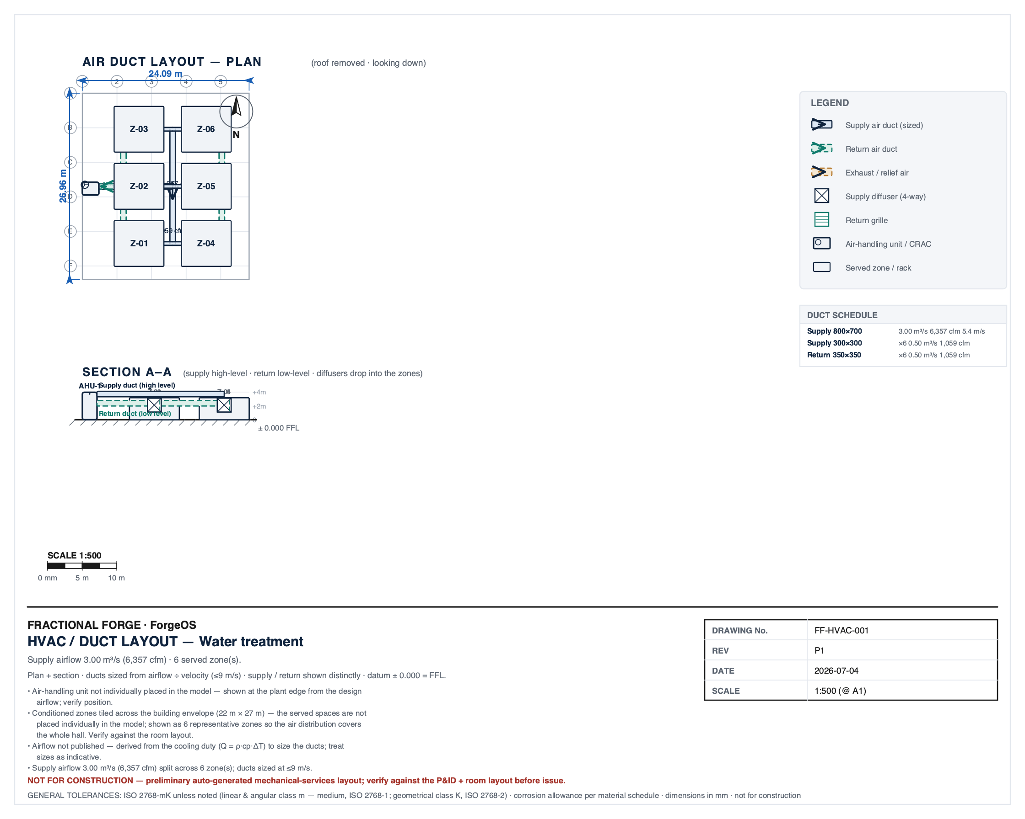
HVAC | ↑ Contents
⬤ OUT OF SCOPE FOR THIS ARCHETYPE — VERIFIED, NOT SCORED · HVAC duty-scoped check: contract duty signal → drawing coverage; no duty → honest out-of-scope disclosure (capped 8) — confirmed no HVAC/ventilation/cooling contract dut… · full audit: Quality & Audit tab |  | SG: Is this above irrigation? Width dims don't match. Where is the key for this i.e. what is Z-01-06. Seems a weird layout, unsure what it is showing. What is the HVAC required for? What is its design required?
HVAC / ventilation layout.

Full-size vector sheets: drawings/hvac-A1.pdf (sheet 1 of 1, ISO A1, lettering ≥2.5 mm) — see the Drawings register tab. Reading guide: duct runs overlay the GA footprint with supply vs extract airflow arrows; equipment tags match the Part names tab.

Electrical
Electrical — single-line diagram + panel / load schedule |  |  |  |  |  |  |  |  |  |  | ↑ Contents
⬤ TAB QUALITY 9.5/10 · PASS (target ≥8, live from the Quality & Audit score cell) · column-contract arithmetic: 10 × 21/22 rows passing; content checks: panel-schedule column contract + single-line drawing coverage — cell completeness+type contract 179/… · full audit: Quality & Audit tab
The electrical design on ONE tab: single-line diagram (preview) above, the panel / load schedule below. Every number on this tab renders from ONE dataset — the schedule (the converged connection schedule): Design I = P·1000 / (√3·V·pf·η) — pf 0.85 / η 0.90 for motor circuits, pf 1.0 / η 1.0 for resistive loads — from each circuit's INSTALLED motor frame. ΔU % is the cable volt-drop over its length / CSA at Design I. 'In spec' is a LIVE formula = (ΔU ≤ 5 %) — a missing/dash ΔU renders ✗, never a pass. Auto-generated; not for construction. ROW CHECK CONTRACT (score = 10 × rows-passing ÷ rows = 10 × 21/22 = 9.5): Ckt/Description=required_nonempty · Conn. load (kW)=required_nonempty · Design I (A)=computed · Protective device=computed · Cable=computed · Length (m)=required_nonempty · ΔU (%)=computed · In spec=computed · Board reconciliation=computed · Drawing ↔ schedule=computed. A dash / empty / unverifiable contracted cell FAILS its row — honest red beats fake green.

Full-size vector sheets: drawings/single-line-A1.pdf (sheet 1 of 1, ISO A1, lettering ≥2.5 mm) — see the Drawings register tab. Reading guide: read top-down from the utility incomer through the main board to each feeder; feeder tags and loads match the Panel schedule tab.
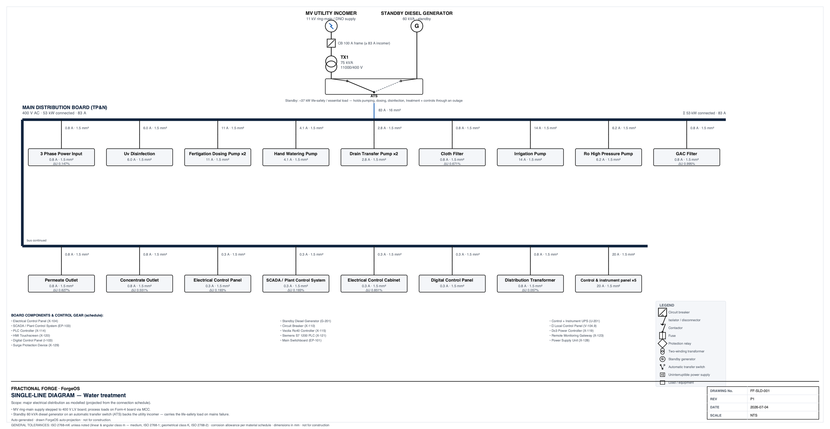

 |  |  |  |  |  |  |  |  |  |  | SG: Again seems a strange diagram everything connected to one line that doesn't really mean anything or show how they connect etc.

Convention: the schedule below is the single source for the electrical numbers on this tab. On the drawing, a ×N grouped circuit is labelled with its PER-UNIT current (the schedule's Design I is the whole circuit), and the LV system is stated at its 400 V nominal (a legacy '415 V' label names the same UK LV system). Where a drawing label and the schedule differ, the schedule governs.

⛔ 1 of 22 rows FAIL — single cause: board reference(s) absent from the single-line drawing: MAIN DISTRIBUTION BOARD (TP&N)
Fix route: route the electrical circuits in the scene (wire the electrical_bus edges) so route-manifest / connection-schedule carry real cable lengths, compute ΔU% = f(length, CSA, Design I) in draw_panel_schedule at source, and generate the single-line + schedule from the ONE distribution dataset so kVA / voltage / board names cannot diverge

MAIN DISTRIBUTION BOARD (TP&N)
Field | Value | Cell check
Board reference | Motor Control Center | PASS
Board type | Main distribution board | PASS
Supply source | Utility LV incomer (400 V distribution board) | PASS
System | 400 V 3-phase + N (TP&N) | PASS
Busbar rating | 100 A | PASS
Incoming feeder | 1.5 mm² · 5.4 m · ΔU 0.038% | PASS
Total connected load | 44.7 kW
Board demand (busbar) | 86 A | PASS

MAIN DISTRIBUTION BOARD (TP&N)
Ckt | Description | Ways | Conn. load (kW) | Design I (A) | Protective device | Cable (CSA · cores) | Length (m) | ΔU (%) | In spec | Row check | Audit: device rating (A) | Audit: Iz (A) — BS 7671 Method-C ampacity | Audit: check evidence (build-computed) | Audit: kW (parsed per-unit) | Audit: Design I (parsed) | Cell check
W1 | 3 Phase Power Input | 1 | 0.6 | 1.1 | 6 A MCB (sized) | 1.5 mm² · 3c+E | 5.7 | 0.041 | ✓ | PASS | 6 | 20 |  |  |  | PASS
W2 | Uv Disinfection | 1 | 4 | 7.5 | 10 A MCB (sized) | 1.5 mm² · 3c+E | 30.1 | 1.465 | ✓ | PASS | 10 | 20 |  |  |  | PASS
W3–4 | Fertigation Dosing Pump | 2 | 7.50 (×2=15.0) | 15.1 | 16 A MCB (sized) | 1.5 mm² · 3c+E | 8.7 | 0.85 | ✓ | PASS | 16 | 20 |  | 7.5 |  | PASS
W5 | Hand Watering Pump | 1 | 2.8 | 5.3 | 6 A MCB (sized) | 1.5 mm² · 3c+E | 36.5 | 1.255 | ✓ | PASS | 6 | 20 |  |  |  | PASS
W6–7 | Drain Transfer Pump | 2 | 1.92 (×2=3.8) | 3.8 | 6 A MCB (sized) | 1.5 mm² · 3c+E | 20.7 | 0.512 | ✓ | PASS | 6 | 20 |  | 1.92 |  | PASS
W8–9 | Cloth Filter | 2 | 0.60 (×2=1.2) | 1.1 | 6 A MCB (sized) | 1.5 mm² · 3c+E | 26.2 | 0.187 | ✓ | PASS | 6 | 20 |  | 0.6 |  | PASS
W10 | Irrigation / nutrient pump | 1 | 9.65 | 18.2 | 20 A MCB (sized) | 1.5 mm² · 3c+E | 33.2 | 3.931 | ✓ | PASS | 20 | 20 |  |  |  | PASS
W11 | Ro High Pressure Pump | 1 | 4.2 | 7.9 | 10 A MCB (sized) | 1.5 mm² · 3c+E | 37.6 | 1.931 | ✓ | PASS | 10 | 20 |  |  |  | PASS
W12 | Gac Filter | 1 | 0.6 | 1.1 | 6 A MCB (sized) | 1.5 mm² · 3c+E | 38.9 | 0.278 | ✓ | PASS | 6 | 20 |  |  |  | PASS
W13 | Permeate Outlet | 1 | 0.6 | 1.1 | 6 A MCB (sized) | 1.5 mm² · 3c+E | 24.5 | 0.175 | ✓ | PASS | 6 | 20 |  |  |  | PASS
W14 | Concentrate Outlet | 1 | 0.6 | 1.1 | 6 A MCB (sized) | 1.5 mm² · 3c+E | 21.5 | 0.154 | ✓ | PASS | 6 | 20 |  |  |  | PASS
W15 | Electrical Control Panel | 1 | 0.2 | 0.4 | 6 A MCB (sized) | 1.5 mm² · 3c+E | 7.5 | 0.02 | ✓ | PASS | 6 | 20 |  |  |  | PASS
W16 | Control + Instrument UPS | 1 | 0.5 | 0.9 | 6 A MCB (sized) | 1.5 mm² · 3c+E | 7.7 | 0.045 | ✓ | PASS | 6 | 20 |  |  |  | PASS
W17 | SCADA / Plant Control System | 1 | 0.5 | 0.9 | 6 A MCB (sized) | 1.5 mm² · 3c+E | 7.4 | 0.043 | ✓ | PASS | 6 | 20 |  |  |  | PASS
W18 | Electrical Control Cabinet | 1 | 0.2 | 0.4 | 6 A MCB (sized) | 1.5 mm² · 3c+E | 33.2 | 0.086 | ✓ | PASS | 6 | 20 |  |  |  | PASS
W19 | Digital Control Panel (control / aux feeder) | 1 | 0.2 | 0.4 | 6 A MCB (sized) | 1.5 mm² · 3c+E | 8 | 0.021 | ✓ | PASS | 6 | 20 |  |  |  | PASS
 | TOTALS |  | 44.7 kW | 86 A

Main Switchboard
Field | Value | Cell check
Board reference | Main Switchboard | PASS
Board type | Sub-distribution board | PASS
Supply source | Local sub-distribution (MV feeder → local step-down transformer) | PASS
System | 400 V 3-phase + N (TP&N) | PASS
Busbar rating | 20 A | PASS
Incoming feeder | 1.5 mm² · 20.7 m · ΔU 0.147% | PASS
Total connected load | 9.7 kW
Board demand (busbar) | 18 A | PASS

Main Switchboard
Ckt | Description | Ways | Conn. load (kW) | Design I (A) | Protective device | Cable (CSA · cores) | Length (m) | ΔU (%) | In spec | Row check | Audit: device rating (A) | Audit: Iz (A) — BS 7671 Method-C ampacity | Audit: check evidence (build-computed) | Audit: kW (parsed per-unit) | Audit: Design I (parsed) | Cell check
W1 | Motor Control Center | 1 | 9.7 | 18.3 | 20 A MCB (sized) | 1.5 mm² · 3c+E | 5.4 | 0.645 | ✓ | PASS | 20 | 20 |  |  |  | PASS
 | TOTALS |  | 9.7 kW | 18 A

Board & drawing reconciliation — contract checks (scored with the circuit rows above). These compare TWO ARTEFACTS (schedule ↔ single-line drawing ↔ contract): each side's value is EMBEDDED on the 'Audit data' sheet with its provenance, and the Row check is a live formula over those operand cells.
Check | Measured / compared |  |  |  |  |  |  |  | Row check |  | Cell check
MAIN DISTRIBUTION BOARD (TP&N) · [board reconciliation] | Σ circuit design current 86 A vs busbar demand 86 A (ratio 1); busbar rating: 100 A |  |  |  |  |  |  |  | PASS |  | PASS
Main Switchboard · [board reconciliation] | Σ circuit design current 18 A vs busbar demand 18 A (ratio 1); busbar rating: 20 A |  |  |  |  |  |  |  | PASS |  | PASS
single-line ↔ schedule · system voltage | schedule system 400 V 3-phase; drawing voltages: 11000/400 V, 400 V |  |  |  |  |  |  |  | PASS |  | PASS
single-line ↔ schedule · board hierarchy | schedule boards: MAIN DISTRIBUTION BOARD (TP&N), Main Switchboard |  |  |  |  |  |  |  | FAIL — board reference(s) absent from the single-line drawing: MAIN DISTRIBUTION BOARD (TP&N) |  | PASS
single-line ↔ schedule · transformer kVA | drawing transformer 75.0 kVA vs contract quantity 75.0 kVA |  |  |  |  |  |  |  | PASS |  | PASS

