F02.CFG-Paths
do not print this form |  | VVSS, Info Romana, 2018-2019

F02. programarea unor activitati

F02. Covered source code |  |  | F02. Control Flow Graph (CFG) | F02. Cyclomatic Complexity (CC)
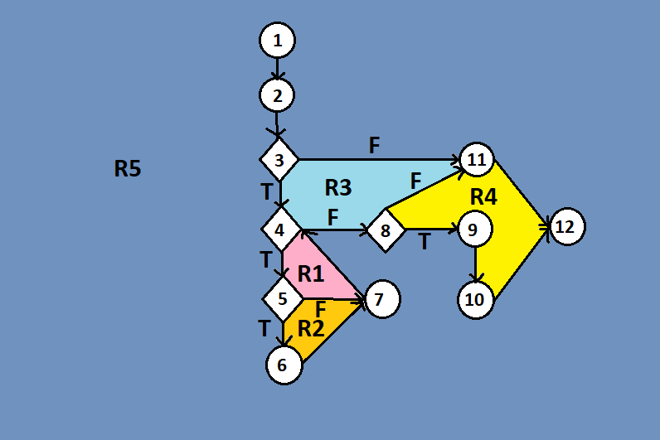
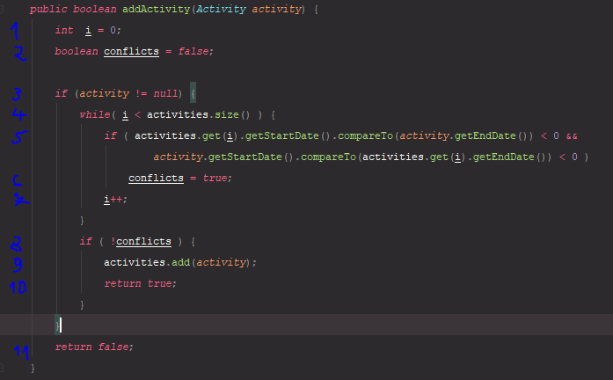
Line No. | Source code |  | please insert the CFG for this requirement | CC1 = No. of regions = |  | 5
Req02_L01 | … |  | It may be a screen capture, image, etc. | CC2 = Edges - Nodes + 2 = |  | 15-12+2=5
Req02_L02 | … |  | <Req02 CFG > | CC3 = No. of Conditions + 1 = |  | 4+1 = 5
Req02_L03 | …
... | …
.. | … |  |  | F02. Individual Paths
...
 |  |  |  | Path No. | Path
 |  |  |  | F02_P01 | 1 - 2 - 3(F) - 11 - 12
 |  |  |  | F02_P02 | 1 - 2 - 3(T) - 4(F) - 8(T) - 9 - 10 - 12
 |  |  |  | F02_P03 | 1 - 2 - 3(T) - 4(T) - 5(T) - 6 - 7 - 4(F) - 8(F) - 11 - 12
 |  |  |  | F02_P04 | 1 - 2 - 3(T) - 4(T) - 5(T) - 6 - 7 - 4(F) - 8(T) - 9 - 10 - 12

