TriZN Profile
Top ViewController | Detail ViewController
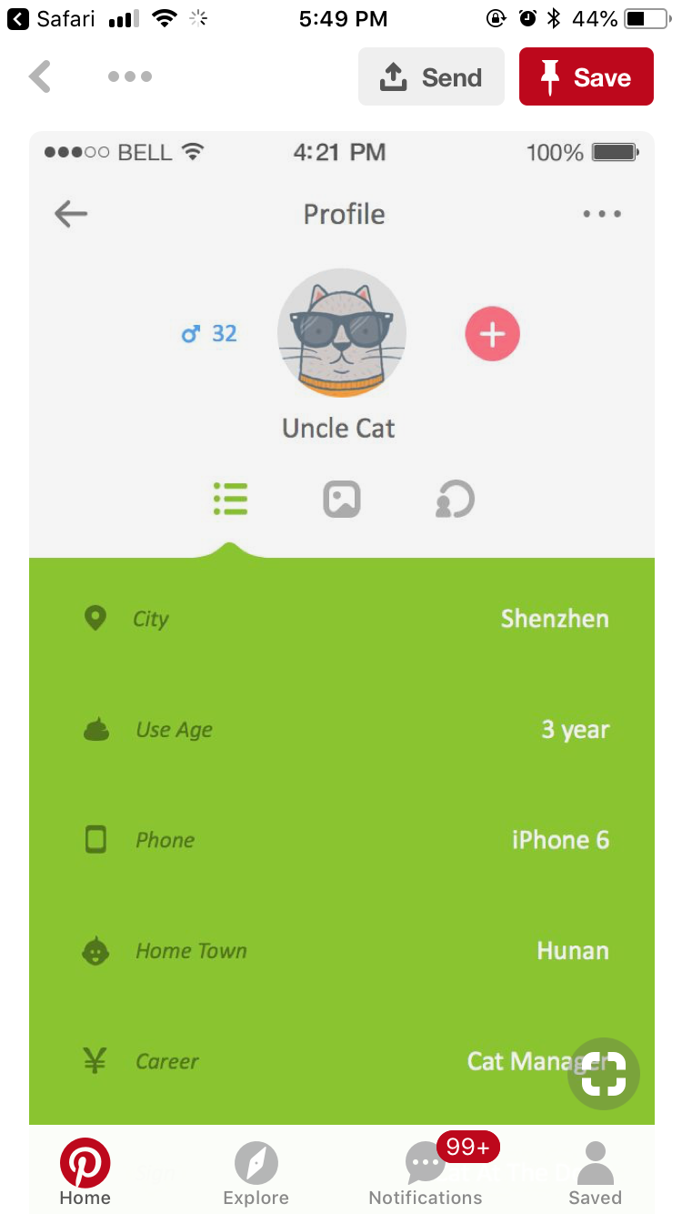

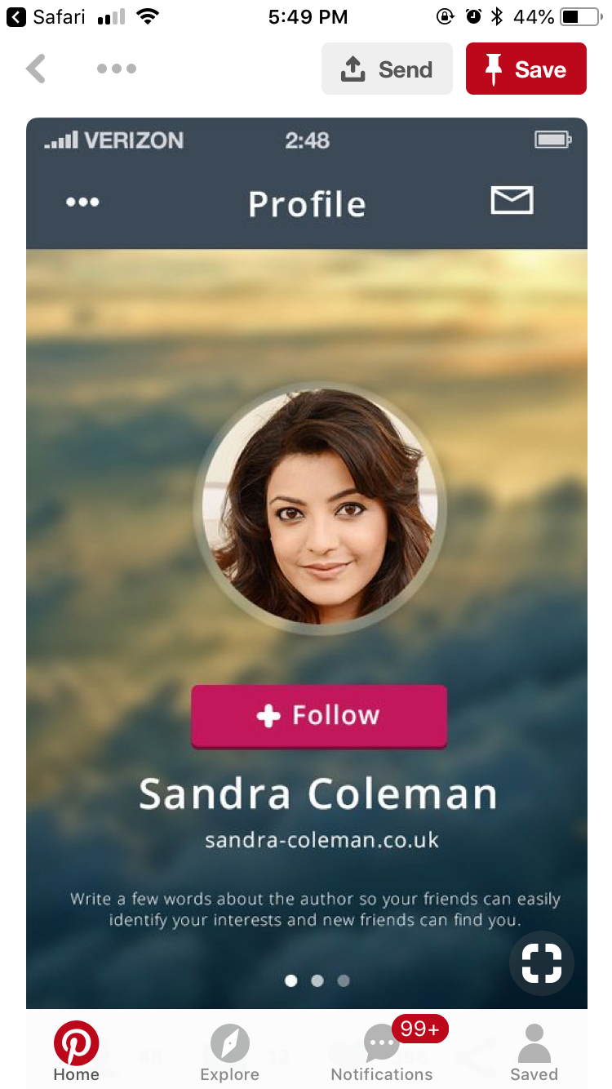

 |  | Tabbar: - 5 items

 |  |  | View Content:
 |  |  | 1) Personal Information
 |  |  | 2) Education
 |  |  | 3) Experience Record
 |  |  | 4) Skills
 |  |  | 5) Interests

Experience Record
