UI
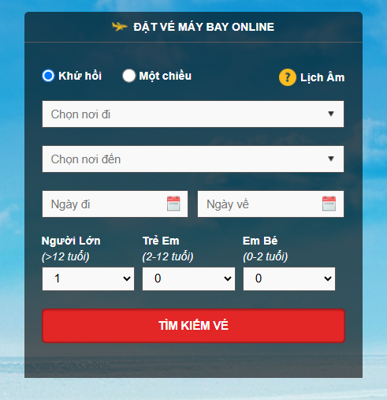

Tên trường | Mô tả | Ghi chú
Khứ hồi (radio button) | Chọn khi muốn mua/tìm vé khứ hồi
Một chiều (radio button) | Chọn khi muốn mua/tìm vé một chiều | Trường ngày về disable
Chọn nơi đi (Dropdown) | Danh sách các điểm khởi hành chuyến đi
Chọn nơi đến (Dropdown) | Danh sách các điểm đến
Ngày đi (Datetime picker) | Chọn ngày khởi hành chuyến đi,
Ngày về (Datetime picker) | Chọn ngày về
Người lớn trên 12 tuổi (dropdown) | Danh sách số lượng từ 0-30
Trẻ em từ 2 đến 12 tuổi (dropdown) | Danh sách số lượng từ 0-9
Em bé từ 0 tuổi 2 tuổi (dropdown) | Danh sách số lượng từ 0-10

Nháp
