1.Business
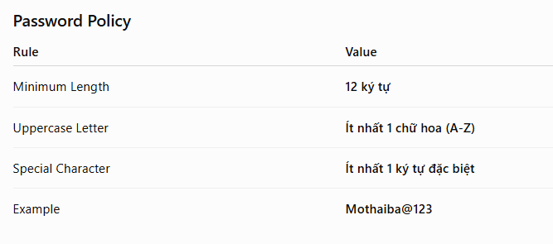
Section | Content
1.1 Overview | Users access the Reset Password screen from the email link and create a new password.
1.2 Business Detail | 1. User clicks the Reset Password link in the Email. 2. System validates the Reset Token. 3. If the Reset Token is invalid or expired. → Display an error message. 4. If the Reset Token is valid. → Display the Reset Password screen. 5. User enters New Password. 6. User enters Confirm Password. 7. User clicks Save. 8. System validates the password policy. 9. If validation passes. → Update the password. → Invalidate the Reset Token. → Display a success message. → Transit to AUTH-001 Login.

3.Layout
