dimensions
PUZ|普兹传动
PUZ |普兹传动
FPTO动态离合飞轮取力器选型参数搜集表
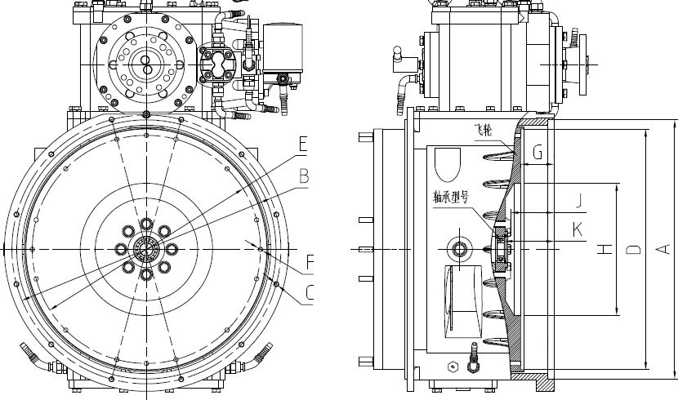
 | Type of Flywheel housing | SAE 3# | No.of Engine

 | SPECIFICATIONS | ITEMS | VALUE | REMARK
 | spigot diameter of housing | A | φ511.17
 | PCD of Screw on housing | B | φ530.2
 | No. of screws | C | 12-φ11
 | inner spigot diameter of flywheel | D | φ435
 | PCD of Screw on cultch disc | E | φ410
 | No. of screws | F | 12-M10
 | distance from friction surface to end | G | 66
 | inner diameter of flywheel | H | φ260
 | distance from screws surface to end | J | 85.8
 | distance from bearing surface to end | K | 97.5
 | type of bearing |  | 6205-2RS
 | Customer Name
 | Remark/ratio/torque/...

