5.24.2021
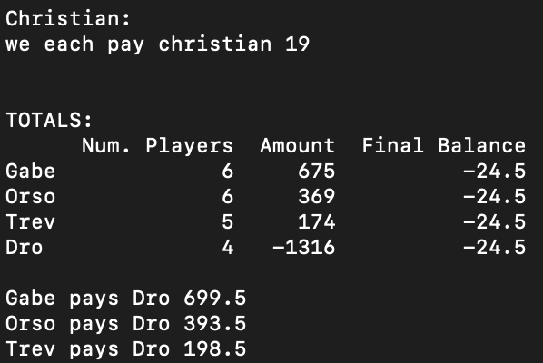
Agent | Action | Player | Name | Amount
Dro | Pay | pyr108 | Andres Rojas | 428
Dro | Pay | pyr111 | David Haller | 291
Dro | Pay | pyr122 | Andres Ruenes | 354
Dro | Pay | pyr139 | Howar | 243
Gabe | Pay | pyr134 | Kevin | 133
Gabe | Request | pyr102 | James Mendel | 237
Gabe | Request | pyr104 | Eric | 236
Gabe | Request | pyr115 | Tim | 146
Gabe | Request | pyr119 | Zane | 61
Gabe | Request | pyr136 | Mark | 128
Orso | Pay | pyr107 | Christian | 360
Orso | Pay | pyr109 | Kevin Victory | 0
Orso | Pay | pyr118 | Christian #1 | 186
Orso | Request | pyr106 | Tommy | 53
Orso | Request | pyr114 | Kyle Beta | 112
Orso | Request | pyr123 | Christian #2 | 750
Trev | Pay | pyr103 | Jalen | 92
Trev | Request | pyr105 | Mike Maxwell | 94
Trev | Request | pyr117 | Peyton Shapiro | 9
Trev | Request | pyr129 | Wagner | 100
Trev | Request | pyr133 | ben | 63

6.14.2021
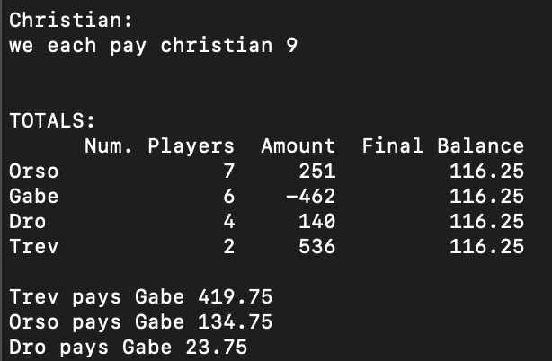
Agent | Action | Player | Name | Amount
Dro | Pay | pyr111 | David Haller | 1
Dro | Pay | pyr126 | Sergio | 0
Dro | Request | pyr108 | Andres Rojas | 31
Dro | Request | pyr139 | Howar | 110
Gabe | Pay | pyr104 | Eric | 111
Gabe | Pay | pyr119 | Zane | 466
Gabe | Pay | pyr136 | Mark | 30
Gabe | Request | pyr102 | James Mendel | 18
Gabe | Request | pyr115 | Tim | 103
Gabe | Request | pyr134 | Kevin | 24
Orso | Pay | pyr106 | Tommy | 165
Orso | Pay | pyr109 | Kevin Victory | 0
Orso | Pay | pyr114 | Kyle Beta | 76
Orso | Pay | pyr123 | Christian #2 | 224
Orso | Request | pyr107 | Christian | 349
Orso | Request | pyr118 | Christian #1 | 365
Orso | Request | pyr127 | Will R | 2
Trev | Request | pyr105 | Mike Maxwell | 300
Trev | Request | pyr133 | ben | 236

6.21.2021
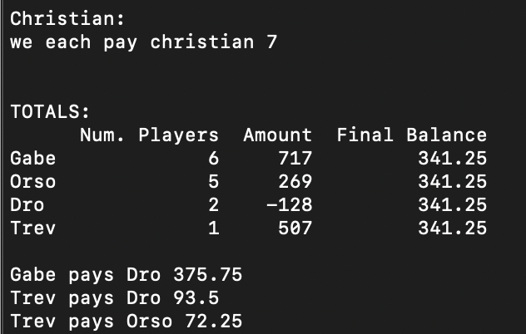
Agent | Action | Player | Name | Amount
Dro | Pay | pyr108 | Andres Rojas | 125
Dro | Pay | pyr111 | David Haller | 3
Gabe | Request | pyr102 | James Mendel | 31
Gabe | Request | pyr104 | Eric | 62
Gabe | Request | pyr115 | Tim | 259
Gabe | Request | pyr119 | Zane | 65
Gabe | Request | pyr134 | Kevin | 110
Gabe | Request | pyr136 | Mark | 190
Orso | Pay | pyr106 | Tommy | 110
Orso | Pay | pyr114 | Kyle Beta | 54
Orso | Pay | pyr118 | Christian #1 | 100
Orso | Request | pyr107 | Christian | 228
Orso | Request | pyr123 | Christian #2 | 305
Trev | Request | pyr133 | ben | 507

6.28.2021
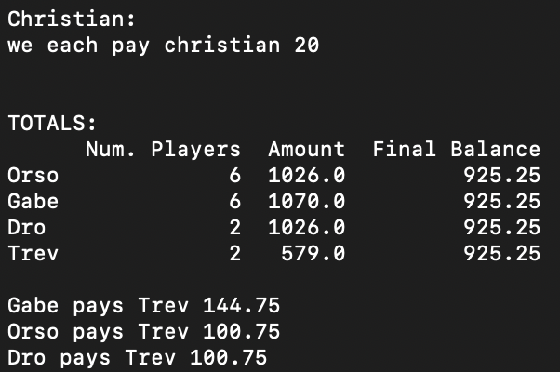
Agent | Action | Player | Name | Amount
Dro | Request | pyr108 | Andres Rojas | 996
Dro | Request | pyr139 | Howar | 30
Gabe | Pay | pyr115 | Tim | 0
Gabe | Pay | pyr134 | Kevin | 88
Gabe | Request | pyr102 | James Mendel | 735
Gabe | Request | pyr104 | Eric | 63
Gabe | Request | pyr119 | Zane | 230
Gabe | Request | pyr136 | Mark | 130
Orso | Pay | pyr107 | Christian | 116
Orso | Pay | pyr109 | Kevin Victory | 0
Orso | Request | pyr106 | Tommy | 36
Orso | Request | pyr114 | Kyle Beta | 278
Orso | Request | pyr118 | Christian #1 | 78
Orso | Request | pyr123 | Christian #2 | 750
Trev | Request | pyr125 | Casey Grieves | 12
Trev | Request | pyr133 | ben | 567

 |  |  |  |  | -188

7.5.2021
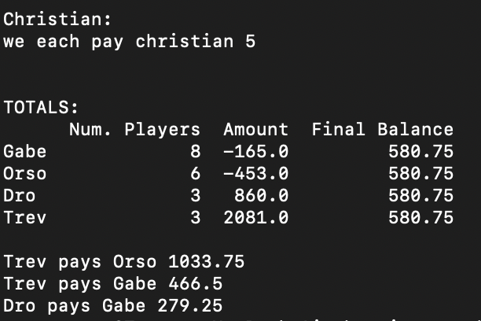
Agent | Action | Player | Name | Amount
Dro | Pay | pyr108 | Andres Rojas | 100
Dro | Request | pyr111 | David Haller | 300
Dro | Request | pyr126 | Sergio | 660
Gabe | Pay | pyr102 | James Mendel | 79
Gabe | Pay | pyr110 | Brando | 540
Gabe | Pay | pyr119 | Zane | 144
Gabe | Pay | pyr134 | Kevin | 21
Gabe | Request | pyr104 | Eric | 152
Gabe | Request | pyr115 | Tim | 22
Gabe | Request | pyr136 | Mark | 435
Gabe | Request | pyr137 | Zach gartner | 10
Orso | Pay | pyr106 | Tommy | 299
Orso | Pay | pyr107 | Christian | 250
Orso | Pay | pyr109 | Kevin Victory | 0
Orso | Pay | pyr114 | Kyle Beta | 188
Orso | Request | pyr118 | Christian #1 | 194
Orso | Request | pyr127 | Will R | 90
Trev | Request | pyr125 | Casey Grieves | 199
Trev | Request | pyr129 | Wagner | 82
Trev | Request | pyr133 | ben | 1800

 | 12838

7.12.2021
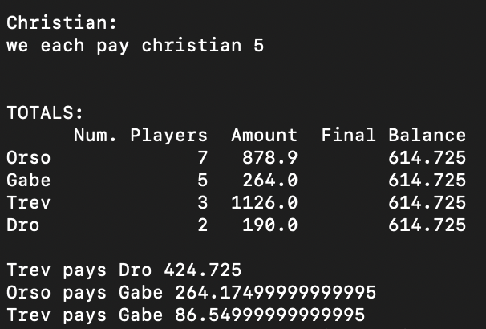
Agent | Action | Player | Name | Amount
Dro | Request | pyr126 | Sergio | 140
Dro | Request | pyr139 | Howar | 50
Gabe | Pay | pyr137 | Zach gartner | 0
Gabe | Request | pyr104 | Eric | 40
Gabe | Request | pyr115 | Tim | 171
Gabe | Request | pyr119 | Zane | 50
Gabe | Request | pyr134 | Kevin | 3
Orso | Pay | pyr106 | Tommy | 310
Orso | Pay | pyr109 | Kevin Victory | 0
Orso | Pay | pyr114 | Kyle Beta | 74
Orso | Request | pyr107 | Christian | 1017.9
Orso | Request | pyr118 | Christian #1 | 165
Orso | Request | pyr123 | Christian #2 | 40
Orso | Request | pyr127 | Will R | 40
Trev | Request | pyr125 | Casey Grieves | 200
Trev | Request | pyr129 | Wagner | 30
Trev | Request | pyr133 | ben | 896

 |  |  |  |  | 250,000 | 250
 |  |  |  |  |  | 20
 |  |  |  |  |  | 20
 |  |  |  |  |  |  | 290
 |  |  |  |  |  |  | 0.0016959064327 | 59.356725146
 |  |  |  |  |  |  |  | 29678.362573

7.19.2021
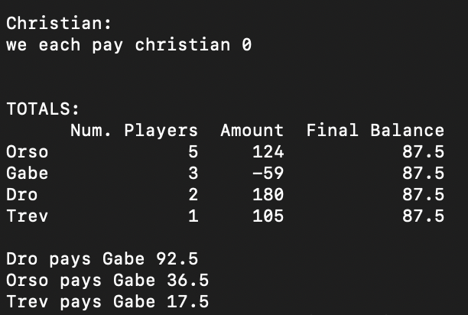
Agent | Action | Player | Name | Amount
Dro | Request | pyr111 | David Haller | 130
Dro | Request | pyr139 | Howar | 50
Gabe | Pay | pyr134 | Kevin | 156
Gabe | Request | pyr104 | Eric | 80
Gabe | Request | pyr137 | Zach gartner | 17
Orso | Pay | pyr107 | Christian | 296
Orso | Pay | pyr109 | Kevin Victory | 0
Orso | Pay | pyr123 | Christian #2 | 268
Orso | Request | pyr114 | Kyle Beta | 107
Orso | Request | pyr128 | Gz | 581
Trev | Request | pyr125 | Casey Grieves | 105

8.02.2021
Agent | Player | Name | Action | Amount | A2
Gabe | pyr102 | James Mendel | Pay | 195 | -195 |  | Final | Ending
Gabe | pyr104 | Eric | Request | 40 | 40 | Trev | 0 | -237
Gabe | pyr134 | Kevin | Pay | 1 | -1 | Gabe | -170 | -237
Gabe | pyr135 | Alex | Pay | 14 | -14 | Orso | -778 | -237
Gabe | pyr136 | Mark | Pay | 0 | 0 | Dro | 0 | -237
Orso | pyr106 | Tommy | Request | 25 | 25 | Total | -948
Orso | pyr107 | Christian | Pay | 111 | -111
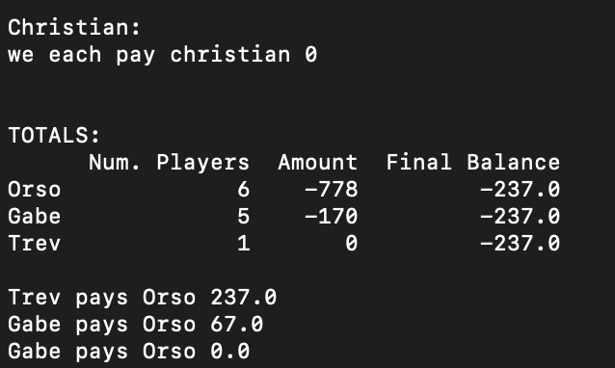
Orso | pyr114 | Kyle Beta | Pay | 76 | -76 | Action | Amount
Orso | pyr118 | Christian #1 | Pay | 15 | -15 | Trev -> Orso | 237
Orso | pyr123 | Christian #2 | Pay | 73 | -73 | Dro -> Orso | 237
Orso | pyr130 | Christian # 3 | Pay | 528 | -528 | Gabe -> Orso | 67
Trev | pyr125 | Casey Grieves | Pay | 0 | 0
 |  |  |  |  |  | Trev -> 237 -> Orso
 |  |  |  |  |  | Dro -> 237 Orso
 |  |  |  |  |  | Gabe -> 67 -> Orso

8.09.2021
Agent | Player | Name | Action | Amount | A2
Gabe | pyr102 | James Mendel | Request | 37 | 37 |  | Final | Ending
Gabe | pyr104 | Eric | Pay | 15 | -15 | Trev | 2 | -31.5
Gabe | pyr115 | Tim | Pay | 3 | -3 | Gabe | 222 | -31.5
Gabe | pyr136 | Mark | Request | 53 | 53 | Orso | -350 | -31.5
Gabe | pyr137 | Zach gartner | Request | 150 | 150 | Dro | 0 | -31.5
Orso | pyr107 | Christian | Pay | 326 | -326 | Total | -126
Orso | pyr114 | Kyle Beta | Request | 13 | 13
Orso | pyr118 | Christian #1 | Request | 10 | 10 | Action | Amount
Orso | pyr123 | Christian #2 | Request | 201 | 201 | Trev -> Orso | 33.5
Orso | pyr128 | Gz | Request | 700 | 700 | Dro -> Orso | 31.5
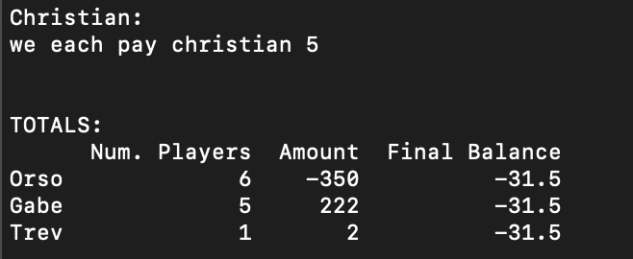
Orso | pyr130 | Christian # 3 | Pay | 948 | -948 | Gabe -> Orso | 253.5
Trev | pyr125 | Casey Grieves | Request | 2 | 2

 |  |  |  |  |  |  |  | -31.5
 |  |  |  |  |  |  |  | -31.5

8.17.2021
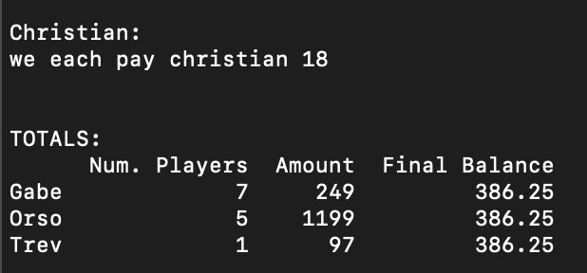
Agent | Player | Name | Action | Amount |  | Final | Ending
Gabe | pyr102 | James Mendel | Request | 261 | Trev | 97 | 386.25
Gabe | pyr104 | Eric | Pay | 9 | Gabe | 249 | 386.25
Gabe | pyr115 | Tim | Pay | 133 | Orso | 1199 | 386.25
Gabe | pyr119 | Zane | Request | 20 | Dro | 0 | 386.25
Gabe | pyr136 | Mark | Request | 22 | Total | 1545
Gabe | pyr137 | Zach gartner | Request | 50
Gabe | pyr140 | Pat | Request | 38
Orso | pyr107 | Christian | Request | 456
Orso | pyr118 | Christian #1 | Request | 54 | Action | Amount
Orso | pyr121 | Christian #4 | Request | 414 | Orso -> Trev | 289.25
Orso | pyr123 | Christian #2 | Request | 255 | Orso -> Dro | 386.25
Orso | pyr130 | Christian # 3 | Request | 20 | Orso -> Gabe | 137.25
Trev | pyr125 | Casey Grieves | Request | 97

8.23.2021
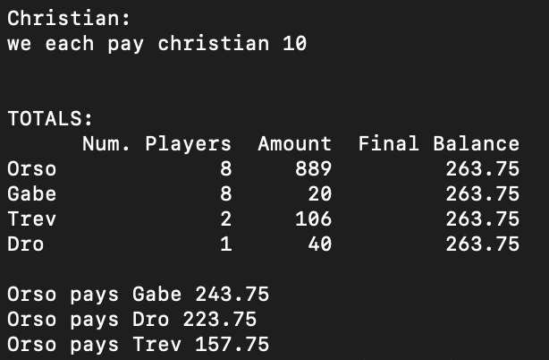
Agent | Player | Name | Action | Amount
Gabe | pyr102 | James Mendel | Pay | 76
Gabe | pyr104 | Eric | Request | 40
Gabe | pyr115 | Tim | Request | 36
Gabe | pyr135 | Alex | Request | 60
Gabe | pyr136 | Mark | Request | 4
Gabe | pyr137 | Zach gartner | Pay | 129
Gabe | pyr138 | Kaz | Request | 19
Gabe | pyr140 | Pat | Request | 66
Orso | pyr106 | Tommy | Pay | 15
Orso | pyr107 | Christian | Request | 402
Orso | pyr114 | Kyle Beta | Request | 98
Orso | pyr118 | Christian #1 | Pay | 30
Orso | pyr121 | Christian #4 | Request | 12
Orso | pyr123 | Christian #2 | Request | 162
Orso | pyr127 | Will R | Request | 5 | 145
Orso | pyr130 | Christian # 3 | Request | 255
Dro | pyr113 | Xavi Marcos | Request | 40
Trev | pyr116 | stew | Pay | 0
Trev | pyr125 | Casey Grieves | Request | 106

8.30.2021
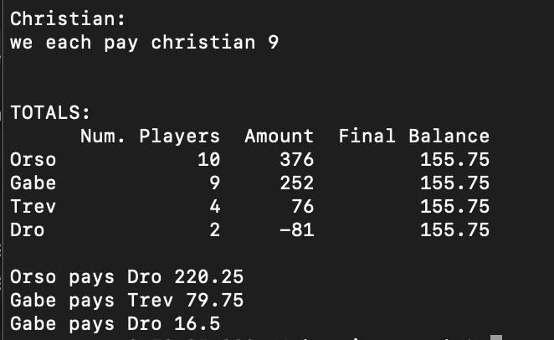
Agent | Action | Player | Name | Amount
Dro | Pay | pyr111 | David Haller | 54
Dro | Pay | pyr117 | Andres | 27
Gabe | Pay | pyr137 | Zach gartner | 353
Gabe | Pay | pyr138 | Kaz | 50
Gabe | Request | pyr104 | Eric | 224
Gabe | Request | pyr115 | Tim | 120
Gabe | Request | pyr120 | Garett Pool | 22
Gabe | Request | pyr132 | Siva | 25
Gabe | Request | pyr134 | Kevin | 31
Gabe | Request | pyr136 | Mark | 200
Gabe | Request | pyr140 | Pat | 33
Orso | Pay | pyr106 | Tommy | 64
Orso | Pay | pyr109 | Kevin Victory | 0
Orso | Pay | pyr114 | Kyle Beta | 30
Orso | Pay | pyr123 | Christian #2 | 421
Orso | Pay | pyr131 | Sly | 132
Orso | Request | pyr107 | Christian | 664
Orso | Request | pyr118 | Christian #1 | 30
Orso | Request | pyr121 | Christian #4 | 179
Orso | Request | pyr127 | Will R | 4
Orso | Request | pyr130 | Christian # 3 | 146
Trev | Pay | pyr105 | Mike Maxwell | 66
Trev | Pay | pyr133 | ben | 51
Trev | Request | pyr116 | stew | 56
Trev | Request | pyr125 | Casey Grieves | 137

9.6.2021
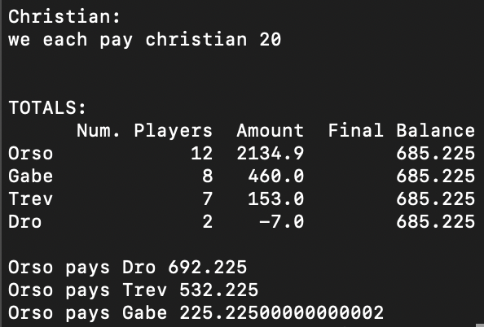
Agent | Player | Name | Action | Amount
Dro | pyr113 | Xavi Marcos | Request | 40
Dro | pyr139 | Howard | Pay | 47
Gabe | pyr102 | James Mendel | Pay | 0
Gabe | pyr104 | Eric | Pay | 35
Gabe | pyr115 | Tim | Request | 158
Gabe | pyr120 | Garett Pool | Request | 200
Gabe | pyr134 | Kevin | Pay | 7
Gabe | pyr137 | Zach gartner | Request | 188
Gabe | pyr138 | Kaz | Pay | 51
Gabe | pyr140 | Pat | Request | 7
Orso | pyr106 | Tommy | Pay | 389
Orso | pyr107 | Christian | Request | 1584.9
Orso | pyr109 | Kevin Victory | Pay | 104
Orso | pyr110 | Gz | Request | 250
Orso | pyr114 | Kyle Beta | Pay | 93
Orso | pyr118 | Christian #1 | Request | 16
Orso | pyr121 | Christian #4 | Request | 68
Orso | pyr122 | Christian #5 | Request | 414
Orso | pyr123 | Christian #2 | Request | 51
Orso | pyr127 | Will R | Pay | 21
Orso | pyr130 | Christian # 3 | Request | 248
Orso | pyr131 | Sly | Request | 110
Trev | pyr105 | Mike Maxwell | Request | 395
Trev | pyr116 | stew | Request | 46
Trev | pyr124 | Andres Cartaya | Request | 16
Trev | pyr125 | Casey Grieves | Request | 22
Trev | pyr126 | Justin | Request | 11
Trev | pyr129 | Wagner | Pay | 25
Trev | pyr133 | ben | Pay | 312

9.13.2021
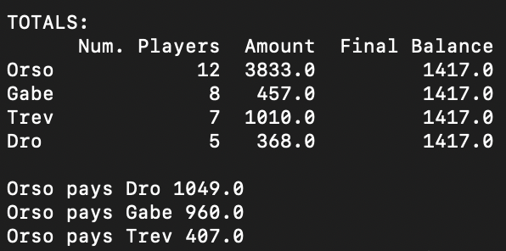
Agent | Player | Name | Action | Amount
Dro | pyr111 | David Haller | Pay | 132
Dro | pyr113 | Xavi Marcos | Request | 40
Dro | pyr117 | Andres | Pay | 43
Dro | pyr139 | Howard | Request | 24
Dro | pyr143 | Jaime | Request | 479
Gabe | pyr102 | James Mendel | Pay | 174
Gabe | pyr104 | Eric | Request | 264
Gabe | pyr115 | Tim | Request | 90
Gabe | pyr134 | Kevin | Request | 187
Gabe | pyr136 | Mark | Pay | 102
Gabe | pyr137 | Zach gartner | Request | 47
Gabe | pyr138 | Kaz | Request | 27
Gabe | pyr140 | Pat | Request | 118
Orso | pyr106 | Tommy | Pay | 3
Orso | pyr107 | Christian | Request | 992.25
Orso | pyr109 | Kevin Victory | Request | 206
Orso | pyr110 | Gz | Request | 850
Orso | pyr114 | Kyle Beta | Request | 248
Orso | pyr118 | Christian #1 | Request | 608 | 1327
Orso | pyr121 | Christian #4 | Request | 235 | 145.97 | 1102.5 | 36.4925
Orso | pyr122 | Christian #5 | Request | 50 |  | 992.25
Orso | pyr123 | Christian #2 | Request | 299
Orso | pyr127 | Will R | Pay | 63
Orso | pyr130 | Christian # 3 | Request | 135
Orso | pyr131 | Sly | Request | 188
Trev | pyr105 | Mike Maxwell | Request | 25
Trev | pyr125 | Casey Grieves | Request | 337
Trev | pyr126 | Justin | Request | 82
Trev | pyr128 | Bradley | Pay | 115
Trev | pyr129 | Wagner | Request | 15
Trev | pyr133 | ben | Request | 533
Trev | pyr142 | Stephen Harrison | Request | 133

9.20.2021
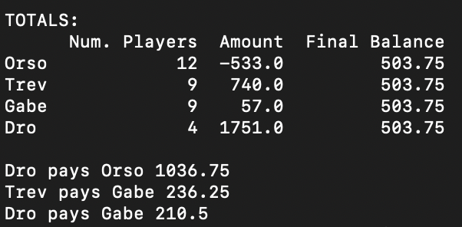
Agent | Player | Name | Action | Amount
Dro | pyr113 | Xavi Marcos | Request | 50
Dro | pyr117 | Andres | Pay | 185
Dro | pyr139 | Howard | Request | 86
Dro | pyr143 | Jaime | Request | 1800
Gabe | pyr102 | James Mendel | Request | 196
Gabe | pyr104 | Eric | Request | 202
Gabe | pyr115 | Tim | Pay | 558
Gabe | pyr134 | Kevin | Request | 56
Gabe | pyr135 | Alex | Pay | 10
Gabe | pyr136 | Mark | Request | 100
Gabe | pyr137 | Zach gartner | Request | 5
Gabe | pyr138 | Kaz | Pay | 9
Gabe | pyr140 | Pat | Request | 75
Orso | pyr106 | Tommy | Pay | 81
Orso | pyr107 | Christian | Request | 345
Orso | pyr109 | Kevin Victory | Pay | 500
Orso | pyr110 | Gz | Request | 668
Orso | pyr114 | Kyle Beta | Pay | 544
Orso | pyr118 | Christian #1 | Request | 185
Orso | pyr121 | Christian #4 | Pay | 290
Orso | pyr122 | Christian #5 | Pay | 29
Orso | pyr123 | Christian #2 | Request | 107
Orso | pyr127 | Will R | Pay | 0
Orso | pyr130 | Christian # 3 | Pay | 444
Orso | pyr131 | Sly | Request | 50
Trev | pyr105 | Mike Maxwell | Pay | 200
Trev | pyr116 | stew | Request | 120 | 510
Trev | pyr125 | Casey Grieves | Request | 239
Trev | pyr126 | Justin | Request | 112
Trev | pyr128 | Bradley | Request | 30
Trev | pyr129 | Wagner | Pay | 49
Trev | pyr141 | Luc | Pay | 107
Trev | pyr142 | Stephen Harrison | Request | 495
Trev | pyr144 | logan | Request | 100

9.27.2021
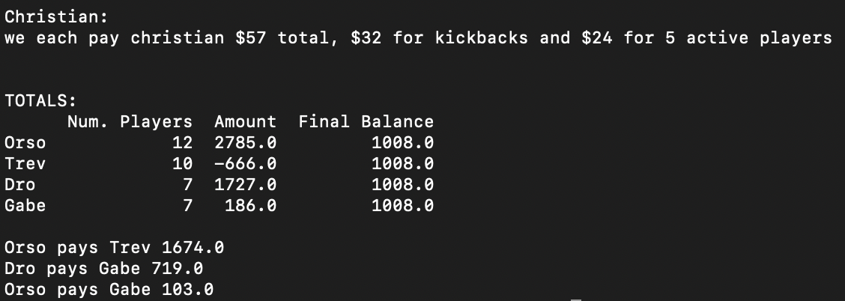
 |  |  |  |  |  |  |  |  |  |  |  |  |  |  |  |  | Adjustments
 |  |  |  |  |  |  |  |  |  |  |  |  |  |  |  | Player | PlayerID | Amount
Agent | Player | Name | Action | Amount |  |  |  |  |  |  |  |  |  |  |  | Kyle Beta | pyr114 | -25
Dro | pyr112 | Nico | Request | 35 |  |  |  |  |  |  |  |  |  |  |  | Tim | pyr115 | 125
Dro | pyr113 | Xavi Marcos | Pay | 52 |  |  |  |  |  |  |  |  |  |  |  | Kevin (Not Victory | pyr134 | 25
Dro | pyr117 | Andres | Pay | 193 |  |  |  |  |  |  |  |  |  |  |  | Pat | pyr140 | 25
Dro | pyr139 | Howard | Request | 69 |  |  |  |  |  |  |  |  |  |  |  | Steve harrison | pyr142 | 280
Dro | pyr143 | Jaime | Request | 1800 |  |  |  |  |  |  |  |  |  |  |  | Wagner Braga | pyr129 | 76
Dro | pyr145 | Rob | Request | 56
Dro | pyr150 | Noah | Request | 12
Gabe | pyr102 | James Mendel | Request | 45
Gabe | pyr104 | Eric | Pay | 424
Gabe | pyr115 | Tim | Request | 275
Gabe | pyr134 | Kevin | Pay | 32
Gabe | pyr138 | Kaz | Request | 40
Gabe | pyr140 | Pat | Request | 252
Gabe | pyr146 | Keenan Tims boy | Request | 30
Orso | pyr106 | Tommy | Request | 168
Orso | pyr107 | Christian | Request | 989
Orso | pyr109 | Kevin Victory | Pay | 0 |  |  |  |  |  |  |  |  |  |  | Orso | pyr107 | Christian | Request | 989
Orso | pyr110 | Gz | Pay | 115 |  |  |  |  |  |  | Initial | After |  |  | Orso | pyr118 | Christian #1 | Request | 160
Orso | pyr114 | Kyle Beta | Request | 298 |  |  |  |  |  | Orso Final | 495 | 1008 |  |  | Orso | pyr121 | Christian #4 | Request | 287
Orso | pyr118 | Christian #1 | Request | 160 |  |  |  |  |  | Trev Final | 1624 | 1008 |  |  | Orso | pyr122 | Christian #5 | Request | 175
Orso | pyr121 | Christian #4 | Request | 287 |  |  |  |  |  | Dro | 1727 | 1008 |  |  | Orso | pyr123 | Christian #2 | Request | 394
Orso | pyr122 | Christian #5 | Request | 175 |  |  | Trev to Take Christian |  |  | Gabe | 186 | 1008 |  |  | Orso | pyr130 | Christian # 3 | Request | 285
Orso | pyr123 | Christian #2 | Request | 394 |  |  | 2290
Orso | pyr127 | Will R | Request | 65 |  |  |  |  |  |  |  |  | 36
Orso | pyr130 | Christian # 3 | Request | 285 |  |  |  |  |  |  |  |  | 131
Orso | pyr131 | Sly | Request | 79 |  |  |  |  |  | Dro -> 719 -> Gabe |  |  | 32.75
Trev | pyr105 | Mike Maxwell | Request | 14 | o |  |  |  |  | Trev -> 103 -> Gabe
Trev | pyr116 | stew | Request | 50 |  |  |  |  |  | Trev -> 513 -> Orso |  |  |  | kickbacks
Trev | pyr125 | Casey Grieves | Pay | 467 |  |  |  |  |  |  |  |  |  | Dro
Trev | pyr126 | Justin | Request | 200 |  |  |  |  |  |  |  |  |  | gabe
Trev | pyr129 | Wagner | Request | 43 |  |  |  |  |  |  |  |  |  | orso | o
Trev | pyr141 | Luc | Pay | 416 |  | 207 |  | 2062 | o
Trev | pyr142 | Stephen Harrison | Pay | 195
Trev | pyr144 | logan | Request | 195
Trev | pyr147 | Owen Shroeder | Pay | 110 |  |  |  |  |  |  |  |  | 228
Trev | pyr148 | Brandon Wass | Request | 20

10.04.2021
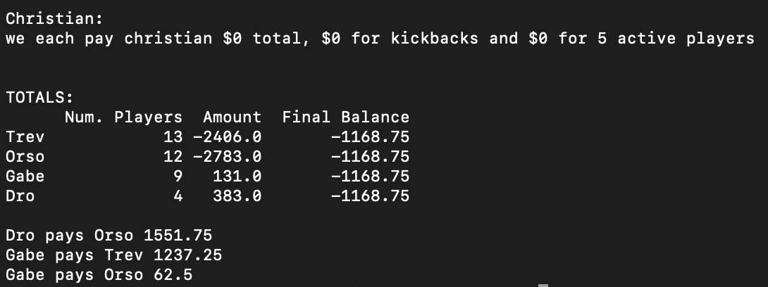
Agent | Player | Name | Action | Amount
Dro | pyr117 | Andres | Request | 431
Dro | pyr139 | Howard | Pay | 20
Dro | pyr145 | Rob | Pay | 48
Dro | pyr150 | Noah | Request | 20
Gabe | pyr102 | James Mendel | Pay | 0
Gabe | pyr104 | Eric | Pay | 88
Gabe | pyr115 | Tim | Pay | 73
Gabe | pyr120 | Garett Pool | Request | 250
Gabe | pyr134 | Kevin | Request | 1
Gabe | pyr136 | Mark | Pay | 0
Gabe | pyr138 | Kaz | Request | 3
Gabe | pyr140 | Pat | Request | 108
Gabe | pyr146 | Keenan Tims boy | Pay | 70
Orso | pyr106 | Tommy | Pay | 222
Orso | pyr107 | Christian | Pay | 134 |  |  |  | haspaid
Orso | pyr109 | Kevin Victory | Pay | 544 |  | Initial | 1237 | 154
Orso | pyr110 | Gz | Request | 692 |  |  |  | 500
Orso | pyr114 | Kyle Beta | Pay | 124 | Gabe Owes | 442 |  | 71
Orso | pyr118 | Christian #1 | Pay | 352 |  | 92 |  | 70
Orso | pyr121 | Christian #4 | Pay | 26 |  | 534
Orso | pyr123 | Christian #2 | Pay | 55
Orso | pyr127 | Will R | Request | 75
Orso | pyr130 | Christian # 3 | Pay | 158 |  |  |  |  | 725
Orso | pyr131 | Sly | Request | 138
Orso | pyr151 | Tommy’s boy | Pay | 2073
Trev | pyr105 | Mike Maxwell | Request | 32
Trev | pyr116 | stew | Request | 121
Trev | pyr125 | Casey Grieves | Pay | 125
Trev | pyr126 | Justin | Request | 141
Trev | pyr128 | Bradley | Request | 50
Trev | pyr129 | Wagner | Pay | 20
Trev | pyr133 | ben | Request | 10
Trev | pyr141 | Luc | Pay | 808
Trev | pyr142 | Stephen Harrison | Pay | 1004
Trev | pyr144 | logan | Pay | 750
Trev | pyr147 | Owen Shroeder | Request | 153
Trev | pyr148 | Brandon Wass | Pay | 271
Trev | pyr152 | Charlie Kennerly | Request | 65

10.11.2021
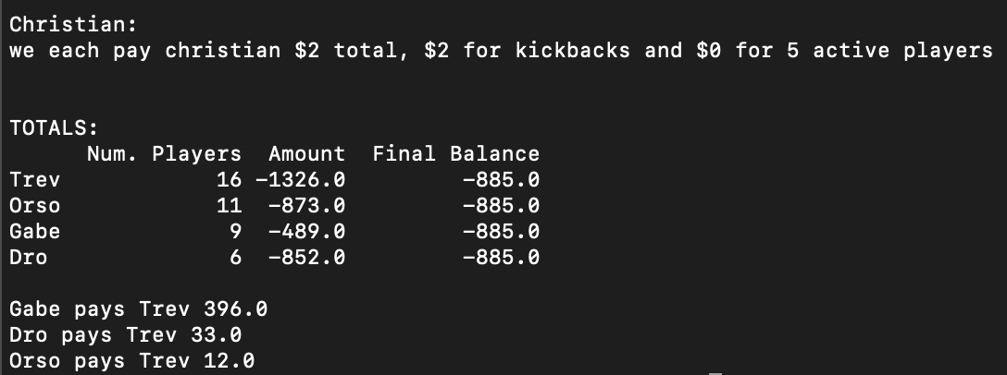
Agent | Action | Player | Name | Amount
Dro | Pay | pyr112 | Nico | 0
Dro | Pay | pyr113 | Xavi Marcos | 889
Dro | Pay | pyr117 | Andres | 96
Dro | Pay | pyr150 | Noah | 20
Dro | Request | pyr139 | Howard | 147
Dro | Request | pyr145 | Rob | 6
Gabe | Pay | pyr104 | Eric | 417
Gabe | Pay | pyr143 | Cary | 16
Gabe | Pay | pyr146 | Keenan Tims boy | 221
Gabe | Pay | pyr155 | Tyler | 76
Gabe | Pay | pyr156 | Quentin | 126
Gabe | Request | pyr115 | Tim | 4
Gabe | Request | pyr134 | Kevin | 151
Gabe | Request | pyr136 | Mark | 200
Gabe | Request | pyr140 | Pat | 12
Orso | Pay | pyr109 | Kevin Victory | 375
Orso | Pay | pyr110 | Gz | 217
Orso | Pay | pyr114 | Kyle Beta | 21
Orso | Pay | pyr123 | Christian #2 | 182
Orso | Pay | pyr130 | Christian # 3 | 56
Orso | Pay | pyr151 | Tommy’s boy | 822
Orso | Request | pyr106 | Tommy | 237
Orso | Request | pyr107 | Christian | 457
Orso | Request | pyr118 | Christian #1 | 61
Orso | Request | pyr121 | Christian #4 | 20
Orso | Request | pyr127 | Will R | 25
Trev | Pay | pyr126 | Justin | 264
Trev | Pay | pyr128 | Bradley | 31
Trev | Pay | pyr129 | Wagner | 18
Trev | Pay | pyr141 | Luc | 3
Trev | Pay | pyr142 | Stephen Harrison | 1935
Trev | Pay | pyr144 | logan | 777
Trev | Pay | pyr153 | Bennett | 480
Trev | Request | pyr105 | Mike Maxwell | 183
Trev | Request | pyr124 | Andres Cartaya | 25
Trev | Request | pyr125 | Casey Grieves | 590
Trev | Request | pyr133 | ben | 303 | r
Trev | Request | pyr147 | Owen Shroeder | 338
Trev | Request | pyr148 | Brandon Wass | 184 | r
Trev | Request | pyr149 | ike baldwin | 45
Trev | Request | pyr152 | Charlie Kennerly | 70 | r
Trev | Request | pyr154 | craig gaver | 434

10.18.2021
Agent | Action | Player | Name | Amount |  | Christian:
Dro | Pay | pyr117 | Andres | 235 |  | we each pay christian $16 total, $8 for kickbacks and $8 for 5 active players
Dro | Request | pyr113 | Xavi Marcos | 150
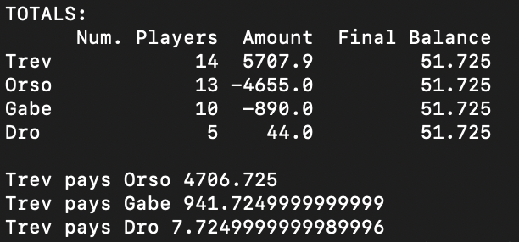
Dro | Request | pyr139 | Howard | 31
Dro | Request | pyr145 | Rob | 35
Dro | Request | pyr150 | Noah | 63
Gabe | Pay | pyr102 | James Mendel | 0
Gabe | Pay | pyr104 | Eric | 171
Gabe | Pay | pyr134 | Kevin | 762
Gabe | Pay | pyr143 | Cary | 20
Gabe | Pay | pyr146 | Keenan Tims boy | 255
Gabe | Request | pyr115 | Tim | 11
Gabe | Request | pyr136 | Mark | 20
Gabe | Request | pyr140 | Pat | 78
Gabe | Request | pyr155 | Tyler | 159
Gabe | Request | pyr156 | Quentin | 50
Orso | Pay | pyr106 | Tommy | 666
Orso | Pay | pyr107 | Christian | 364 |  |  |  |  | ok so -700 from monster teaser, -50 from 7 pick parlay, -250 from 7 point teaser, +500 from 13 point monster, -700 from virginia monster, +500 from penn st alternate, -750 from colts ml, -600 on bengals teaser, -250 on colts parlay, jags teaser is still alive
Orso | Pay | pyr110 | Gz | 2562
Orso | Pay | pyr114 | Kyle Beta | 168
Orso | Pay | pyr118 | Christian #1 | 1
Orso | Pay | pyr123 | Christian #2 | 16
Orso | Pay | pyr127 | Will R | 48
Orso | Pay | pyr151 | Tommy’s boy | 1547
Orso | Request | pyr109 | Kevin Victory | 263
Orso | Request | pyr121 | Christian #4 | 109
Orso | Request | pyr122 | Christian #5 | 10
Orso | Request | pyr130 | Christian # 3 | 224
Orso | Request | pyr157 | Chris | 111 |  | Amount Paid | remainder
Trev | Pay | pyr128 | Bradley | 57 | c | 57 | 0
Trev | Pay | pyr133 | ben | 9 | c | 9 | 0
Trev | Pay | pyr149 | ike baldwin | 33 | c | 33 | 0
Trev | Request | pyr105 | Mike Maxwell | 70 | c | 70 | 0
Trev | Request | pyr125 | Casey Grieves | 706 | r | 706 | 0 |  | -110
Trev | Request | pyr126 | Justin | 197 | c | 197 | 0 |  | -292
Trev | Request | pyr129 | Wagner | 57 | c | 57 | 0
Trev | Request | pyr141 | Luc | 940 | c | 940 | 0
Trev | Request | pyr142 | Stephen Harrison | 1364.4 | c | 1364.4 | 0
Trev | Request | pyr144 | logan | 741 | c | 741 | 0
Trev | Request | pyr147 | Owen Shroeder | 190 | c | 190 | 0
Trev | Request | pyr148 | Brandon Wass | 92 | c | 92 | 0
Trev | Request | pyr153 | Bennett | 437 | c | 437 | 0
Trev | Request | pyr154 | craig gaver | 1012.5 | r | 1012.5 | 0

 |  |  |  |  |  |  |  | 0

 |  |  |  |  |  |  |  |  |  | ok so -700 from monster teaser, -50 from 7 pick parlay, -250 from 7 point teaser, +500 from 13 point monster, -700 from virginia monster, +500 from penn st alternate, -750 from colts ml, -600 on bengals teaser, -250 on colts parlay, jags teaser is still alive

 |  |  |  |  |  |  |  |  |  | -2300

10.25.2021
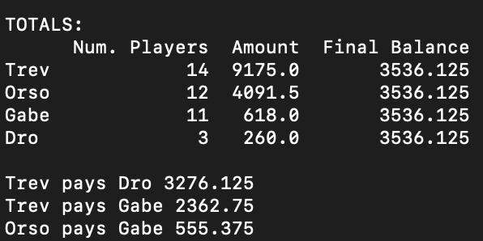
Agent | Action | Player | Name | Amount |  | Christian:
Dro | Request | pyr117 | Andres | 130 |  | we each pay christian $21 total, $21 for kickbacks and $0 for 5 active players
Dro | Request | pyr139 | Howard | 10
Dro | Request | pyr150 | Noah | 120
Gabe | Pay | pyr104 | Eric | 77
Gabe | Pay | pyr134 | Kevin | 3
Gabe | Pay | pyr137 | Zach gartner | 182
Gabe | Pay | pyr138 | Kaz | 0
Gabe | Pay | pyr146 | Keenan Tims boy | 4
Gabe | Request | pyr115 | Tim | 292
Gabe | Request | pyr136 | Mark | 70
Gabe | Request | pyr140 | Pat | 79
Gabe | Request | pyr143 | Cary | 256
Gabe | Request | pyr155 | Tyler | 81
Gabe | Request | pyr156 | Quentin | 106
Orso | Pay | pyr107 | Christian | 146
Orso | Pay | pyr109 | Kevin Victory | 0 |  |  |  |  |  | 62%
Orso | Request | pyr106 | Tommy | 87
Orso | Request | pyr110 | Gz | 1269.9
Orso | Request | pyr114 | Kyle Beta | 908
Orso | Request | pyr118 | Christian #1 | 80
Orso | Request | pyr121 | Christian #4 | 171
Orso | Request | pyr122 | Christian #5 | 90
Orso | Request | pyr123 | Christian #2 | 208
Orso | Request | pyr130 | Christian # 3 | 315 |  |  |  | Oustanding |  |  | 0.28437019969
Orso | Request | pyr131 | Sly | 25 |  |  |  | 1671.1
Orso | Request | pyr151 | Tommy’s boy | 1083.6 | action | amount paid | amount left
Trev | Pay | pyr116 | stew | 138 | c | 138 | 0
Trev | Pay | pyr126 | Justin | 351 | c | 351 | 0
Trev | Pay | pyr149 | ike baldwin | 257 | c | 257 | 0
Trev | Request | pyr105 | Mike Maxwell | 446 | c | 446 | 0
Trev | Request | pyr125 | Casey Grieves | 837 | r | 300 | 537
Trev | Request | pyr128 | Bradley | 500 | r | 500 | 0
Trev | Request | pyr129 | Wagner | 81 | c | 81 | 0
Trev | Request | pyr133 | ben | 1000 | r | 1000 | 0
Trev | Request | pyr141 | Luc | 598 | c | 598 | 0
Trev | Request | pyr142 | Stephen Harrison | 2853.9 | c | 2853.9 | 0
Trev | Request | pyr144 | logan | 378 | c | 378 | 0
Trev | Request | pyr147 | Owen Shroeder | 811 | c | 811 | 0
Trev | Request | pyr153 | Bennett | 914 | c | 914 | 0 |  | 826
Trev | Request | pyr154 | craig gaver | 1502.1 | r | 368 | 1134.1

11.1.2021
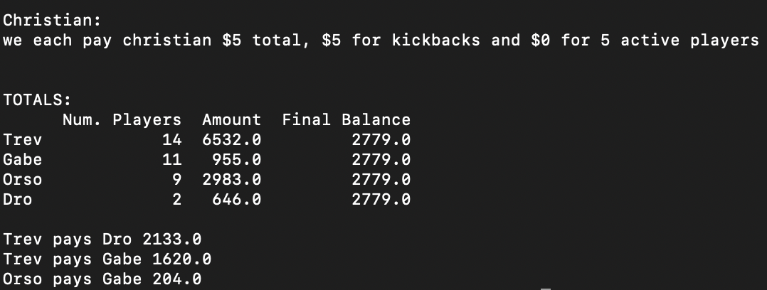
Agent | Action | Player | Name | Amount
Dro | Request | pyr117 | Andres | 596
Dro | Request | pyr150 | Noah | 50
Gabe | Pay | pyr102 | James Mendel | 0
Gabe | Pay | pyr115 | Tim | 21
Gabe | Pay | pyr143 | Cary | 16
Gabe | Request | pyr104 | Eric | 393
Gabe | Request | pyr119 | Zane | 70
Gabe | Request | pyr134 | Kevin | 49
Gabe | Request | pyr136 | Mark | 35
Gabe | Request | pyr140 | Pat | 18
Gabe | Request | pyr146 | Keenan Tims boy | 84
Gabe | Request | pyr155 | Tyler | 32
Gabe | Request | pyr156 | Quentin | 311
Orso | Pay | pyr106 | Tommy | 170
Orso | Pay | pyr123 | Christian #2 | 0
Orso | Pay | pyr151 | Tommy’s boy | 1891
Orso | Request | pyr107 | Christian | 1017
Orso | Request | pyr109 | Kevin Victory | 275
Orso | Request | pyr110 | Gz | 2925
Orso | Request | pyr114 | Kyle Beta | 534
Orso | Request | pyr122 | Christian #5 | 210 |  |  |  | Amount Outstanding
Orso | Request | pyr157 | Chris | 83 |  |  | amount left | 3265.1
Trev | Pay | pyr141 | Luc | 272 | c | 272 | 0
Trev | Pay | pyr142 | Stephen Harrison | 0 | c | 0 | 0
Trev | Pay | pyr149 | ike baldwin | 18 | c | 18 | 0
Trev | Pay | pyr152 | Charlie Kennerly | 10 | c | 10 | 0
Trev | Request | pyr105 | Mike Maxwell | 146 | r | 146 | 0
Trev | Request | pyr116 | stew | 21 | r | 21 | 0 | 3753 | 12
Trev | Request | pyr125 | Casey Grieves | 837 | r | 548 | 289 |  | 240
Trev | Request | pyr126 | Justin | 1350 | c | 1350 | 0 |  | 135
Trev | Request | pyr144 | logan | 841 | c | 841 | 0 |  | 10
Trev | Request | pyr147 | Owen Shroeder | 500 | c | 500 | 0 |  | 18
Trev | Request | pyr148 | Brandon Wass | 587 | c | 587 | 0 |  | 20
Trev | Request | pyr153 | Bennett | 966 | c | 966 | 0 |  | 275
Trev | Request | pyr154 | craig gaver | 1305 | r |  | 1305 |  | 40 | 750
Trev | Request | pyr160 | tate | 229 | c | 229 | 0 |  | 427
 |  |  |  |  |  |  |  |  | 427
 |  |  |  |  |  |  |  |  | 427
 |  |  |  |  |  |  |  |  | 2692
 |  |  |  |  |  |  |  |  | 21
 |  |  |  |  |  |  |  |  | 257
 |  |  |  |  |  |  |  |  | 138

 |  |  |  |  |  |  |  |  |  | 5139

11.8.2021
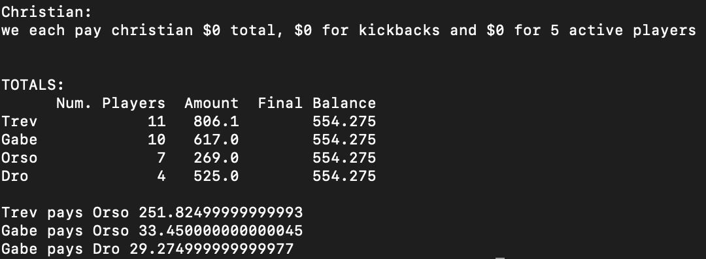
Agent | Action | Player | Name | Amount
Dro | Pay | pyr150 | Noah | 0
Dro | Request | pyr117 | Andres | 401
Dro | Request | pyr139 | Howard | 20
Dro | Request | pyr145 | Rob | 104
Gabe | Pay | pyr115 | Tim | 93
Gabe | Pay | pyr138 | Kaz | 0
Gabe | Pay | pyr143 | Cary | 2
Gabe | Pay | pyr155 | Tyler | 7
Gabe | Request | pyr104 | Eric | 136
Gabe | Request | pyr120 | Garett Pool | 50
Gabe | Request | pyr134 | Kevin | 106
Gabe | Request | pyr140 | Pat | 377
Gabe | Request | pyr146 | Keenan Tims boy | 25
Gabe | Request | pyr156 | Quentin | 25
Orso | Pay | pyr109 | Kevin Victory | 105
Orso | Pay | pyr114 | Kyle Beta | 170
Orso | Pay | pyr131 | Sly | 96 |  |  |  |  |  |  | 4221
Orso | Request | pyr106 | Tommy | 42
Orso | Request | pyr107 | Christian | 118 |  |  |  | Amount Outstanding
Orso | Request | pyr127 | Will R | 20 |  |  |  | 3265.1 |  | 2133
Orso | Request | pyr157 | Chris | 460 |  |  | amount left |  |  | 1673
Trev | Pay | pyr105 | Mike Maxwell | 30 |  | 30 | 0 |  |  | 12
Trev | Pay | pyr126 | Justin | 70 |  | 70 | 0 |  |  | 240
Trev | Pay | pyr129 | Wagner | 0 |  | 0 | 0 |  |  | 135 | 3806
Trev | Pay | pyr147 | Owen Shroeder | 529 |  | 529 | 0 |  |  | 10
Trev | Pay | pyr148 | Brandon Wass | 130 |  | 130 | 0 |  |  | 18
Trev | Pay | pyr153 | Bennett | 1066 |  | 1066 | 0
Trev | Pay | pyr160 | tate | 193 |  | 193 | 0
Trev | Request | pyr141 | Luc | 5 |  | 5 | 0 |  | 0
Trev | Request | pyr142 | Stephen Harrison | 2699.1 | c | 2699.1 | 0
Trev | Request | pyr144 | logan | 94 | c | 94 | 0
Trev | Request | pyr149 | ike baldwin | 26 | c | 26 | 0

11.15.2021
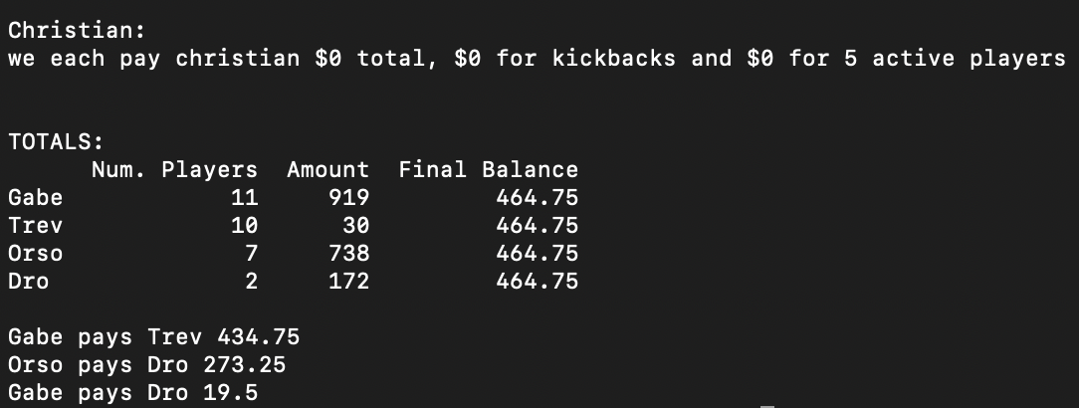
Agent | Action | Player | Name | Amount
Dro | Request | pyr139 | Howard | 46
Dro | Request | pyr150 | Noah | 126
Gabe | Pay | pyr102 | James Mendel | 150
Gabe | Pay | pyr140 | Pat | 323
Gabe | Request | pyr115 | Tim | 115
Gabe | Request | pyr120 | Garett Pool | 10
Gabe | Request | pyr134 | Kevin | 466
Gabe | Request | pyr137 | Zach gartner | 170
Gabe | Request | pyr138 | Kaz | 253
Gabe | Request | pyr143 | Cary | 31
Gabe | Request | pyr146 | Keenan Tims boy | 241
Gabe | Request | pyr155 | Tyler | 103
Gabe | Request | pyr156 | Quentin | 3
Orso | Pay | pyr114 | Kyle Beta | 15
Orso | Pay | pyr157 | Chris | 50
Orso | Request | pyr106 | Tommy | 150
Orso | Request | pyr107 | Christian | 342
Orso | Request | pyr109 | Kevin Victory | 170 |  |  |  |  | Amount Outstanding
Orso | Request | pyr127 | Will R | 91 |  |  |  |  | 4015.1
Orso | Request | pyr131 | Sly | 50 |  |  | amount left
Trev | Pay | pyr105 | Mike Maxwell | 342 |  | 342 | 0
Trev | Pay | pyr126 | Justin | 905 |  | 905 | 0
Trev | Pay | pyr153 | Bennett | 827 |  | 827 | 0
Trev | Request | pyr129 | Wagner | 48 | r | 48 | 0
Trev | Request | pyr141 | Luc | 293 | r | 293 | 0
Trev | Request | pyr144 | logan | 750 | r | 0 | 750
Trev | Request | pyr147 | Owen Shroeder | 249 | r | 249 | 0 | 1633
Trev | Request | pyr148 | Brandon Wass | 485 | r | 485 | 0
Trev | Request | pyr149 | ike baldwin | 3 | c | 3 | 0
Trev | Request | pyr160 | tate | 276 | c | 276 | 0

11.22.2021
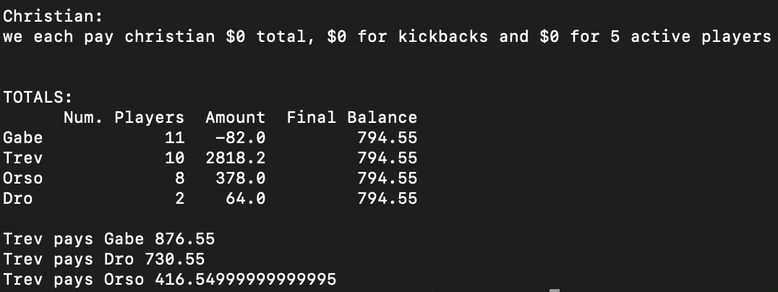
Agent | Action | Player | Name | Amount
Dro | Pay | pyr117 | Andres | 41
Dro | Request | pyr150 | Noah | 105
Gabe | Pay | pyr102 | James Mendel | 58
Gabe | Pay | pyr115 | Tim | 41
Gabe | Pay | pyr138 | Kaz | 0
Gabe | Pay | pyr140 | Pat | 648
Gabe | Pay | pyr146 | Keenan Tims boy | 173
Gabe | Request | pyr119 | Zane | 100
Gabe | Request | pyr134 | Kevin | 423
Gabe | Request | pyr137 | Zach gartner | 50
Gabe | Request | pyr143 | Cary | 100
Gabe | Request | pyr155 | Tyler | 100
Gabe | Request | pyr156 | Quentin | 65
Orso | Pay | pyr109 | Kevin Victory | 0
Orso | Pay | pyr114 | Kyle Beta | 88
Orso | Pay | pyr157 | Chris | 20
Orso | Request | pyr106 | Tommy | 15
Orso | Request | pyr107 | Christian | 374
Orso | Request | pyr122 | Christian #5 | 20 |  |  |  | Total Outstanding
Orso | Request | pyr127 | Will R | 27 |  |  |  | $4,015.10
Orso | Request | pyr131 | Sly | 50 |  |  | amount left
Trev | Pay | pyr149 | ike baldwin | 0 | c |  | 0
Trev | Request | pyr105 | Mike Maxwell | 196 | c | 196 | 0
Trev | Request | pyr116 | stew | 25 | c | 25 | 0
Trev | Request | pyr126 | Justin | 1078.2 | c | 1078.2 | 0
Trev | Request | pyr129 | Wagner | 25 | c | 25 | 0
Trev | Request | pyr141 | Luc | 200 | c | 200 | 0
Trev | Request | pyr147 | Owen Shroeder | 23 | c | 23 | 0
Trev | Request | pyr148 | Brandon Wass | 999 | c | 999 | 0
Trev | Request | pyr153 | Bennett | 206 | c | 206 | 0
Trev | Request | pyr160 | tate | 66 | c | 66 | 0

11.29.2021
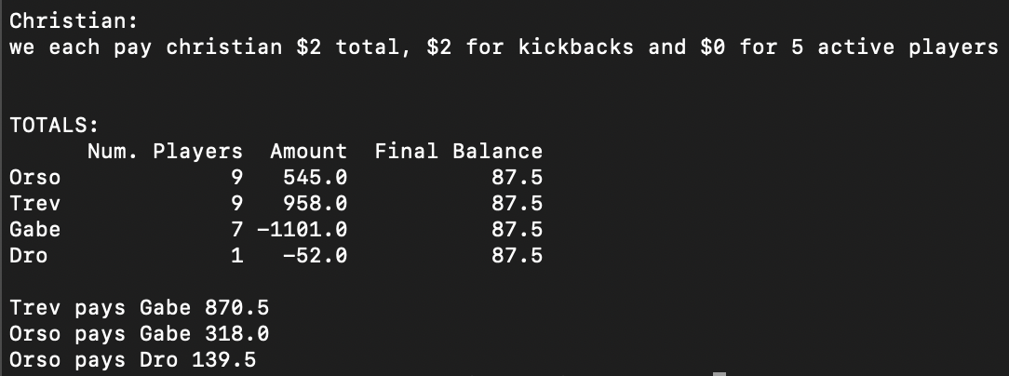
Agent | Action | Player | Name | Amount
Dro | Pay | pyr117 | Andres | 52
Gabe | Pay | pyr104 | Eric | 1561
Gabe | Pay | pyr155 | Tyler | 0
Gabe | Request | pyr115 | Tim | 54
Gabe | Request | pyr134 | Kevin | 112
Gabe | Request | pyr137 | Zach gartner | 53
Gabe | Request | pyr140 | Pat | 211
Gabe | Request | pyr146 | Keenan Tims boy | 30
Orso | Pay | pyr131 | Sly | 102
Orso | Pay | pyr157 | Chris | 117
Orso | Request | pyr106 | Tommy | 100
Orso | Request | pyr107 | Christian | 18
Orso | Request | pyr109 | Kevin Victory | 403
Orso | Request | pyr114 | Kyle Beta | 111
Orso | Request | pyr118 | Christian #1 | 10 |  |  |  | Total Outstanding
Orso | Request | pyr123 | Christian #2 | 93 |  |  |  | $4,704.10
Orso | Request | pyr127 | Will R | 29 |  |  | amount left
Trev | Pay | pyr141 | Luc | 123 | c | 123 | 0
Trev | Pay | pyr147 | Owen Shroeder | 148 | c | 148 | 0
Trev | Pay | pyr149 | ike baldwin | 11 | c | 11 | 0
Trev | Pay | pyr153 | Bennett | 532 | c | 532 | 0
Trev | Pay | pyr160 | tate | 657 | c | 657 | 0
Trev | Request | pyr105 | Mike Maxwell | 130 | c | 130 | 0
Trev | Request | pyr126 | Justin | 911 | r | 911 | 0 |  | 407
Trev | Request | pyr144 | logan | 689 | r | 0 | 689
Trev | Request | pyr148 | Brandon Wass | 699 | r | 699 | 0

 |  |  |  |  |  |  |  |  | 1439

12.06.2021
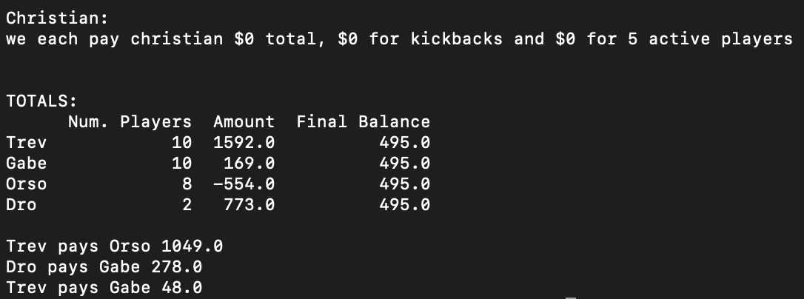
Agent | Action | Player | Name | Amount
Dro | Pay | pyr145 | Rob | 18
Dro | Request | pyr117 | Andres | 791
Gabe | Pay | pyr104 | Eric | 25
Gabe | Pay | pyr143 | Cary | 6
Gabe | Pay | pyr156 | Quentin | 205
Gabe | Request | pyr115 | Tim | 37
Gabe | Request | pyr119 | Zane | 47
Gabe | Request | pyr134 | Kevin | 93
Gabe | Request | pyr138 | Kaz | 22
Gabe | Request | pyr140 | Pat | 125
Gabe | Request | pyr146 | Keenan Tims boy | 56
Gabe | Request | pyr155 | Tyler | 25
Orso | Pay | pyr107 | Christian | 158
Orso | Pay | pyr109 | Kevin Victory | 0
Orso | Pay | pyr114 | Kyle Beta | 1
Orso | Pay | pyr121 | Christian #4 | 46
Orso | Pay | pyr123 | Christian #2 | 318
Orso | Pay | pyr131 | Sly | 50
Orso | Pay | pyr157 | Chris | 15 |  |  |  | Total Outstanding
Orso | Request | pyr127 | Will R | 34 |  |  | amount left | $4,704.10
Trev | Pay | pyr141 | Luc | 100 | c | 100 | 0
Trev | Pay | pyr144 | logan | 48 | c | 48 | 0
Trev | Pay | pyr147 | Owen Shroeder | 89 | c | 89 | 0
Trev | Pay | pyr160 | tate | 1096 | c | 1096 | 0
Trev | Request | pyr103 | Jalen | 495 | r | 495 | 0
Trev | Request | pyr105 | Mike Maxwell | 200 | r | 200 | 0
Trev | Request | pyr126 | Justin | 398 | r | 398 | 0
Trev | Request | pyr148 | Brandon Wass | 988 | r | 988 | 0
Trev | Request | pyr149 | ike baldwin | 40 | r | 40 | 0
Trev | Request | pyr153 | Bennett | 804 | r | 804 | 0

12.13.2021
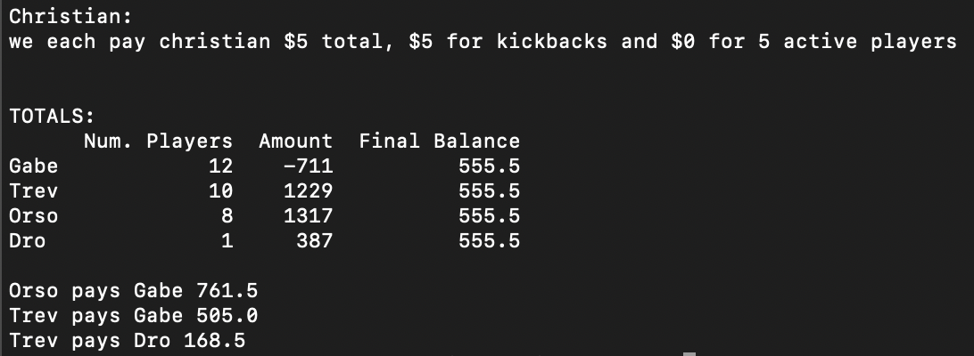
Agent | Action | Player | Name | Amount
Dro | Request | pyr117 | Andres | 387
Gabe | Pay | pyr104 | Eric | 387
Gabe | Pay | pyr115 | Tim | 75
Gabe | Pay | pyr134 | Kevin | 576
Gabe | Pay | pyr155 | Tyler | 35
Gabe | Pay | pyr156 | Quentin | 357
Gabe | Request | pyr119 | Zane | 50
Gabe | Request | pyr136 | Mark | 200
Gabe | Request | pyr137 | Zach gartner | 75
Gabe | Request | pyr138 | Kaz | 35
Gabe | Request | pyr140 | Pat | 63
Gabe | Request | pyr143 | Cary | 186
Gabe | Request | pyr146 | Keenan Tims boy | 110
Orso | Pay | pyr109 | Kevin Victory | 0
Orso | Request | pyr107 | Christian | 768
Orso | Request | pyr114 | Kyle Beta | 263
Orso | Request | pyr121 | Christian #4 | 87
Orso | Request | pyr123 | Christian #2 | 120
Orso | Request | pyr127 | Will R | 20 |  |  |  |  | Total Outstanding
Orso | Request | pyr131 | Sly | 30 |  |  |  |  | $4,804.10
Orso | Request | pyr157 | Chris | 29 |  |  | amount left
Trev | Pay | pyr148 | Brandon Wass | 197 | c | 197 | 0
Trev | Pay | pyr153 | Bennett | 682 | c | 682 | 0
Trev | Pay | pyr160 | Tate | 0 | c |  | 0
Trev | Request | pyr103 | Jalen | 455 | r | 355 | 100
Trev | Request | pyr105 | Mike Maxwell | 465 | c | 465 | 0 | 345
Trev | Request | pyr126 | Justin | 358 | c | 358 | 0
Trev | Request | pyr129 | Wagner | 5 | c | 5 | 0 |  |  |  | 1439
Trev | Request | pyr141 | Luc | 53 | c | 53 | 0
Trev | Request | pyr147 | Owen Shroeder | 750 | r | 750 | 0
Trev | Request | pyr149 | ike baldwin | 22 | c | 22 | 0

 |  |  |  |  |  |  |  | 1.2 |  | 0.68965517241
 |  |  |  |  |  |  |  | 120 |  | 270 | 186.20689655

12.20.2021
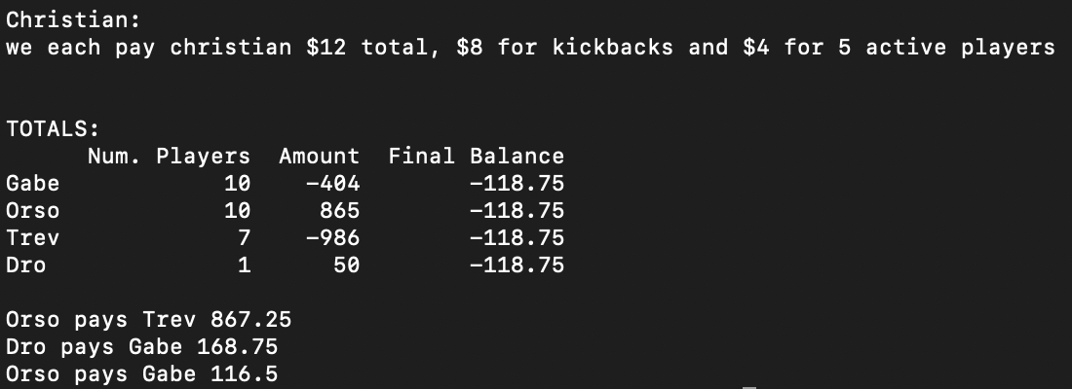
Agent | Action | Player | Name | Amount
Dro | Request | pyr112 | Nico | 50
Gabe | Pay | pyr104 | Eric | 95
Gabe | Pay | pyr115 | Tim | 194
Gabe | Pay | pyr136 | Mark | 179
Gabe | Pay | pyr146 | Keenan Tims boy | 219
Gabe | Pay | pyr155 | Tyler | 8
Gabe | Pay | pyr156 | Quentin | 25
Gabe | Request | pyr134 | Kevin | 37
Gabe | Request | pyr137 | Zach gartner | 105
Gabe | Request | pyr138 | Kaz | 1
Gabe | Request | pyr140 | Pat | 173
Orso | Pay | pyr109 | Kevin Victory | 0
Orso | Pay | pyr131 | Sly | 50
Orso | Request | pyr107 | Christian | 186
Orso | Request | pyr114 | Kyle Beta | 356 | 453.5
Orso | Request | pyr118 | Christian #1 | 25 | 313.5
Orso | Request | pyr121 | Christian #4 | 60
Orso | Request | pyr122 | Christian #5 | 6
Orso | Request | pyr123 | Christian #2 | 209
Orso | Request | pyr127 | Will R | 53
Orso | Request | pyr130 | Christian # 3 | 20
Trev | Pay | pyr116 | stew | 857
Trev | Pay | pyr126 | Justin | 451
Trev | Pay | pyr148 | Brandon Wass | 123
Trev | Request | pyr105 | Mike Maxwell | 190 |  | 403.5
Trev | Request | pyr141 | Luc | 10
Trev | Request | pyr149 | ike baldwin | 22
Trev | Request | pyr153 | Bennett | 223

12.27.2021
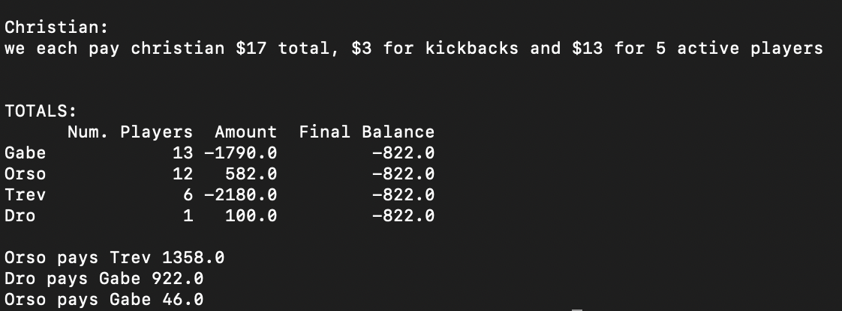
Agent | Action | Player | Name | Amount
Dro | Request | pyr117 | Andres | 100
Gabe | Pay | pyr104 | Eric | 400
Gabe | Pay | pyr119 | Zane | 40
Gabe | Pay | pyr124 | Andres Cartaya | 20
Gabe | Pay | pyr134 | Kevin | 119
Gabe | Pay | pyr137 | Zach gartner | 50
Gabe | Pay | pyr140 | Pat | 271
Gabe | Pay | pyr143 | Cary | 20
Gabe | Pay | pyr146 | Keenan Tims boy | 146
Gabe | Pay | pyr155 | Tyler | 360
Gabe | Pay | pyr156 | Quentin | 451
Gabe | Request | pyr115 | Tim | 25
Gabe | Request | pyr136 | Mark | 40
Gabe | Request | pyr138 | Kaz | 22
Orso | Pay | pyr122 | Christian #5 | 73
Orso | Pay | pyr123 | Christian #2 | 588
Orso | Pay | pyr127 | Will R | 11
Orso | Request | pyr106 | Tommy | 50
Orso | Request | pyr107 | Christian | 558
Orso | Request | pyr109 | Kevin Victory | 99
Orso | Request | pyr114 | Kyle Beta | 249
Orso | Request | pyr118 | Christian #1 | 30
Orso | Request | pyr121 | Christian #4 | 82
Orso | Request | pyr130 | Christian # 3 | 20
Orso | Request | pyr131 | Sly | 100
Orso | Request | pyr157 | Chris | 66
Trev | Pay | pyr105 | Mike Maxwell | 160 | c
Trev | Pay | pyr126 | Justin | 2282 | c
Trev | Pay | pyr149 | ike baldwin | 127 | c
Trev | Pay | pyr153 | Bennett | 736 | x
Trev | Request | pyr116 | stew | 125 | c
Trev | Request | pyr148 | Brandon Wass | 1000 | c

