MEXICO
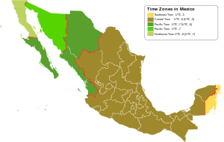

BRAZIL OK
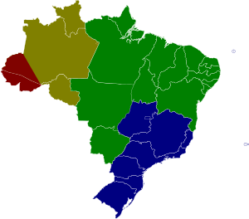

39;"Brazil/Araguaina";0;-1;3;0 | ok
40;"Brazil/Bahia";0;-1;3;0 | ok
41;"Brazil/Belem";0;-1;3;0 | ok
42;"Brazil/Boa_Vista";0;-1;4;0 | ok
43;"Brazil/Campo_Grande";7;-1;4;0 | ok
44;"Brazil/Cuiaba";7;-1;4;0 | ok
45;"Brazil/Eirunepe";0;-1;5;0 | ok
46;"Brazil/Fortaleza";0;-1;3;0 | ok
47;"Brazil/Maceio";0;-1;3;0 | ok
48;"Brazil/Manaus";0;-1;4;0 | ok
49;"Brazil/Noronha";0;-1;2;0 | ok
50;"Brazil/Porto_Velho";0;-1;4;0 | ok
51;"Brazil/Recife";0;-1;3;0 | ok
52;"Brazil/Rio_Branco";0;-1;5;0 | ok
53;"Brazil/Sao_Paulo";7;-1;3;0 | ok

AUSTRALIA OK
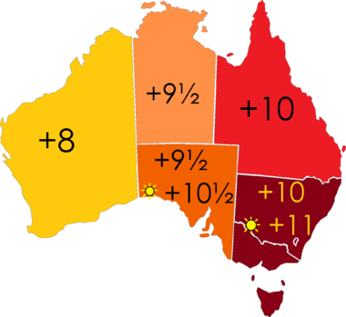
 | 15;"Australia/Adelaide";2;1;9;30 | ok
 | 16;"Australia/Brisbane";0;1;10;0 | ok
 | 17;"Australia/Broken_Hill";2;1;9;30 | ok
 | 18;"Australia/Currie";3;1;10;0 | ok
 | 19;"Australia/Darwin";0;1;9;30 | ok
 | 20;"Australia/Hobart";3;1;10;0 | ok
 | 21;"Australia/Lindeman";0;1;10;0 | ok
 | 22;"Australia/Melbourne";4;1;10;0 | ok
 | 23;"Australia/Perth";0;1;8;0 | ok
 | 24;"Australia/Sydney";1;1;10;0 | ok
 | ?;"Autralia/Eucla";0;1;8;45 | ok
 | ?;"Australia/Norfolk";0;1;11;00 | ok
 | ?;"Australia/Heard and McDonald Islands";0;1;5;00 | ok

2 | Rule | AS | 2008 | max | - | Apr | Sun>=1 | 2:00s | 0 | S | Australia/Adelaide
2 | Rule | AS | 2008 | max | - | Oct | Sun>=1 | 2:00s | 1:00:00 | D | Australia/Adelaide
3 | Rule | AT | 2001 | max | - | Oct | Sun>=1 | 2:00s | 1:00:00 | D | Australia/Hobart
3 | Rule | AT | 2008 | max | - | Apr | Sun>=1 | 2:00s | 0 | S | Australia/Hobart
4 | Rule | AV | 2008 | max | - | Apr | Sun>=1 | 2:00s | 0 | S | Australia/Melbourne
4 | Rule | AV | 2008 | max | - | Oct | Sun>=1 | 2:00s | 1:00:00 | D | Australia/Melbourne
1 | Rule | AN | 2008 | max | - | Apr | Sun>=1 | 2:00s | 0 | S | Australia/Sydney
1 | Rule | AN | 2008 | max | - | Oct | Sun>=1 | 2:00s | 1:00:00 | D | Australia/Sydney

