Definition
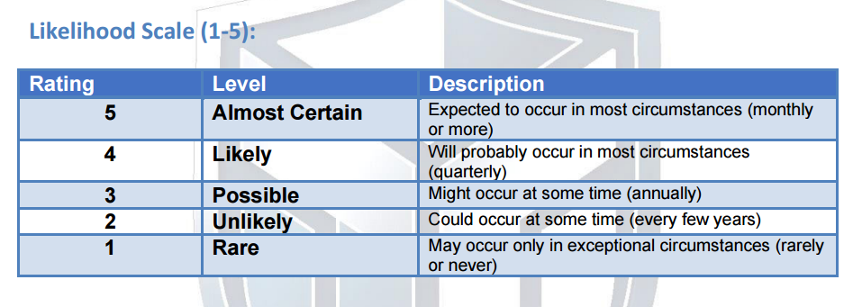
Risk Assessment Methodology: For each critical asset: 1. Identify threats (what could go wrong?) 2. Identify vulnerabilities (what weaknesses exist?) 3. Assess likelihood (how likely is this threat to exploit this vulnerability?) 4. Assess impact (what would be the consequence?) 5. Calculate risk level (Likelihood × Impact) 6. Document current controls 7. Determine residual risk and treatment priority

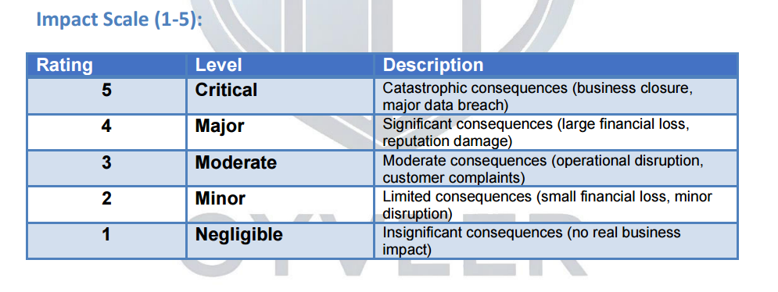

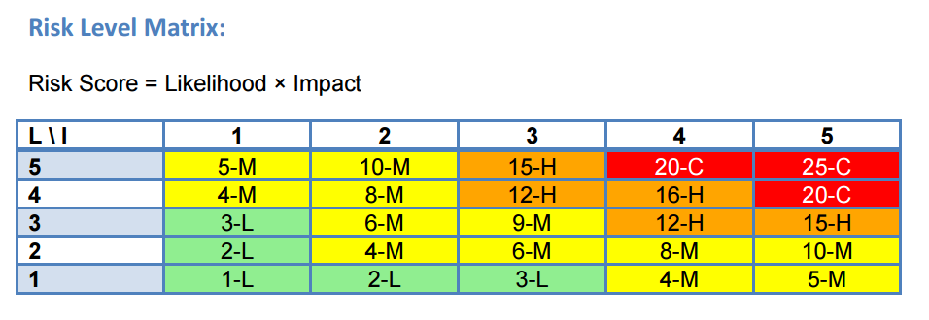

Risk Levels: 1-5 = LOW (green) | 6-10 = MEDIUM (yellow) | 11-15 = HIGH (orange) | 16-25 = CRITICAL (red)

