Overview
Adult Social Care in England: Meta-data Analysis (March/April 2020) | Data Model (as implemented in coloured worksheets) | Data Model, PlantUML link
The intent of this data set is to set out a framework/domain model for coverage of the adult social care pathway, and join it to available data sources and measures. | 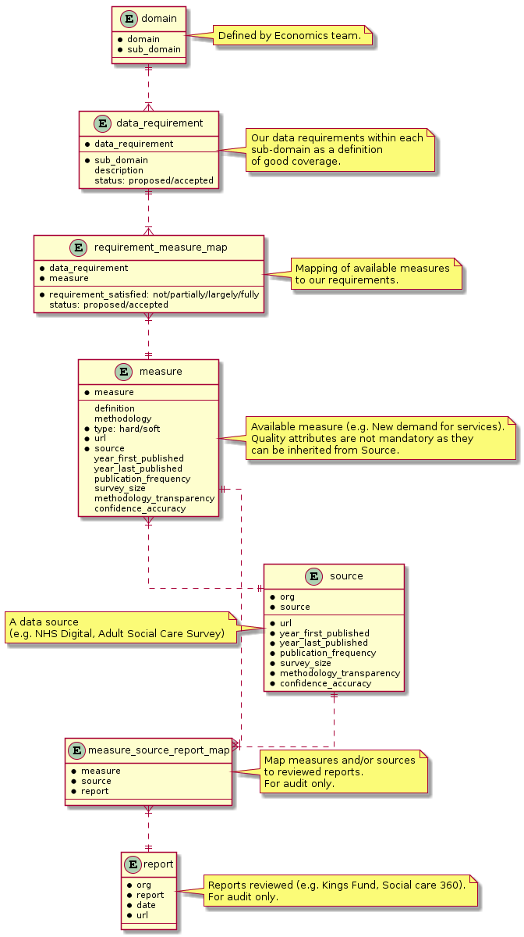
The data set will be used to create a visualisation which will attempt to address the following research questions: - What gaps exist in sources of data which aim to inform us of the state of adult social care in England? - How do the data sources and gaps exist with respect to domain dimensions of... - access to services? - expenditure on services? - providers of services? - workforce and carers? - quality of service? - integration with other services? - How good are the existing sources with respect to quality dimensions of... - domain coverage? - data accuracy? - frequency of publication? - length of publication history? - survey/population size and coverage? - transparency of methodology?
Notes on the worksheets containing the data tables
Red tabbed worksheets contain our view of the world
Green tabbed worksheets contain what's in the wild.
The blue tabbed worksheet brings the two together to assess coverage.
Column headings in blue text are likely to be used in visualisation.
Column headings with orangy-pink background have formulae, don't delete.
Column headings with yellow background are lookups to another table.
Some column headings have cell comments to explain the intent (hover over)
Status fields (proposed/accepted) are just for data prep workflow.

measure_strength_model
Points awarded for quality attributes of sources and measures

msr_population_or_survey | points
Population | 1
Population+Estimates+Survey | 0.5
Survey | 0

msr_min_geo_resolution | points
CCG | 1
CCG, TCP | 1
LA | 1
LA/HWB | 1
Location | 1
Trust | 1
STP | 0.8 | e.g. care home
TCP | 0.8
Region | 0.5
England | 0
GB | 0
UK | 0

src_year_first_published | src_year_last_published | Formula on measure sheet. One point for 10 years up to 2019 | test ======> | first | last | years_1 | years_2 | years_3 | final | final2
 |  |  |  | 2000 | 2009 | 0 | 0 | 0 | 0 | 0
src_discontinuity |  | Formula on measure sheet. 0 points for any discontinuity, else 1 point. |  | 2008 | 2014 | 5 | 0 | 0 | 5 | 5
 |  |  |  | 2010 | 2014 | 5 | 0 | 0 | 5 | 5
src_pub_frequency | points |  |  | 2011 | 2014 | 5 | -1 | 0 | 4 | 4
Monthly | 1 |  |  | 2015 | 2019 | 10 | -5 | 0 | 5 | 5
Weekly, during winter only | 0.9 |  |  | 2000 | 2020 | 11 | 0 | 1 | 10 | 10
Quarterly | 0.9
Annual | 0.8
Biennial | 0.5
One-off | 0

src_pub_lag_months | points
0 | 1 | not pertetly mathematical but good enough for now. Better implemented in formula
1 | 0.9
2 | 0.8
3 | 0.7
4 | 0.6
5 | 0.5
7 | 0.3
8 | 0.2
10 | 0.1
12 | 0
N/A | 0
TBD | 0

src_statistic_class | points
Experimental | 0.5
Management Information | 0.8
National | 1
National (ASC-FR) + Official (SALT) | 1
Official | 1 | Can't find distinction between official and national
TBD | 0

src_methodology_url |  | Formula on measure sheet. 1 point for a link else 0.

src_quality_url |  | Formula on measure sheet. 1 point for a link else 0.

Measure | Weighting
str_msr_population_or_survey | 1
str_msr_min_geo_resolution | 1
str_years_published | 1
str_src_discontinuity | 0.5
str_src_pub_frequency | 1
str_src_pub_lag_months | 0.5
str_src_statistic_class | 1
str_src_methodology_url | 0.25
str_src_quality_url | 0.25
sum | 6.5

Stength | Count < | Count bin
0.1 | 0 | 0
0.2 | 0 | 0
0.3 | 1 | 1
0.4 | 143 | 142
0.5 | 161 | 18
0.6 | 249 | 88
0.7 | 355 | 106
0.8 | 423 | 68
0.9 | 544 | 121
1 | 550 | 6

