Count
Kit Slot | Color | Part Name | Picture | Enter Count Here
Pi Kit | Green | Raspberry Pi
Pi Kit | Green | Base Hat | 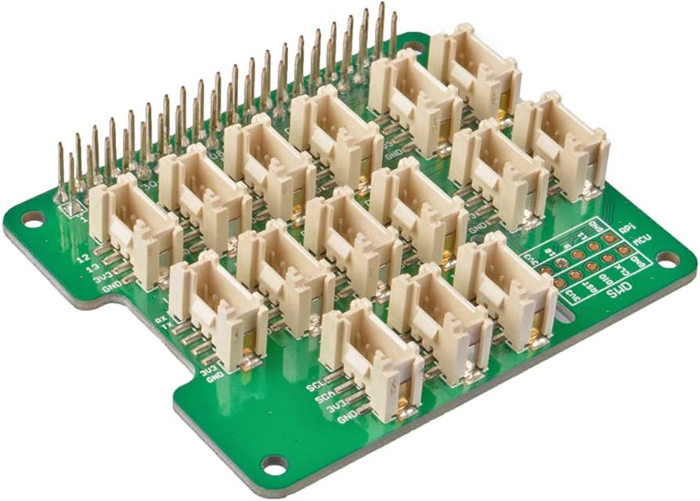
Pi Kit | Green | Build Hat | 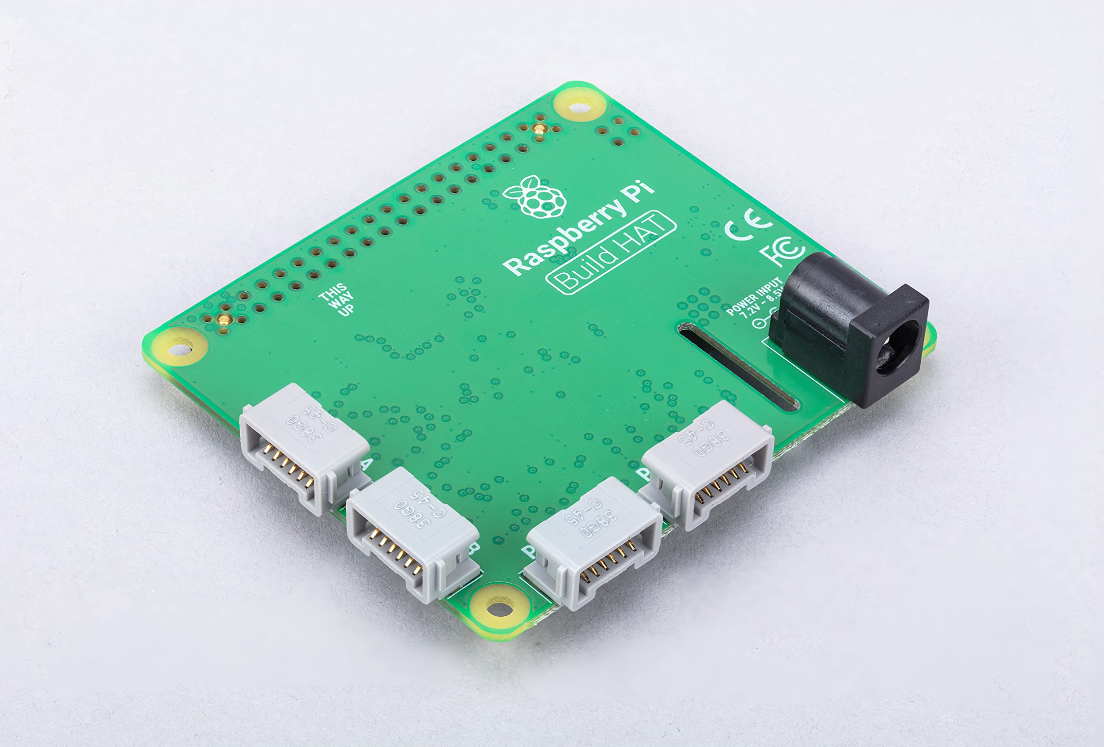
Pi Kit | Varies | Micro SD Card
Pi Kit | Varies | Grove Connector Cables
Pi Kit | Blue | Grove Ultrasonic Sensor
Pi Kit | Blue | Grove Light Sensor
Pi Kit | Blue | Grove Inertial Measurement Unit
Pi Kit | Blue | Grove Line Finder
Pi Kit | Blue | Grove Hall Sensor | 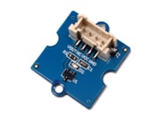
Pi Kit | Blue | 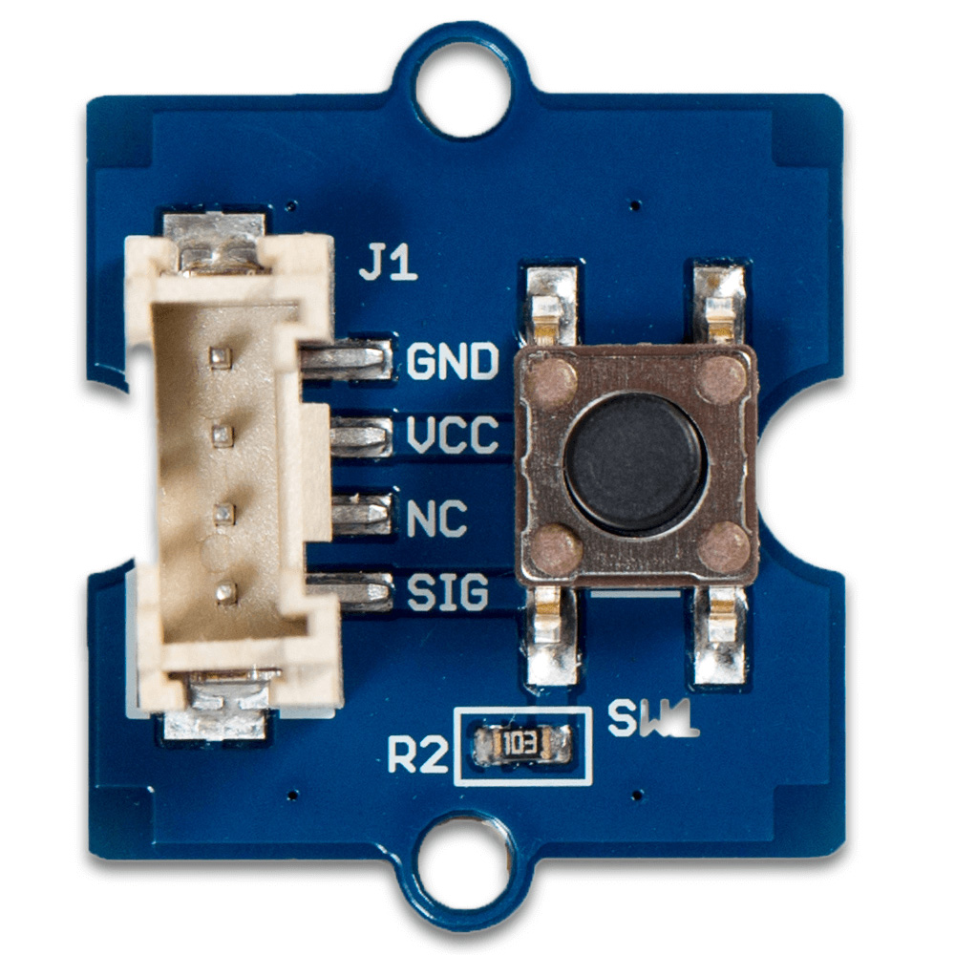 Grove Button
Pi Kit | Purple | Dual IR Intensity Sensor
Pi Kit | White | Spike Colour Sensor
Pi Kit | White | Spike Large Motor
Pi Kit | Black | Ethernet Cable (5 ft) | 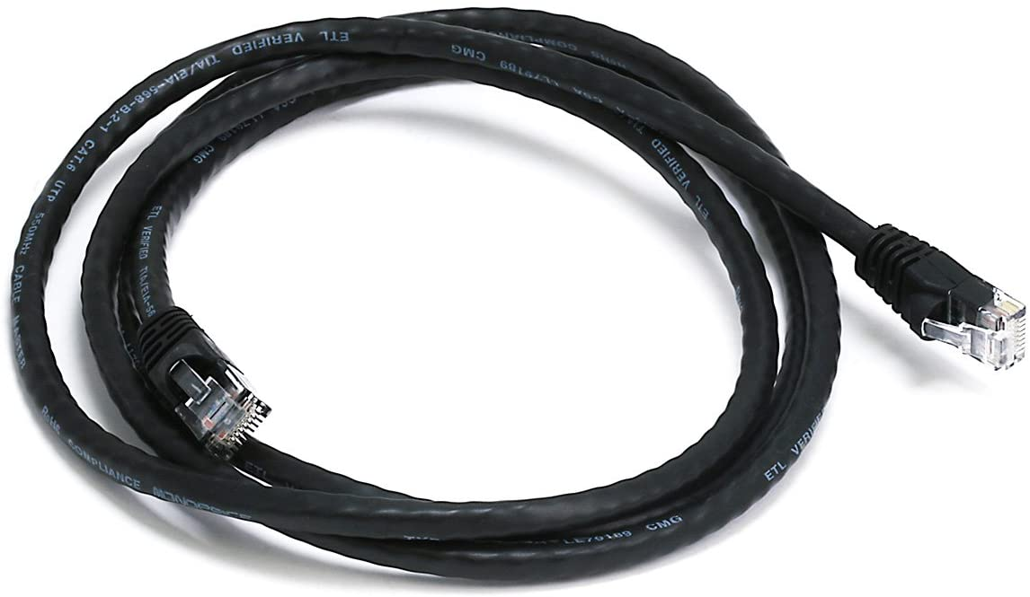
Pi Kit | Black | Ethernet to USB Adapter |  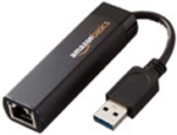
Pi Kit | White | Pi Power Supply | 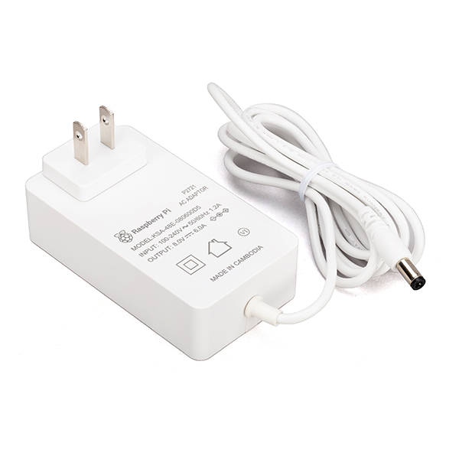
2nd Pi Kit | Green | Raspberry Pi
2nd Pi Kit | Green | Base Hat
2nd Pi Kit | Green | Build Hat
2nd Pi Kit | Varies | Micro SD Card
2nd Pi Kit | Varies | Grove Connector Cables | 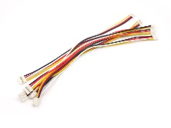
2nd Pi Kit | Blue | Grove Ultrasonic Sensor | 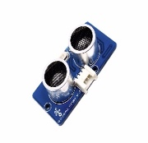
2nd Pi Kit | Blue | Grove Light Sensor | 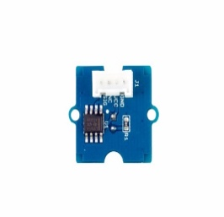
2nd Pi Kit | Blue | Grove Inertial Measurement Unit | 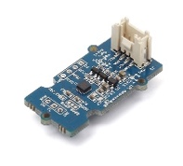
2nd Pi Kit | Blue | Grove Line Finder | 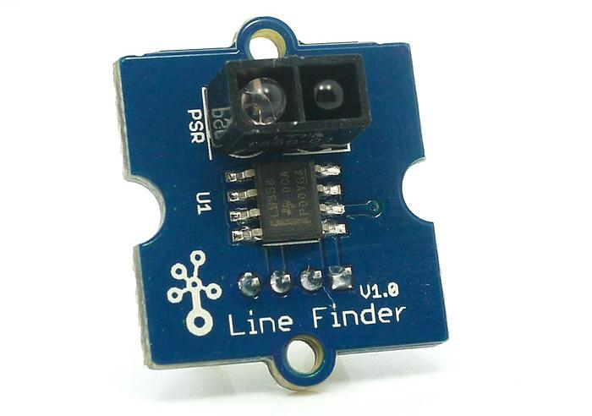
2nd Pi Kit | Blue | Grove Hall Sensor
2nd Pi Kit | Blue | Grove Button
2nd Pi Kit | White | Spike Large Motor
2nd Pi Kit | White | Pi Power Supply
3rd Pi Kit | Green | Raspberry Pi
3rd Pi Kit | Green | Base Hat
3rd Pi Kit | Green | Build Hat
3rd Pi Kit | Varies | Micro SD Card |  
3rd Pi Kit | Varies | Grove Connector Cables
3rd Pi Kit | Blue | Grove Ultrasonic Sensor
3rd Pi Kit | Blue | Grove Light Sensor
3rd Pi Kit | Blue | Grove Line Finder
3rd Pi Kit | White | Spike Large Motor
3rd Pi Kit | Any | Sensor mounts - Ultransonic
3rd Pi Kit | Any | Sensor mounts - IMU | 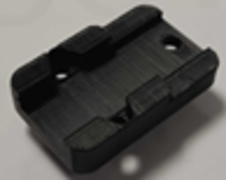
3rd Pi Kit | Any | Sensor mounts - multi | 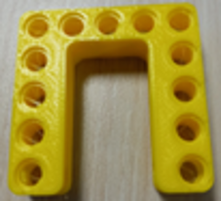
3rd Pi Kit | Any | Sensor mounts - button | 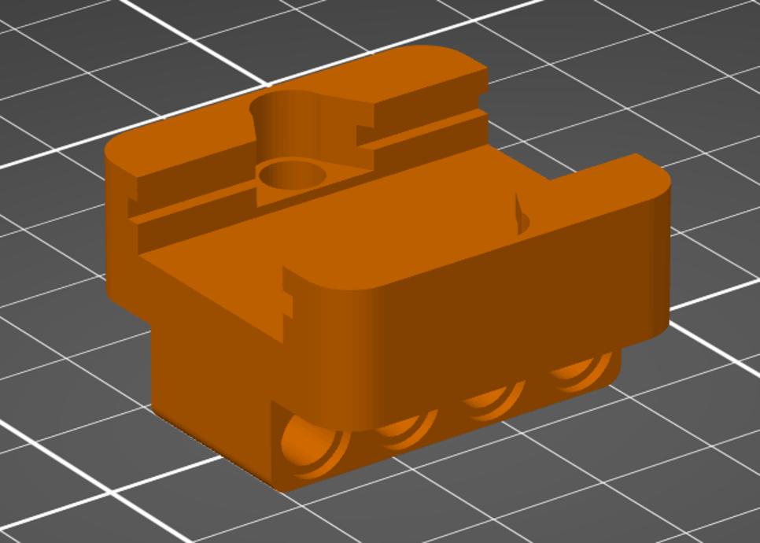
Kit A | Green | Raspberry Pi
Kit A | Green | Base Hat
Kit A | Green | Build Hat
Kit A | Varies | Micro SD Card
Kit A | White | Spike Medium Motor
Kit A | Black | Barrel Extension Cord
Battery Kit | Black | Zeee NiMH Battery | 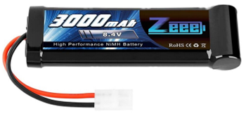
Battery Kit | Black | Tenergy Smart AC Charger | 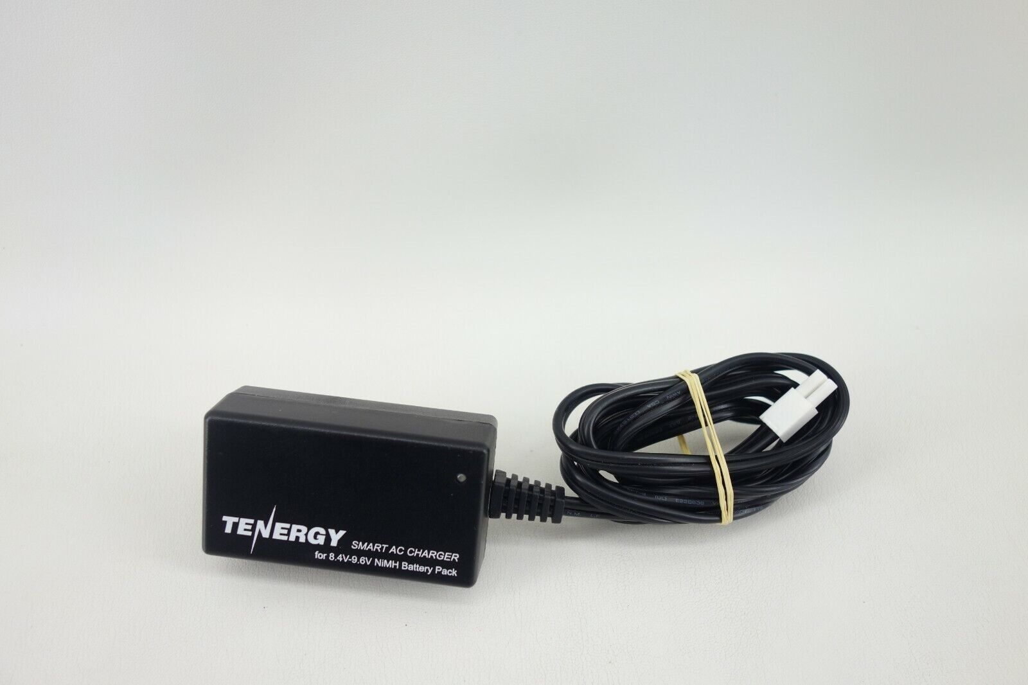 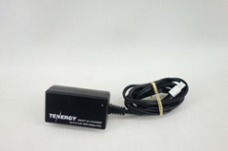
Battery Kit | Black/Red | Charger to Zeee Connector | 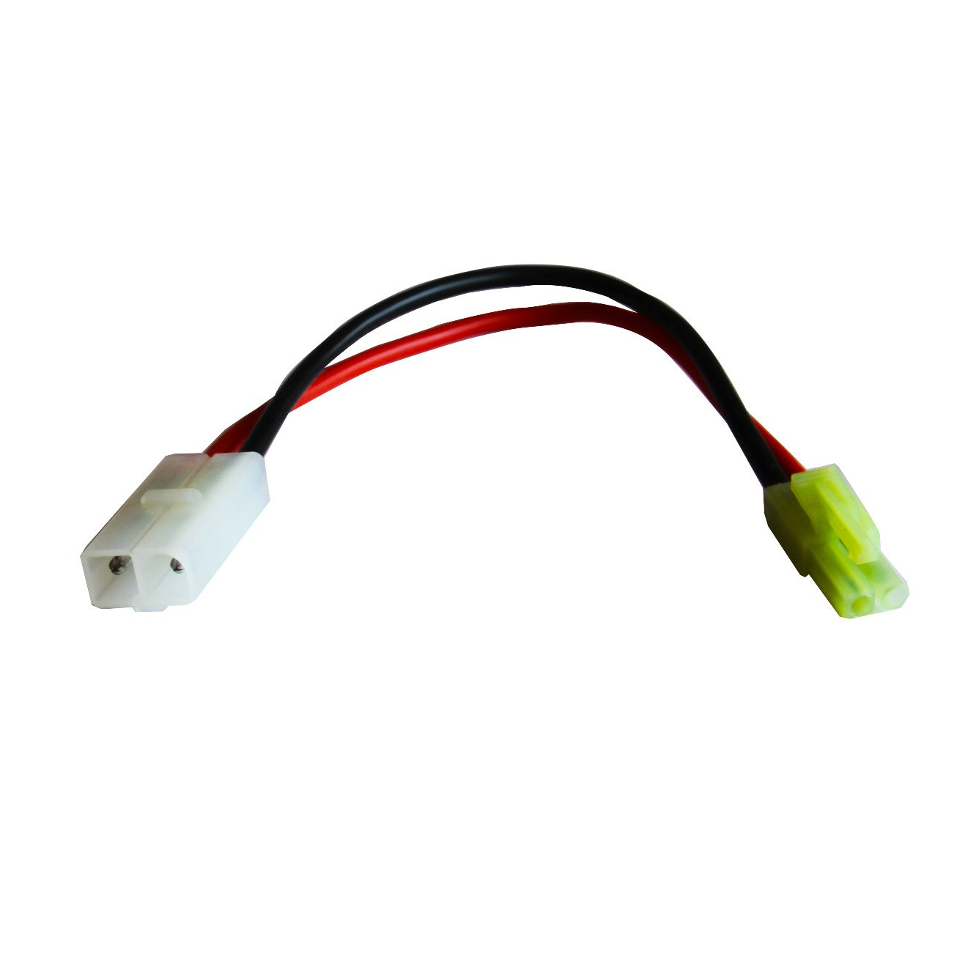
Battery Kit | Black | Zeee to DC Plug Connector | 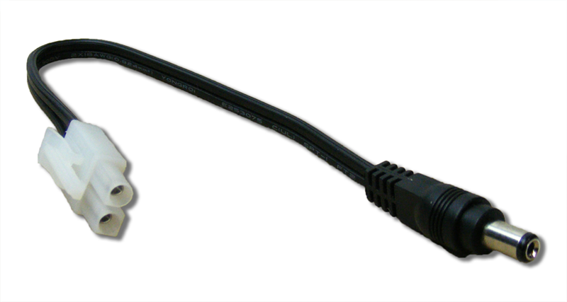
N/A | Any | Pi case
B1.1 | Tan | Technic Axle Pin
B1.2 | Med. Stone, Tan | Technic Pin Long
B1.3 | Med. Stone | Technic Pin
B1.4 | Black | Technic Pin w/ Friction w/ Towball
B1.4 | Med. Stone | Technic Axle Towball
B1.5 | Yellow | Technic Bush 1/2 Smooth
B1.6 | Med. Stone | Technic Bush
B1.7 | Med. Stone | Technic Pole Reverser Handle
B1.7 | Black | Technic Connector w/ Axlehole
B1.8 | Black | Technic Steering Arm w/ Connectors
B1.8 | Med. Stone, Red | Technic Pin Joiner Perpendicular Bent
B1.9 | Med. Stone | Technic Beam 3 x 0.5 Liftarm w/ Boss and Pin
B1.10 | Black | Technic Knob Wheel
B1.11 | Black | Technic Axle Joiner Double Flexible
B2.1 | Red | Technic Pin Long w/ Stop Bush
B2.2 | Blue | Technic Axle Pin w/ Friction
B2.3 | Red, Black | Technic Axle 2 Notched
B2.4 | Tan | Technic Pin 3/4
B2.5 | Med. Stone | Beam w/ crosshole
B2.6 | Red, Tan, Black | Technic Axle Joiner Offset
B2.7 | Black | Technic Pin Joiner Dual Perpendicular
B2.8 | Dark Stone | Technic Axle Joiner Perpendicular Double
B2.9 | Black | Technic Axle Joiner Perpendicular 3L
B2.10 | Med. Stone | Technic Axle Joiner Perpendicular
B2.11 | Dark Stone | Technic Axle Joiner Perpendicular Double Split
B2.12 | Dark Stone | Technic Axle Joiner Perpendicular w/ 2 Holes
B3.1 | Black | Technic Pin w/ Friction and Slots
B3.2 | Blue | Technic Pin Long w/ Friction
B3.3 | Black | Technic Pin 3L Double
B3.3 | Med. Stone | Technic Axle Joiner Perpendicular 3L w/ 4 Pins
B3.4 | Med. Stone | Technic Beam 3 x 3 Bent w/ Pins
B3.5 | Black | Technic Angle Connector #1
B3.5 | Black | Technic Angle Connector #2
B3.5 | Med. Stone | Technic Angle Connector #3
B3.6 | Black, Light Stone | Technic Angle Connector #5
B3.6 | Med. Stone | Technic Angle Connector #6
C1.1 | Med. Stone | Technic Gear 40 Tooth
C1.2 | Black | Technic Gear 36 Tooth Double Bevel
C1.3 | Med. Stone | Technic Gear 24 Tooth
C1.4 | Med. Stone | Bevel Gear Z20
C1.5 | Med. Stone | Technic Gear 20 Tooth Double Bevel
C1.6 | Med. Stone | Technic Gear 16 Tooth
C1.7 | Med. Stone | Technic Gear 8 Tooth
C1.8 | Black | Technic Gear 12 Tooth Double Bevel
C1.9 | Stone | Technic Worm Screw
C1.9 | Med. Stone | Universal Joint
C1.10 | Tan | Technic Gear 12 Tooth Bevel
C2.1 | Med. Stone | Technic Wedge Belt Wheel
C2.2 | Dark Stone | Technic Triangle
C2.2 | Dark Stone | Technic Cam
C2.3 | Tan | Technic Axle 3 w/ Stud
C2.3 | Dark Stone | Technic Axle 5.5 w/ Stop
C2.4 | Black | Technic Axle 8
C2.5 | Med. Stone | Technic Axle 7
C2.6 | Black | Technic Axle 6
C2.7 | Med. Stone | Technic Axle 5
C2.8 | Black | Technic Axle 4
C2.9 | Med. Stone | Technic Axle 3
C3.1 | Old Oak Gray | Technic Differential New
C3.1 | Black | Technic Rack 13
C3.1 | Med. Stone | Technic Turntable
C3.2 | Med. Stone | Wheel 43.2 x 26
C3.2 | Black | Tire 56 x 28 Low Profile
C3.3 | Dark Stone | Strap
C3.3 | Black | Technic Axle 12
C3.4 | Black | Technic Axle 10
D1.1 | White | Technic Beam 15
D1.1 | Stone | Technic Beam 13
D1.1 | Dark Stone | Technic Beam 11
D1.2 | Dark Stone | Technic Beam 9
D1.3 | Dark Stone | Technic Beam 7
D1.4 | Dark Stone | Technic Beam 5
D1.5 | Varies | Technic Beam 3
D2.1 | White | Technic Beam 3 x 3.8 x 7 Liftarm Bent 45 Double
D2.2 | Black | Technic Beam 4 x 6 Liftarm Bent 53.5
D2.3 | Stone | Technic Beam 3 x 7 Liftarm Bent 53.5
D2.4 | White | Technic Beam 4 x 4 Liftarm Bent 53.5
D2.5 | White, Stone | Technic Beam 3 x 5 Bent 90
D2.6 | Red | Technic Liftarm 2 x 4 L Shape
D3.1 | Varies | Technic Brick 1 x 4 w/ Holes
D3.1 | Med. Stone Black | Technic Brick 1 x 6 w/ Holes
D3.1 | Med. Stone | Technic Brick 1 x 8 w/ Holes
D3.1 | Med. Stone Black | Technic Brick 1 x 12 w/ Holes
D3.1 | Med. Stone | Technic Brick 1 x 14 w/ Holes
D3.1 | Med. Stone Black | Technic Brick 1 x 16 w/ Holes
D3.2 | Varies | Brick 2 x 2
D3.2 | Varies | Brick 1 x 2
D3.2 | Med. Stone | Technic Brick 1 x 2 w/ Hole
D3.2 | Dark Stone | Technic Brick 1 x 2 w/ Axlehole
D3.3 | Med. Stone | Plate 1 x 2
D3.3 | Med. Stone | Plate 1 x 4
D3.3 | Med. Stone | Plate 1 x 6
D3.3 | Med. Stone | Plate 1 x 8
D3.3 | Med. Stone | Technic Plate 2 x 8 w/ Holes
D3.3 | Med. Stone | Technic Plate 2 x 6 w/ Holes
D3.3 | Med. Stone | Technic Plate 2 x 4 w/ Holes
E1.4 | stone | Technic Pin Joiner Round
E1.6 | Black | Round Dish 2 x 2
E1.7 | Red translucent | Cone 1 x 1
E1.10 | Orange, White, Red | Technic Bionicle 1 x 3 Tooth w/ Axlehole
E1.11 | Black | Plate 2 x 2 Round
E1.12 | Yellow, Blue transparent | Brick 2 x 2 Round
E2.1 | Black | Tire 43.2 x 22 ZR
E2.1 | Stone | Wheel 30 x 20
E2.2 | Med. Stone | Wheel 18 x 14 w/ Holes on Both Sides
E2.2 | Black | Tire 24 x 14 w/ Shallow Staggered Treads
E2.3 | Red, Blue | Rubber Belt Medium
E2.4 | Yellow | Rubber Belt Extra Large
E2.5 | Black | Technic Wedge Belt Wheel Tyre
E2.6 | Black | Technic Tread w/ Thirty-Six Ridges
E3.1 | Stone | 5x7 Frame Module
E3.2 | 1 Red, 1 Blue | 5x11 Frame Module
E3.3+3.4 | Stone | Wheel 56 x 34
E3.3+3.4 | Black | Tire 68.8 x 36
E3.3+3.4 | White | Wheel 81.6 x 15 Motorcycle
E3.3+3.4 | Black | Tire 81.6 x 15 Motorcycle

