F02.CFG-Paths
do not print this form | VVSS, Info Romana, 2018-2019

F02. cautarea filmelor care au un anumit regizor (sau parti din numele regizorului).

F02. Covered source code |  | F02. Control Flow Graph (CFG) | F02. Cyclomatic Complexity (CC)

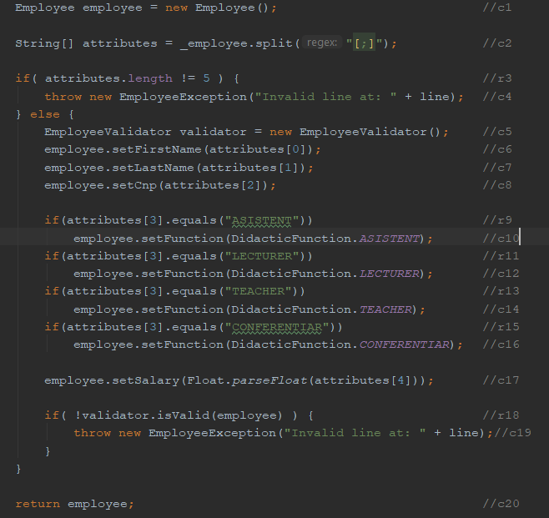
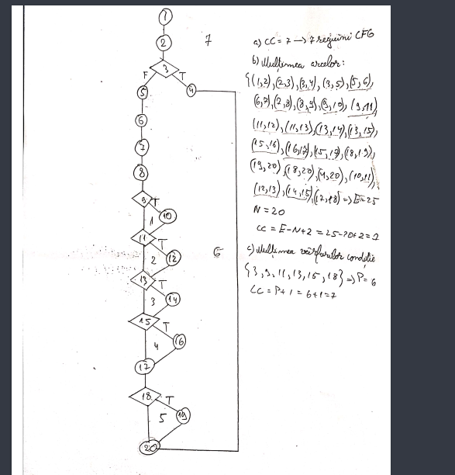
 |  |  | CC1 = No. of regions = |  | 7
 |  |  | CC2 = Edges - Nodes + 2 = |  | 25-20+2=7
 |  |  | CC3 = No. of Conditions + 1 = |  | 6+1=7

 |  |  | F02. Individual Paths

 |  |  | Path No. | Path
 |  |  | F02_P01 | 1 - 2 - 3(T) - 4 - 20
 |  |  | F02_P02 | 1 - 2 -3(F) - 5 - 6 -7 - 8 - 9(T) - 10 - 11(T) - 12 - 13(T) - 14 - 15(T) - 16 - 17 - 18(T) - 19 - 20

