UI
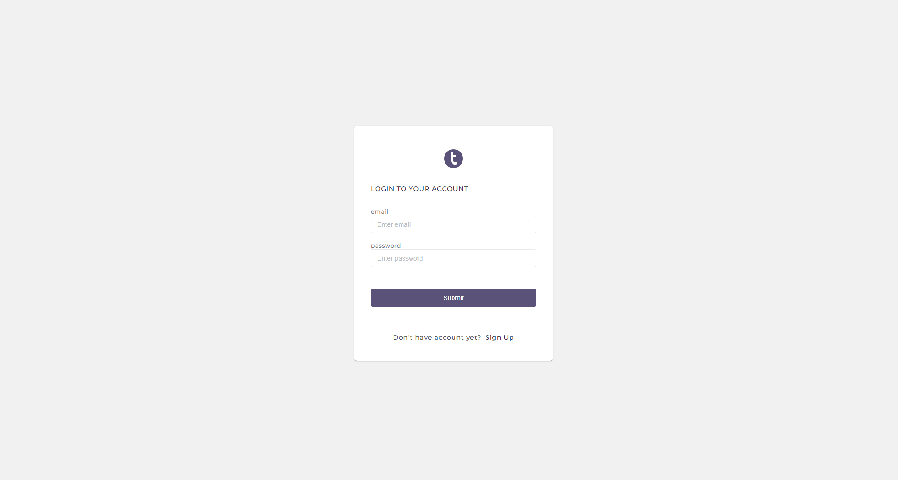
Login

 | Link template: https://preview.themeforest.net/item/epic-react-hr-management-admin-template/full_screen_preview/27418832?_ga=2.153139768.1299718913.1693731474-719147068.1693588838&_gac=1.46287189.1693731474.CjwKCAjw3dCnBhBCEiwAVvLcu8bWWyVYbKWn_TxfM3u7biEEXFticbkzhV0bDhbMqavsRScmbxpGuxoCJNsQAvD_BwE

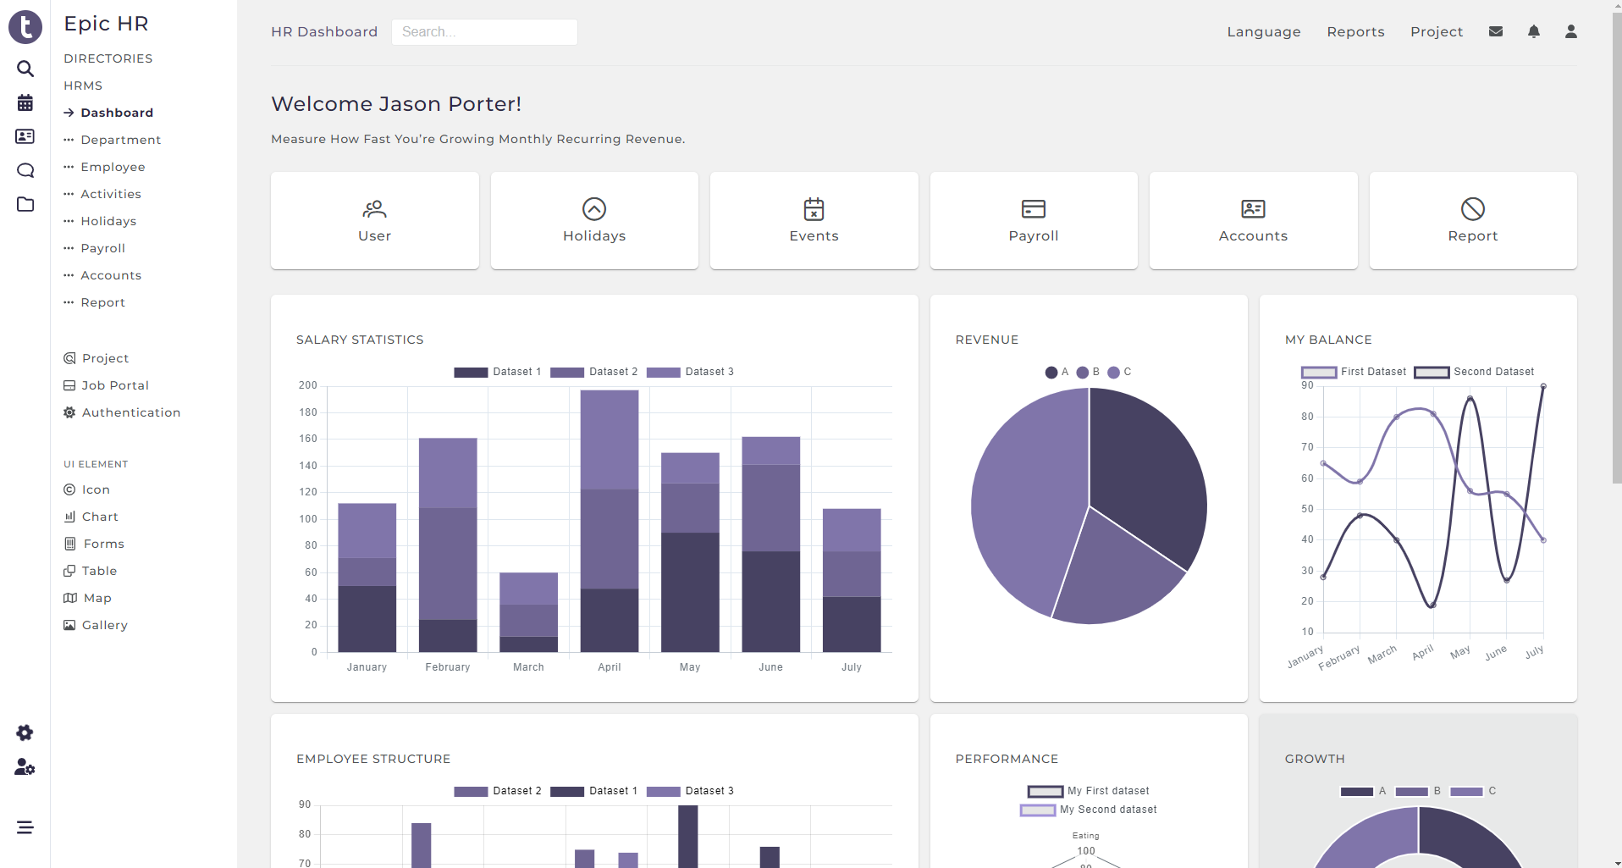
Home

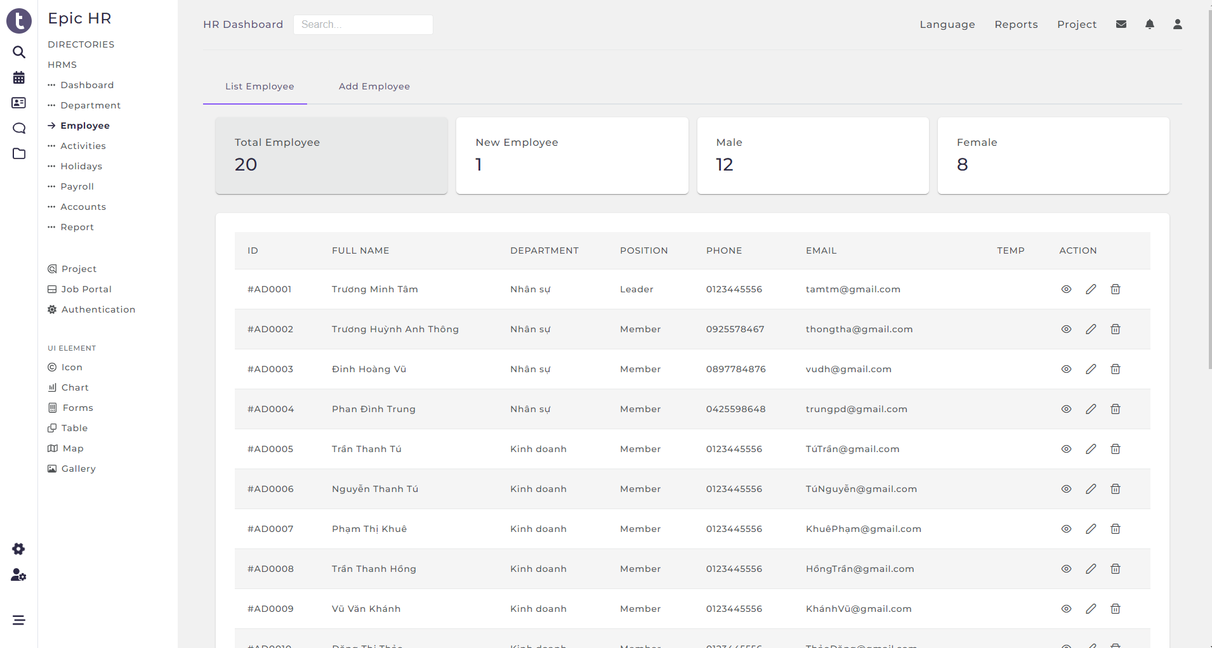
Employee

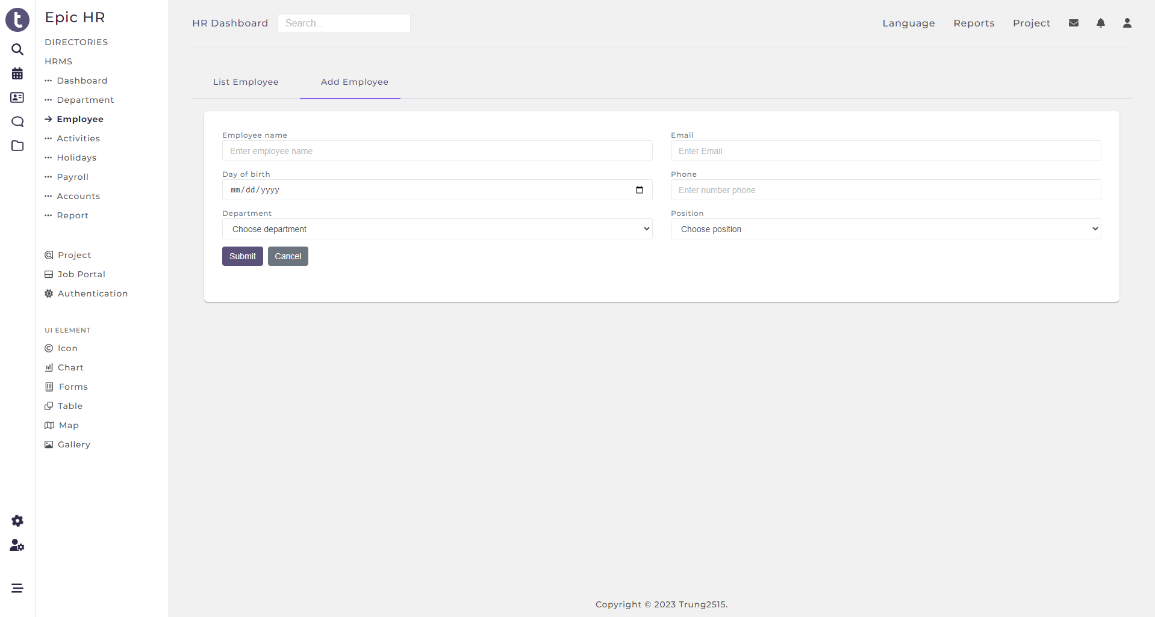
Create employee

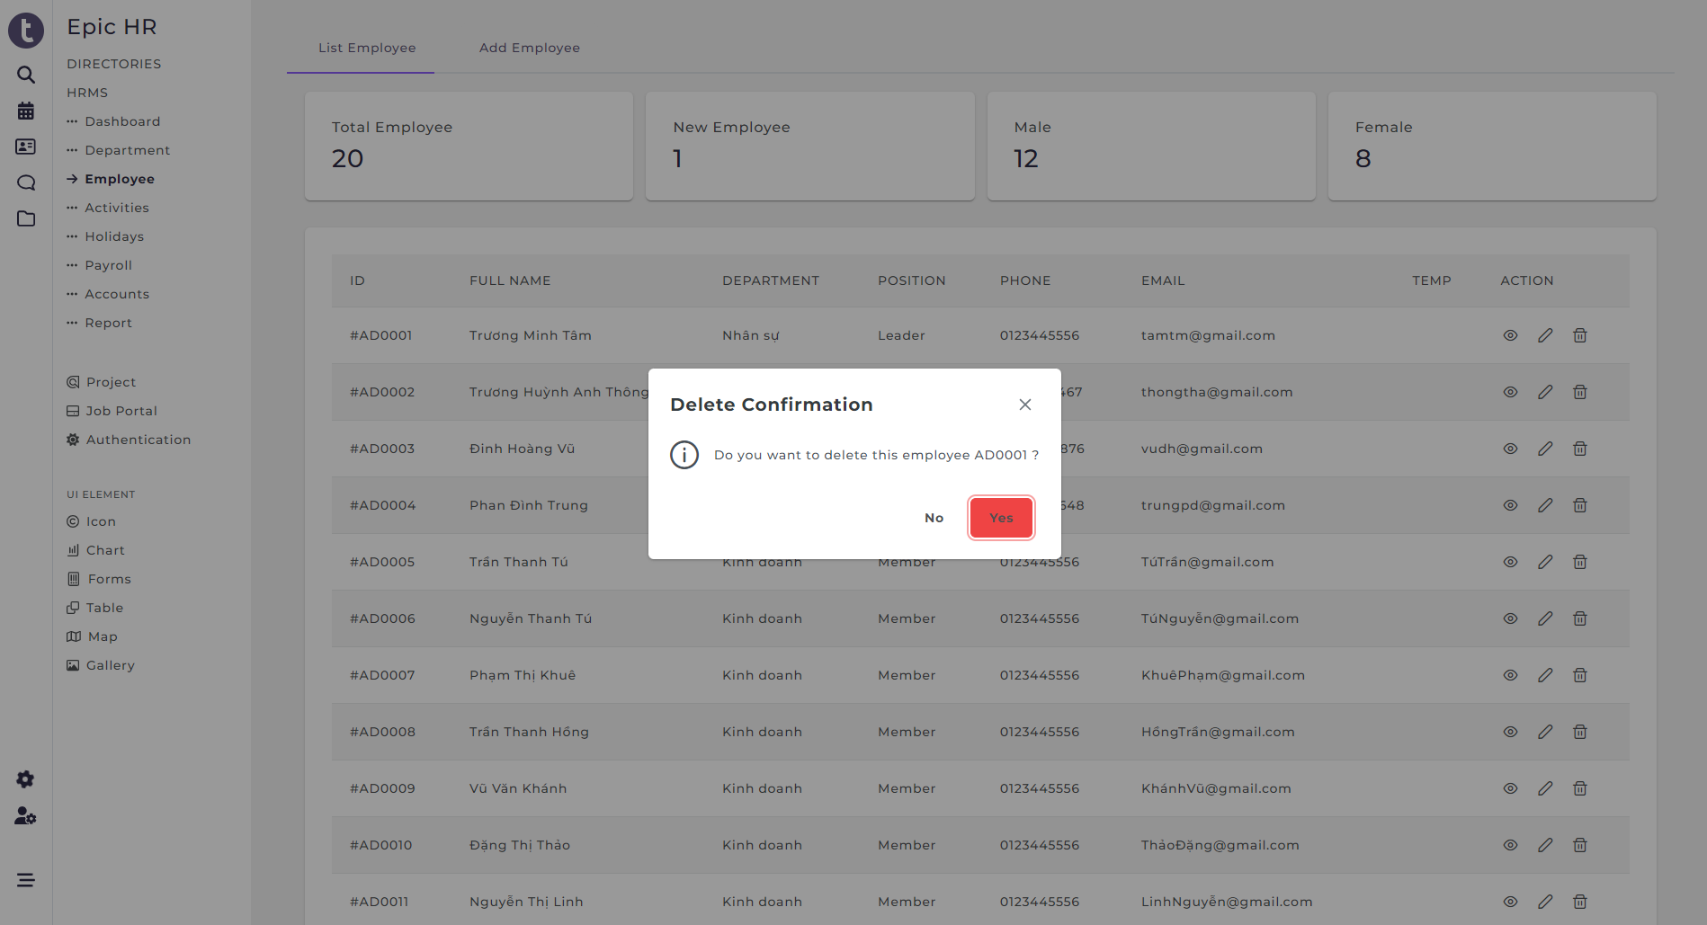
Delete employee

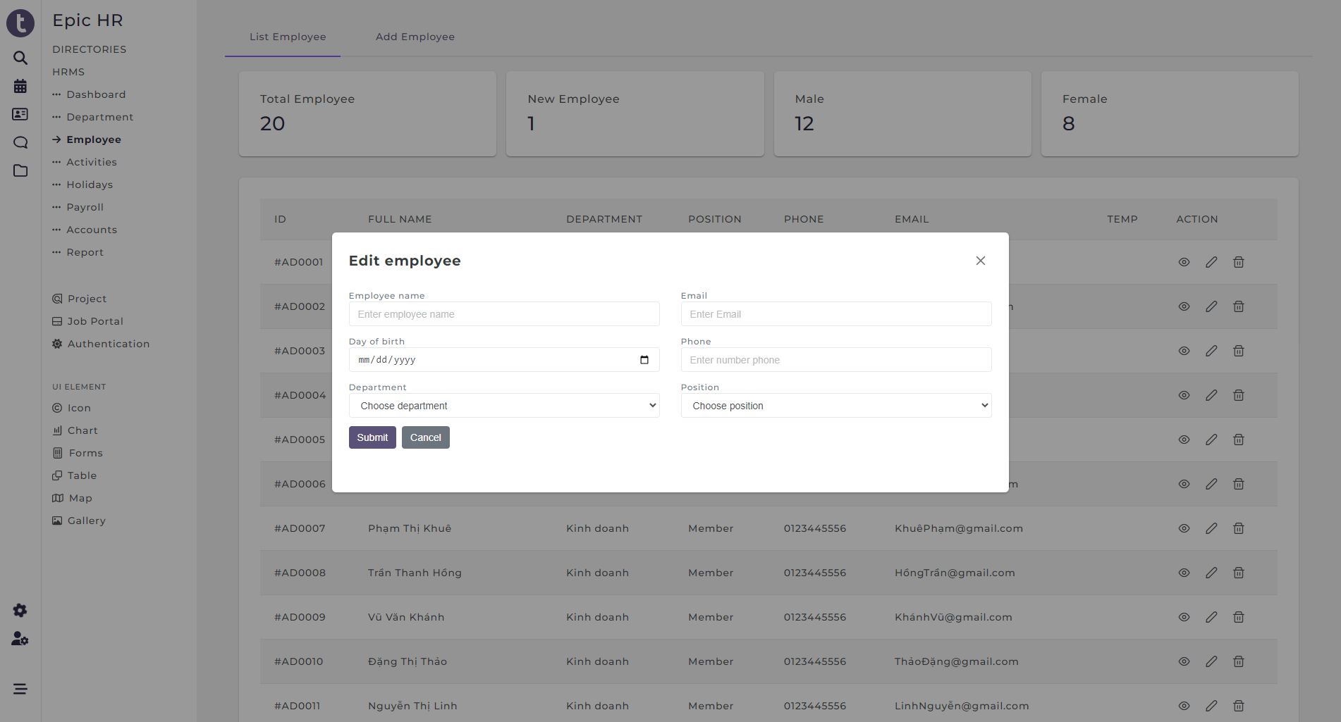
Update employee

BE
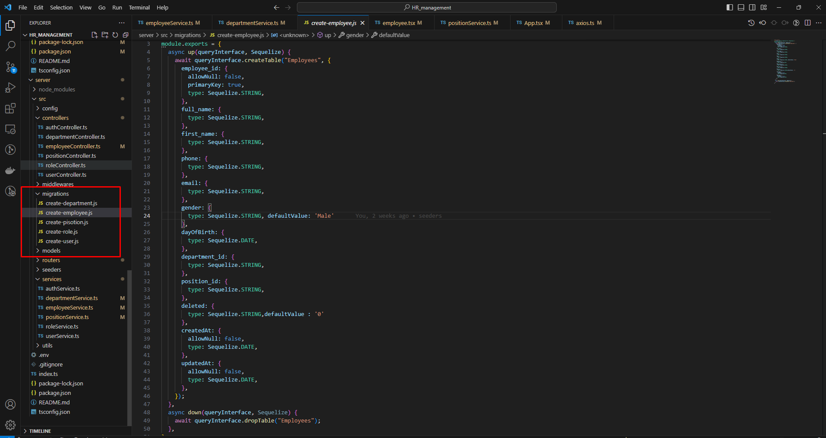
migration

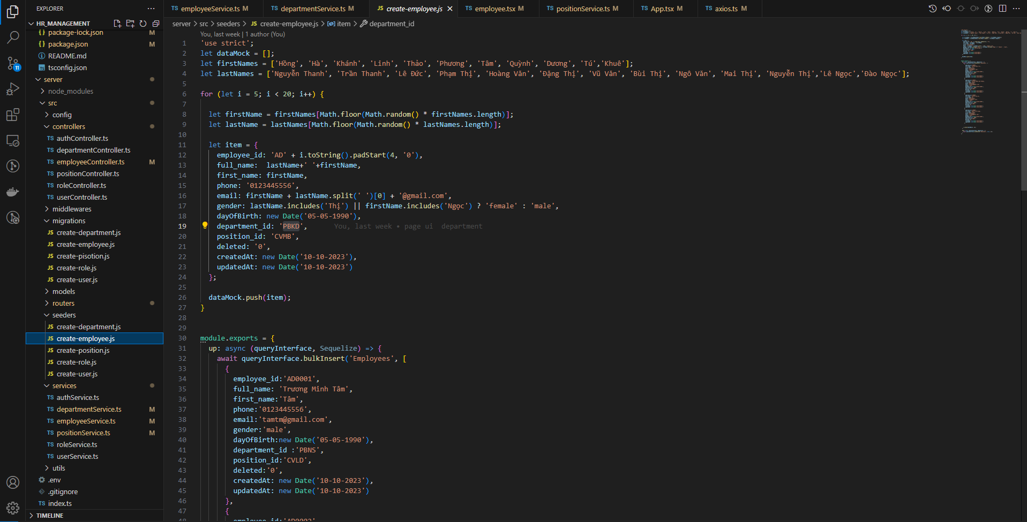
seeders

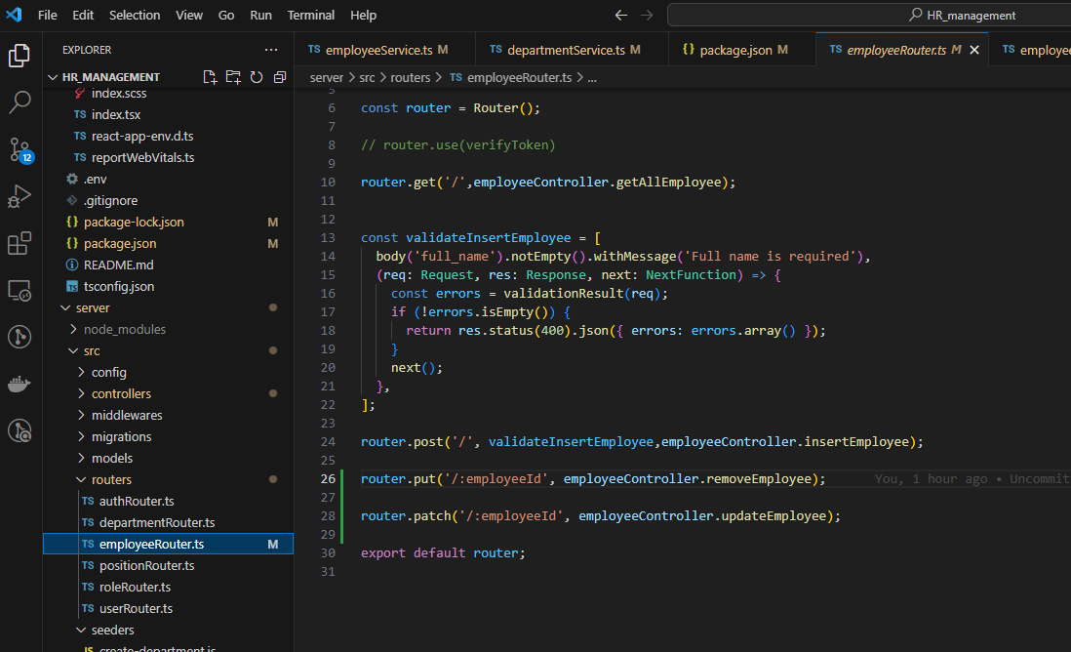
router

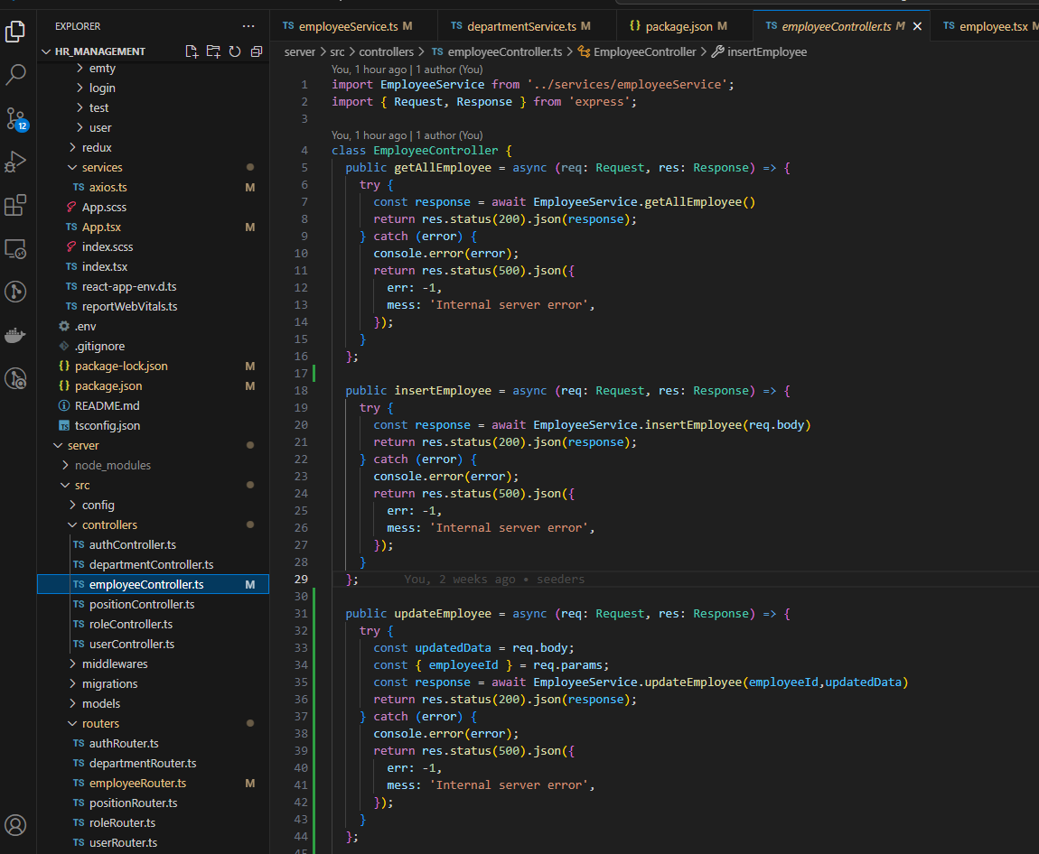
controller

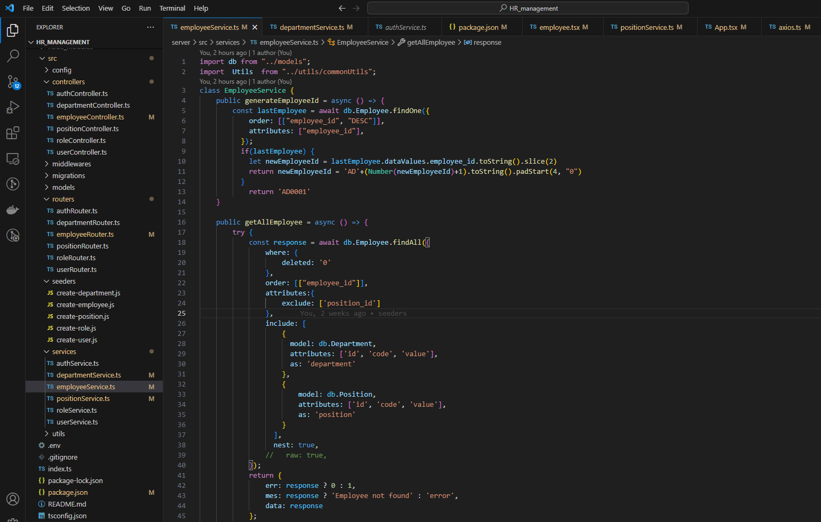
service

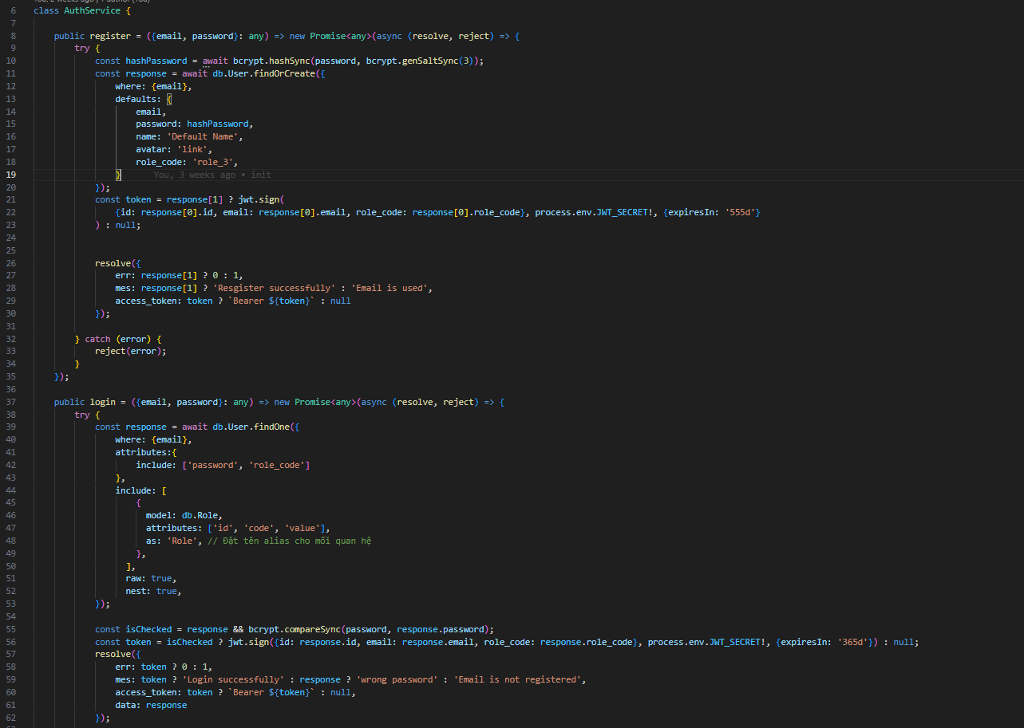
auth

