Sheet3
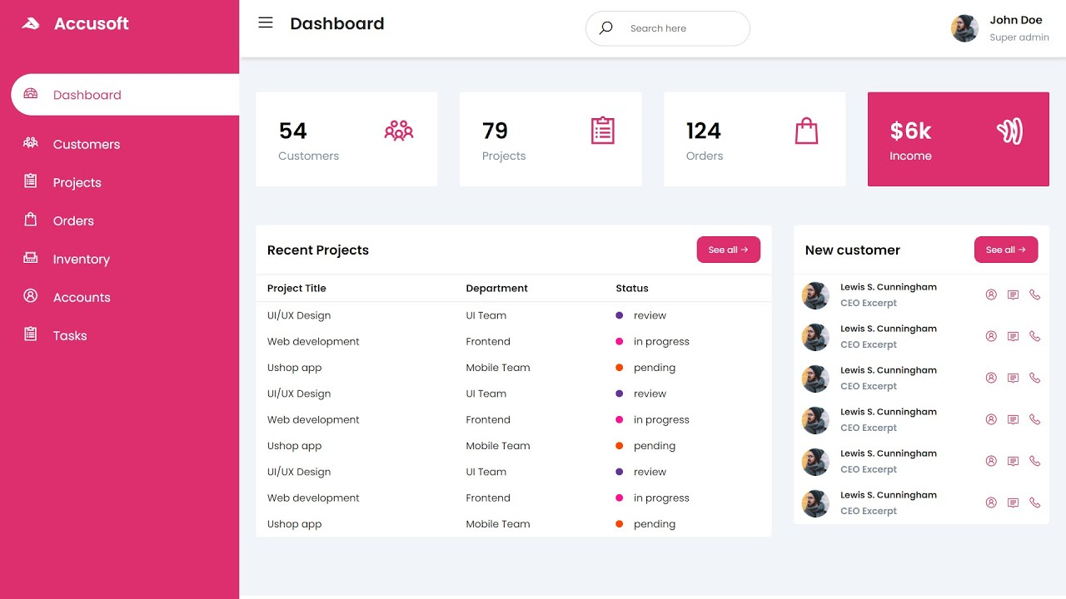
 | 1 user 1 giỏ hàng
Web bán hàng | list sản phẩm
 | giỏ hàng
 | admin | Quản lý User | Xóa, Khóa
 |  | Quản lý sản phẩm | Show list sp
 |  |  | CRUD sp
 |  |  | Review sp (plus)

 | * đăng nhập mới cho mua hàng | Flag ở localStorage, session
 |  | *Flag 1 - localStorage : xác nhận đã đăng nhập. Đăng xuất thì xóa cờ
 |  | *Thoát session (dấu X ở tab) cũng xóa cờ

 | *Thay alert bằng Snackbar | https://www.w3schools.com/howto/howto_js_snackbar.asp

10:26:00 | SignUp, Login : add Press Enter event. Add flag whoIsLogIn in sessionStorage

baka
1

2 | Admin

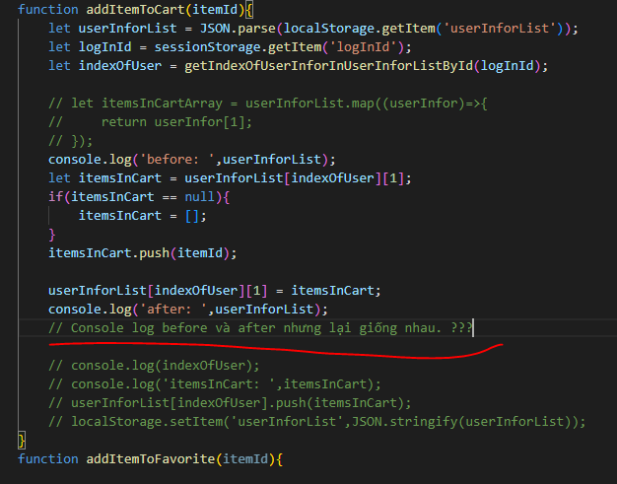
3

4 | array sort

admin
 | Mô tả trang web bán hàng WORKMAN |  |  |  |  |  |  | https://workman.jp/shop/c/c95/
 |  | 1 | 2 | 3 | 4 | 5 | 6 | 7 | 8 | 9 | 10 | 11 | 12

Jump to Shopping page

Admin avatar

Admin page
Shopping page
 | 1
 | 2
 | 3
Dash board
54
Customers
99
Order
$100k
Income
 | 4
Admin page | 5
Customers
 | 6
 | 7
+) userInfor0
userInfor0 = [{ }, [ ], [ ], [ ], [ ] ];
or
userInfor0 = [ user, itemsInCart, itemsInFavorite, itemsInSaved, itemsBuyItAgain ];
localStorage: userInforList
userInforList = [userInfor0, userInfor1, ... ];
 | 8
Inventory
 | 9
500
Items
 | 10
 | 11
 | 12
 | 13
 | 14
 | 15

//user
let user = new userObject();
Total customers (users)
Total order
(optional)
Total Income (optional)

itemsInCart = [ ]; //item Id only

Search (optional)
- by any words input
- show match items
*share with Search item
//itemForOneUser constructor
function itemForOneUser (){
this.itemId = [ ];
this.itemQuantity =[ ];
}

//User object constructor
function userObject(){
this.userId = '';
this.fullName = '';
this.userName = '';
this.email = '';
this.password = '';
type: "user";
status: "normal"
}
 |  |  |  |  |  |  |  |  |  |  |  |  |  |  |  |  |  |  |  |  | p

Admin page
Search
itemsInFavorite = [ ]
Shopping page

itemsInSaved = [ ]
Optional
Dash board
userID:
full name:
user name:
email:
password:
userID:
full name:
user name:
email:
password:
userID:
full name:
user name:
email:
password:

Customers
itemsBuyItAgain = [ ]
******
******
******
Inventory
Lock/Unlock
Change user.status value.
- locked: can't buy
- normal: no resistance
Change color of display
(for example: background-color gray; opacity 0.5)
Delete
Lock
Delete
Unlock
Delete
Lock
 |  |  |  |  |  |  |  |  |  |  |  |  |  |  |  | sessionStorage
 |  |  |  |  |  |  |  |  |  |  |  |  |  |  |  | whoIsLogIn | admin | user
 |  |  |  |  |  |  |  |  |  |  |  |  |  |  |  | logInId | idOfUser

//Item object constructor
function item(){
this.itemId = '';
this.itemName = '';
this.category = '';
this.price = '';
this.imgSource = '';
this.stock = '';
this.type = 'item'
}
//Item rating & review object constructor
function itemRatingAndReview (){
this.itemId = '';
this.rating = 0; //initial
this.review = []
}

Search (optional)
- by any words input
- show match items
*Share with Search user

Admin page
Search
Shopping page
item ID:
item Name:
item Category:
Price:

ID:
Name:
Category:
Price:
ID:
Name:
Category:
Price:
Add item
select img
Dash board

 |  |  |  |  |  |  |  |  |  |  |  |  |  | Pop up menu
 |  |  |  |  |  |  |  |  |  |  |  |  |  | ID | auto generator |  |  |  | difference each time
 |  |  |  |  |  |  |  |  |  |  |  |  |  | Name | admin set
Customers
 |  |  |  |  |  |  |  |  |  |  |  |  |  | Category | select from drop down list |  |  |  | Tent, Shoes, Bag, Gloves
 |  |  |  |  |  |  |  |  |  |  |  |  |  | Price | admin set
 |  |  |  |  |  |  |  |  |  |  |  |  |  | img | chose from local disk |  |  |  | check file-size < 1MB | +check .jpg
Inventory
 |  |  |  |  |  |  |  |  |  |  |  |  |  | stock | admin set

//Item object constructor
function item(){
this.itemId = '';
this.itemName = '';
this.category = '';
this.price = '';
this.imgSource = '';
this.stock = '';
this.type = 'item'
}
//Item rating & review object constructor
function itemRatingAndReview (){
this.itemId = '';
this.rating = 0; //initial
this.review = []
}
Delete
Edit
Delete
Edit
Add

Edit
- Edit all content except ID
- Edit <-> Save button toggle
Add item to itemList
-> localStorage: itemList
itemList = [{ },{ },{ },...];
Delete
- Delete item
* Share with delete user

shopping(index)
 | Mô tả trang web bán hàng WORKMAN |  |  |  |  |  |  |  |  |  |  |  |  | Tent | https://workman.jp/shop/c/c9525/
 |  | 1 | 2 | 3 | 4 | 5 | 6 | 7 | 8 | 9 | 10 | 11 | 12 | Shoes | https://workman.jp/shop/c/c9570/
 |  |  |  |  |  |  |  |  |  |  |  |  |  | Bag | https://workman.jp/shop/c/c9500/
 |  |  |  |  |  |  |  |  |  |  |  |  |  | Glove | https://workman.jp/shop/c/c9520/

Favorite icon
+) contain favorite item
onclick : Jump to Favorite page

Search (optional)
- by any words input
- show match items
*share with ??
Cart icon
+) show how many items in cart
onclick : Jump to Cart Page
User icon
onclick : Jump to User page

Logo (+home btn)
Search
 | 1
 | 2
 | 3
Category
Sort by
Sort by: (optional)
+) Price: High to low
+) Price: Low to high
+) Rating
 | 4
main page | 5
Tent
 | 6
item Name:
Rating:
Price:
item Name:
Rating:
Price:
item Name:
Rating:
Price:
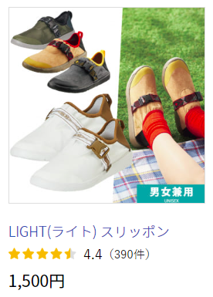
 | 7
 | 8
Shoes
 | 9
 | 10
Bag
 | 11
 | 12
Gloves
 | 13
 | 14
 | 15

item Name:
Rating:
Price:

Add item to cart
-> userAndItemCart.itemId

Add item to Favorite list
-> userAndItemFavorite.itemId

Company information

Social net icon
-> Just icon. No link.

 |  | logo | https://workman.jp/img/share/logo_workman_mark.svg

cart
 | Mô tả trang web bán hàng WORKMAN
 |  | 1 | 2 | 3 | 4 | 5 | 6 | 7 | 8 | 9 | 10 | 11 | 12

Logo (+home btn)
Search
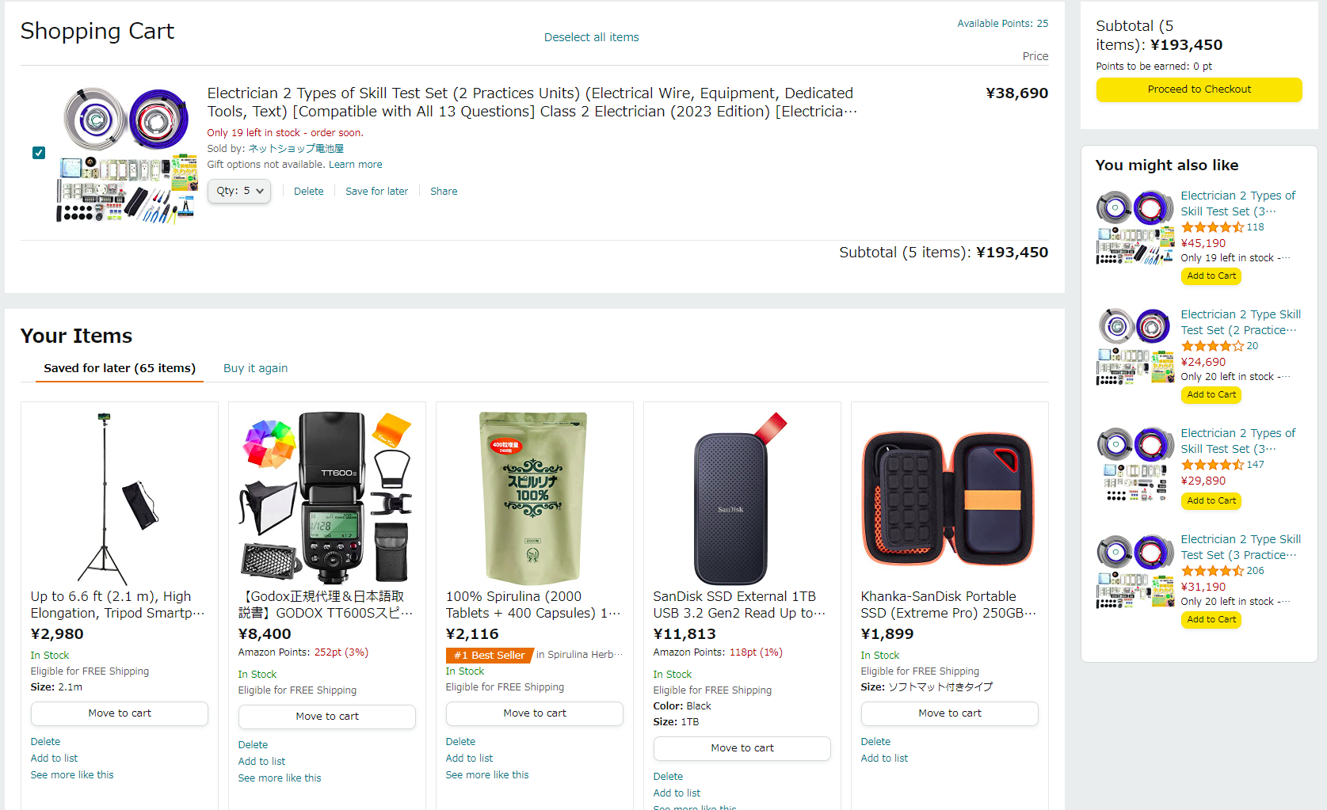
 | 1
 | 2
 | 3
Shopping Cart
Select all items
Price
Subtotal
 | 4
main page | 5
item Name:
¥2,980
¥2,980
 | 6

 | 7
 | 8
Stock and other information
 | 9
 | 10
Checkout
 | 11
 | 12
Qty: 1
Delete
Save for later
 | 13
 | 14
 | 15

item Name:
Qty: 1
Delete
Save for later
¥2,980
Stock and other information

YOUR ITEMS
Saved for later
(99 items)
Favorite items
Buy it again

item Name:
1. Saved for later

Move to cart

Delete

Company information

Saved for later
(99 items)
Favorite items
Buy it again

item Name:
2. Favorite items

Move to cart

Delete

Saved for later
(99 items)
Favorite items
Buy it again

item Name:
3. Buy it again

Move to cart

Delete

sign up
Mô tả trang web bán hàng WORKMAN
 | 1 | 2 | 3 | 4 | 5 | 6 | 7 | 8 | 9 | 10 | 11 | 12

Sign Up
Full Name
1
2
3
4
input full name
5
6
7
Username
8
9
input Username
10
11
Email
12
13
14
input email
15

Password

input password

SIGN UP

Have an account? Click here to login

login
Mô tả trang web bán hàng WORKMAN
 | 1 | 2 | 3 | 4 | 5 | 6 | 7

Login
1
2
3
Username (or email)
4
5
Username (or email)
6
7
8
Password
9
10
password
11
12
13
14
15

LOGIN

Do not have an account ? Sign up here

