New Features
Functionality Name | Page | Placing | Parameters | Website links | Comments | Image | Images
Video Player | Home Page | Upon the "Why works with ArtistIn" Section | Upload Youtube URL & Upload a .MP4 | https://artistin.fr/ | Used for News, ads, showroom, presentations & more | 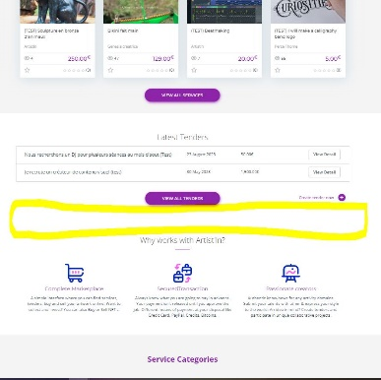 Videoplayer position on home page
Portfolio Gallery | Profile Page | Below the "Service list" Section | Public visibility | https://artistin.fr/author/akito/ https://artistin.fr/profile/ | If it is more simple : Add this new feature in separated Gallery page with an URL Button on user profile | 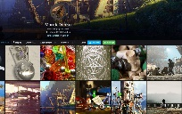 Best look style | 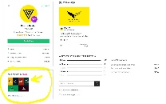 Over option
Shipping cost | post-service Page / service_post Page | Below "Extra services" field | Infos visible on service infos / Effective on service price cost | https://artistin.fr/post-service/ https://artistin.fr/service_post/ | Add data on bdd | 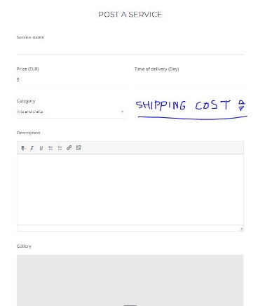 Shipping when post service | 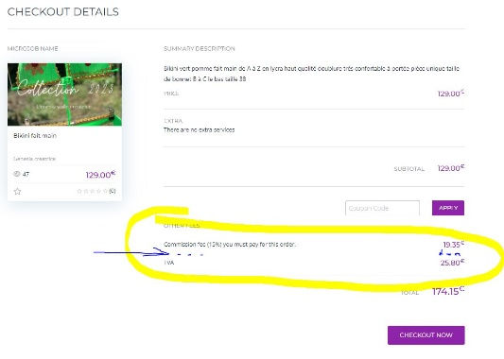 Placing on Checkout details
Client delivery adresse | Order Page | In "Other fees" section | Input text fields - add the delivery address infos: "Country" "Full name";"Address";"city";"ZIP Code"; "country" | https://artistin.fr/order/?pid=2777 https://artistin.fr/mjob_order/order-for-test-beatmaking/ | Add data on bdd | 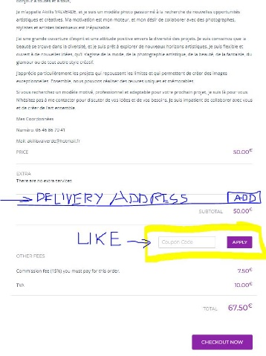 address session place | 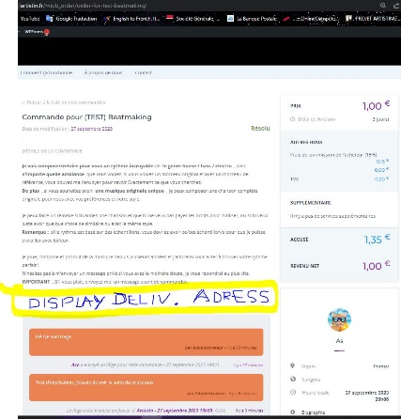 Display address session on task
New admin Option: Split commision by service price ranges | et-settings Page | Theme Option / microjobengine settings | 3 Commission fees (%) inputs - Configurable on Theme Option (optional) | https://artistin.fr/wp-admin/admin.php?page=et-settings#section/microjob-settings | Exemple of use : If (User Service Price <= 50€) Then Commission = 15% ) Else If (User Service Price <= 100 ) Then Comission = 10%) Else If (User Service Price <= 500€ ) Then Comission = 5% | 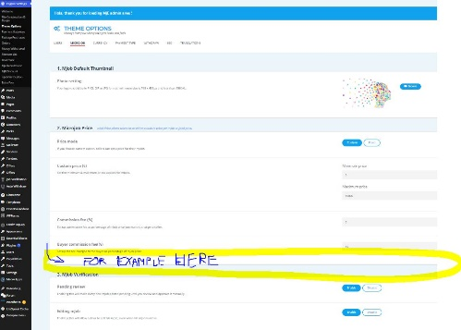 settings position
Change "Signin" and "JoinUs" buttons by icones | Home Page / Unsigned session | Same position |  | https://artistin.fr/ | the 2 icons must be aligned with the "ArtistIn" logo ( At right side on header block ) | "SignIn" Icon |  "JoinUs"
Time delivery Select option | post-service Page | Time of delivery (Day/Hour) Service Label | 2 options: By "Day" OR By "Hour" | https://artistin.fr/post-service/ | Add possibility to choose this 2 option when creating a new service post | 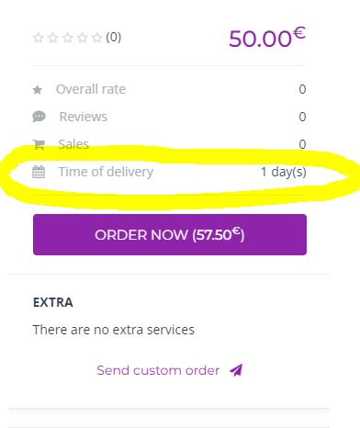 Service post info labels | 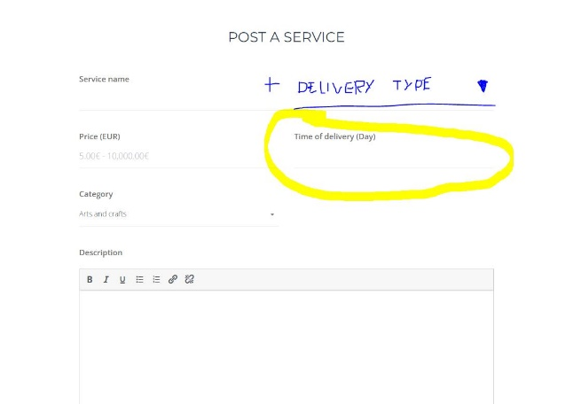 Post a service input field
Add an Image gallery on Recruit forms | post-recruit Page | Gallery upon "description" area (Same position than a Service post) | Input file below the "description" area (Same position than Post-service form) | https://artistin.fr/recruit/ https://artistin.fr/post-recruit/ | If possible - use the same gallery than Theme. The gallery must be visible when looking post details: exemple of recruit post: https://artistin.fr/recruit/nous-recherchons-un-dj-pour-plusieurs-seances-au-mois-daout/ | 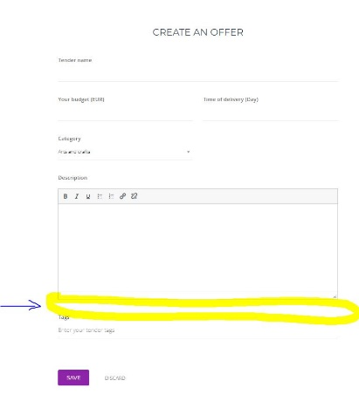 post a recruit | 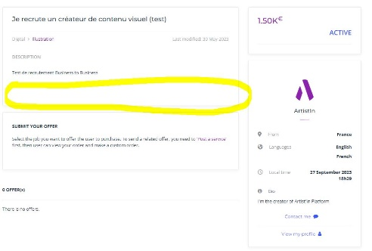 Position on Recruit post
List member page with filters | Create New page: "Members" | URL Example: https://artistin.fr/members/ | Display Table Colums ordered as : username ; country ; Date_joined ; Order_delivery count; Service Title ; Service Catégory; Review Rate ; number of Review ; Last Login Date ; Rate ----------------- Be Able to Sort by all previews parameter ---------------- Add a username search button ------------------- Only display "Author" Roles | https://artistin.fr/forum/members/ https://artistin.fr/wp-admin/admin.php?page=et-users | This table ranking goal is to get more engagement - rewards - select artists to interview - put forward active users (exemple: showrooms on our videoplayer) | 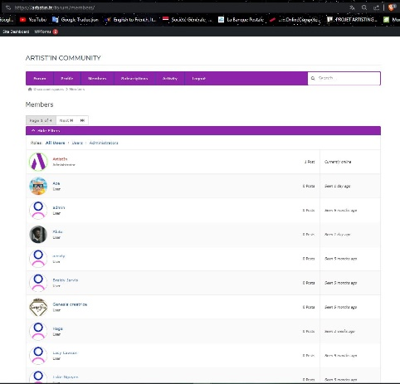 Exemple of Memberlist ( forum ) | 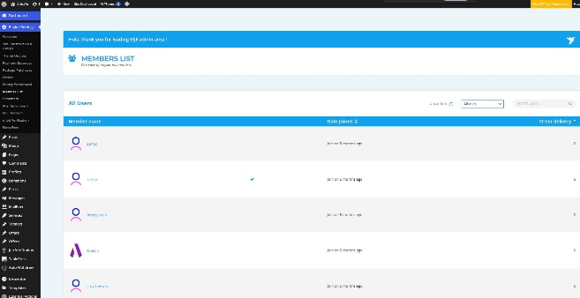 Exemple of member list on MicrojobEngine setting

Support_bugs
Support | problem | Proposal
Range by Price button on service filter | when clicking on "GO" with other language (example: french - "ALLER") -> valid area when search action is too small | extend clickable area | 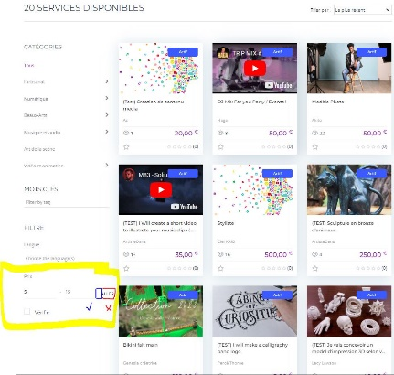
Mobile view: Button "Post a mjob" | Button not responsive ( not align with "submit" button" ) + Change "mjob" word by " service" | Move just below "Submit" button | 