a,b,d) RC
$${\text{a}\text{) }\text{Dla} \text{wszystkich} \text{badanych} \text{obwod}\text{ó}\text{w} \text{wykona}\text{ć }\text{wykresy} \text{punktowe} \text{Usk}\text{(}\text{Isk}\text{). } R}_{1}C_{3}$$
$U_{sk}$[V]
$I_{sk}$[mA]
$f$[Hz]
$$b) Określanie metodą regresji liniowej$$
$współczynnika kierunkowego Z_{c}$ i u($Z_{c}$)
$$U_{sk}=Z_{c}I_{sk}$$
$Z_{c}=1.12792≈$ 1.1280$\frac{V}{mA}$
Lp.
1 | 0.01 | 0.09 | 50
2 | 1.9 | 1.64 | Tabelka 1.0 Wartości zmierzonych dla obwodu RC
${u(Z}_{c})=$0.00188$≈$0.0019$\frac{V}{mA}$
3 | 4.05 | 3.59
4 | 6.24 | 5.52
$$d) Dla szeregowego obwodu RC, z zależności \left(14\right)$$
$$wyznaczyć pojemność C oraz jej niepewność uc(C).$$
Obliczenia dla punktu nr 6
5 | 7.96 | 7.04
6 | 10.21 | 9.02
$∆_{p}U_{sk}$ = 2.5% *$\text{10.21}$ + 5*0.01 = 0.30525
7 | 12.2 | 10.79
$u\left(U_{sk}\right)$=$u_{B}\left(U_{sk}\right)=\sqrt{\frac{{\left(∆_{p}U_{sk}\right)}^{2}}{3}}=\sqrt{\frac{{(\text{0.30525} )}^{2}}{3}}$ = $\sqrt{\frac{\text{0.093178} }{3}}$ = $\sqrt{\text{0.031059} }$ = 0.176236 $≈$0.18 V
8 | 14.17 | 12.52
9 | 16.1 | 14.23
10 | 18.02 | 15.96
11 | 19.95 | 17.67
12 | 21.88 | 19.41
$∆_{p}I_{sk}$ = 2.5% *$\text{9.02}$ + 3*0.01 = 0.2555
13 | 24.22 | 21.53
$R=R(U_{sk}$,$I_{sk}$)
$u\left(I_{sk}\right)$=$u_{B}\left(I_{sk}\right)=\sqrt{\frac{{\left(∆_{p}U_{sk}\right)}^{2}}{3}}=\sqrt{\frac{{(\text{0.2555} )}^{2}}{3}}$ = $\sqrt{\frac{\text{0.06528025} }{3}}$ = 0.147513 $≈$0.148 V

$\frac{∂R}{{∂I}_{sk}}$=- $\frac{U_{sk}}{{I_{sk}}^{2}}$
$\frac{∂R}{{∂U}_{sk}}$= $\frac{1}{I_{sk}}$
$u_{C}\left(R\right)=\sqrt{{\left(\frac{∂R}{{∂U}_{sk}}∗u\left(U_{sk}\right)\right)}^{2}+{\left(\frac{∂R}{{∂I}_{sk}}∗u\left(I_{sk}\right)\right)}^{2}}=$
$$\sqrt{{(\frac{1}{I_{sk}}∗u\left(U_{sk}\right))}^{2}+{(\text{− }\frac{U_{sk}}{{I_{sk}}^{2}}∗u\left(I_{sk}\right))}^{2}}=\sqrt{{(\text{0.110865} ∗\text{0.18})}^{2}+{(\text{− }\text{0.125491} ∗0.15)}^{2}}=$$
$\sqrt{{(\text{0.019956} )}^{2}+{(\text{0.018824} )}^{2}}=\sqrt{\text{0.000398} +\text{0.000354} }=$0.027429 $≈$ 0.028$\frac{V}{mA}$

$R=\frac{U_{sk}∗\sqrt{2}}{I_{sk}∗\sqrt{2}}$ = $\frac{\text{10.21} ∗\sqrt{2}}{\text{9.02} ∗\sqrt{2}}$ = 1.31929046563$≈$1.32$\frac{V}{mA}$

C$=C(f$,$Z_{c}$,R)
$\frac{∂C}{∂f}$= $\frac{1}{2πf^{2}\sqrt{{{|Z}_{c}}^{2}−R^{2}|}}$= $\frac{1}{2∗3.14∗2500∗\sqrt{\text{0.470016}}}$= $\frac{1}{\text{15700} ∗\text{4.847762} }$= $\frac{1}{\text{76109.86} }$=1.31389E-05

$\frac{∂C}{∂R}$= $\frac{R({Z_{c}}^{2}−R^{2})}{2πf({{{|Z}_{c}}^{2}−R^{2}|)}^{5/2}}$= $\frac{\text{1.32} ∗(\text{1.272384} −\text{1.7424} )}{2∗3.14∗50∗({\text{|}\text{1.272384} −\text{1.7424} |)}^{5/2}}$= $\frac{\text{1.32} ∗\text{−0.47002} }{314∗({\text{0.47002})}^{5/2}}$= $\frac{\text{−0.62042} }{314∗\text{0.151454} }$= -0.01305

$\frac{∂C}{∂Z_{c}}$= $\frac{Z(R^{2}−{Z_{c}}^{2})}{2πf{{{(|Z}_{c}}^{2}−R^{2}|)}^{5/2}}$=$\frac{\text{1.128} ∗(\text{1.7424 −1.272384} )}{2∗3.14∗50∗({\text{|1.272384} −\text{1.7424} |)}^{5/2}}$= $\frac{\text{1.128} ∗\text{ 0.47002} }{314∗({\text{0.47002})}^{5/2}}$= $\frac{\text{0.530183} }{314∗\text{0.151454} }$= 0.011148

$∆_{p}f$= 1%*rdg+1 = 1%*50+1=1.5[Hz]
$u\left(f\right){=u}_{B}\left(f\right)=\sqrt{\frac{{\left(∆_{p}f\right)}^{2}}{3}}=\sqrt{\frac{{\text{1.5}}^{2}}{3}}=\sqrt{\frac{2.25}{3}}$=$\sqrt{0.75}$= 0.86602$≈$ 0.87[Hz]

$$u_{C}\left(C\right)=\sqrt{{\left(\frac{∂C}{∂f}∗u\left(f\right)\right)}^{2}+{\left(\frac{∂C}{∂Z_{c}}∗u\left(Z_{c}\right)\right)}^{2}+{\left(\frac{∂C}{∂R}∗u\left(R\right)\right)}^{2}}= \\ \sqrt{{\left(\text{1.31389}\text{E}\text{−05}∗\text{0.87}\right)}^{2}+{\left(\text{0.011148}∗\text{0.0019} \right)}^{2}+{\left(\text{−0.01305}∗\text{0.028}\right)}^{2}}=$$
$$\sqrt{{\left(\text{1.14}\text{E}\text{−05} \right)}^{2}+{\left(\text{2.11812}\text{E}\text{−05} \right)}^{2}+{\left(\text{−0.0003654} \right)}^{2}}= \\ \sqrt{\text{1.30664}\text{E}\text{−10} +\text{4.48643}\text{E}\text{−10} +\text{1.33517}\text{E}\text{−07} }=$$ $\sqrt{\text{1.34096}\text{E}\text{−07} }=$0.000366192 $≈0.00037= \text{3.7}\text{E}\text{−04} [\frac{mA∗s}{V}$]

$C=\frac{1}{2πf\sqrt{{{|Z}_{c}}^{2}−R^{2}|}}$ = $\frac{1}{2∗3.14∗50∗\sqrt{{\text{|}\text{1.1280} }^{2}−{\text{1.32}}^{2}|}}$=$\frac{1}{\text{314} ∗\sqrt{\text{|}\text{1.272384} −\text{1.7424|} }}$=
$\frac{1}{\text{314}\text{∗}\sqrt{\text{0.470016} }}$= $\frac{1}{\text{314}\text{∗}\text{0.685577} }$= $\frac{1}{\text{215.2712} }$=0.004645 $≈46.5E−04[\frac{mA∗s}{V}$]

a,b,e) RL
a) Dla wszystkich badanych obwodów wykonać wykresy punktowe Usk(Isk).
$$R_{1}L_{3}$$
$$b) Określanie metodą regresji liniowej$$
$współczynnika kierunkowego Z_{L}$ i u($Z_{L}$)
$U_{sk}$[V]
$I_{sk}$[mA]
$I_{sk}$[A]
$f$[Hz]
$$U_{sk}=Z_{L}I_{sk}$$
$R_{L3}$[Ω]
$$Z_{L}=\text{0.1518}\text{0}\frac{V}{mA}$$
Lp.
1 | 0.01 | 0.25 | 0.00025 | 50
2 | 1.971 | 13.12 | 0.01312
${u(Z}_{L})=$0.000165$≈$1.7E-04$\frac{V}{mA}$
3 | 3.89 | 25.6 | 0.0256 | 1.3
$u(R_{L3})$[Ω]
4 | 6.11 | 40.1 | 0.0401
$$e) Dla szeregowego obwodu RL, z zależności \left(15\right)$$
$$wyznaczyć indukcyjność L oraz jej niepewność$$
$uc(L).$ Obliczenia dla punktu nr 6
5 | 7.95 | 52.3 | 0.0523 | 0.1
$u\left(I_{sk}\right)$=0.148 V
6 | 9.7 | 63.7 | 0.0637 | Tabelka 1.1 Wartości zmierzonych dla obwodu RL
$u\left(U_{sk}\right)$=0.18 V
$R=$1.32$\frac{V}{mA}$=0.00132Ω
7 | 12.08 | 79.3 | 0.0793
8 | 14.23 | 93.5 | 0.0935
$\text{L}=L(Z_{L}$,$R,R_{L}$,f)
$u\left(f\right)$= 0.87[Hz]
9 | 16 | 105.1 | 0.1051
10 | 17.92 | 117.9 | 0.1179
$u_{C}\left(R\right)=$0.028$\frac{V}{mA}$=2.8E-04Ω
11 | 20.24 | 133.3 | 0.1333
12 | 22.28 | 146.9 | 0.1469
13 | 24.11 | 159.1 | 0.1591
$\frac{∂L}{∂Z_{L}}$= $\frac{\text{0.1518}\text{0} }{3.14\sqrt{{\text{0.1518}\text{0} }^{2}−{(\text{0.00132}+\text{1.3} )}^{2}}}$ = $\frac{\text{0.1518}\text{0} }{3.14\sqrt{\text{|}\text{0.023043} −\text{1.69343}\text{|} }}$= $\frac{\text{0.1518}\text{0} }{3.14\text{*}\text{1.292436} }$=0.037405

$\frac{∂L}{∂f}$= $\frac{\sqrt{{Z_{L}}^{2}−{(R+R_{L})}^{2}}}{2πf^{2}}$= $\frac{\sqrt{{\text{0.1518}\text{0} }^{2}−{(\text{0.00132}+\text{1.3} )}^{2}}}{2∗3.14∗2500}$= $\frac{\sqrt{\text{|}\text{0.023043} −\text{1.693434}\text{|} }}{2∗3.14∗2500}$=8.23208E-05

$\frac{∂L}{∂R}$= $\frac{∂L}{∂R_{L}}$= - $\frac{(R+R_{L})}{2πf\sqrt{{Z_{L}}^{2}−{(R+R_{L})}^{2}}}$= - $\frac{(\text{0.00132}+\text{1.3} )}{3.14\sqrt{\text{|}\text{0.023043}−\text{1.693434}\text{|}}}$=-$\frac{\text{1.30132} }{3.14∗\text{1.292436} }\text{=}\text{ -}\text{0.32066}$

$$u_{C}\left(L\right)=\sqrt{{\left(\frac{∂L}{∂Z_{L}}∗u\left(Z_{L}\right)\right)}^{2}+{\left(\frac{∂L}{∂R}∗u\left(R\right)\right)}^{2}+{\left(\frac{∂L}{∂R_{L}}∗u\left(R_{L}\right)\right)}^{2}+{\left(\frac{∂L}{∂f}∗u\left(f\right)\right)}^{2}}=$$
$$\sqrt{{\left(\text{0.037405} ∗\text{1.7}\text{E}\text{−}\text{04}\right)}^{2}+{\left(\text{−}\text{0.32066}∗\text{2.8}\text{E}\text{−}\text{04}\right)}^{2}+{\left(\text{−}\text{0.32066}∗0.1\right)}^{2}+{\left(\text{8.23208}\text{E}\text{-05}\text{*}\text{0.87}\right)}^{2}}=$$
$$\sqrt{{\left(\text{6.36}\text{E}\text{-06} \right)}^{2}+{\left(\text{-8.98}\text{E}\text{-05} \right)}^{2}+{\left(\text{-0.03207} \right)}^{2}+{\left(\text{7.16}\text{E}\text{-05} \right)}^{2}}=$$
$$\sqrt{\text{4.04}\text{E}\text{-11} +\text{8.06131}\text{E}\text{-09} +\text{0.001028} +\text{5.12929}\text{E}\text{-09} }=$$
$\sqrt{\text{0.001028} }=$0.032066

L$=\frac{\sqrt{{Z_{L}}^{2}−{(R+R_{L})}^{2}}}{2πf}$ =

a,b) RLC
a) Dla wszystkich badanych obwodów wykonać wykresy punktowe Usk(Isk).
$$R_{1}L_{3}C_{3}$$
$U_{sk}$[V]
$I_{sk}$[mA]
Lp.
1 | 0.09 | 0.03
2 | 1.995 | 1.76
3 | 4.18 | 3.71
4 | 6.22 | 5.53
5 | 7.78 | 6.9
6 | 9.91 | 8.79
7 | 12.22 | 10.84
8 | 14.31 | 12.69
9 | 16.05 | 14.24
10 | 18.18 | 16.13
11 | 19.77 | 17.55
12 | 22.2 | 19.76
13 | 24.14 | 21.52

$b) Określanie metodą regresji liniowej współczynnika kierunkowego Z_{1}$ i u($Z_{1}$)
$$U_{sk}=Z_{1}I_{sk}$$

$$Z_{1}=\text{1.122632}$$
${u(Z}_{1})=$0.001199

wykresyPicture
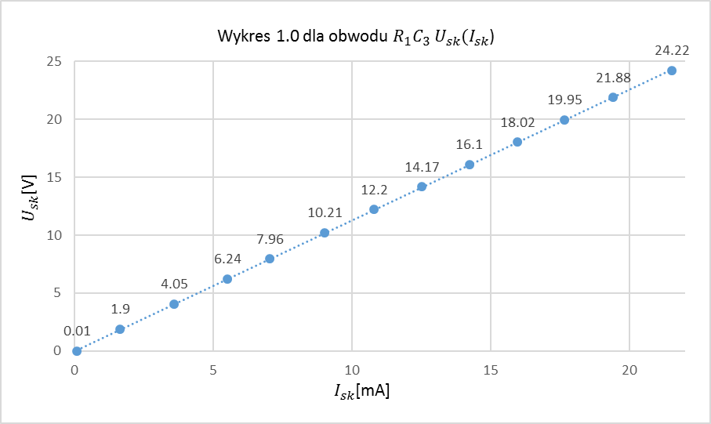

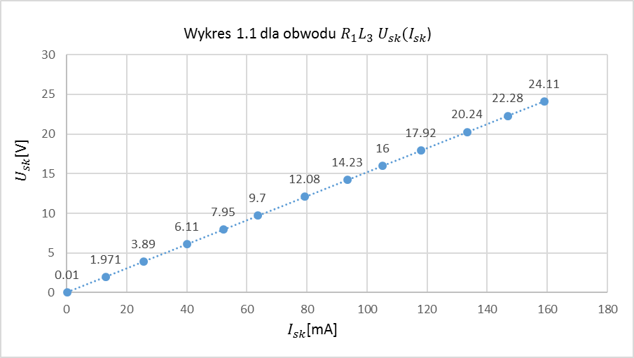

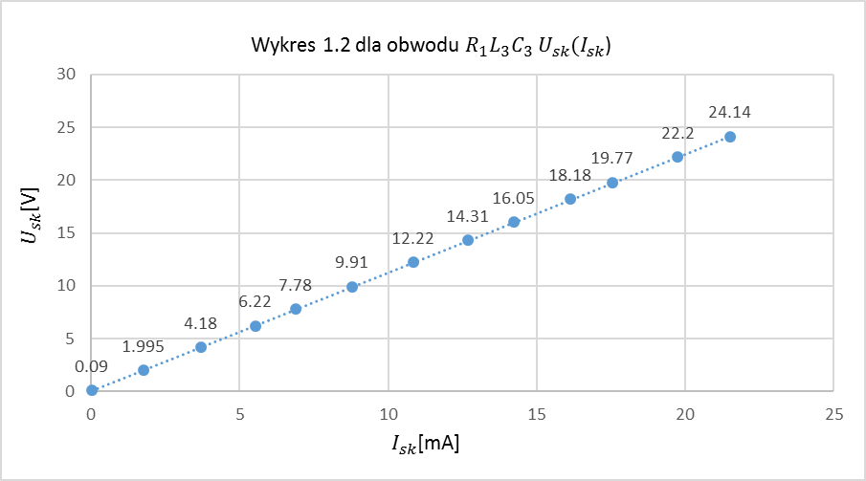

wykresyDiagram
0.09 | 0.01
1.64 | 1.9
3.59 | 4.05
5.52 | 6.24
7.04 | 7.96
9.02 | 10.21
10.79 | 12.2
12.52 | 14.17
14.23 | 16.1
15.96 | 18.02
17.67 | 19.95
19.41 | 21.88
21.53 | 24.22
wy

0.25 | 0.01
13.12 | 1.971
25.6 | 3.89
40.1 | 6.11
52.3 | 7.95
63.7 | 9.7
79.3 | 12.08
93.5 | 14.23
105.1 | 16
117.9 | 17.92
133.3 | 20.24
146.9 | 22.28
159.1 | 24.11

0.03 | 0.09
1.76 | 1.995
3.71 | 4.18
5.53 | 6.22
6.9 | 7.78
8.79 | 9.91
10.84 | 12.22
12.69 | 14.31
14.24 | 16.05
16.13 | 18.18
17.55 | 19.77
19.76 | 22.2
21.52 | 24.14

