Sheet1
Test cases | Scenario | SQL Query | Expected Result | Actual Result | Status
1 | Successfully update row in any table | UPDATE Dishes | return name 'Chao loc ca loc' at Dishes_ID = 120
 |  | SET Name = 'Chao canh ca loc'
 |  | WHERE Dishes_ID = 120 |  |  | Pass
2 | Successfully delete row in any table | DELETE Customers | Returns customers table with no customers with phone number 435476733 | 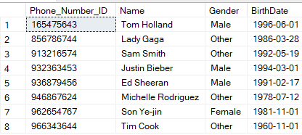
 |  | WHERE Phone_Number_ID = 435476733

 |  |  |  |  | Pass
3 | Successfully insert data in any table | INSERT INTO [Table] | returns the latest row named 'Ocean Table'
 |  | VALUES('Ocean Table',4,6,8)
 |  |  |  |  | Pass
4 | Accurately access employee email | SELECT Full_Name, Duty, Email FROM Employee | Correctly return the person's information
 |  | WHERE Email = 'truongnvgcd201597@fpt.edu.vn' |  |  | Pass
5 | Calculate the total number of dishes on the menu | SELECT COUNT(Dishes_ID) AS Total_Number_Of_Dishes | Returns the exact total number of dishes
 |  | FROM Dishes |  |  | Pass

6 | Successful calculation of total number of customers | SELECT SUM(Amount_Of_People) AS Total_Amount_Of_People | Returns the exact total number of customers
 |  | FROM Reservation
 |  |  |  |  | Pass

