IC
MÃ HÀNG | TÊN HÀNG | SL | Ghi chú | LINK DATASHEET
M51995AFP | IC Driver nguồn xung lái PFC 10 Pin | 5 |  | https://pdf1.alldatasheet.com/datasheet-pdf/view/84016/FUJI/FA5502.html
FA5502M (H3704) | IC Driver nguồn xung 8 Pin | 1 |  | https://pdf1.alldatasheet.com/datasheet-pdf/view/115167/RENESAS/M51995AFP.html
TL431 SMD | IC hồi tiếp nguồn xung smd (1R, 2A, 3K) | 10 |  | https://pdf1.alldatasheet.com/datasheet-pdf/view/5774/MOTOROLA/TL431.html
3NF06L SMD | Mosfet N-channel 60 V, 0.07 Ω, 4 A, SOT-223 | 10 |  | https://pdf1.alldatasheet.com/datasheet-pdf/view/234603/STMICROELECTRONICS/3NF06L.html
OB2273, LD7536R, 73TA16, 73T515 | High Performance Current Mode PWM Controller 6 Pin SOT23-6 | 9 |  | https://pdf1.alldatasheet.com/datasheet-pdf/view/1178966/ETC2/OB2273.html
AM22A | Switching power supply control chip DIP-8 | 10 |  | https://pdf1.alldatasheet.com/datasheet-pdf/view/1133544/LINKAGE/AM22A.html
DK1203, LNK203A | Switching power supply control chip DIP-8 | 10 |  | https://pdf1.alldatasheet.com/datasheet-pdf/view/1133741/LINKAGE/DK1203.html
UCC3844 | HIGH-PERFORMANCECURRENT-MODEPWMCONTROLLERS | 9 |  | https://pdf1.alldatasheet.com/datasheet-pdf/view/168281/TI/3844B.html
UCC3842 | HIGH-PERFORMANCECURRENT-MODEPWMCONTROLLERS | 10 |  | https://pdf1.alldatasheet.com/datasheet-pdf/view/19833/PHILIPS/UC3842.html
UCC28610 | IC Driver nguồn xung 8 Pin Servo Yaskawa | 0 |  | https://pdf1.alldatasheet.com/datasheet-pdf/view/762353/TI/UCC28610.html
STR-G6651 | IC Nguồn xung trong PLC Mitshu FX | 0 |  | https://pdf1.alldatasheet.com/datasheet-pdf/view/55210/ALLEGRO/STR-G6651.html
SI-8001FFE | IC Nguồn xung trong PLC Mitshu FX |  |  | https://pdf1.alldatasheet.com/datasheet-pdf/view/310322/SANKEN/SI-8001FFE.html
SS8050 (J3Y, Y1) | NPN Epitaxial Silicon Transistor (1E, 2B, 3C) TO-92 25v 1.5A | 10 |  | https://pdf1.alldatasheet.com/datasheet-pdf/view/1424998/FAIRCHILD/S8050.html
SS8550 (Y2, | PNP Epitaxial Silicon Transistor (1E, 2B, 3C) TO-92 25v 1.5A | 10 |  | https://pdf1.alldatasheet.com/datasheet-pdf/view/33775/WINGS/S8550.html
Vipper 22A | LOW POWER OFF LINE SMPS PRIMARY SWITCHER DIP-8 | 10 |  | https://pdf1.alldatasheet.com/datasheet-pdf/view/25604/STMICROELECTRONICS/VIPER22A.html
LNK362-364 | Energy Effi cient, Low Power Off-Line Switcher IC DIP-7 | 1 |  | https://pdf1.alldatasheet.com/datasheet-pdf/view/527590/POWERINT/LNK364PN.html
Diode Zener 13v | Diode Zener 1W DO-41 | 10
Diode Zener 18v | Diode Zener 1W DO-41 | 10
Diode Zener 5.6v | Diode Zener 1W DO-41 | 10
SS14 | Diode Sortki 1A 40v
Diode Zener 3.3v | Diode Zener 1W DO-41 | 10
Transistor 2N5551 | Transistor NPN 160V 0.6A TO-92 (1E, 2B, 3C) | 10 |  | https://pdf1.alldatasheet.com/datasheet-pdf/view/11488/ONSEMI/2N5551.html
NCP1203, 203D6 | IC Driver nguồn xung 8 Pin SMD | 1 | Chú ý nguồn cấp VCC | https://pdf1.alldatasheet.com/datasheet-pdf/view/83107/ONSEMI/NCP1203.html
LTC3560, LTCFY | IC hạ áp 3.3V 6 chân, kết hợp cuộn L | 0 |  | https://www.analog.com/media/en/technical-documentation/data-sheets/3560fb.pdf
CBB22 104J630V | Tụ điện | 2
CBB22 334J630V | Tụ điện
35V 220Uf | Tụ điện | 4
Đế 16 Pin | Đế IC | 4
Đế 8 Pin | Đế IC | 4
Tụ lọc 104 vàng | Tụ điện | 4
Tụ lọc 105 vàng | Tụ điện | 4
HER508 | Diode Xung | 4
KA3525 | IC Driver | 2
4.7uf 50v | Tụ điện | 3
220uf 25v | Tụ điện | 3
4700uf 35v | Tụ điện | 2
Biến áp EE16 | Biến áp | 1
Relay xanh 12v | Relay | 1
Chiếc áp 250K | Chiếc áp | 2
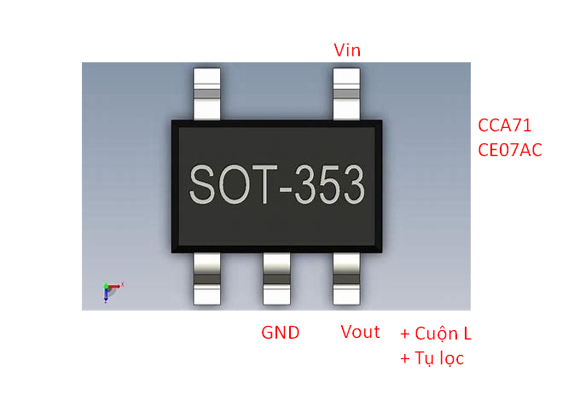
Chiếc áp công tắc 500K | Chiếc áp | 2

Tản nhiệt TO220 | Tản nhiệt | 3
VR tinh chỉnh 504 | Chiếc áp | 1
XSXV16, XS2V1E | Mosfet P-Channel, SOT-223
5H0380R | IC nguồn trong PLC XINJE | Chưa mua | VCC qua 2 trở 104 | https://pdf1.alldatasheet.com/datasheet-pdf/view/53247/FAIRCHILD/5H0380R.html
CE97AC | IC hạ áp 1.2v trong màn hình 5 chân, chân 1 Vin,

