Sheet1
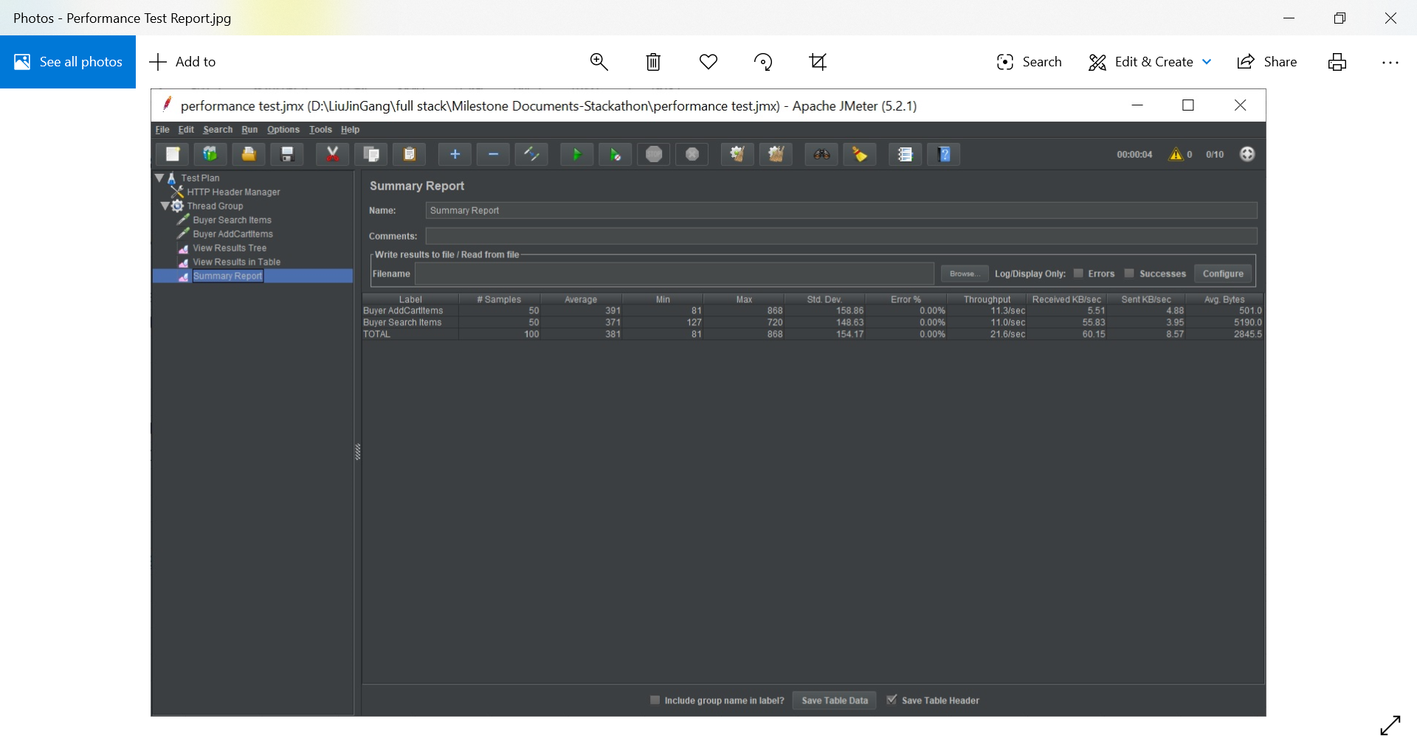
jmx file:
 | Artefacts/performance test.jmx

