Login
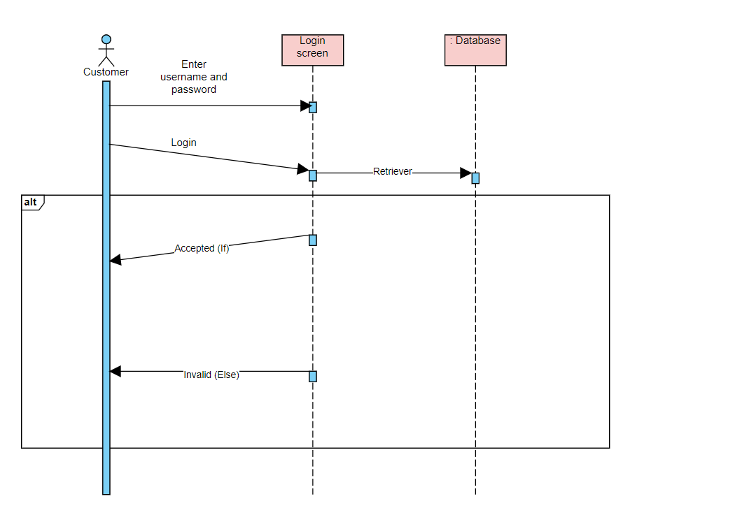
URD | Skill Inventory |  |  | Process
 |  |  |  | Requirement
Document code | URD | Document name | User requirement | Create Date | 10-Dec-20 | Creator | Sơn
 |  |  |  | Update Date | 10-Dec-20 | Updater | Hiếu
3.1.1
Layout

Createe Meeting
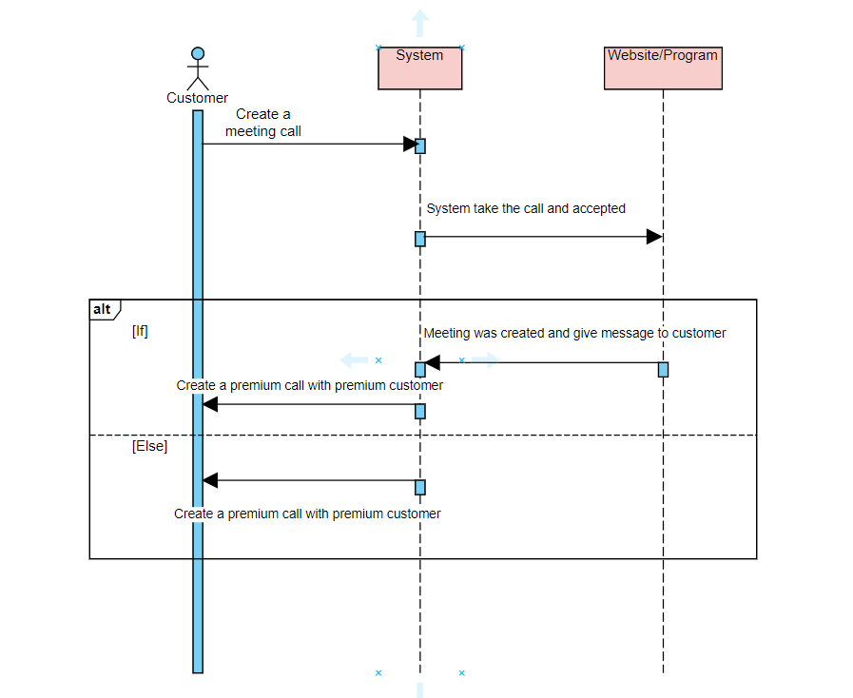
URD | Skill Inventory |  |  | Process
 |  |  |  | Requirement
Document code | URD | Document name | User requirement | Create Date | 10-Dec-20 | Creator | Sơn
 |  |  |  | Update Date | 10-Dec-20 | Updater | Hiếu
3.1.1
Layout

Admin Login
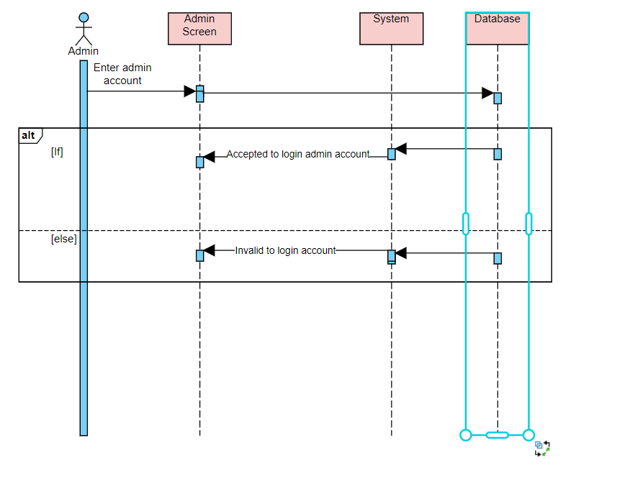
URD | Skill Inventory |  |  | Process
 |  |  |  | Requirement
Document code | URD | Document name | User requirement | Create Date | 10-Dec-20 | Creator | Sơn
 |  |  |  | Update Date | 10-Dec-20 | Updater | Hiếu
3.1.1
Layout

Admin Function
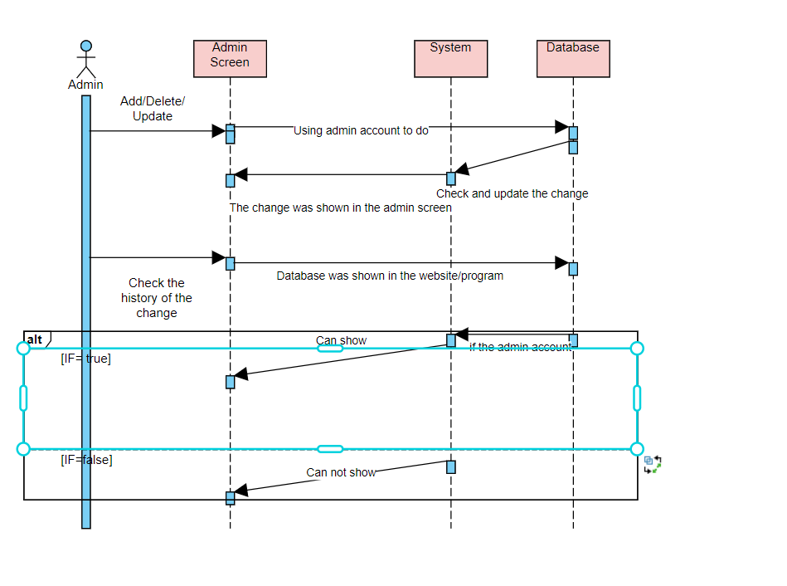
URD | Skill Inventory |  |  | Process
 |  |  |  | Requirement
Document code | URD | Document name | User requirement | Create Date | 10-Dec-20 | Creator | Sơn
 |  |  |  | Update Date | 10-Dec-20 | Updater | Hiếu
3.1.1
Layout

