Sheet1
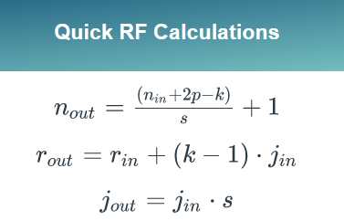
n_in | p | k | s | r_in | j_in | r_out | j_out | n_out | Remarks
28 | 0 | 3 | 1 | 1 | 1 | 3 | 1 | 26 | This is Conv2d layer (3x3 kernel, no padding, stride : 1 (default))
26 | 0 | 3 | 1 | 3 | 1 | 5 | 1 | 24 | This is Conv2d layer (3x3 kernel, no padding, stride : 1 (default))
24 | 0 | 2 | 2 | 5 | 1 | 6 | 2 | 12 | This is a maxpool layer (2,2)
12 | 0 | 3 | 1 | 6 | 2 | 10 | 2 | 10 | This is Conv2d layer (3x3 kernel, no padding, stride : 1 (default))
10 | 0 | 3 | 1 | 10 | 2 | 14 | 2 | 8 | This is Conv2d layer (3x3 kernel, no padding, stride : 1 (default))
8 | 0 | 2 | 2 | 14 | 2 | 16 | 4 | 4 | This is a maxpool layer (2,2)
 |  |  |  |  |  |  |  |  | There is no concept of receptive field in FC layers because they can see all neuron values.

 |  |  |  |  |  |  |  |  | The images are mnist (28x28)

