Tabelle1
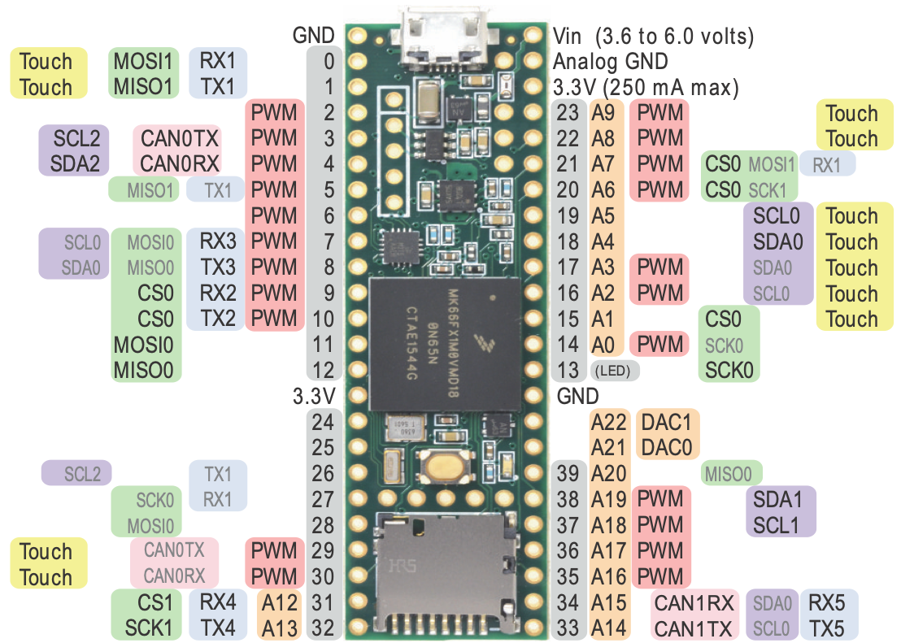
MKL02 DC (14)
MKL02 DD (16)
Pin | Funktion Teensy 4.1 | Verwendung Teensy 4.1
0 | RX1/CS1/PWM (F: 1.1) | SPI 2 Slave CS 1
1 | TX1/MISO1/PWM (F: 1.0) | SPI 2 Slave MOSI (SIN)
2 | OUT2/PWM (F: 4.2) | I2S Out
3 | LRCLK2/PWM (F: 4.2) | I2S LRCLK
4 | BCLK2/PWM (F: 2.0) | I2S BCLK
5 | PWM (F: 2.1) | Servo 1 PWM
6 | OUT1D/PWM (F: 2.2) | Servo 2 PWM
7 | RX2/OUT1A/PWM (F: 1.3) | Uart 2 (Motor-Ctrl) RX
8 | TX2/PWM (F: 1.3) | Uart 2 (Motor-Ctrl) TX
9 | OUT1C/PWM (F: 2.2) | Debug LED
10 | CS0/PWM (Q: 1.0) | SPI 1 Master CS 1
11 | MOSI(SOUT)0/PWM (Q: 1.2) | SPI 1 Master MOSI
12 | MISO(SIN)0/PWM (Q: 1.1) | SPI 1 Master MISO
13 | SCK0/PWM (Q: 2.0) | SPI 1 Master SCK
14 | A0/TX3/PWM (Q: 3.2) | Servo 3 PWM
15 | A1/RX3/PWM (Q: 3.3) | Servo 4 PWM
16 | A2/RX4/SCL1 | I2C 2 (5V: LEDs, ENA CNY70)
17 | A3/TX4/SDA1 | I2C 2 (5V: LEDs, ENA CNY70
18 | A4/SDA0/PWM (Q: 3.1) | I2C 1 (5V: Sensoren, Ena)
19 | A5/SCL0/PWM (Q: 3.0) | I2C 1 (5V: Sensoren, Ena)
20 | A6/TX5/LRCLK1 | Überwachung Batterie
21 | A7/RX5/BCLK1 | Servo 1 Feedback
22 | A8/PWM (F: 4.0) | Servo 2 Feedback
23 | A9/MCLK1/PWM (F: 4.1) | Servo 3 Feedback
24 | A10/TX6/SCL2/PWM (F: 1.2) | I2C 3 oder Uart 4
25 | A11/RX6/SDA2/PWM (F: 1.3) | I2C 3 oder Uart 4
26 | A12/MOSI(SOUT) | SPI 2 Slave MISO (SOUT)
27 | A13/SCK1 | SPI 2 Slave SCK
28 | RX7/PWM (F: 3.1) | Uart 3 RX
29 | TX7/PWM (F: 3.1) | Uart 3 TX
30 | GPIO30 | Fernbedienung
31 | GPIO31 | BPS Sensor
32 | OUT1B/GPIO32 | GPIO_1
33 | PWM (F: 2.0) | GPIO_2
34 | RX8 | Uart 1 (WiFi) RX
35 | TX8 | Uart 1 (WiFi) TX
36 | CS0/PWM (F: 2.3) | SPI 1 Master CS 2
37 | CS0/PWM (F: 2.3) | SPI 1 Master CS 3
38 | A14/CS1 | Kantensensor L
39 | A15/MISO(SIN)1/OUT1A | Kantensensor R
A21 | n/a | n/a
A22 | n/a | n/a
40 | A16 | Liniensensor R
41 | A17 | Liniensensor L
42 | n/a | n/a
43 | n/a | n/a
44 | n/a | n/a
45 | n/a | n/a
46 | n/a | n/a
47 | n/a | n/a
Sources: https://www.pjrc.com/teensy/card9a_rev1.pdf; https://www.pjrc.com/teensy/card9b_rev1.pdf
48 | n/a | n/a
49 | n/a | n/a
50 | n/a | n/a | PWM |  |  |  |  |  |  | Signale | 63
51 | n/a | n/a | Timer | Verwendung |  | Frequenz | Auflösung |  |  | GND | 1
52 | n/a | n/a | FTM0 | PWM Servos |  | 50 Hz | 16 Bit |  |  | AGND | 1
53 | n/a | n/a | FTM1 | PWM Erweiterung 5/6 |  |  |  |  |  | 5V | 1
54 | n/a | n/a | FTM2 | PWM Erw. 3/4 (z.B. Display) |  | 915 Hz | 16 Bit |  |  | I2C 5V | 2
55 | n/a | n/a | FTM3 | PWM Motor |  | 29296 Hz | 11 Bit |  |  |  | 68
56 | n/a | n/a | TPM1 | PWM Erweiterung 1/2
57 | n/a | n/a
A11 | n/a | n/a | SPI0 CS |  |  |  | SPI1 CS
A10 | n/a | n/a | SPI Signal | Pin Name | Pin |  | SPI Signal | Pin Name | Pin
D+ | DP | USB Host | SPI0_PCS0 | PTD0 | 2 |  | SPI1_PCS0 | PTD4 | 6
D- | DM | USB Host | SPI0_PCS0 | PTC4 | 10 |  | SPI1_PCS0 | PTB10 | 31
Vb | VBat | n/a | SPI0_PCS0 | PTA14 | 26 |  | SPI1_PCS0 | PTE4 | -
R | n/a | n/a | SPI0_PCS1 | PTD4 | 6 |  | SPI1_PCS1 | PTE0 | -
 |  |  | SPI0_PCS1 | PTC3 | 9 |  | SPI1_PCS1 | PTB9 | -
 |  |  | SPI0_PCS2 | PTD5 | 20 |  | SPI1_PCS2 | PTE5 | -
 |  |  | SPI0_PCS2 | PTC2 | 23 |  | SPI1_PCS3 | PTE6 | -
 |  |  | SPI0_PCS3 | PTD6 | 21
 |  |  | SPI0_PCS3 | PTC1 | 22 |  | SPI2 CS
 |  |  | SPI0_PCS4 | PTC0 | 15 |  | SPI Signal | Pin Name | Pin
 |  |  | SPI0_PCS5 | PTB23 | 45 |  | SPI2_PCS0 | PTB20 | 43
 |  |  |  |  |  |  | SPI2_PCS0 | PTD11 | 55
 |  |  |  |  |  |  | SPI2_PCS1 | PTD15 | 54

This work (excluding the teensy images) is licensed under the Creative Commons Attribution-ShareAlike 4.0 International License. To view a copy of this license, visit http://creativecommons.org/licenses/by-sa/4.0

