Tabelle1
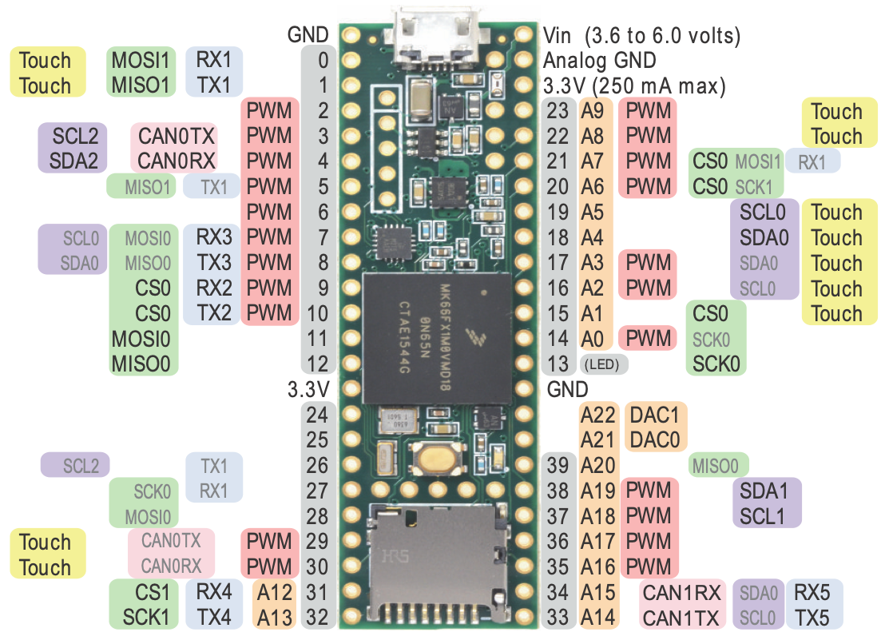
MKL02 DC (14)
MKL02 DD (16)
Pin | Funktion | Funktion RPi Pico | Verwendung RPi Pico |  | Funktion Teensy 4.1 | Verwendung Teensy 4.1
0 | MOSI1/RX1 | - | - | - | RX1/CS1/PWM (F: 1.1) | SPI 1 Slave CS 0
1 | MISO1/TX1 | Uart0 TX | Motor L Control | - | TX1/MISO1/PWM (F: 1.0) | SPI 1 Slave MOSI (SIN)
2 | SPI0 CS0/PWM (FTM3) | Uart0 RX | Motor R Control | x | PWM (F: 4.2) | Motor L PWM
3 | PWM (FTM1)/SCL2 | GND | - | x | PWM (F: 4.2) | Motor R PWM
4 | PWM (FTM1)/SDA2 | I2C1 SDA/SPI0 SCK | SPI 0 SCK | x | PWM (F: 2.0) | Servo 1 PWM
5 | PWM (FTM0) | I2C1 SCL/SPI0 TX | SPI 0 MOSI | x | PWM (F: 2.1) | PWM Erweiterung 3 (Display BL)
6 | PWM (FTM0)/SPI1 CS0/SPI0 CS1 | I2C0 SDA/SPI0 RX/UART1 TX | SPI 0 MISO | x | OUT1D/PWM (F: 2.2) | Motor L Control
7 | SCL0/RX3/PWM (FTM3) | I2C0 SCL/SPI0 CSn/UART1 RX | SPI 0 CS 0 | - | RX2/OUT1A/PWM (F: 1.3) | I2S Out
8 | SDA0/TX3/PWM (FTM3) | GND | - | - | TX2/PWM (F: 1.3) | Debug LED
9 | RX2/PWM (FTM0)/SPI0 CS1 | I2C1 SDA/SPI0 SCK | SPI 0 CS 4 | x | OUT1C/PWM (F: 2.2) | Motor R Control
10 | TX2/PWM (FTM0)/SPI0 CS0 | I2C1 SCL/SPI0 TX | SPI 0 CS 5 | x | CS0/PWM (Q: 1.0) | SPI 0 Master CS 0
11 | MOSI0 | I2C0 SDA/SPI1 RX/UART1 TX | Uart 1 TX oder I2C 2 | x | MOSI(SOUT)0/PWM (Q: 1.2) | SPI 0 Master MOSI
12 | MISO0 | I2C0 SCL/SPI1 CSn/UART1 RX | Uart 1 RX oder I2C 2 | x | MISO(SIN)0/PWM (Q: 1.1) | SPI 0 Master MISO
13 | PWM (FTM0)/GPIO | GND | - | x | SCK0/PWM (Q: 2.0) | SPI 0 Master SCK
14 | SCK0/A0/PWM (FTM3) | I2C1 SDA/SPI1 SCK | Fernbedienung | ADC | A0/TX3/PWM (Q: 3.2) | Servo 2 Feedback/Servo 5 PWM
15 | SPI0 CS4/A1 | I2C1 SCL/SPI1 TX | Servo 1 PWM | ADC | A1/RX3/PWM (Q: 3.3) | Überwachung Batterie
16 | PWM (TPM1)/A2/SCL0 | I2C0 SDA/SPI1 RX/Uart0 TX | Uart 2 TX | x | A2/RX4/SCL1 | I2C 3 (5V: LEDs, ENA CNY70)
17 | PWM (TPM1)/A3/SDA0 | I2C0 SCL/SPI1 CSnUart0 RX | Uart 2 RX | x | A3/TX4/SDA1 | I2C 3 (5V: LEDs, ENA CNY70)
18 | A4/SDA0 | GND | - | x | A4/SDA0/PWM (Q: 3.1) | I2C 0 (5V: Sensoren, Ena)
19 | A5/SCL0 | I2C1 SDA/SPI1 SCK | Motor R PWM | x | A5/SCL0/PWM (Q: 3.0) | I2C 0 (5V: Sensoren, Ena)
20 | PWM (FTM0)/A6/SCK1/SPI0 CS2 | I2C1 SCL/SPI1 TX | Motor L PWM | - | A6/TX5/LRCLK1 | I2S LRCLK
21 | PWM (FTM0)/A7/MOSI1/SPI0 CS3 | I2C0 SDA/SPI1 RX | Radencoder R | - | A7/RX5/BCLK1 | I2S BCLK
22 | PWM (FTM0)/A8/SPI0 CS3 | I2C0 SCL/SPI1 CSn | Radencoder L | ADC | A8/PWM (F: 4.0) | Servo 1 Feedback
23 | PWM (FTM0)/A9/SPI0 CS2 | GND | - | - | A9/MCLK1/PWM (F: 4.1) | Servo 4 PWM
24 | GPIO | I2C1 SDA/SPI0 SCK | I2C 1 | ADC | A10/TX6/SCL2/PWM (F: 1.2) | GPIO_24
25 | PWM (FTM0)/GPIO | I2C1 SCL/SPI0 TX | I2C 1 | - | A11/RX6/SDA2/PWM (F: 1.3) | GPIO_46
26 | TX1/SPI0 CS0 | I2C0 SDA | ADC Control 2 | - | A12/MOSI(SOUT) | SPI 1 Slave MISO (SOUT)
27 | RX1/SCK0 | I2C0 SCL | ADC Control 1 | - | A13/SCK1 | SPI 1 Slave SCK
28 | GPIO/MOSI0 | GND | - | - | RX7/PWM (F: 3.1) | Uart 3 RX (oder PWM)
29 | PWM (FTM2)/GPIO | GP22 | ADC Control 0 | - | TX7/PWM (F: 3.1) | Uart 3 TX (oder PWM)
30 | PWM (FTM2)/GPIO | RUN | RUN | x | GPIO30 | Radencoder L
31 | SPI1 CS0/A12/RX4 | ADC0/I2C1 SDA | Servo 2 PWM | x | GPIO31 | Radencoder R
32 | SCK1/A13/TX4 | ADC1/I2C1 SCL | BPS oder PWM Erw. | x | OUT1B/GPIO32 | Fernbedienung
33 | TX5/A14/SCL0 | GND/AGND | - | x | PWM (F: 2.0) | BPS Sensor (oder PWM)
34 | RX5/A15/SDA0 | ADC2 | ADC | x | RX8 | Uart 2 (WiFi) RX
35 | PWM (FTM3)/A16 | ADC_VREF | - | x | TX8 | Uart 2 (WiFi) TX
36 | PWM (FTM3)/A17 | 3V3_OUT | - | x | CS0/PWM (F: 2.3) | SPI 0 Master CS 4
37 | SCL1/PWM (FTM3)/A18 | 3V3_EN | - | x | CS0/PWM (F: 2.3) | SPI 0 Master CS 5
38 | SDA1/PWM (FTM3)/A19 | GND | - | ADC | A14/CS1 | Kantensensor L
39 | A20/MISO0 | VSYS | - | ADC | A15/MISO(SIN)1/OUT1A | Kantensensor R
A21 | DAC0/A21 | VBUS | - |  | n/a | n/a
A22 | DAC1/A22 | n/a | n/a |  | n/a | n/a
40 | GPIO | n/a | n/a | ADC | A16 | Liniensensor R
41 | GPIO | n/a | n/a | ADC | A17 | Liniensensor L
42 | GPIO | n/a | n/a |  | n/a | n/a
43 | GPIO/SPI2 CS0 | n/a | n/a |  | n/a | n/a
44 | GPIO/MOSI2 | n/a | n/a |  | n/a | n/a
45 | GPIO/MISO2/SPI0 CS5 | n/a | n/a |  | n/a | n/a
46 | GPIO/SCK2 | n/a | n/a |  | n/a | n/a
47 | RX6/SCL0 | n/a | n/a |  | n/a | n/a
Sources: https://www.pjrc.com/teensy/card9a_rev1.pdf; https://www.pjrc.com/teensy/card9b_rev1.pdf
48 | TX6/SDA0 | n/a | n/a |  | n/a | n/a
49 | A23 | n/a | n/a |  | n/a | n/a
50 | A24 | n/a | n/a |  | n/a | n/a | PWM |  |  |  |  |  |  | Signale | 63
51 | MISO2/GPIO | n/a | n/a |  | n/a | n/a | Timer | Verwendung |  | Frequenz | Auflösung |  |  | GND | 1
52 | MOSI2/GPIO | n/a | n/a |  | n/a | n/a | FTM0 | PWM Servos |  | 50 Hz | 16 Bit |  |  | AGND | 1
53 | SCK2/GPIO | n/a | n/a |  | n/a | n/a | FTM1 | PWM Erweiterung 5/6 |  |  |  |  |  | 5V | 1
54 | SPI2 CS1/GPIO | n/a | n/a |  | n/a | n/a | FTM2 | PWM Erw. 3/4 (z.B. Display) |  | 915 Hz | 16 Bit |  |  | I2C 5V | 2
55 | SPI2 CS0/GPIO | n/a | n/a |  | n/a | n/a | FTM3 | PWM Motor |  | 29296 Hz | 11 Bit |  |  |  | 68
56 | SDA3/PWM (FTM3) | n/a | n/a |  | n/a | n/a | TPM1 | PWM Erweiterung 1/2
57 | SCL3/PWM (FTM3) | n/a | n/a |  | n/a | n/a
A11 | A11 | n/a | n/a |  | n/a | n/a | SPI0 CS |  |  |  | SPI1 CS
A10 | A10 | n/a | n/a |  | n/a | n/a | SPI Signal | Pin Name | Pin |  | SPI Signal | Pin Name | Pin
D+ | DP | n/a | n/a |  | DP | USB Host | SPI0_PCS0 | PTD0 | 2 |  | SPI1_PCS0 | PTD4 | 6
D- | DM | n/a | n/a |  | DM | USB Host | SPI0_PCS0 | PTC4 | 10 |  | SPI1_PCS0 | PTB10 | 31
Vb | VBat | n/a | n/a |  | VBat | n/a | SPI0_PCS0 | PTA14 | 26 |  | SPI1_PCS0 | PTE4 | -
R | Reset | n/a | n/a |  | n/a | n/a | SPI0_PCS1 | PTD4 | 6 |  | SPI1_PCS1 | PTE0 | -
 |  |  |  |  |  |  | SPI0_PCS1 | PTC3 | 9 |  | SPI1_PCS1 | PTB9 | -
 | Anmerkungen |  |  |  |  |  | SPI0_PCS2 | PTD5 | 20 |  | SPI1_PCS2 | PTE5 | -
 | - SPI 0 und SPI 1 evtl. tauschen (Master / Slave für RPi) -> Performance Nachteil von SPI 1 checken - Distanzsensoren über I2C (z.B. VL53L0X) - Transportfachüberwachung über I2C (z.B. VL6180X) - Maussensor bisher nicht berücksichtigt, da aktuell unklar, ob verfügbar. Evtl. an SPI 2 anschließen - PWM auf alternativen Pin-Funktionen gelb markiert, unklar ob möglich, da kein Treiber-Support (25, 56, 57) - Verfügbare UARTs: 1 (RPi), 2 (Wi-Fi), 5, 6 (LPUART 0) - Verfügbare I2C-Busse: 0 (ENA, LEDs), 1, 2, 3 - Verfügbare SPI-Busse: 0, 1, 2 - Pin-Fähigkeiten für SPI gemäß K66P144M180SF5RMV2.pdf -> Rest ist noch zu überprüfen |  |  |  |  |  | SPI0_PCS2 | PTC2 | 23 |  | SPI1_PCS3 | PTE6 | -
 |  |  |  |  |  |  | SPI0_PCS3 | PTD6 | 21
 |  |  |  |  |  |  | SPI0_PCS3 | PTC1 | 22 |  | SPI2 CS
 |  |  |  |  |  |  | SPI0_PCS4 | PTC0 | 15 |  | SPI Signal | Pin Name | Pin
 |  |  |  |  |  |  | SPI0_PCS5 | PTB23 | 45 |  | SPI2_PCS0 | PTB20 | 43
 |  |  |  |  |  |  |  |  |  |  | SPI2_PCS0 | PTD11 | 55
 |  |  |  |  |  |  |  |  |  |  | SPI2_PCS1 | PTD15 | 54

This work (excluding the teensy images) is licensed under the Creative Commons Attribution-ShareAlike 4.0 International License. To view a copy of this license, visit http://creativecommons.org/licenses/by-sa/4.0

 | MKL02 DC: orange
 | MKL02 DD: gelb

